set_info
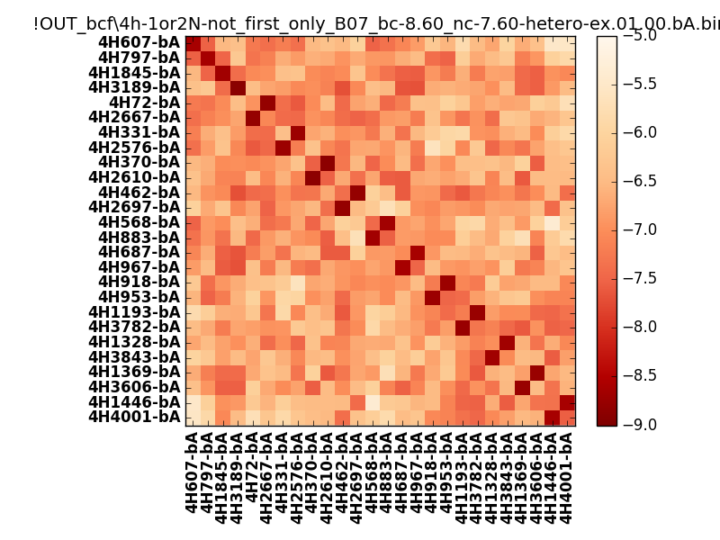
N_pairs: | 15
N_heterodimers: | 11
N_homodimers: | 4
orthogonality_average: | -1.92222499847
orthogonality_average_%: | 48.0556249619
orthogonality_gap: | -0.905539512634
orthogonality_gap_%: | 22.6384878159
N_offtarget_above_min_ontarget: | 0

max_affinity: | -8.8824300766
min_affinity: | -5.35797023773
lower_is_better: | True

binding_min_affinity: | -8.60186958313
binding_min_affinity_%: | 90.0467395782

nonbinidng_max_affinity: | -7.6963300705
nonbinidng_max_affinity_%: | 67.4082517624

total_II_pairs: | 35
total_II_pairs_%: | 58.3333333333
total_IN_mismatches: | 0
total_IN_mismatches_%: | 0.0
total_NN_pairs: | 25
total_NN_pairs_%: | 41.6666666667

total_electrostatic_matches: | 118
total_electrostatic_matches_%: | 98.3333333333
total_electrostatic_mismatches: | 2
total_electrostatic_mismatches_%: | 1.66666666667

starting_pos: | f
N_heptades: | 4
N_aminoacids: | 29

ag_helicity: | mean: 36.33 std: 12.74 min: 16.96 max: 58.20
charge: | mean: -3.15 std: 1.49 min: -7.00 max: -1.00
gravy: | mean: -1.08 std: 0.13 min: -1.19 max: -0.89
instability_index: | mean: 34.70 std: 9.46 min: 17.12 max: 54.77
isoelectric_point: | mean: 4.57 std: 0.32 min: 3.93 max: 5.11
normalization_max: | -9
normalization_min: | -5

