set_info
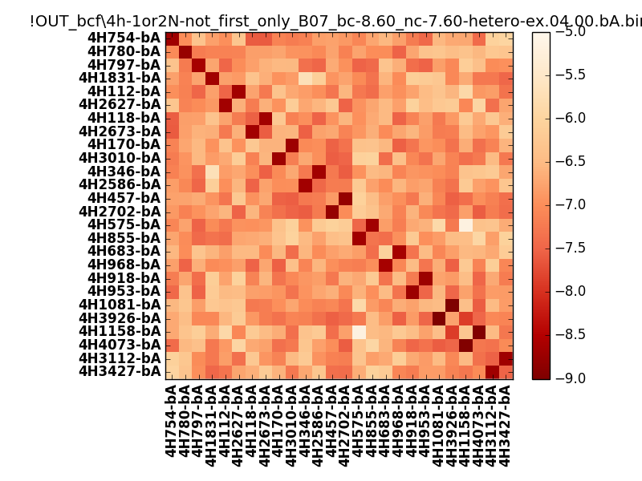
N_pairs: | 15
N_heterodimers: | 11
N_homodimers: | 4
orthogonality_average: | -1.89955568314
orthogonality_average_%: | 47.4888920784
orthogonality_gap: | -0.727019786835
orthogonality_gap_%: | 18.1754946709
N_offtarget_above_min_ontarget: | 0

max_affinity: | -9.07691001892
min_affinity: | -5.14331007004
lower_is_better: | True

binding_min_affinity: | -8.61168003082
binding_min_affinity_%: | 90.2920007706

nonbinidng_max_affinity: | -7.88466024399
nonbinidng_max_affinity_%: | 72.1165060997

total_II_pairs: | 37
total_II_pairs_%: | 61.6666666667
total_IN_mismatches: | 0
total_IN_mismatches_%: | 0.0
total_NN_pairs: | 23
total_NN_pairs_%: | 38.3333333333

total_electrostatic_matches: | 120
total_electrostatic_matches_%: | 100.0
total_electrostatic_mismatches: | 0
total_electrostatic_mismatches_%: | 0.0

starting_pos: | f
N_heptades: | 4
N_aminoacids: | 29

ag_helicity: | mean: 35.32 std: 13.50 min: 16.96 max: 65.86
charge: | mean: -3.00 std: 1.96 min: -7.00 max: 1.00
gravy: | mean: -1.05 std: 0.14 min: -1.20 max: -0.89
instability_index: | mean: 35.90 std: 9.15 min: 14.20 max: 51.80
isoelectric_point: | mean: 4.83 std: 1.08 min: 3.93 max: 8.34
normalization_max: | -9
normalization_min: | -5

