set_info
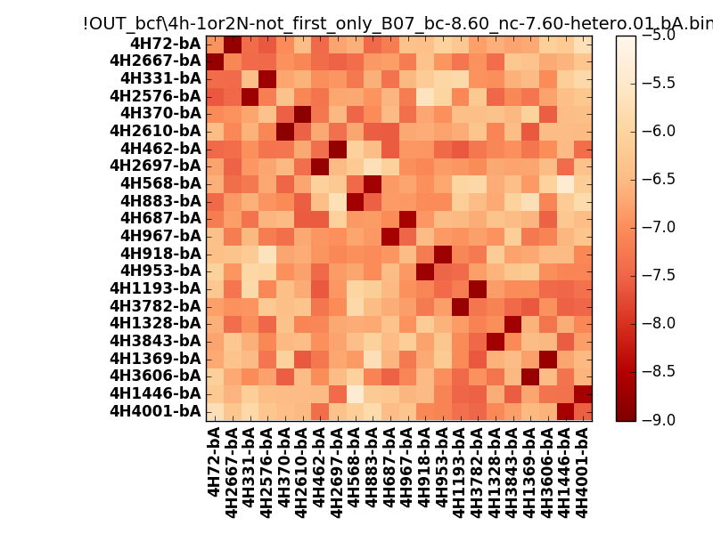
N_pairs: | 11
N_heterodimers: | 11
N_homodimers: | 0
orthogonality_average: | -1.93797254562
orthogonality_average_%: | 48.4493136406
orthogonality_gap: | -1.0076713562
orthogonality_gap_%: | 25.191783905
N_offtarget_above_min_ontarget: | 0

max_affinity: | -8.84430027008
min_affinity: | -5.35797023773
lower_is_better: | True

binding_min_affinity: | -8.6057510376
binding_min_affinity_%: | 90.1437759399

nonbinidng_max_affinity: | -7.5980796814
nonbinidng_max_affinity_%: | 64.9519920349

total_II_pairs: | 26
total_II_pairs_%: | 59.0909090909
total_IN_mismatches: | 0
total_IN_mismatches_%: | 0.0
total_NN_pairs: | 18
total_NN_pairs_%: | 40.9090909091

total_electrostatic_matches: | 86
total_electrostatic_matches_%: | 97.7272727273
total_electrostatic_mismatches: | 2
total_electrostatic_mismatches_%: | 2.27272727273

starting_pos: | f
N_heptades: | 4
N_aminoacids: | 29

ag_helicity: | mean: 35.64 std: 12.91 min: 16.96 max: 58.20
charge: | mean: -3.18 std: 1.62 min: -7.00 max: -1.00
gravy: | mean: -1.07 std: 0.14 min: -1.19 max: -0.89
instability_index: | mean: 35.07 std: 8.89 min: 17.12 max: 54.77
isoelectric_point: | mean: 4.57 std: 0.34 min: 3.93 max: 5.11
normalization_max: | -9
normalization_min: | -5

