set_info
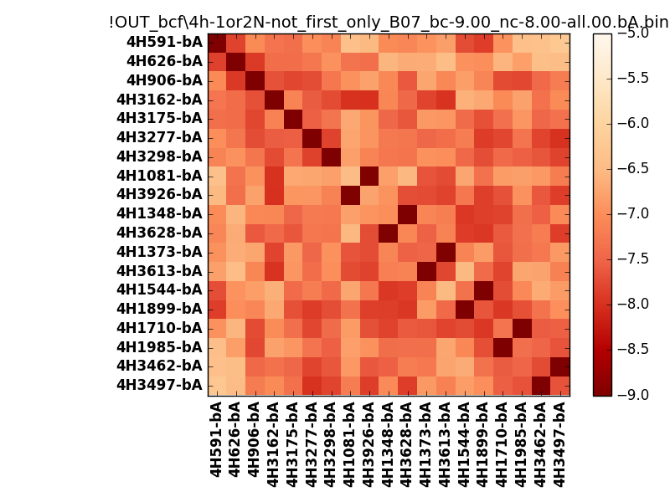
N_pairs: | 13
N_heterodimers: | 6
N_homodimers: | 7
orthogonality_average: | -1.86705732346
orthogonality_average_%: | 46.6764330864
orthogonality_gap: | -1.00318908691
orthogonality_gap_%: | 25.0797271729
N_offtarget_above_min_ontarget: | 0

max_affinity: | -9.24949073792
min_affinity: | -6.22593927383
lower_is_better: | True

binding_min_affinity: | -9.00203990936
binding_min_affinity_%: | 100.050997734

nonbinidng_max_affinity: | -7.99885082245
nonbinidng_max_affinity_%: | 74.9712705612

total_II_pairs: | 29
total_II_pairs_%: | 55.7692307692
total_IN_mismatches: | 0
total_IN_mismatches_%: | 0.0
total_NN_pairs: | 23
total_NN_pairs_%: | 44.2307692308

total_electrostatic_matches: | 104
total_electrostatic_matches_%: | 100.0
total_electrostatic_mismatches: | 0
total_electrostatic_mismatches_%: | 0.0

starting_pos: | f
N_heptades: | 4
N_aminoacids: | 29

ag_helicity: | mean: 38.77 std: 12.16 min: 19.06 max: 60.04
charge: | mean: -3.00 std: 1.76 min: -7.00 max: 1.00
gravy: | mean: -1.13 std: 0.10 min: -1.20 max: -0.90
instability_index: | mean: 35.97 std: 11.33 min: 17.96 max: 57.02
isoelectric_point: | mean: 4.75 std: 0.92 min: 3.93 max: 8.34
normalization_max: | -9
normalization_min: | -5

