set_info
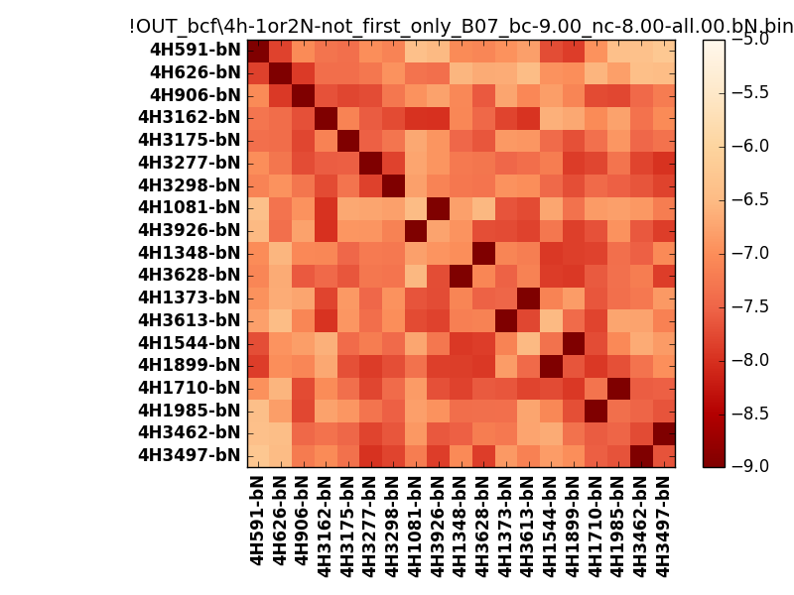
N_pairs: | 13
N_heterodimers: | 6
N_homodimers: | 7
orthogonality_average: | -1.86705732346
orthogonality_average_%: | 46.6764330864
orthogonality_gap: | -1.00318908691
orthogonality_gap_%: | 25.0797271729
N_offtarget_above_min_ontarget: | 0

max_affinity: | -9.24949073792
min_affinity: | -6.22593927383
lower_is_better: | True

binding_min_affinity: | -9.00203990936
binding_min_affinity_%: | 100.050997734

nonbinidng_max_affinity: | -7.99885082245
nonbinidng_max_affinity_%: | 74.9712705612

total_II_pairs: | 29
total_II_pairs_%: | 55.7692307692
total_IN_mismatches: | 0
total_IN_mismatches_%: | 0.0
total_NN_pairs: | 23
total_NN_pairs_%: | 44.2307692308

total_electrostatic_matches: | 104
total_electrostatic_matches_%: | 100.0
total_electrostatic_mismatches: | 0
total_electrostatic_mismatches_%: | 0.0

starting_pos: | f
N_heptades: | 4
N_aminoacids: | 29

ag_helicity: | mean: 18.24 std: 9.69 min: 6.18 max: 38.72
charge: | mean: -4.00 std: 1.76 min: -8.00 max: -0.00
gravy: | mean: -1.86 std: 0.10 min: -1.93 max: -1.63
instability_index: | mean: 57.74 std: 11.94 min: 39.33 max: 80.99
isoelectric_point: | mean: 4.52 std: 0.50 min: 3.88 max: 6.35
normalization_max: | -9
normalization_min: | -5

