set_info
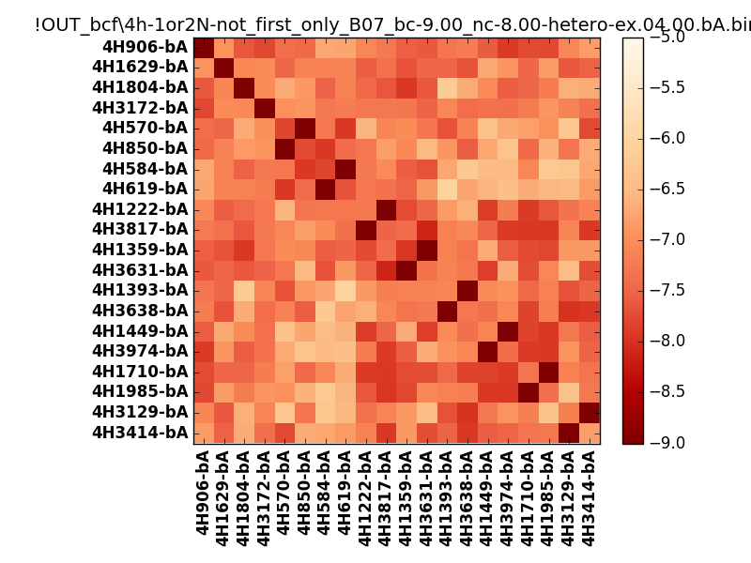
N_pairs: | 12
N_heterodimers: | 8
N_homodimers: | 4
orthogonality_average: | -1.90209197998
orthogonality_average_%: | 47.5522994995
orthogonality_gap: | -0.920169830322
orthogonality_gap_%: | 23.0042457581
N_offtarget_above_min_ontarget: | 0

max_affinity: | -9.23904037476
min_affinity: | -5.99772930145
lower_is_better: | True

binding_min_affinity: | -9.0155506134
binding_min_affinity_%: | 100.388765335

nonbinidng_max_affinity: | -8.09538078308
nonbinidng_max_affinity_%: | 77.384519577

total_II_pairs: | 27
total_II_pairs_%: | 56.25
total_IN_mismatches: | 0
total_IN_mismatches_%: | 0.0
total_NN_pairs: | 21
total_NN_pairs_%: | 43.75

total_electrostatic_matches: | 95
total_electrostatic_matches_%: | 98.9583333333
total_electrostatic_mismatches: | 1
total_electrostatic_mismatches_%: | 1.04166666667

starting_pos: | f
N_heptades: | 4
N_aminoacids: | 29

ag_helicity: | mean: 40.67 std: 10.07 min: 19.06 max: 60.04
charge: | mean: -2.90 std: 1.52 min: -5.00 max: -1.00
gravy: | mean: -1.11 std: 0.12 min: -1.19 max: -0.90
instability_index: | mean: 35.92 std: 9.08 min: 19.42 max: 53.35
isoelectric_point: | mean: 4.63 std: 0.35 min: 4.22 max: 5.11
normalization_max: | -9
normalization_min: | -5

