set_info
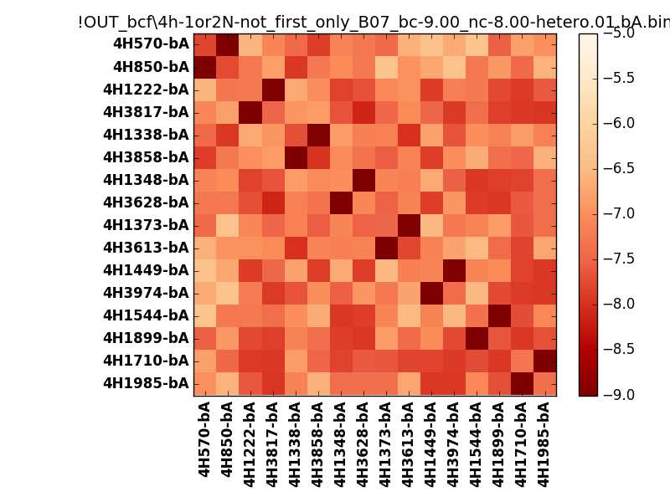
N_pairs: | 8
N_heterodimers: | 8
N_homodimers: | 0
orthogonality_average: | -1.81405115128
orthogonality_average_%: | 45.3512787819
orthogonality_gap: | -0.906659126282
orthogonality_gap_%: | 22.666478157
N_offtarget_above_min_ontarget: | 0

max_affinity: | -9.17092037201
min_affinity: | -6.29106998444
lower_is_better: | True

binding_min_affinity: | -9.00203990936
binding_min_affinity_%: | 100.050997734

nonbinidng_max_affinity: | -8.09538078308
nonbinidng_max_affinity_%: | 77.384519577

total_II_pairs: | 17
total_II_pairs_%: | 53.125
total_IN_mismatches: | 0
total_IN_mismatches_%: | 0.0
total_NN_pairs: | 15
total_NN_pairs_%: | 46.875

total_electrostatic_matches: | 64
total_electrostatic_matches_%: | 100.0
total_electrostatic_mismatches: | 0
total_electrostatic_mismatches_%: | 0.0

starting_pos: | f
N_heptades: | 4
N_aminoacids: | 29

ag_helicity: | mean: 37.00 std: 11.62 min: 17.54 max: 60.04
charge: | mean: -3.00 std: 1.63 min: -5.00 max: -1.00
gravy: | mean: -1.14 std: 0.09 min: -1.19 max: -0.90
instability_index: | mean: 33.46 std: 8.55 min: 17.96 max: 50.38
isoelectric_point: | mean: 4.62 std: 0.37 min: 4.22 max: 5.11
normalization_max: | -9
normalization_min: | -5

