set_info
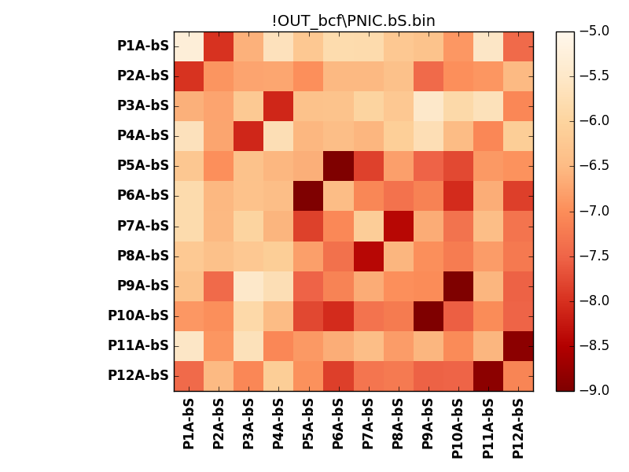
N_pairs: | 6
N_heterodimers: | 6
N_homodimers: | 0
orthogonality_average: | -1.92055654526
orthogonality_average_%: | 48.0139136314
orthogonality_gap: | 0.0543899536133
orthogonality_gap_%: | -1.35974884033
N_offtarget_above_min_ontarget: | 2

max_affinity: | -9.16613960266
min_affinity: | -5.25403022766
lower_is_better: | True

binding_min_affinity: | -7.97914981842
binding_min_affinity_%: | 74.4787454605

nonbinidng_max_affinity: | -8.03353977203
nonbinidng_max_affinity_%: | 75.8384943008

total_II_pairs: | 12
total_II_pairs_%: | 50.0
total_IN_mismatches: | 0
total_IN_mismatches_%: | 0.0
total_NN_pairs: | 12
total_NN_pairs_%: | 50.0

total_electrostatic_matches: | 48
total_electrostatic_matches_%: | 100.0
total_electrostatic_mismatches: | 0
total_electrostatic_mismatches_%: | 0.0

starting_pos: | f
N_heptades: | 4
N_aminoacids: | 29

ag_helicity: | mean: 5.24 std: 3.24 min: 2.03 max: 14.43
charge: | mean: -3.00 std: 4.17 min: -10.99 max: 4.99
gravy: | mean: -1.53 std: 0.03 min: -1.59 max: -1.48
instability_index: | mean: 58.86 std: 13.62 min: 40.18 max: 77.53
isoelectric_point: | mean: 5.42 std: 2.17 min: 3.22 max: 10.00
normalization_max: | -9
normalization_min: | -5

