set_info
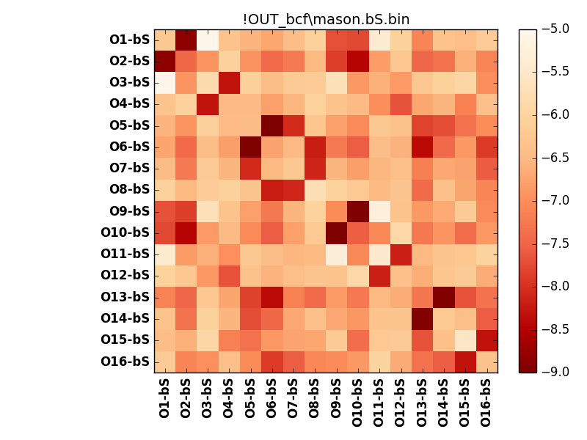
N_pairs: | 8
N_heterodimers: | 8
N_homodimers: | 0
orthogonality_average: | -1.89431095123
orthogonality_average_%: | 47.3577737808
orthogonality_gap: | 0.347122192383
orthogonality_gap_%: | -8.67805480957
N_offtarget_above_min_ontarget: | 6

max_affinity: | -9.07691001892
min_affinity: | -4.99642038345
lower_is_better: | True

binding_min_affinity: | -8.09818935394
binding_min_affinity_%: | 77.4547338486

nonbinidng_max_affinity: | -8.44531154633
nonbinidng_max_affinity_%: | 86.1327886581

total_II_pairs: | 16
total_II_pairs_%: | 50.0
total_IN_mismatches: | 0
total_IN_mismatches_%: | 0.0
total_NN_pairs: | 16
total_NN_pairs_%: | 50.0

total_electrostatic_matches: | 64
total_electrostatic_matches_%: | 100.0
total_electrostatic_mismatches: | 0
total_electrostatic_mismatches_%: | 0.0

starting_pos: | f
N_heptades: | 4
N_aminoacids: | 29

ag_helicity: | mean: 5.26 std: 3.28 min: 2.20 max: 14.43
charge: | mean: -3.00 std: 4.13 min: -7.00 max: 1.00
gravy: | mean: -1.53 std: 0.03 min: -1.56 max: -1.51
instability_index: | mean: 58.86 std: 11.10 min: 41.60 max: 76.11
isoelectric_point: | mean: 6.13 std: 2.27 min: 3.93 max: 8.34
normalization_max: | -9
normalization_min: | -5

