Sheet1
SR.NO. | Requirment Tracability | Scenario | Test Case ID
1 | Google Log In Page | Verify user should be able to log in
 |  | Verify user should be able to create account
 |  | Verify user should able to login with valid UN and PSW
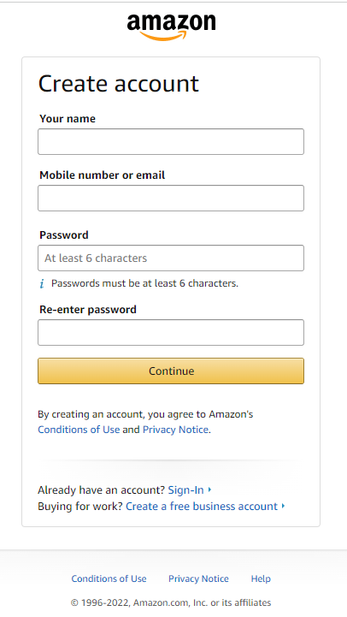
 |  | Verfiy user should be able to validate need help FN
 |  | Verify stay sign in FN
 |  | Verify User should able to display picture

 | amazon register page | Verify user should be able to provide name in" Your name" field
 |  | Verify user should be able to provide valid moblie number / email
 |  | Verify user should be able to provide Password(at least 6 characters)
 |  | verify user should be able to provide same password in "re-enter field"
 |  | Verify user should be able to use contiue FN
 |  | Verify user should be able to use terms & condition hyper link
 |  | Verify user should be able to Check Sign In FN
 |  | Verify user should be able to Check "Privacy Notice"
 |  | Verify user should be able to Check "Coonditons of use"
 |  | Verify user should be able to use Help FN

 |  | Verify Logo,font,UI as per requirment

 | FACEBOOK SIGN UP PAGE
 |  | verify user should be able to provide First name
 |  | verify user should be able to provide Surname
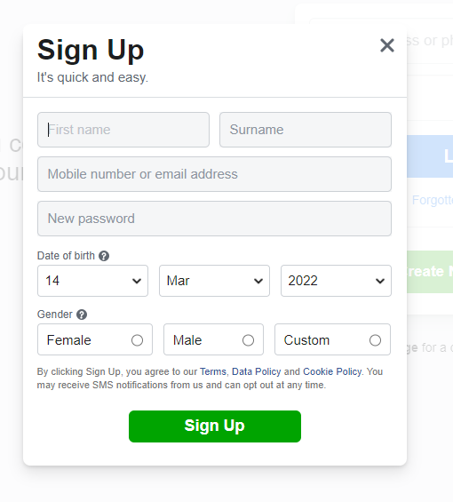
 |  | Verify user should be able to provide Mobile Number / Email
 |  | verify user should be able to provide New Password
 |  | Verify user should be able to provide birth Date
 |  | Verify user should be able to provide birth month
 |  | Verify user should be able to provide birth year
 |  | Verify user be able to use Female / male / custom radio buttons
 |  | Veridy Sign Up FN

 |  | Verify Sign UP Logo (font size , gramatical )

IRCTC SCENARIO
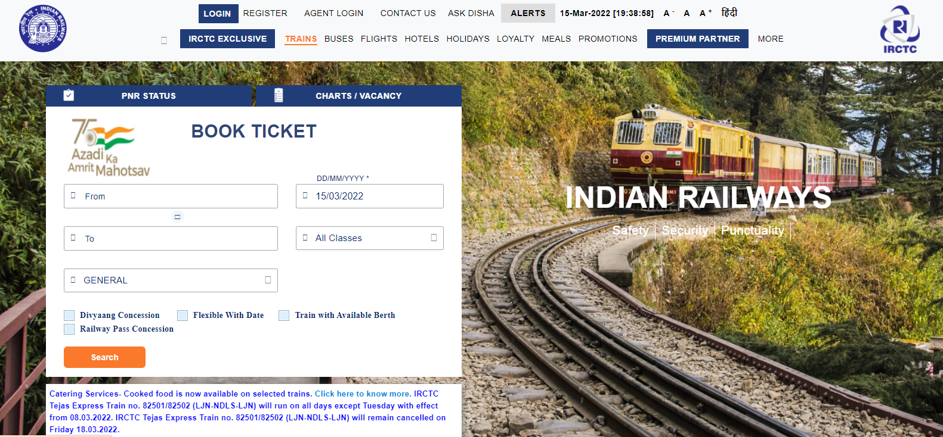
SR.NO. | Requirment Tracability | Scenario | Test Case ID
1 | IRCTC APP Log In Page / IRCTC APP | verify the train ticket booking website is loading properly or not www.trainticket.com
 |  | verify user should be able to book tickets
 |  | verify user should be able to add source and destination , date , class , type of coach while booking the ticket
 |  | verify user should be able to add source and destination should be able to view available list of trains
 |  | verify user should be able to search the trains for perticular date
 |  | verify user shiuld able to search trains , timing and seat availability
 |  | verify user should be able to book the ticket for today
 |  | verify user should be able to book the ticket for future dates
 |  | verify user should be able to see seat availablity in train
 |  | verify user should be able to book single seat as well as more than one seat at a time
 |  | verify user should be able to book the seat in general catageory
 |  | verify user should be able to book the seat in ladies catageory
 |  | verify user should be able to book the seat in tatkal catageory
 |  | verify user should be able to book the seat in premiun tatkal catageory
 |  | verify user should be able to book the seat in divyang catageory
 |  | verify user should be able to book the ticket in Anubhuti birth class
 |  | verify user should be able to book the ticket in AC First Tier(1st Tier) class
 |  | verify user should be able to book the ticket in AC Second Tier(2nd Tier) class
 |  | verify user should be able to book the ticket in AC Third Tier(3rd Tier) class
 |  | verify user should be able to book the ticket in Sleeper Class
 |  | verify user should be able to swap the source & destination as per travel journey
 |  | verify user should be able to search the train status

