Attendance+Images
Work Code: 1505007007/IC/93393042892329019
Work Name: Work Code : 1505007007/IC/93393042892329019 Msr No. : 18372 Work Name : 1505007007-24-34 ಇಬ್ರಾಂಪುರ ಗ್ರಾಮದ ಸತ್ಯನಾರಾಯಣ ಪಂಪ್‌ ಸೆಟ್ನಿಂದ ರಾಮಯ್ಯಗದ್ದೆಯವರೆಗೆನಾಲಾದಲ್ಲಿಹೂಳುತೆಗೆಯುವುದು
District: Ballari
Taluk/Block: Siruguppa
Panchayath Name: BAGEWADI

Muster Roll No. | S.No | Job Card No | Worker Name(Gender) | Attendance Date | Present/Absent | Image
18372 | 1 | KN-05-007-007-002/1469 |  | Absent |  | 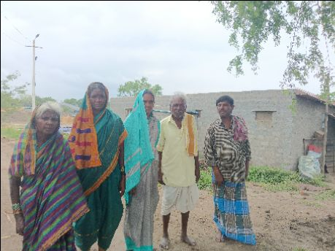
 | 2 | KN-05-007-007-002/1550 |  | Absent
 | 3 | KN-05-007-007-002/1553 |  | Present
 | 4 | KN-05-007-007-002/1576 |  | Present
 | 5 | KN-05-007-007-002/1576 |  | Present
 | 6 | KN-05-007-007-002/579 |  | Absent
 | 7 | KN-05-007-007-002/579 |  | Present
 | 8 | KN-05-007-007-002/579 |  | Absent
 | 9 | KN-05-007-007-002/579 |  | Absent
 | 10 | KN-05-007-007-002/579 |  | Present
18373 | 1 | KN-05-007-007-002/582 |  | Absent |  | 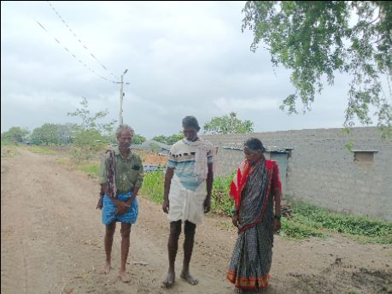
 | 2 | KN-05-007-007-002/582 |  | Absent
 | 3 | KN-05-007-007-002/584 |  | Absent
 | 4 | KN-05-007-007-002/584 |  | Present
 | 5 | KN-05-007-007-002/584 |  | Absent
 | 6 | KN-05-007-007-002/606 |  | Present
 | 7 | KN-05-007-007-002/712 |  | Absent
 | 8 | KN-05-007-007-002/712 |  | Absent
 | 9 | KN-05-007-007-002/713 |  | Present
 | 10 | KN-05-007-007-002/713 |  | Absent
18374 | 1 | KN-05-007-007-002/715 |  | Absent |  | 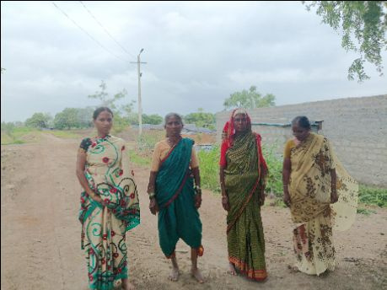
 | 2 | KN-05-007-007-002/715 |  | Present
 | 3 | KN-05-007-007-002/715 |  | Present
 | 4 | KN-05-007-007-002/722 |  | Absent
 | 5 | KN-05-007-007-002/724 |  | Absent
 | 6 | KN-05-007-007-002/724 |  | Present
 | 7 | KN-05-007-007-002/724 |  | Absent
 | 8 | KN-05-007-007-002/724 |  | Absent
 | 9 | KN-05-007-007-002/725 |  | Present
 | 10 | KN-05-007-007-002/725 |  | Absent
18375
18376 | 1 | KN-05-007-007-002/743 |  | Absent |  | 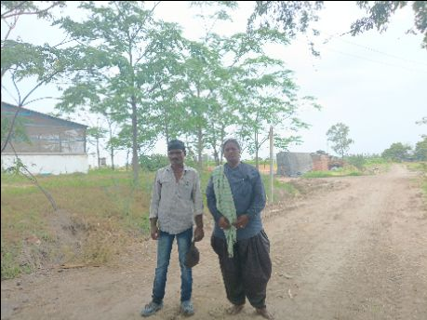
 | 2 | KN-05-007-007-002/745 |  | Absent
 | 3 | KN-05-007-007-002/745 |  | Absent
 | 4 | KN-05-007-007-002/747 |  | Present
 | 5 | KN-05-007-007-002/747 |  | Present
 | 6 | KN-05-007-007-002/778 |  | Absent
 | 7 | KN-05-007-007-002/778 |  | Absent
 | 8 | KN-05-007-007-002/778 |  | Absent
18377 | 1 | KN-05-007-007-002/1028 |  | Absent |  | 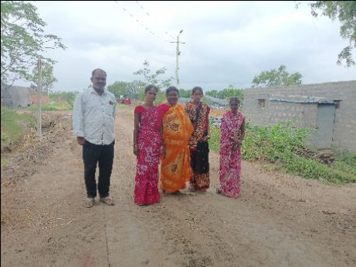
 | 2 | KN-05-007-007-002/1028 |  | Present
 | 3 | KN-05-007-007-002/1115 |  | Present
 | 4 | KN-05-007-007-002/1149 |  | Absent
 | 5 | KN-05-007-007-002/1149 |  | Absent
 | 6 | KN-05-007-007-002/1216 |  | Absent
 | 7 | KN-05-007-007-002/1216 |  | Absent
 | 8 | KN-05-007-007-002/1223 |  | Present
 | 9 | KN-05-007-007-002/1223 |  | Present
 | 10 | KN-05-007-007-002/1384 |  | Present
18378 | 1 | KN-05-007-007-002/1384 |  | Present |  | 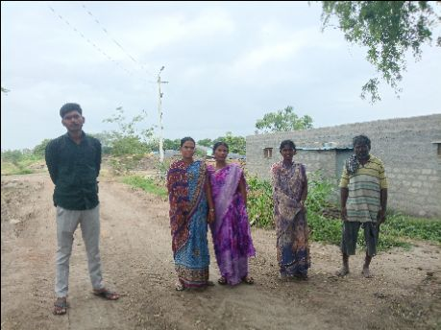
 | 2 | KN-05-007-007-002/1384 |  | Absent
 | 3 | KN-05-007-007-002/1387 |  | Present
 | 4 | KN-05-007-007-002/1387 |  | Present
 | 5 | KN-05-007-007-002/1447 |  | Present
 | 6 | KN-05-007-007-002/1447 |  | Absent
 | 7 | KN-05-007-007-002/1497 |  | Present
 | 8 | KN-05-007-007-002/1535 |  | Absent
 | 9 | KN-05-007-007-002/1535 |  | Absent
 | 10 | KN-05-007-007-002/1557 |  | Absent
18379 | 1 | KN-05-007-007-002/1557 |  | Absent |  | 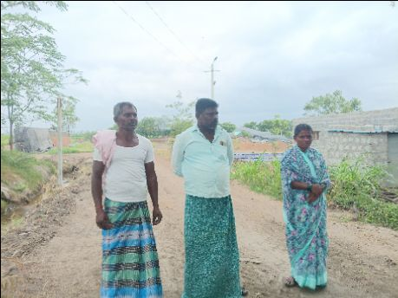
 | 2 | KN-05-007-007-002/159-A |  | Present
 | 3 | KN-05-007-007-002/159-A |  | Present
 | 4 | KN-05-007-007-002/160-B |  | Absent
 | 5 | KN-05-007-007-002/160-B |  | Present
 | 6 | KN-05-007-007-002/183 |  | Absent
 | 7 | KN-05-007-007-002/191 |  | Absent
 | 8 | KN-05-007-007-002/191 |  | Absent
 | 9 | KN-05-007-007-002/216 |  | Absent
 | 10 | KN-05-007-007-002/238 |  | Absent
18380 | 1 | KN-05-007-007-002/238 |  | Absent |  | 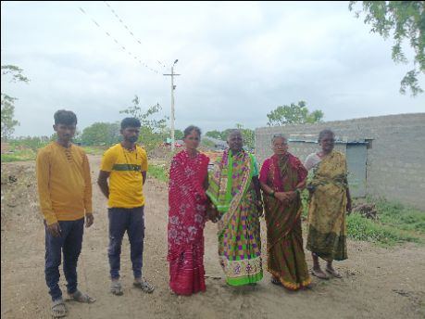
 | 2 | KN-05-007-007-002/245 |  | Present
 | 3 | KN-05-007-007-002/271 |  | Present
 | 4 | KN-05-007-007-002/271 |  | Absent
 | 5 | KN-05-007-007-002/460 |  | Present
 | 6 | KN-05-007-007-002/460 |  | Present
 | 7 | KN-05-007-007-002/460 |  | Absent
 | 8 | KN-05-007-007-002/671 |  | Present
 | 9 | KN-05-007-007-002/693 |  | Absent
 | 10 | KN-05-007-007-002/693 |  | Present
18381 | 1 | KN-05-007-007-002/938 |  | Present |  | 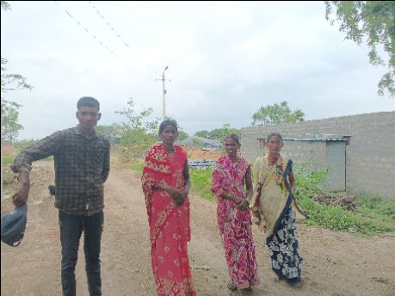
 | 2 | KN-05-007-007-002/938 |  | Present
 | 3 | KN-05-007-007-002/955 |  | Present
 | 4 | KN-05-007-007-002/967 |  | Absent
 | 5 | KN-05-007-007-002/967 |  | Absent
 | 6 | KN-05-007-007-002/973 |  | Present

