Regression Testing - Beneficiar
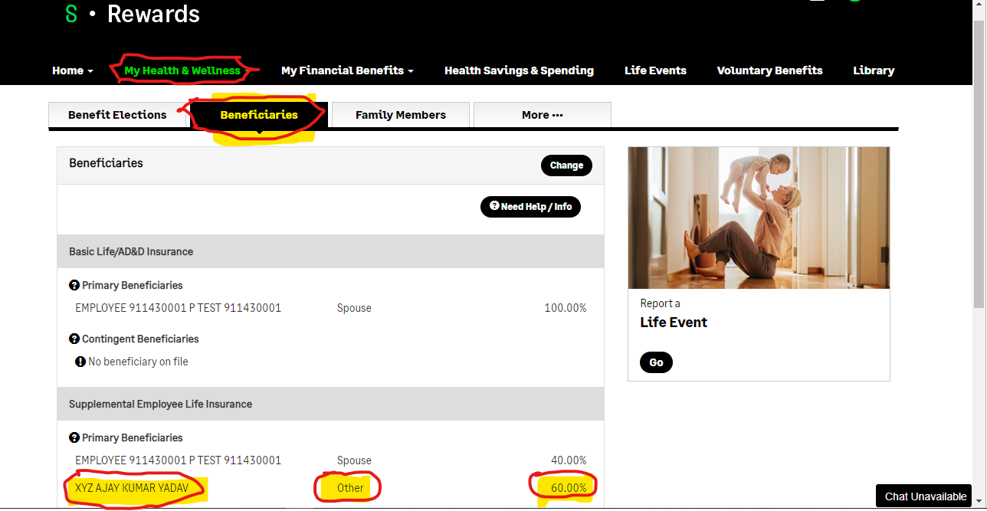
Test Case | Test Stpes | Actual | Expected Results | Comments | Test Status | Screenshot
To add/update/display beneficiary data | Login the ppt in sage UAT link with user name and password , device code |  |  |  | PASS
 | https://pp.lifeatworkportal.com/sge
 | SSN - 911430001 Password - Test@1234 Device code - 64769644
 | In Home page
 | Click on "My Health & Wellness"
 | sub -items will be open
 | click on "Beneficiaries"

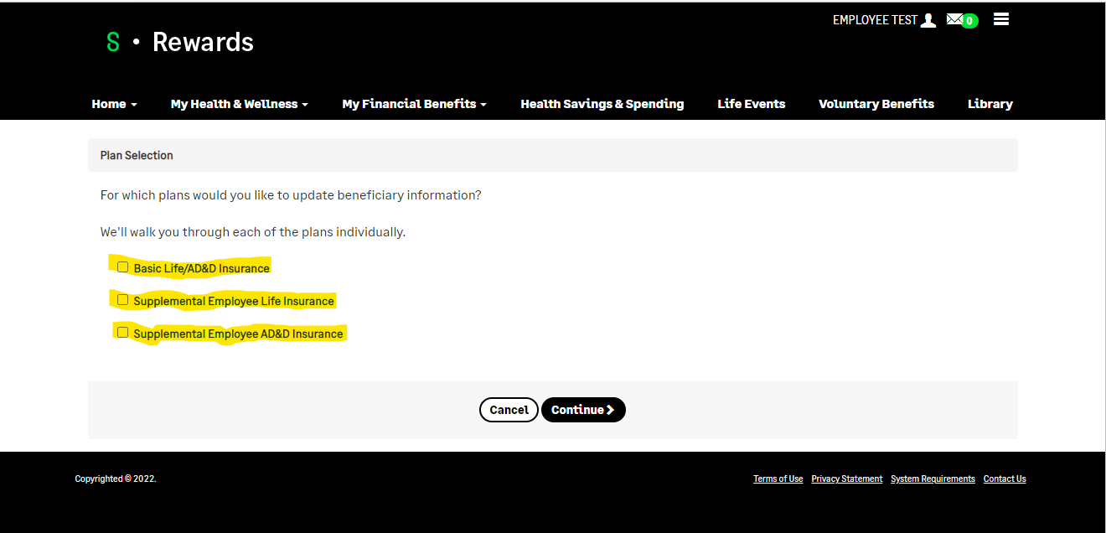
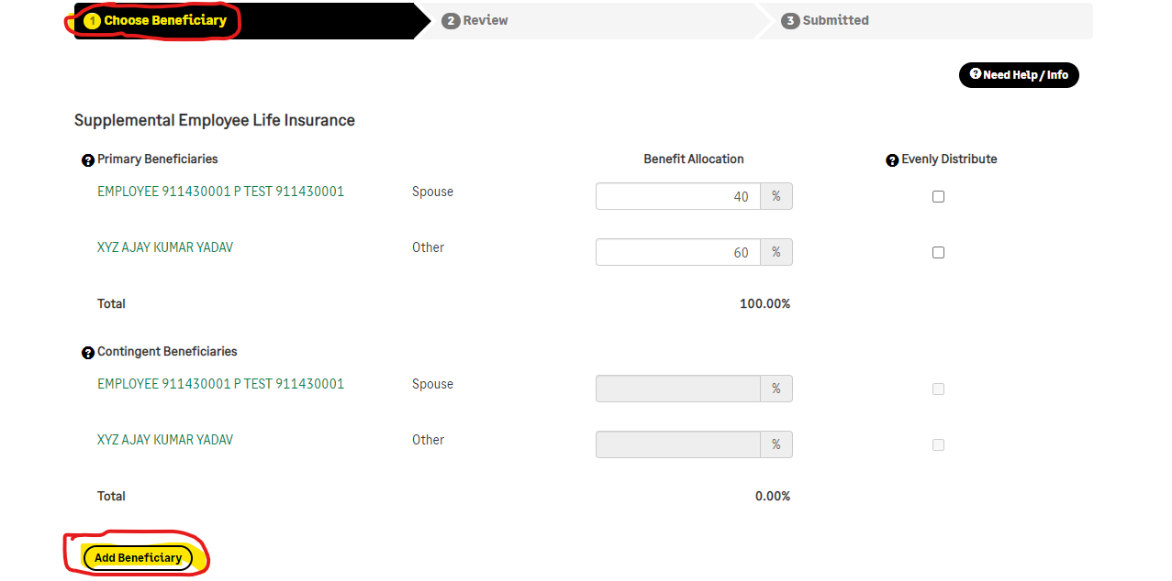
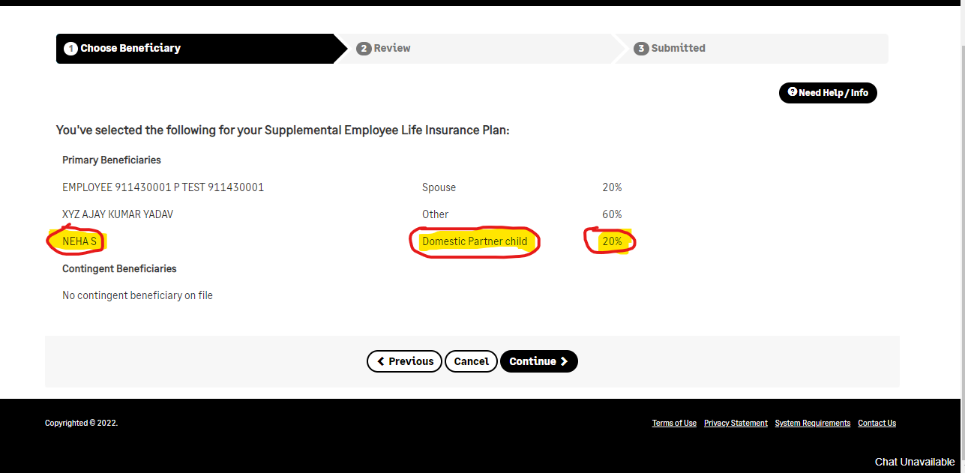
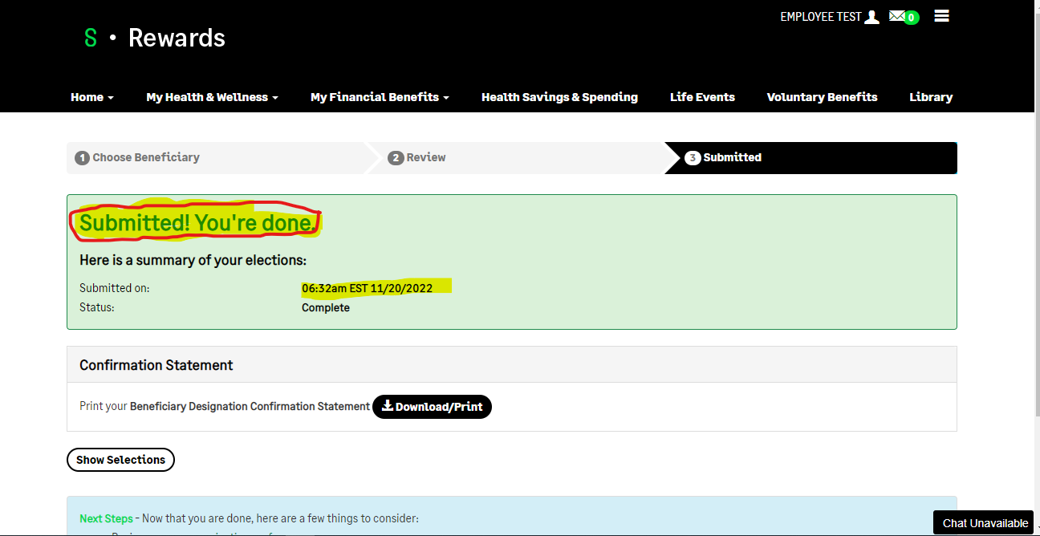
To add/update/display beneficiary data | Login the ppt in sage UAT link with user name and password , device code
 | https://pp.lifeatworkportal.com/sge
 | SSN - 911430001 Password - Test@1234 Device code - 64769644
 | In Home page
 | Click on "My Health & Wellness"
 | sub -items will be open
 | click on "Beneficiaries"

System Requirements Update
Test Case | Test Stpes | Actual | Expected Results | Comments | Test Status | Screenshot
Based upon our supported browser process - updates to the supported browser list were applied to the standard Systems Requirements document | Login the ppt in sage UAT link with user name and password , device code |  |  |  | PASS | 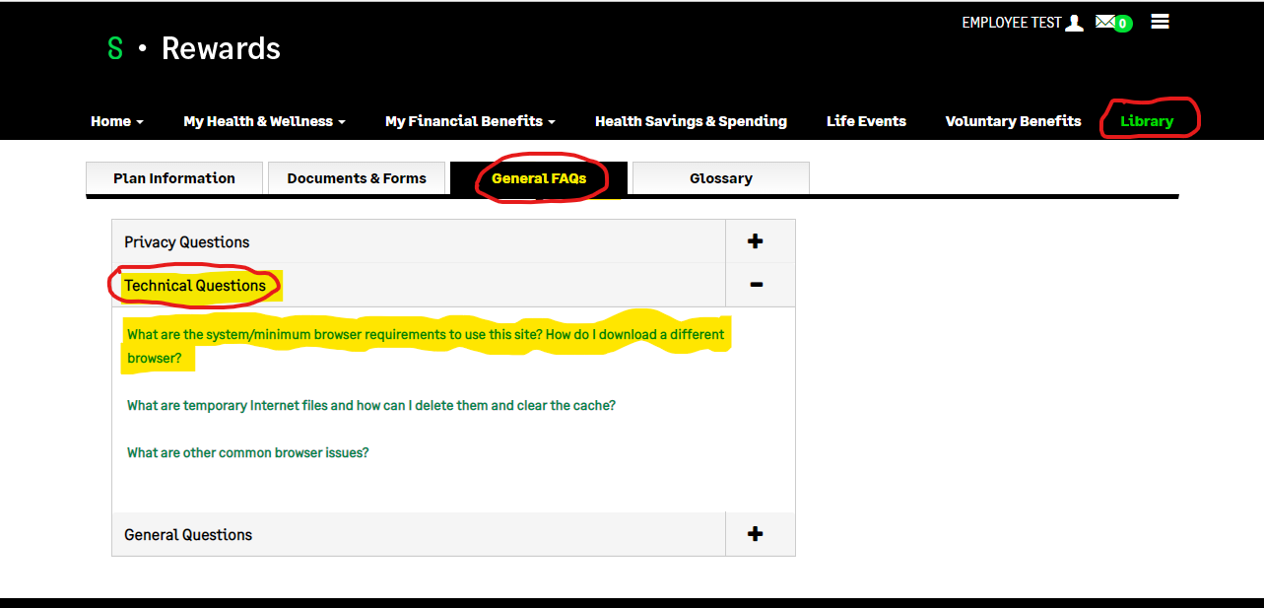
 | https://pp.lifeatworkportal.com/sge
 | SSN - 911430001 Password - Test@1234 Device code - 64769644
 | In Home page
 | The footer of the login page
 | The footer of any site page, after a successful log in
 | The Library > FAQ > Technical Questions > What are the system/minimum browser requirements to use this site?

Standard Link Updates - Contact
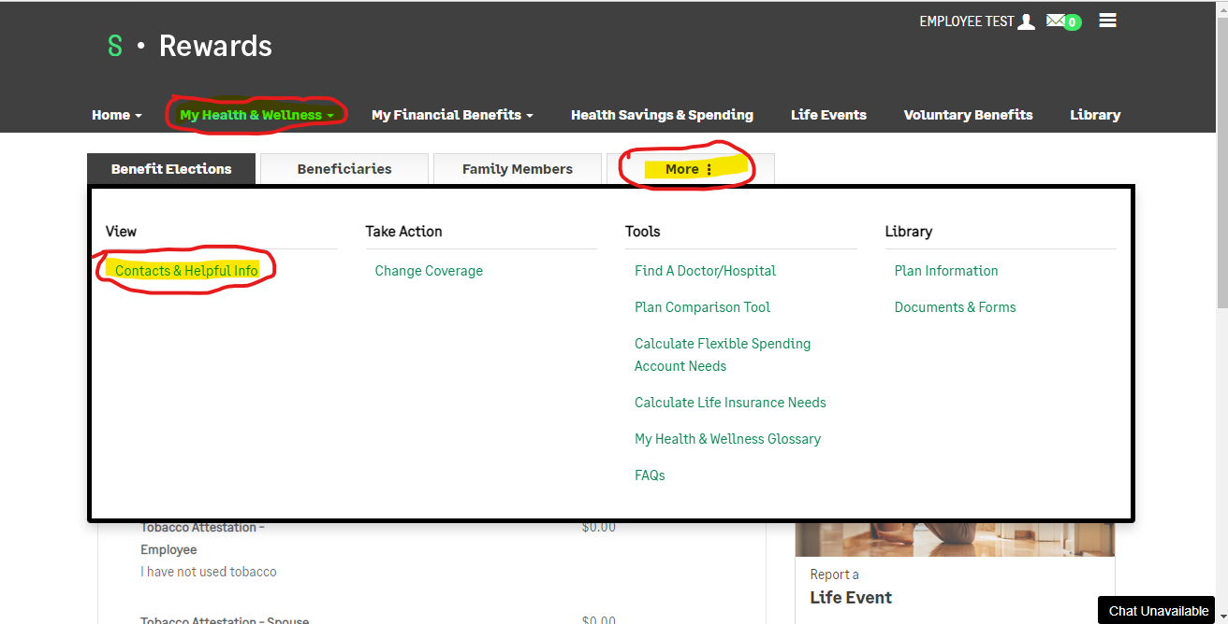
Test Case | Test Stpes | Actual | Expected Results | Comments | Test Status | Screenshot
To check two of the standard links available under Contacts & Helpful Info were updated. | Login the ppt in sage UAT link with user name and password , device code |  |  |  | FAIL
 | https://pp.lifeatworkportal.com/sge
 | SSN - 911430001 Password - Test@1234 Device code - 64769644
 | In Home page
 | Under "My Health & Welness"
 | Click on "Benefit Election"
 | Move cursor right most tab
 | Click on "more"
 | Under "View" section
 | Click on "Contacts & Height info"

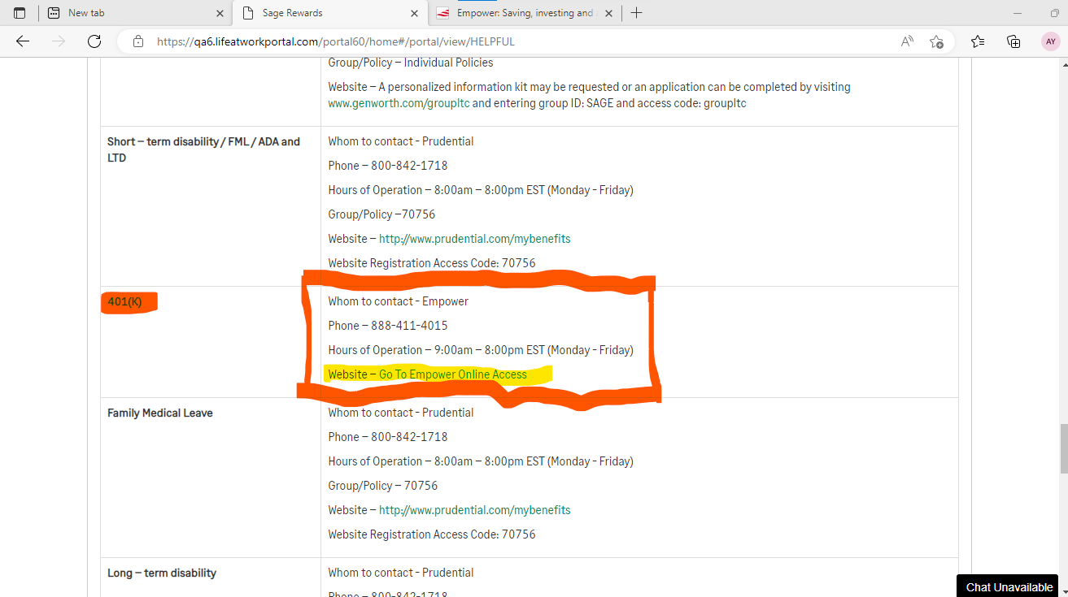
 |  |  | This link should be present under 401K section with Label SMART Investing
 |  |  | https://www.finra.org/investors/learn-to-invest/smart-investing-courses

 |  |  | Below link is not present in this Page and Label is missing "AIDSinfo"
 |  |  | https://hivinfo.nih.gov/home-page

Text Updates
Test Case | Test Stpes | Actual | Expected Results | Comments | Test Status | Screenshot
To check Text appearing in Home Page is accurate and updated | Login the ppt in sage UAT link with user name and password , device code | 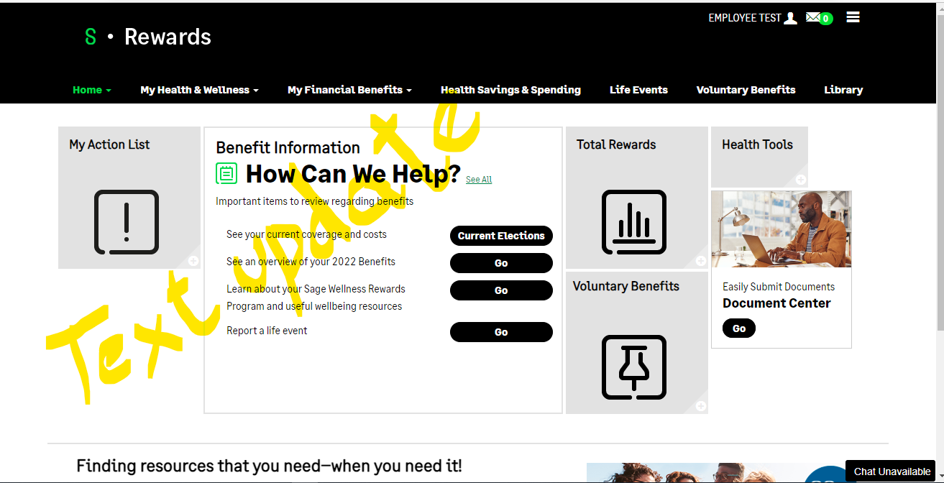 |  |  | PASS
 | https://pp.lifeatworkportal.com/sge
 | SSN - 911430001 Password - Test@1234 Device code - 64769644
 | In Home page

Browser Check
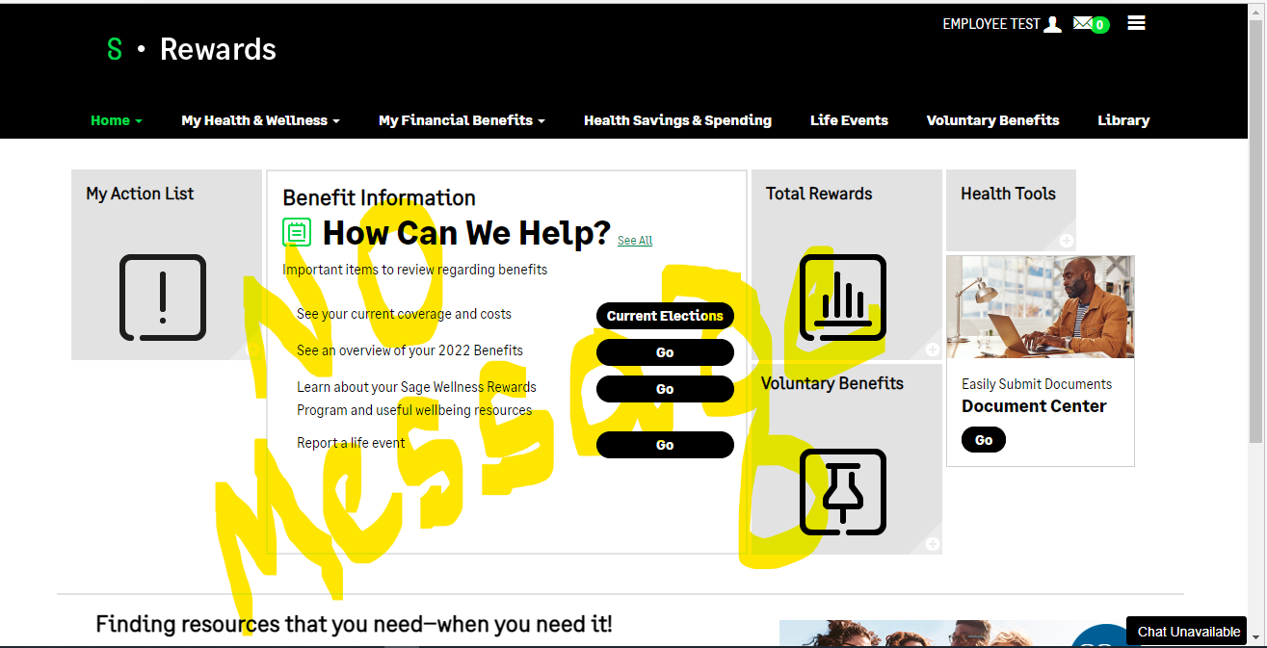
Test Case | Test Stpes | Actual | Expected Results | Comments | Test Status | Screenshot
Log in using a supported browser and confirm no message appears | Login the ppt in sage UAT link with user name and password , device code |  |  |  | PASS
 | https://pp.lifeatworkportal.com/sge
If a user attempts to enter the site using an outdated or unsupported browser a message will appear. The user will need to confirm the notification in order to proceed to the site. | SSN - 911430001 Password - Test@1234 Device code - 64769644
 | In Home page

