Summary
Category | Count
Passed | 2
Failed | 2
Skipped | 2
Total | 6
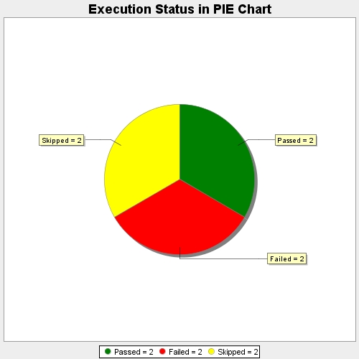
Start Time | 2018-06-15T18:01:55Z
End Time | 2018-06-15T18:01:55Z
Duration | 102 ms

