Summary
Category | Count
Passed | 10
Failed | 4
Skipped | 0
Total | 14
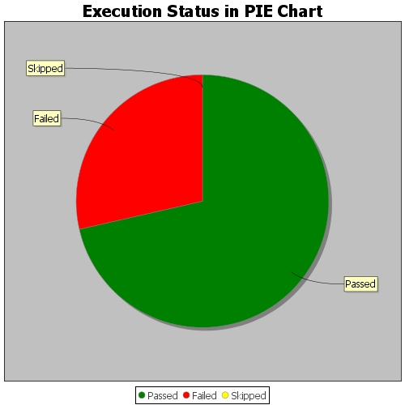
Start Time | 2018-08-06T08:20:50Z
End Time | 2018-08-06T08:22:32Z
Duration | 102136 ms

