Sheet1
S.No | Issue | Observation | Risk | Severity | Recommendation | SCREEEN SHOTS
1 | SQL Injection | As per observation made the web application OWASP Juice Shop is vulnerable to SQL injection, Where the attacker will enter a malicious code instead of correct data in login credentials through which the attacker will gain access as a authenticated user | Injection can result in data loss, corruption, or disclosure to unauthorized parties, loss of accountability, or denial of access. Injection can sometimes lead to complete host takeover. The business impact depends on the needs of the application and data. | HIGH | 1. Use safe API or adopt the use of Object Relational mapping Tools. 2.Use Server side validation and prevent use of userID's and passwords using special characters. | 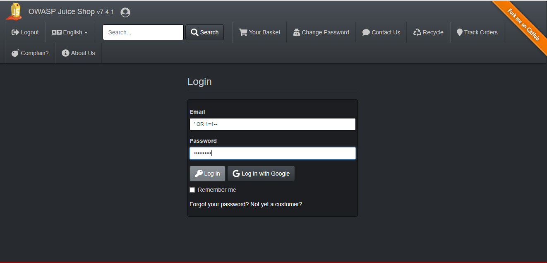
 |  |  |  |  |  | 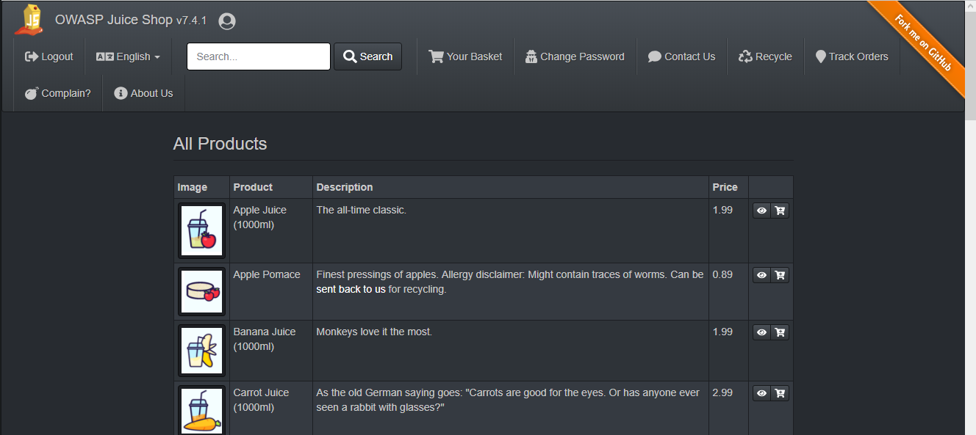
 |  |  |  |  |  | 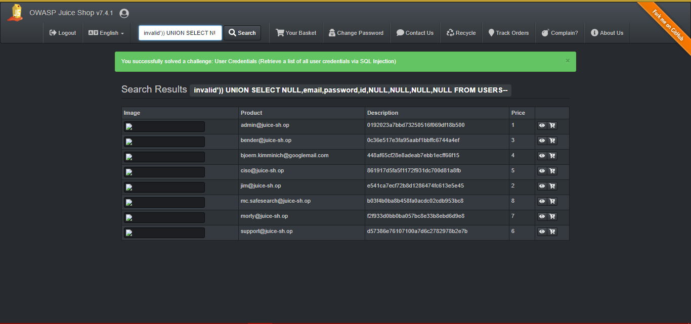
2 | Broken Authentication | The authentication can be broken by manipulating the URL. | Attackers can detect broken authentication using manual means and exploit them using automated tools with password lists and dictionary attacks. | Medium | 1. Implement multi-factor authentication 2.Use weak password checks 3.Limit the login attempts | 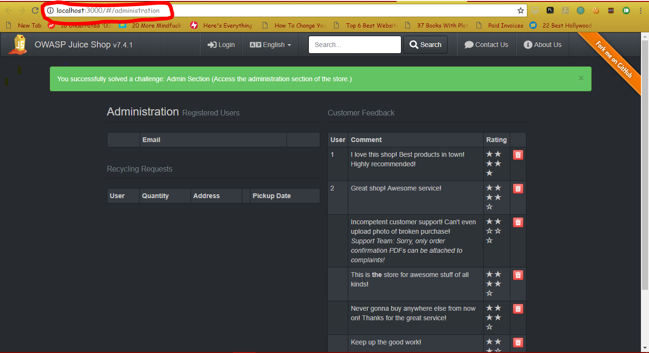
 |  |  |  |  |  | 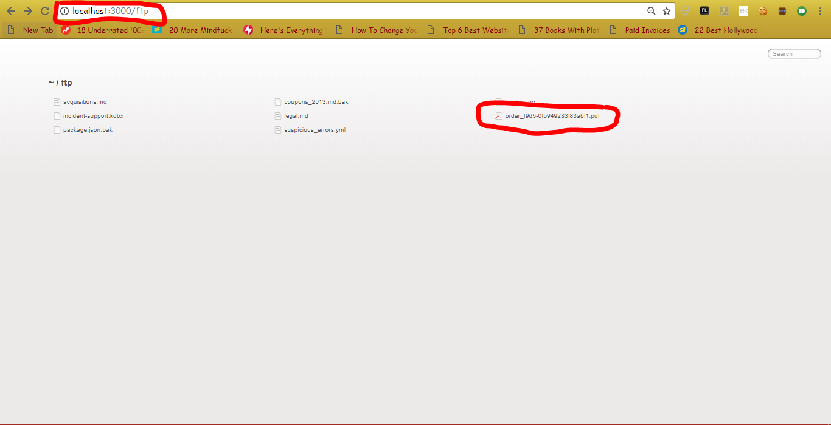
3 | Sensitive Data Exposure | when the packets are in intercepted using burp suite the data in packets are sent in plain text. | The most basic flaw is simply not encrypting data manual attack is generally required. Previously retrieved password databases could be brute forced by Graphics Processing Units (GPUs). | High | 1.Identify the data is sensitive according to privacy laws, regulatory requirements, or business needs. 2.Encrypt all the sensitive data at rest. 3.Disable caching for response that contain sensitive data. 4.tore passwords using strong adaptive and salted hashing functions with a work factor | 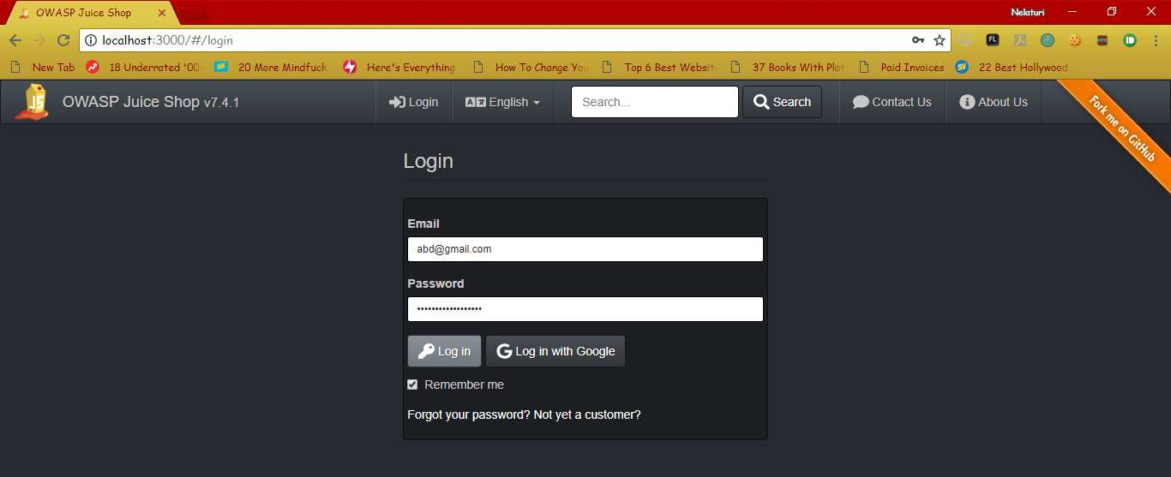
 |  |  |  |  |  | 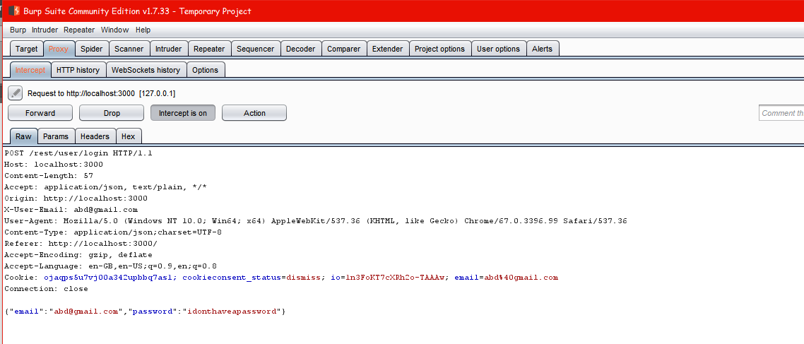

4 | XML External Entities | Attackers can exploit vulnerable XML processors if they can upload XML or include hostile content in an XML document, exploiting vulnerable code, dependencies or integrations. | These flaws can be used to extract data, execute a remote request from the server, scan internal systems, perform a denial-of-service attack, as well as execute other attacks. The business impact depends in the protection reeds of all affected application and data. | High | 1.Avoid serialization of data. 2.Implement server ide validation, filtering or sanitization. | 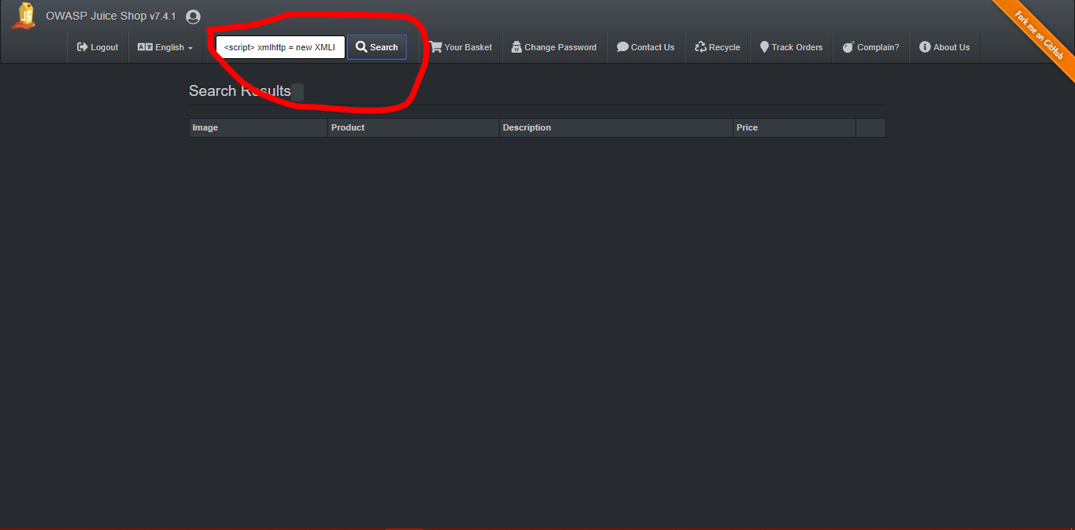
5 | Cross Site Scripting | As per the observation the script can be executed in the URL. | The impact of XSS is moderate for reflected and DOM XSS, and severe for stored XSS, with remote code execution on the victim's browser, such as stealing credentials, sessions, or delivering malware to the victim. | Medium | 1.Apply context sensitive encoding when modifying the browser document on the client side | 