Web App_Worklog
IN SCOPE URL http://demo.testfire.net Test Window 16th Agust 2018 to 21st August 2018 |  | Risk Rating | No. of Issues Identified
 |  | High | 4
 |  | Medium | 2
 |  | Low | 5
 |  | Information Only | 0
 |  | Total observations | 11

Sl. No | Issue | Observation | Risk | Severity | Recommendation | Affected URLs | Test Evidence
1 | Clear text Password over HTTP | when the packets are in intercepted using burp suite the data in packets are sent in plain text. | · Detected a form that can cause a password submission over an insecure channel. • This could result in disclosure of passwords to network eavesdroppers. | High | Passwords should never be sent over clear text. The form should submit to an HTTPS target. |  | 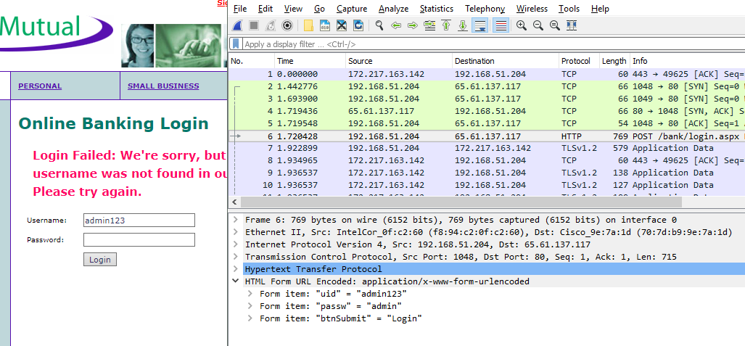
2 | Predictable Login Credentials | We observed that the application is not properly configured and the default credentials provided for initial authentication and configuration are never changed. These default credentials are well known by penetration testers and, unfortunately, also by malicious attackers, who can use them to gain access to various types of applications. Here its Username: Admin Pasword:Admin | It might be possible to escalate user privileges and gain administrative permissions over the web application. | High | · Change the default login credentials to a stronger combination |  | 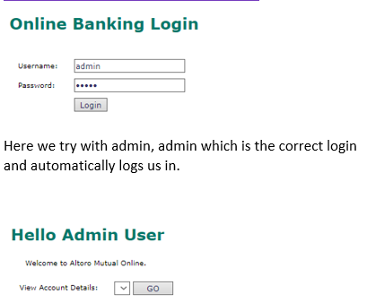
3 | SQL Injection | We observed that the attacker can inject a piece of code to execute malicious SQL statements (also commonly referred to as a malicious payload) that control a web application’s database server (also commonly referred to as a Relational Database Management System – RDBMS). | • These vulnerabilities can be exploited by remote attackers to gain unauthorized read or write access to the underlying database. • Exploitation of SQL injection vulnerabilities can also allow for attacks against the logic of the application. • Attackers may be able to obtain unauthorized access to the server hosting the database. | High | • The developer should review the request and response against the code to manually verify whether or not a vulnerability is present. • The best defence against SQL injection vulnerabilities is to use parameterized statements. • Sanitizing input can prevent these vulnerabilities. Variables of string types should be filtered for escape characters, and numeric types should be checked to ensure that they are valid. • Configuring database access controls can limit the impact of exploited vulnerabilities. This is a mitigating strategy that can be employed in environments where the code is not modifiable. |  | 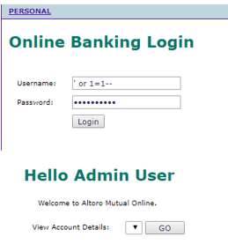
4 | Cross-site scripting | We observed that the attacker inject malicious script to expose sensitive information | • XSS is generally a threat to web applications which have authenticated users or are otherwise security sensitive. • Malicious code may be able to manipulate the content of the site, changing its appearance and/or function for another user. • This includes modifying the behaviour of the web application (such as redirecting forms, etc.). • The code may also be able to perform actions within the application without user knowledge. • Script code can also obtain and retransmit cookie values if they haven't been set HttpOnly. | High | • The developer must identify how the untrustworthy data is being output to the client without adequate filtering. • There are various language/platform specific techniques for filtering untrustworthy data. • General rules for preventing XSS can be found in the recommended OWASP XSS Prevention Cheat Sheet (see references). |  | 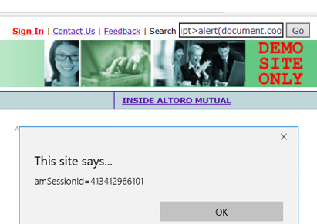
5 | Vulnerable Version of Software in use | The test team observed that vulnerable version of soft wares are in use. In this scenario, it was observed that the following versions of vulnerable software are in use by the application. Microsoft IIS 8.0 For more details please refer the following link: https://www.cvedetails.com/vulnerability-list/vendor_id-26/product_id-3436/Microsoft-IIS.html | Based on the information obtained from the error pages and response headers an attacker can perform known attacks on the server to carry out malicious activities. | Medium | It is recommended to regularly apply security patches or upgrade vulnerable version of software to the latest, stable and secured version available. |  | 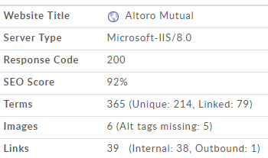
6 | Information Disclosure | The test team observed that information disclosure occurs through error messages when we enter special character | As each service pack typically contains many security patches, continuing use of outdated and vulnerable version may increase the risk of server security also An attacker can launch further attacks from sensitive information revealing from the error messages. | Medium | It is recommended to upgrade to the latest and stable version available. It is also recommended to implement proper error handling and input validation. Additionally, it is also recommended to disable detailed error messages. For more details please refer the following link: http://www.owasp.org/index.php/Category:Error_Handling_Vulnerability http://www.codestore.net/help/help6_designer.nsf/2e73cbb2141acefa85256b8700688cea/601bf6d980bb697b85256c1c003e7bc3?OpenDocument
7 | Account lockout feature not implemented | The test team observed that it was possible to login to the application even after providing invalid password for 6 attempts. | An attacker can guess the password of a valid user by brute forcing the password. | Low | It is recommended to implement account lockout policy and lock the user's account on 3 invalid password attempts. |  | 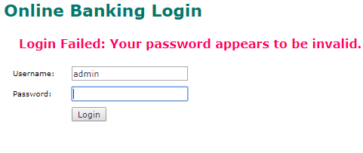 NA
8 | Missing Cookie Attributes in Session Cookie | The test team observed that authentication cookies are used in an insecure manner by the web application. In particular, the following attributes are not set for the cookies: - Secure - HttpOnly | Not setting the “Secure” attributes allows the authentication cookie to be accessed from non-secured connections(non-SSL). Hence, when an attacker redirects a user to a rogue site with a non-SSL URL (e.g. using DNS cache poisoning or Man-in-the-Middle attacks) the attacker is able to steal the cookie and intrude in the session of the user. In absence of "HttpOnly" attribute in the set-cookie parameter, an attacker can exploit this vulnerability to gain information stored in cookie or can launch theft of modification attack by using malicious. | Low | It is recommended to set the “Secure” and "HttpOnly"attribute for all cookies being used by the web application. |  | 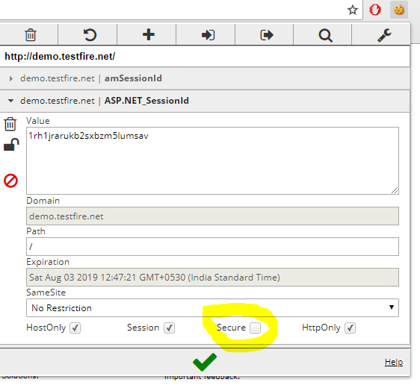
9 | Session Timeout is not set | The test team observed that the application doesn't terminate the session automatically even if the user session is inactive for a certain period after login. | An attacker can hijack session of other users. | Low | It is recommended to implement session timeout after a certain period of time (e.g. 15 minutes). For ASP.NET applications: http://msdn.microsoft.com/en-us/library/ms972429.aspx |  | NA
10 | Multiple Concurrent User Sessions | The test team observed that it was possible to have simultaneous multiple login sessions using the same login credentials. | This weakness can allow attackers to compromise user accounts. | Low | It is recommended that multiple concurrent sessions should not be allowed. It is also recommended to display an alert message when the second user tries to log in.
11 | Improper Input Validation | The test team observed that the application is accepting special characters as user input. This may lead to unauthorized access to the application using SQL injection or cross site scripting attack. Here, the username gets reflected back on invalid login attempt. It was also observed that not all critical special characters are escaped or converted by the server. | An attacker can launch further attacks e.g. SQL or cross site scripting using the special characters. | low | It is recommended to implement server side input validation. Server should escape/reject special characters that may prove to be harmful.

