Signup
1 | SignUp | whenever anyone press the button for signup>verify email, there should be a waiting message that "email sent to registered email or etc. "
 |  | email should send from domain email id | Info@myoohr.com
 |  | Use this email formate | Subject : Welcome to Oohr ERP
 |  |  | Dear "customer email address" Thanks for your interest in Oohr ERP. Please click on the link to continue your registration: If the link does not redirect, please copy and paste the link on your browser address bar. Thank you! http://localhost:5173/register?id=1c588d879ea67f060c019b6a8d2c792fa1bf4a9b4dc9b2c197e535fd1d4ab050&e=U2FsdGVkX1/rZjfmTnUrEtU5U65EZpWdFU9ZhAQeAlTQhWNVFAkaYEo6DT/24cfj Best wishes, Team Oohr Innovations
 |  | there is an error on page after the email send | 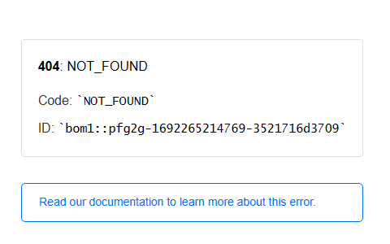
 |  | After clicking the link , nothing is open

Fron UI
 | Remove all these | Use these
Remove these things |  | How It Works: Our platform offers a cost-free ERP solution tailored for effective school work management. To get started, follow these simple steps: 1. Registration: Begin by signing up using your email address. This initiates your journey towards a streamlined school management experience. 2. Information Input: Input all the essential school-related details. Provide information about your institution, its particulars, and any unique aspects that define your educational setup. 3. Data Compilation: Compile comprehensive lists of students, teachers, and staff members. Our intuitive interface makes it easy to organize and manage these crucial profiles effortlessly. 4. Time Table & Calendar: Design a well-structured timetable and calendar, ensuring a smooth flow of classes and activities. This dynamic scheduling feature enhances your institution's operational efficiency. 5. Fee Structure & Dates: Set up your fee structure and important payment dates. Our system helps you manage financial matters seamlessly, ensuring timely transactions and accurate records. 6. Software Readiness: With these steps completed, our software is ready for use. You've successfully transformed your school's management process into a streamlined, efficient, and digitally-powered environment. Enjoy the benefits of hassle-free administration and enhanced productivity!
Remove all the | 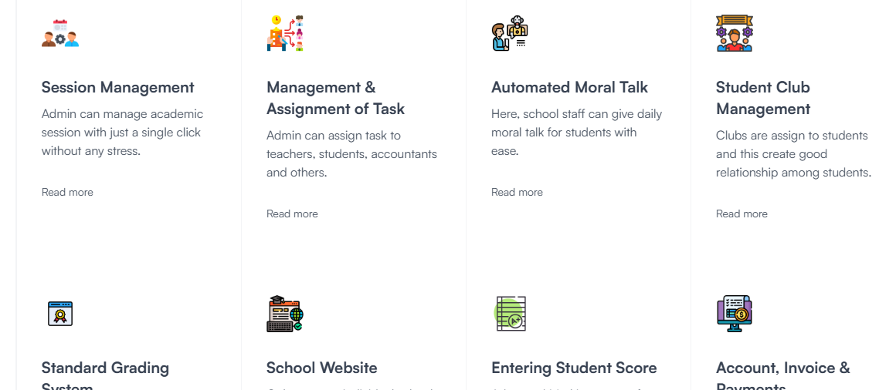 | 1. Digitalize Your School: Seamlessly transform your educational institution into a digital hub, where administrative tasks, communication, and learning converge for enhanced efficiency and modernization. 2. Manage Your School: Empower your institution with a comprehensive and intuitive management system that simplifies daily operations, enabling you to focus on fostering a thriving educational environment. 3. Student Management: Effortlessly streamline student records, attendance tracking, and academic progress with our user-friendly platform, ensuring a holistic approach to student management. 4. Staff Management: From recruitment to performance evaluation, our software provides a robust solution to efficiently oversee and optimize your staff's roles, responsibilities, and professional growth. 5. Noticeboard Management: Keep your school community informed and engaged with a dynamic digital noticeboard, facilitating swift communication of announcements, events, and important information.
Remove this | 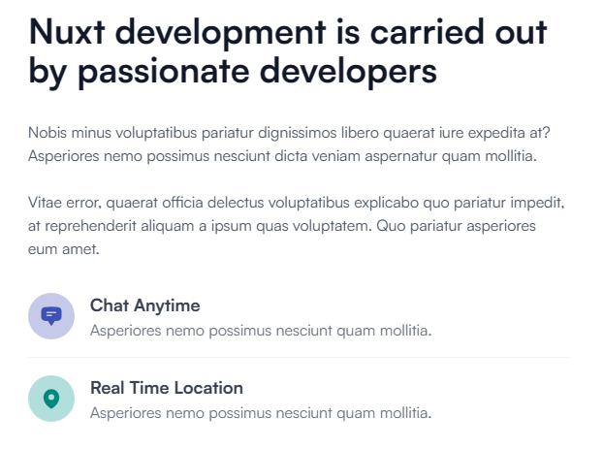 | Company Motto: At the heart of our mission lies the resolute commitment to usher in a new era of education - one that is truly accessible to every child. As the winds of change sweep across the landscape, the imperative of digitalization resonates louder than ever. In this rapidly evolving world, schools stand as crucibles of transformation, poised to shape the brightest futures for our children. Our guiding principle is crystal clear: To transform every school into a digital haven. We recognize education as an inherent right, and we understand that the future is intricately woven with technology. A tech-integrated and digitally adept school environment isn't a luxury; it's the cornerstone of a brighter tomorrow for our youth. In pursuit of this vision, we proudly offer free-of-cost software solutions. Our commitment is unwavering - we're here to empower every school, regardless of their resources, to offer the best in education. Together, let's illuminate the path to knowledge and equip our schools with the tools they need to sculpt a generation of forward-thinkers, innovators, and leaders.
Remove |  | Use compny website footer
 |  | Free School ERP

