Glass
Glass
Automatic Door | Sensor based, automatic operational access door
Railings | Glass railings are designed as per the Architectural requirement, maximising the feel area
Laminated | Laminated glass is used for maximum protection in the face of an accident. It can be used as a structural glass, railings, glass floors, skylights, roofs, sunspaces, curtain walls, glass facades, etc | 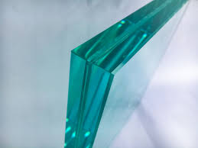 | 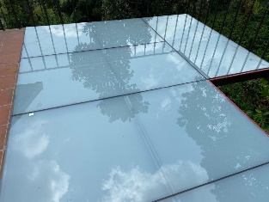 | 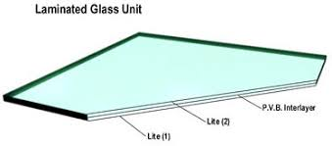 | 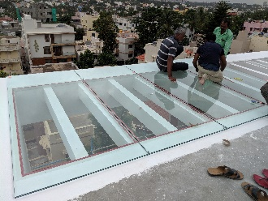 | 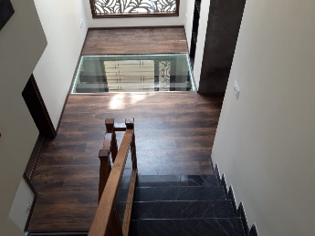
Privacy Glass | Privacy Glass is an established electrical glass solution that allows controllable privacy through a glass unit, turning a glass unit from translucent to transparent instantly. ... This film is then layered between two EVA interlayers and laminated between two pieces of toughened glass. Apart from Electrical Glass solution we deliver translusant glasses with design Or plain as per site requirement.
Fire Proof Glass doors | Intumescent fire rated glazing is a laminated product made up of alternating layers of glass and clear intumescent inner layers. The fire rating can be up to 3 hours depending on the number of inner layers used. When exposed to a fire, the outer layer of glass shatters.
Motorised Blinds | Motorised Insulated Glass Blinds from Urban Artisan lets you do just that – Motorised blinds inside a double glazed picture window can be raised or lowered, with a switch in hand.

Glazing
Curtain Wall | A curtain wall system is an outer covering of a building in which the outer walls are non-structural, utilized only to keep the weather out and the occupants in. Since the curtain wall is non-structural, it can be made of lightweight materials, thereby reducing construction costs. | 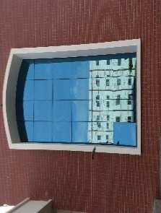 | 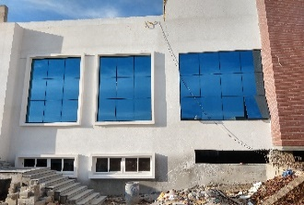 | 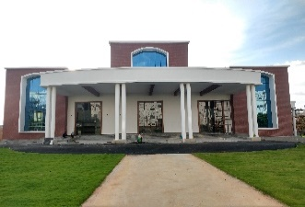
SemiUnitised Glazing
Unitised Glazing
Spider Glazing | Spider Glazing is a part of the frame-less glass system where they provide a flush external appearance with uninterrupted views. Spider Glazing curtain walls provide maximum daylight for building interiors, as well as the possibility of placing large transparent glass surface as building envelopes. | 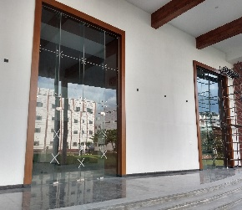

Skylight
Skylight
Retractable Glass Roof | Retractable Skylights open up for maximum fresh air, circulation, and unmatched views. While single slope or double pitch configurations are the most common, retractable skylights can be designed in a wide variety of custom configurations as well.
Motorised Blinds | All of our motorised blinds are custom made to measure. Following a home survey and design consultation with one of our electric blind experts, we’ll provide you with an exclusive quotation to suit your requirements.
Glass Domes | Glass Domes are custom made to measure, following a home survey and design consultation. We’ll provide you with an exclusive quotation to suit your requirements. | 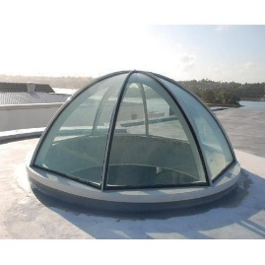 | 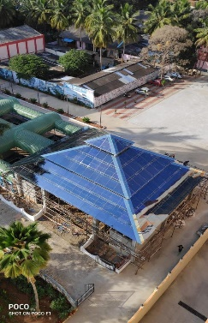

Bathroom Partitions
Bathroom Partition | One Stop Solutions for Shower Glass Partitions with variety of Designs and Best Price. Shower Enclosures, Bathroom Glass Partitions are designed as per site conditions by Expert Installation team and Trusted Brands.
Sliding Door |  | 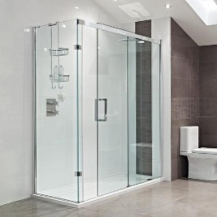 | 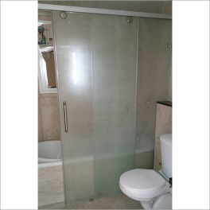 | 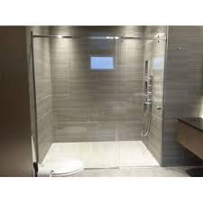
Openable
Fixed |  |  | 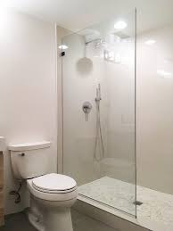 | 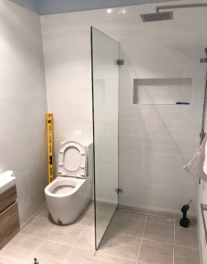

Fascades
HPL Boards | High Pressure Laminate (HPL) panels are a form of cladding typically manufactured by layering sheets of wood fibre with a resin and bonding them under heat and pressure. They have Fire retardant properties and are available in a wide range of colours and finishes. | 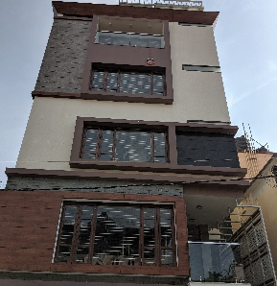 |  | 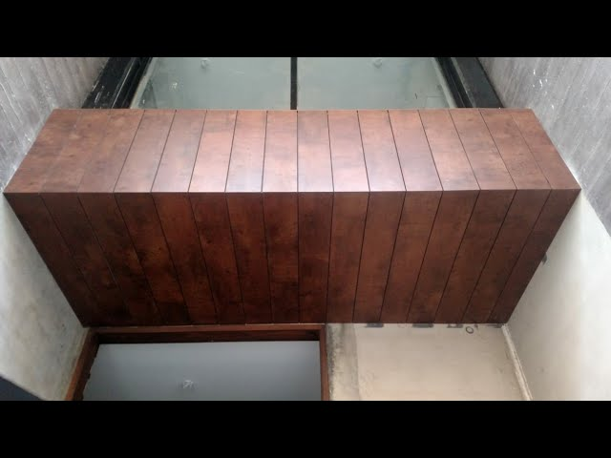
ACP Clading | ACP is made up of aluminium composite material(ACM), which contains two thinly coated aluminium sheets. ... As these Aluminium Composite Panels have ample advantages, it is widely used at several places like in outdoor. | 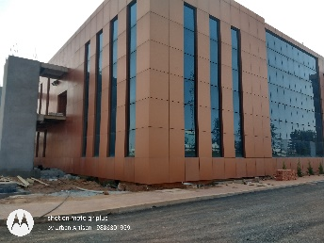 |  | 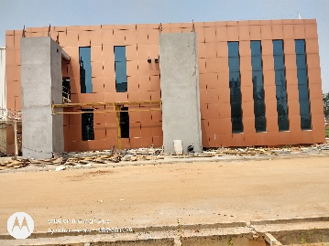
Terracotta Clading | Manufactured with natural and aged raw clay without other chemicals, fired at high temperatures, terracotta cladding is an architectural cladding material that provides certain degree of thermal insulation and weather resistance while creating an aesthetically pleasing facade | 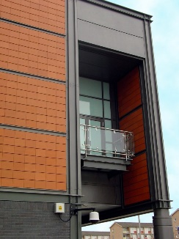 | 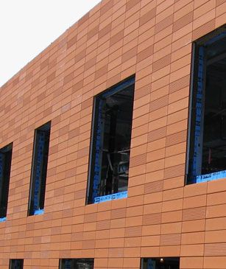
Special Treated Metal Sheets | Solid sheets of Aluminium, Copper, SS… etc are treated for Out door coditions. These sheets are designed and claded as per Architectural design. | 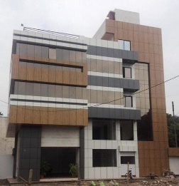 | 