differencing
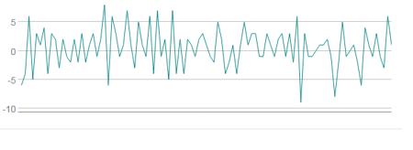
No Differencing
DATE | Toothbrush Sales | First Differencing
2009-01-01 | 7523.6215
2009-02-01 | 7551.0275 | 27.406
2009-03-01 | 7543.5725 | -7.455
2009-04-01 | 7551.1695 | 7.597
2009-05-01 | 7562.281 | 11.1115
2009-06-01 | 7625.045 | 62.764
2009-07-01 | 7622.773 | -2.272
2009-08-01 | 7648.2975 | 25.5245
2009-09-01 | 7663.0655 | 14.768
2009-10-01 | 7686.0695 | 23.004
2009-11-01 | 7711.807 | 25.7375
2009-12-01 | 7715.8185 | 4.0115
2010-01-01 | 7720.824 | 5.0055
2010-02-01 | 7713.4755 | -7.3485
2010-03-01 | 7716.0315 | 2.556
2010-04-01 | 7717.8065 | 1.775
2010-05-01 | 7713.795 | -4.0115
2010-06-01 | 7710.5645 | -3.2305
2010-07-01 | 7724.9775 | 14.413
2010-08-01 | 7736.2665 | 11.289
2010-09-01 | 7748.7625 | 12.496
2010-10-01 | 7775.7425 | 26.98
2010-11-01 | 7795.445 | 19.7025
2010-12-01 | 7826.756 | 31.311
2011-01-01 | 7852.1385 | 25.3825
2011-02-01 | 7877.379 | 25.2405
2011-03-01 | 7918.133 | 40.754
2011-04-01 | 7955.3015 | 37.1685
2011-05-01 | 7980.613 | 25.3115
2011-06-01 | 7980.613 | 0
2011-07-01 | 8001.5225 | 20.9095
2011-08-01 | 8026.763 | 25.2405
2011-09-01 | 8044.1935 | 17.4305
2011-10-01 | 8049.625 | 5.4315
2011-11-01 | 8064.4995 | 14.8745
2011-12-01 | 8066.4165 | 1.917
2012-01-01 | 8089.03 | 22.6135
2012-02-01 | 8107.3835 | 18.3535
2012-03-01 | 8125.737 | 18.3535
2012-04-01 | 8139.653 | 13.916
2012-05-01 | 8119.631 | -20.022 | Figure: Attached spreadsheet – toothbrush sales dataset – mean/variance constant after first differencing
2012-06-01 | 8111.963 | -7.668
2012-07-01 | 8110.8625 | -1.1005
2012-08-01 | 8159.462 | 48.5995
2012-09-01 | 8200.0385 | 40.5765
2012-10-01 | 8223.7525 | 23.714
2012-11-01 | 8210.369 | -13.3835
2012-12-01 | 8210.156 | -0.213
2013-01-01 | 8223.2555 | 13.0995
2013-02-01 | 8271.6775 | 48.422
2013-03-01 | 8247.1115 | -24.566
2013-04-01 | 8230.888 | -16.2235
2013-05-01 | 8232.2725 | 1.3845
2013-06-01 | 8248.6735 | 16.401
2013-07-01 | 8262.5895 | 13.916
2013-08-01 | 8280.3395 | 17.75
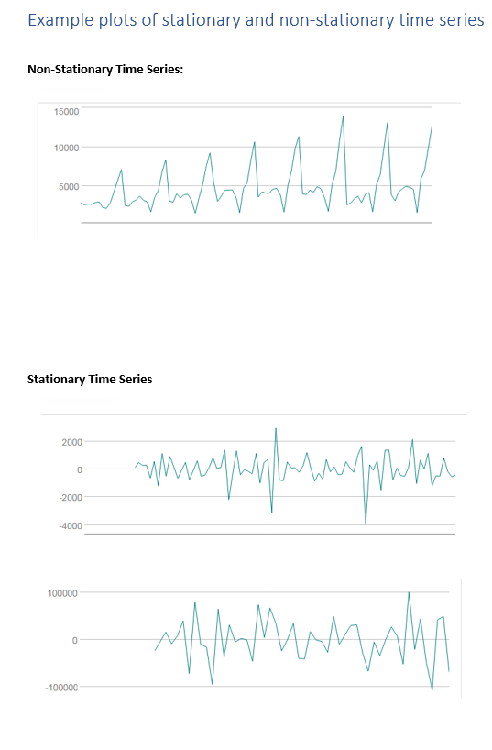
2013-09-01 | 8294.291 | 13.9515
2013-10-01 | 8299.8645 | 5.5735
2013-11-01 | 8314.455 | 14.5905
2013-12-01 | 8337.0685 | 22.6135
2014-01-01 | 8357.978 | 20.9095
2014-02-01 | 8364.5455 | 6.5675
2014-03-01 | 8374.3435 | 9.798
2014-04-01 | 8395.5725 | 21.229
2014-05-01 | 8406.5065 | 10.934
2014-06-01 | 8414.068 | 7.5615
2014-07-01 | 8422.6945 | 8.6265
2014-08-01 | 8419.2865 | -3.408
2014-09-01 | 8431.605 | 12.3185
2014-10-01 | 8436.6105 | 5.0055
2014-11-01 | 8422.7655 | -13.845
2014-12-01 | 8394.472 | -28.2935
2015-01-01 | 8340.867 | -53.605
2015-02-01 | 8357.2325 | 16.3655
2015-03-01 | 8372.9945 | 15.762
2015-04-01 | 8384.9935 | 11.999
2015-05-01 | 8409.098 | 24.1045
2015-06-01 | 8428.5165 | 19.4185
2015-07-01 | 8439.557 | 11.0405
2015-08-01 | 8438.4565 | -1.1005
2015-09-01 | 8430.8595 | -7.597
2015-10-01 | 8447.1895 | 16.33
2015-11-01 | 8459.721 | 12.5315
2015-12-01 | 8450.4555 | -9.2655
2016-01-01 | 8452.7985 | 2.343
2016-02-01 | 8438.5985 | -14.2
2016-03-01 | 8446.16 | 7.5615
2016-04-01 | 8480.595 | 34.435
2016-05-01 | 8499.055 | 18.46
2016-06-01 | 8517.4085 | 18.3535

