Sheet1
Lactate | ref
21.7 mg/dl | Broder, G. & Weil, M. H. Excess Lactate: An Index of Reversibility of Shock in Human Patients. Science 143, 1457–1459 (1964).

ph | systolic bp mmhg | baseexcess | lactate mg/dl | ref
7.15 | 23 | -13.6 | 46 | Cloutier, C. T., Lowery, B. D. & Carey, L. C. Acid-Base Disturbances in Hemorrhagic Shock: In 66 Severely Wounded Patients Prior to Treatment. Archives of Surgery 98, 551–557 (1969).

lactate mg/dl | ref | notes
4.6 [2.4] | Griggs, J. E. et al. Predictive clinical utility of pre-hospital point of care lactate for transfusion of blood product in patients with suspected traumatic haemorrhage: derivation of a decision-support tool. Scandinavian Journal of Trauma, Resuscitation and Emergency Medicine 30, 72 (2022). | lactate levels that needed blood transfusion

lactate mg/dl | ref
6.84 [6.96] | Gunnerson, K. J., Saul, M., He, S. & Kellum, J. A. Lactate versus non-lactate metabolic acidosis: a retrospective outcome evaluation of critically ill patients. Crit Care 10, R22 (2006).

lactate mmol/l | sbp mmHg | hr (1/min) | ref | notes
9.7 [14] | 87.2 [45.4] | 93.6 [40.4] | Mutschler, M. et al. Renaissance of base deficit for the initial assessment of trauma patients: a base deficit-based classification for hypovolemic shock developed on data from 16,305 patients derived from the TraumaRegister DGU®. Critical Care 17, R42 (2013). | class 4 "severe" trauma
5.1 [8.1] | 108.6 [35.1] | 98.3 [27] |  | class 3 "moderate"
 |  |  |  | # of patients "severe 816, "moderate = 1999

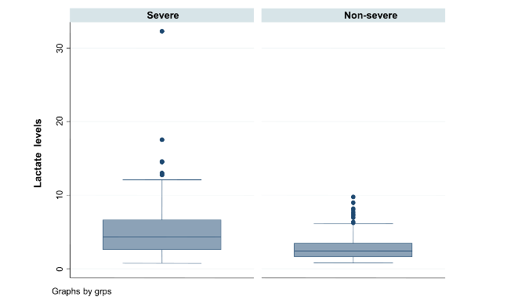
lactate mmol/l |  |  | ref
 |  |  | Okello, M., Makobore, P., Wangoda, R., Upoki, A. & Galukande, M. Serum lactate as a predictor of early outcomes among trauma patients in Uganda. International Journal of Emergency Medicine 7, 20 (2014).

lactate meq/l | ref | notes
2.81 [1.55] | Oliveros-Rodríguez, H., Estupiñán-López, R. & Rodríguez-Gómez, J. Lactate serial measurements and predictive validity of early mortality in trauma patients admitted to the intensive care unit. Colombian Journal of Anesthesiology 45, 166–172 (2017). | alive
4.92 [3.97] |  | dead

lactate mmol/L | ref
5.0 [3.3] | Régnier, M.-A. et al. Prognostic significance of blood lactate and lactate clearance in trauma patients. Anesthesiology 117, 1276–1288 (2012).

lactate | notes | ref
12.5 [2.7] | survivor | Haas, S. A. et al. Severe hyperlactatemia, lactate clearance and mortality in unselected critically ill patients. Intensive Care Med 42, 202–210 (2016).
16.4 [5.0] | nonsurvivor

