画面遷移
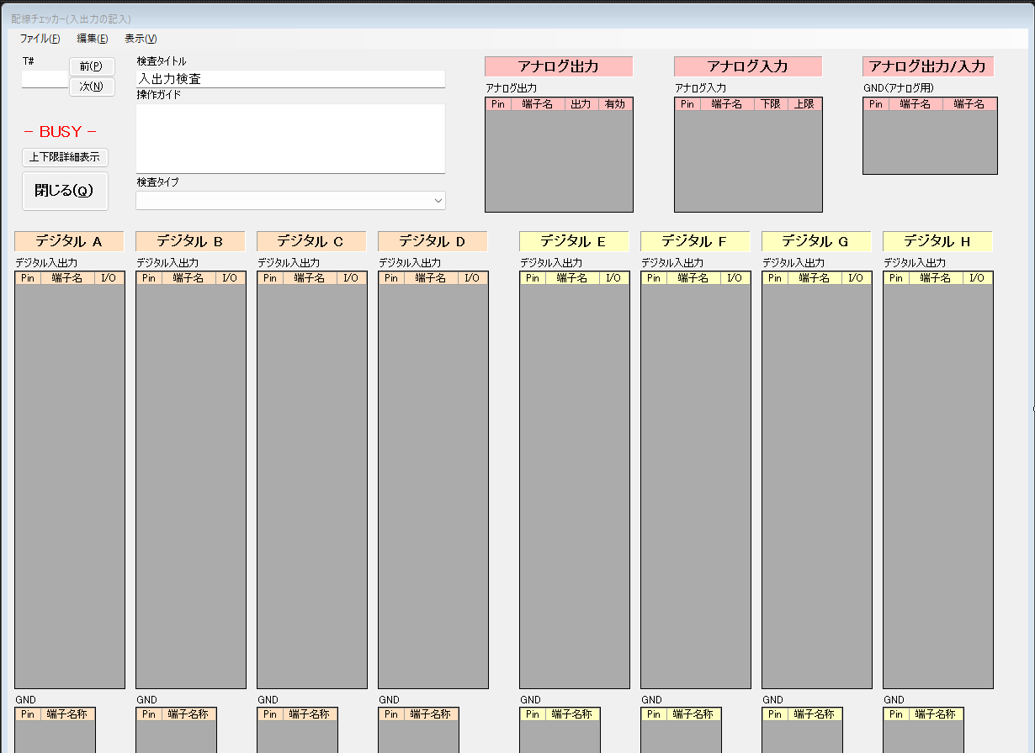
frmDataInput

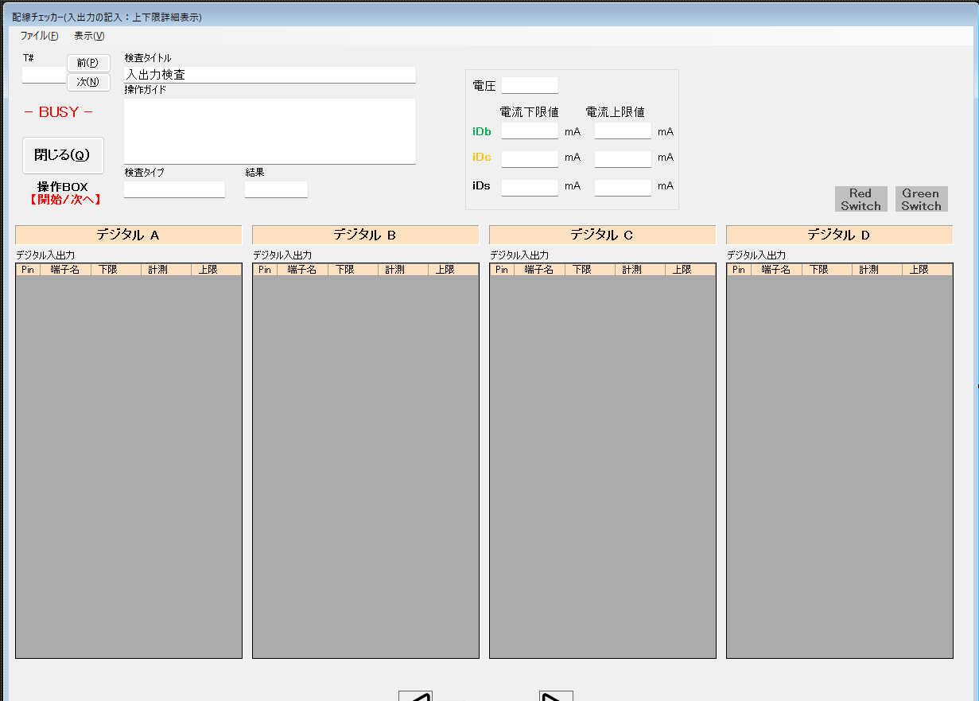
frmDataInputLMT

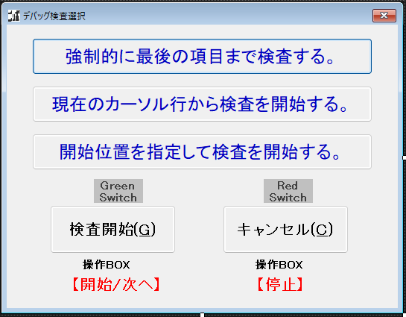
frmDebug

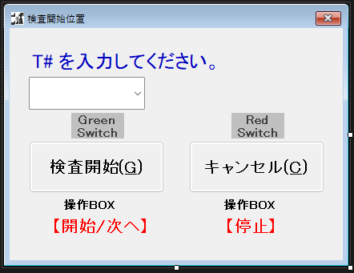
frmDebugNo

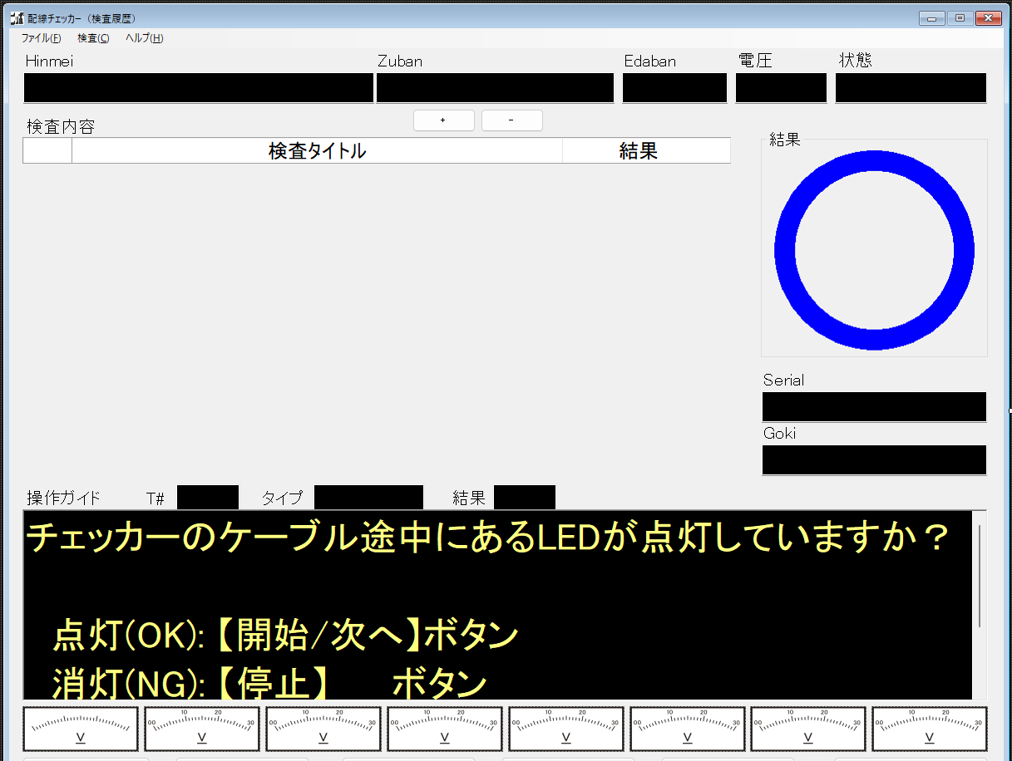
frmHistView

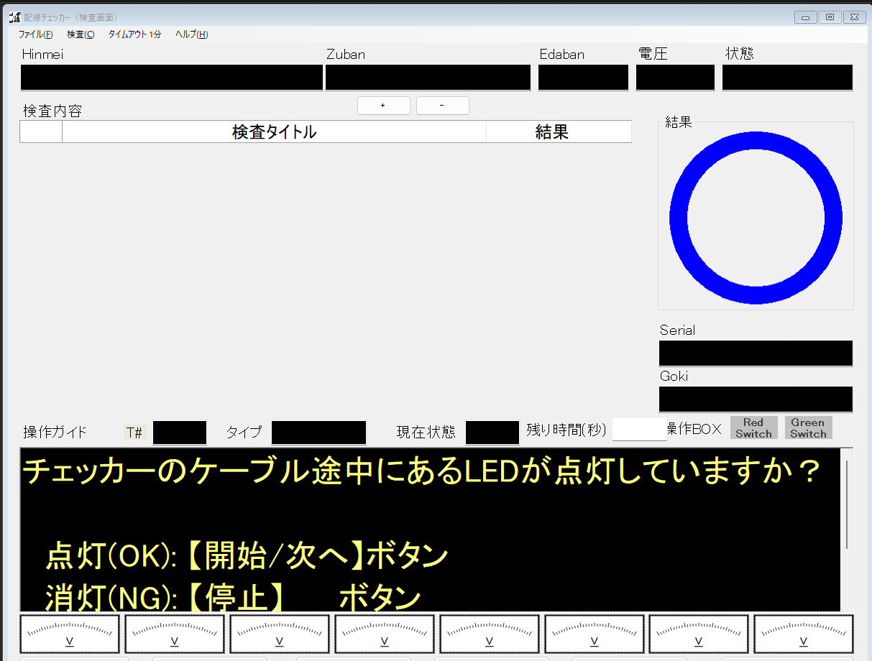
frmMain


frmMainDraw


frmMainInsp


frmMainWav

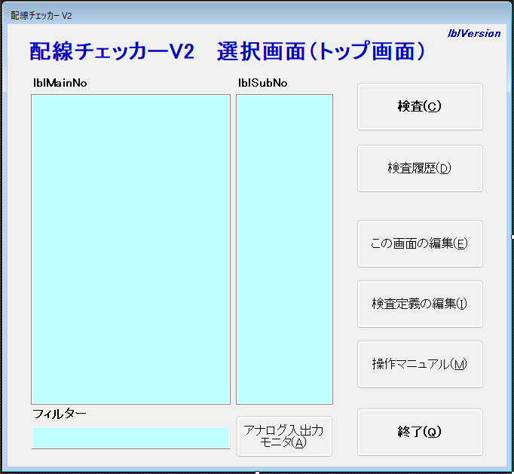
frmOpenning

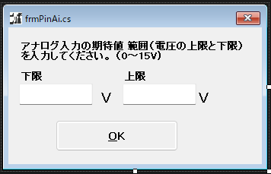
frmPinAi

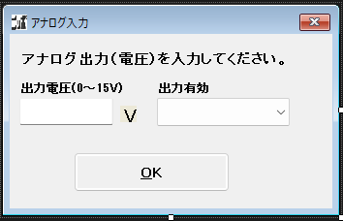
frmPinAo

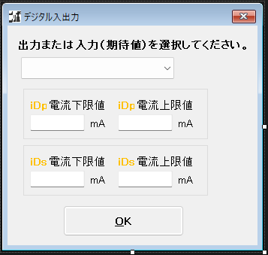
frmPinIO

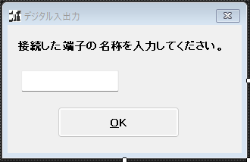
frmPinName

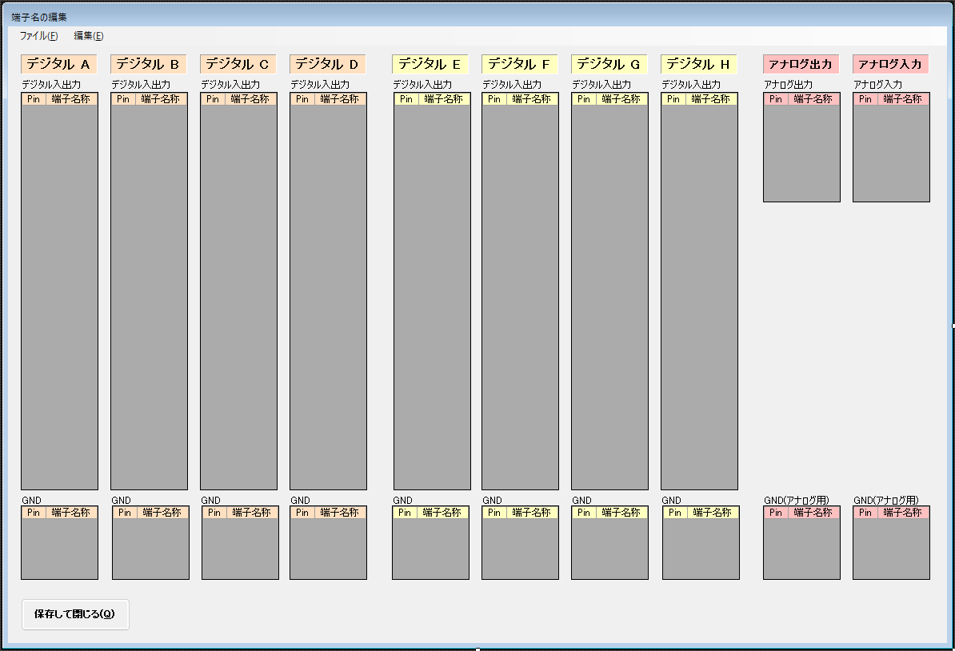
frmPort

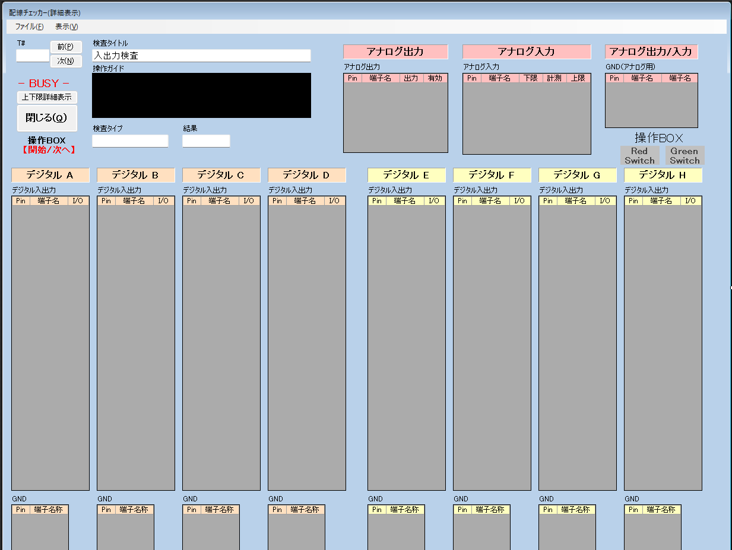
frmResultView

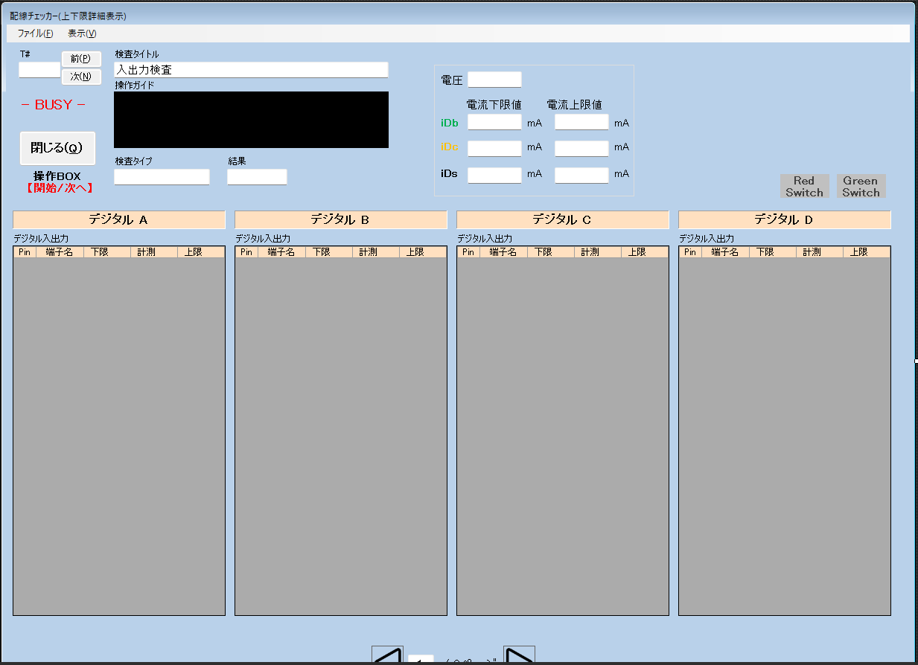
frmResultViewLMT

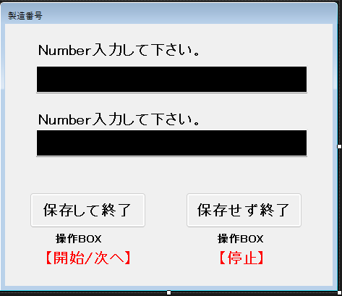
frmSerial

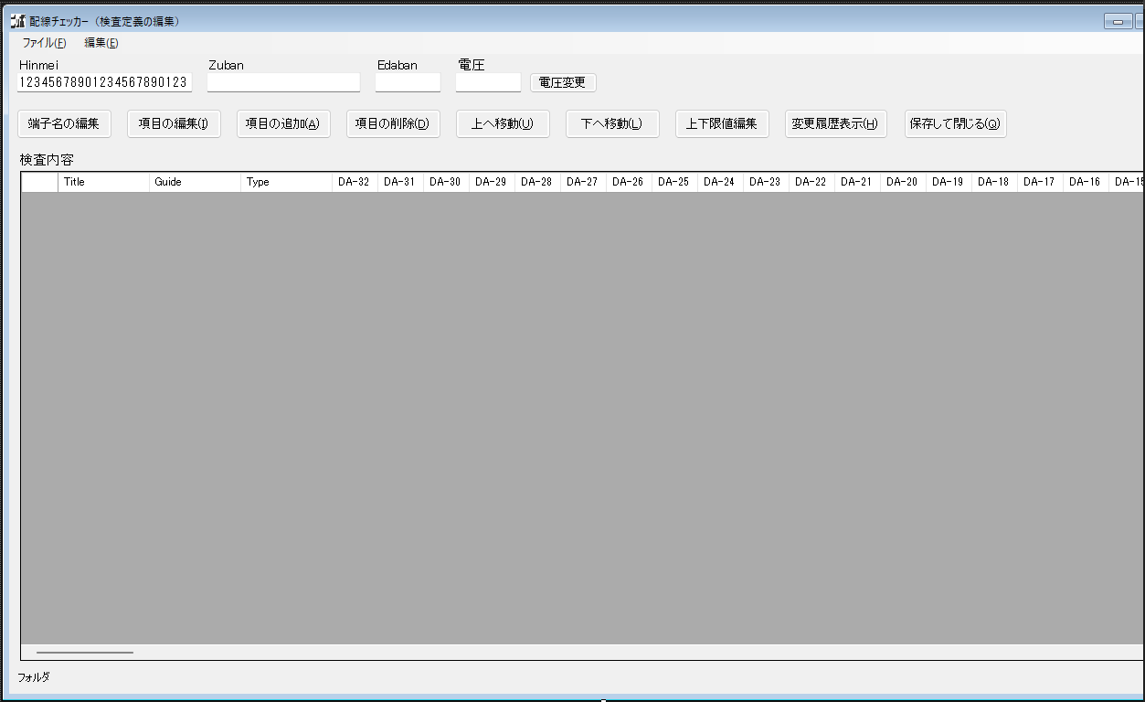
frmSetting

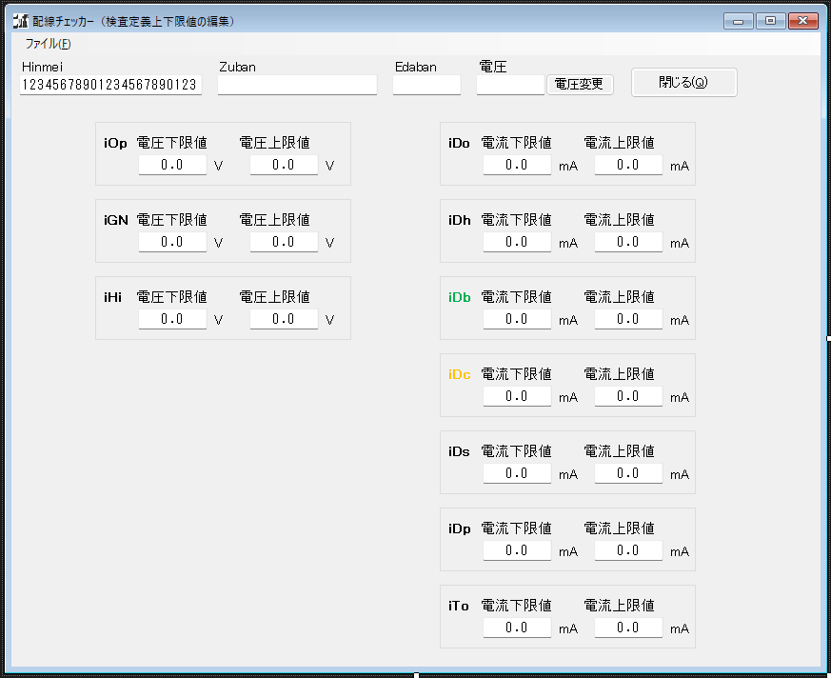
frmSettingLMT


frmSettingMemo

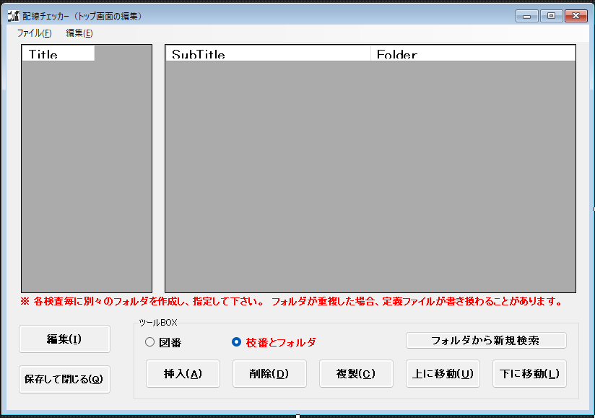
frmTopEdit

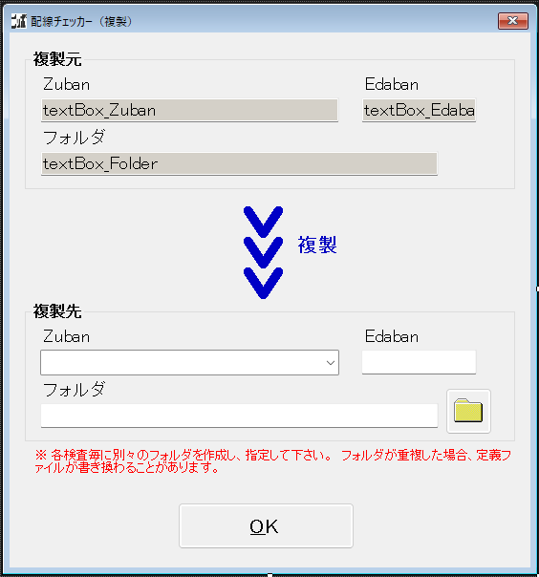
frmTopEditCopy

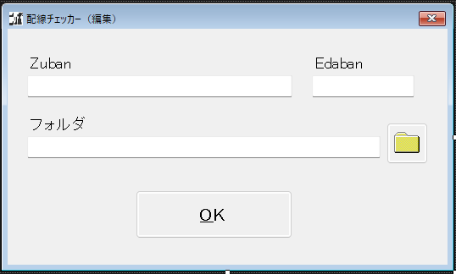
frmTopEditInput

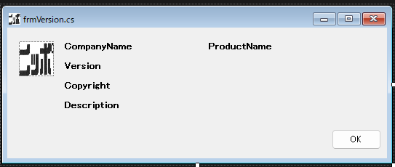
frmVersion

検査処理までの流れ
レバーテスト
 | 前処理 | 検査処理起動までの前処理

Program.cs frmOpening.cs 各Deveiceの初期化 各Formの初期化
frmOpening.cs トップ画面の表示

「検査」ボタンをクリック

frmOpening.cs トップ画面の表示

frmOpening.cs button_frmMain_Clickを実行 frmMain.ShowDialog実行
「この画面の編集」ボタンをクリック

frmMain.designer.cs this.timerInspect.Interval = 50; this.timerInspect.Tick += new System.EventHandler(this.timerInspect_Tick);
frmTopEdit.cs 配線チェッカー（トップ 画面の編集）の表示
frmMain.cs Loadイベントが発生 frmMain_Load処理を実行 this.timerInspect.Enabled = true

「挿入」「編集」ボタンをクリック

 |  |  | インターバルタイマー起動 | インターバルタイマー周期(50msec)、呼び出し関数設定

frmTopEditInput.cs 配線チェッカー（編集）の表示
frmMain.cs timerInspect_Tick
timerInspect_Tick_Do（検査処理）

「レバーテスト」「００改善」を選択「保存して閉じる」をクリック

