Economist Graphic - The Good Ch
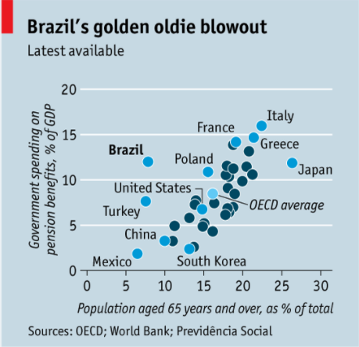
 |  | Your name | A.J. Ferrara

 |  | For this graphic, what do you see first? | I see dots of two different colors. I also see a blue background. I see Brazil in bold as a call-out for its dot and I see some other dots called out with a line or no line. I also see a title that tells me the chat is about Brazil's Golden Oldie Blowout.

 |  | Make a note of the first idea that forms in your mind and then search for more. | Right away, I tried to understand how Brazil was having a 'Golden Oldie Blowout'. I definately benefitted from reading the article behind this chart. Since there are many other dots at higher percent GDP and higher percent 65 years and older, I was not sure why the chart was titled, 'Brazil's Golden Oldio Blowout'. However, Brazil does have the highest contribution to GDP for populations where older than 65 is less than16%. The longer I look at the chart, I see a faintly ligher blue circle that represents OECD Average. However, I still do not understand why some dots are dark blue. I do see that most of the dark blue circles are after the Average of around 16% of total population at 65+ age. Typically, a scatter chart going high on both axis means something, but here, I think high on the Y axis and low on the X axis is significant. It's also not clear if all the OECD countries needed to be shown on the chart, especially if they can't be labelled and/or cluster around/on each other.

 | Article: https://www.economist.com/the-americas/2017/02/25/reducing-brazils-pension-burden

 | What I like | What I dislike | What I wish I saw
 | * I liked the proper axis labelling and values. * I liked the use of a scatter plot and appealing colors (versus non-blues). * The label 'Brazil' is bold. * Overall average is on the chart as a reference. * The chart title gives a clue on how to read the chart. | * No legend for dot colors. * The average dot should be a color much different from the other dots. * The blue background. It matches the overall theme, but takes away from the ability to better understand the meaning of the blue dots that are scattered on the chart. * Two, main dot colors. It is not clear to me if this is needed. * The amount of dots, especially without a label. Do we need to see them? * Nothing about the chart helps me understand why Brazil is bold and should stand out. It makes me wonder if all dots above the average are significant. However, the longer I read the chart, Turkey stands out as also trending to a negative status. | * Without context to how Brazil's 65+ population will increase, it is difficult to compare Brazil against other countries. Will other countries continue to grow on both axis as well? * The article talks about other risks to Brazil's policies that could end up in a didaster for Brazil GDP in the future. Do we have similar data for the other countries in order to make the same comparison or a measure that would tell us this? * A descriptive sub-headline that would help me understand how bad things are in Brazil versus other countries because until you analyze both axis, you do not see this. * I think the dots should have been smaller. Overlapping is tough to read. * The overall average should have been a black or gray reference line. * Group the dots into regions, but leave Brazil on its own. There are 35 dots, one for each country in OECD (today, there are 37 countries). I would try to group these. * An ability to rank the countries based on % GDP versus an emerging trend to a large percent of age 65+. This chart has a lot of noise, what is significant versus normal?

 | What are three things you'd change, and why?
 | I would change... | because....
 | Use a different measure | % GDP and % Pop 65+ do not convey that Brazil is at the top of some bad list. My first though was to come up with a new metric that would show Brazil on top of a list.
 | Use fewer dots / different chart type | The scatter plot is not an effective chart for telling the reader the information that is being told. This is the main takeaway from this chart. Using a different chart type goes along with the first change - use a different measure. Even with some dots called out, I do not think all 35 countries need to be displayed on the chart. Especailly with many in a similar cluster. It would be nice to see the range from bad to good/normal when it comes to the interaction of the two measures.
 | Use color to convey an insight and/or use fewer colors | The different blue colors is confusing. I do not see why some dots are darker blue. With so many countries, it is best to use a color to convey an insight and then specify the insight in the title and/or legend. It would be nice to use one color for countries and a different color for OECD Average.

References: | Berinato, S. (2016). Good charts: The HBR guide to making smarter, more persuasive data visualizations.

The Good Charts Matrix
Name of visualization | Design execution (-10 is poor, 10 is excellent) | Contextual awareness (-10 is low, 10 is high)
Economist | -5 | -5
Comments | A scatter plot without a color legend was a very poor choice for telling this story. Many countries are above the OECD average GDP% and Age 65+ percent, so it's difficult to see why Brazil should stand out. I have a mock-up below that would tell the story by ranking Brazil based on the ratio of GDP% / % Age 65+. Furthermore, you can see other countries that share a similar trend as Brazil. | The article talks about the high amount of pension spending, which includes people under 65. However, the chart shows the 12% of GDP and then compares it to the 8.5% of the population that is 65+ in age. So, I think the chart is misleading in pointing out a unique issue with Brazil. Even if Brazil sets a minimum pension-collection age, they are already above the OECD average of 8.5% of GDP and 16% of the population at 65+. So, I think the chart needed to project how bad things will get for Brazil in the next 20-30 years versus the other countries. In order to tell the story today, Brazil should stand out due to their high GDP% and low 65+%. In my mind, this chart is not comparing Brazil to other countries under the same conditions.
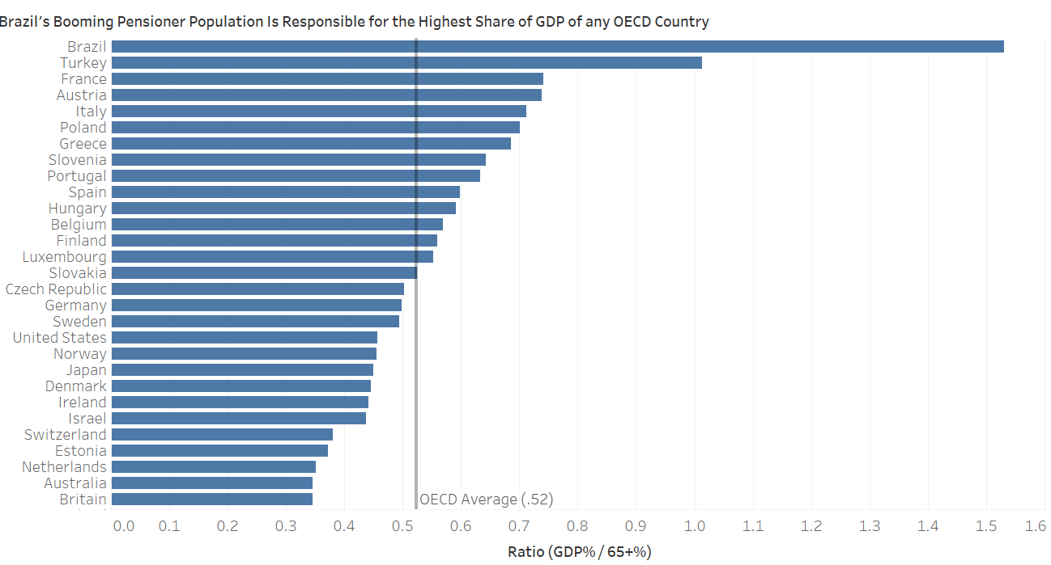
Contextual awareness = what am I trying to say, to whom, and where?
The Good Charts Matrix

Reference: Berinato, S. (2016). Good charts: The HBR guide to making smarter, more persuasive data visualizations.

