Introduction


 | REBORN ROLEPLAY

Lord of War |  | Storage

Quarry |  | Trade Information

Drugs |  | Vehicle Information

Item Stock |  | House Map

Map_Kavala
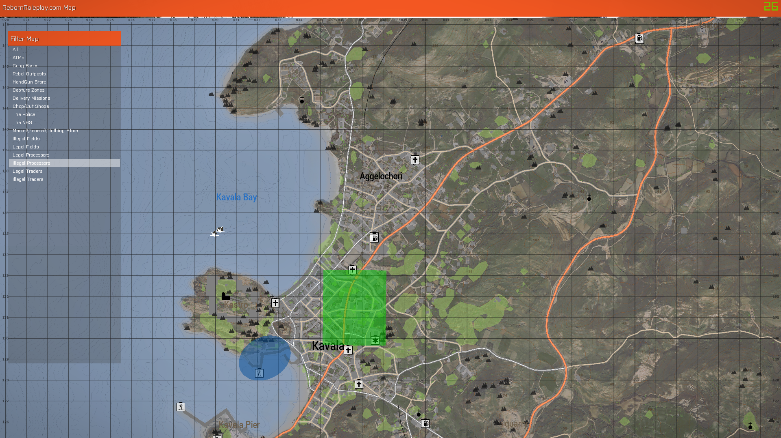

Player House
Unknown

Gang House
Unknown

Gang House
Blackout

