Sheet1
Objective
Segment customers based on their RFV(Recency, Frequency, Value) attributes

Purpose
1. Target Promotions
2. Demand Forecasting and Plan for Inventory

Data
Sales data for the Year 2011
About 400K line items
About 4K Customers

Assumptions
The Dec 31st 2011 is the current Date

Data Wrangling
Removed records with Negative Quantity
Removed records with Zero Price
Removed records pertaining Bank/Postages
Retained only UK Records
Removed outliers w.r.t number of trips/bills

Algorithm
Hierarchical Clustering
Less than 5K records and Hierarchical is exhaustive(nothing random about it) compared to K-Means or other techniques

Dendogram
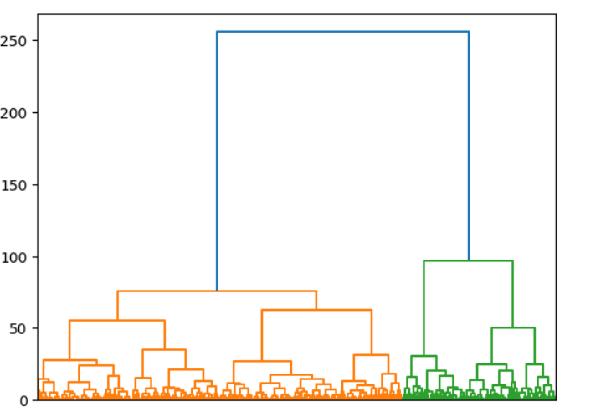

Cluster Metrics
ClusterID | ClusterSize | Recency | Duration | Value | <2 trips | 2-5 trips | >5 trips | Attributes
0 | 672 | 2.6682 | 0.4021 | 482.5419 | 93.01 | 6.10 | 0.89 | Old customers with high value,less frequent
1 | 644 | 9.3307 | 4.8400 | 372.8771 | 42.08 | 40.53 | 17.39 | Recent, Not so loyal, average customer, Average less Frequent
2 | 463 | 6.6652 | 3.0461 | 289.9507 | 62.63 | 32.18 | 5.18 | Not so recent, Not so loyal, average customer,less frequent
3 | 455 | 10.8989 | 9.0450 | 310.9247 | 41.32 | 55.82 | 2.86 | Recent, loyal and Average Customers, medium frequent
4 | 898 | 11.3976 | 7.5439 | 441.9898 | 11.80 | 26.61 | 61.58 | High Value, loyal and Recent customers,high frequent
5 | 708 | 10.4915 | 0.7190 | 207.0176 | 87.15 | 12.15 | 0.71 | Recent and New Customer,less frquent

Further Scope
Group products into various buckets and profile (similar to number of trips)

