Table 1
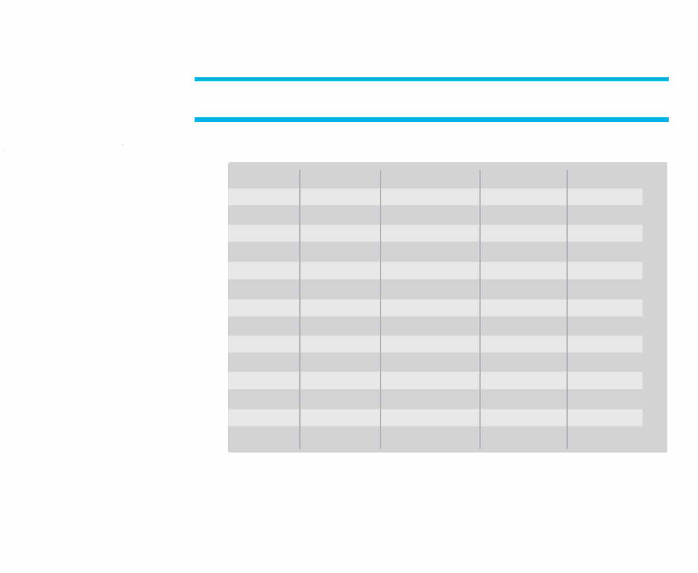
speedo� SECTIONALS | SPEEDO SECTIONALS 2023 MAX TIME STANDARDS WOMEN MEN SCY LCM LCM 24.49 28.09 50 FR 25.29 53.09 1:00.69 100 FR 54.79 1:53.79 2:10.99 200 FR 2:00.49 5:05.09 4:35.29 400/500 FR 4:15.79 10:28.79 9:27.39 800/1000 FR 8:49.99 17:25.69 18:06.09 1500/1650 FR 16:56.49 58.99 1:07.89 100 BK 1:01.99 2:07.19 2:26.99 200 BK 2:13.79 1:06.89 1:17.19 100 BR 1:09.69 2:24.69 2:46.69 200 BR 2:30.89 58.19 1:05.79 100 FL 59.59 2:08.89 2:25.09 200 FL 2:11.79 2:09.29 2:28.49 2001M 2:15.19 4:33.39 5:12.99 4001M 4:47.59 Qualifying from June 1, 2022 through Entry Deadline Please consult specific host sites for Minimum Standards | SCY 21.69 47.39 1:43.79 4:42.79 9:42.99 16:24.39 53.39 1:54.89 59.79 2:09.69 52.09 1:55.09 1:57.09 4:11.19

