Sheet1
 | Case Number | Nl or Abnl | Dx Confidence | Time (minutes) | CC | CSP | Ventricles and CSF spaces | PF Structures
Raw Dicoms | 1 | NL | 5 | 3 | 5 | 5 | 5 | 5
 | 2 | Abnl, bilateral lateral ventric | 5 | 3 | 5 | 5 | 5 | 5
 | 3 | Abnl, bilateral lateral ventric | 5 | 3 | 5 | 5 | 5 | 5
 | 4 | CC agenesis,colpocephaly | 5 | 3 | 5 | 5 | 5 | 5
 | 5 | 3rd and lateral ventriculomegaly, query aqueductal stenosis | 5 | 3 | 5 | 5 | 5 | 5
 | 6 | NL | 5 | 5 | 5 | 5 | 5 | 5
 | 7 | 3rd and lateral ventriculomegaly, query aqueductal stenosis | 4 | 3 | 5 | 5 | 5 | 4
 | 8 | bilateral lateral ventriculomegaly, gm hemorrhage? | 5 | 3 | 5 | 5 | 5 | 5
 | 9 | bilateral lateral ventriculomegaly | 5 | 3 | 5 | 5 | 5 | 5
 | 10 | NL | 4 | 4 | 5 | 5 | 5 | 5
 | 11 | ventriculomegaly and large porencephalic cyst | 4 | 4 | 3 | 3 | 5 | 5
 | 12 | Chiari Ii, hindbrain herniation, ventriculomegaly | 5 | 2 | 5 | 5 | 5 | 5
 | 13 | NL brain, left ear malformation | 5 | 4 | 5 | 5 | 5 | 5
 | 14 | right paramidline arachnoid cyst | 5 | 2 | 5 | 5 | 5 | 5
 | 15 | 3rd and lateral ventriculomegaly, query aqueductal stenosis | 5 | 3 | 5 | 5 | 5 | 5
 | 16 | NL | 5 | 2 | 5 | 5 | 5 | 5
 | 17 | Small cerebellum | 5 | 2 | 5 | 5 | 5 | 5
 | 18 | gm hemorrhage, lateral ventriculomegaly | 5 | 2 | 5 | 5 | 5 | 5
 | 19 | CSP leaflet abnormality? | 3 | 3 | 4 | 2 | 5 | 5
 | 20 | NL | 5 | 2 | 5 | 5 | 5 | 5
 | 21 | NL | 5 | 2 | 5 | 5 | 5 | 5
 | 22 | NL | 5 | 2 | 5 | 5 | 5 | 5
 | 23 | CC agenesis,colpocephaly | 5 | 2 | 5 | 5 | 5 | 5
 | 24 | semilobar holoprosencephaly | 5 | 3 | 4 | 4 | 5 | 5
 | 25 | NL | 5 | 2 | 5 | 5 | 5 | 5
x | 26 | NL | 4 | 4 | 3 | 3 | 5 | 5
 | 27 | Chiari Ii, hindbrain herniation, ventriculomegaly | 5 | 2 | 5 | 5 | 5 | 5
 | 28 | Nl | 5 | 2 | 5 | 5 | 5 | 5
 | 29 | Nl | 4 | 3 | 4 | 4 | 5 | 5
 | 30 | NL | 3 | 3 | 4 | 4 | 5 | 5
 | 31 | bilateral lateral ventriculomegaly | 5 | 3 | 5 | 4 | 5 | 5

 | SVR
SVR | 1 | ventriculomegaly and left large porencephalic cyst, perforated CSP | 5 | 3 | 5 | 5 | 5 | 5
 | 2 | cc agenesis, colpocephaly | 5 | 4 | 5 | 5 | 5 | 5
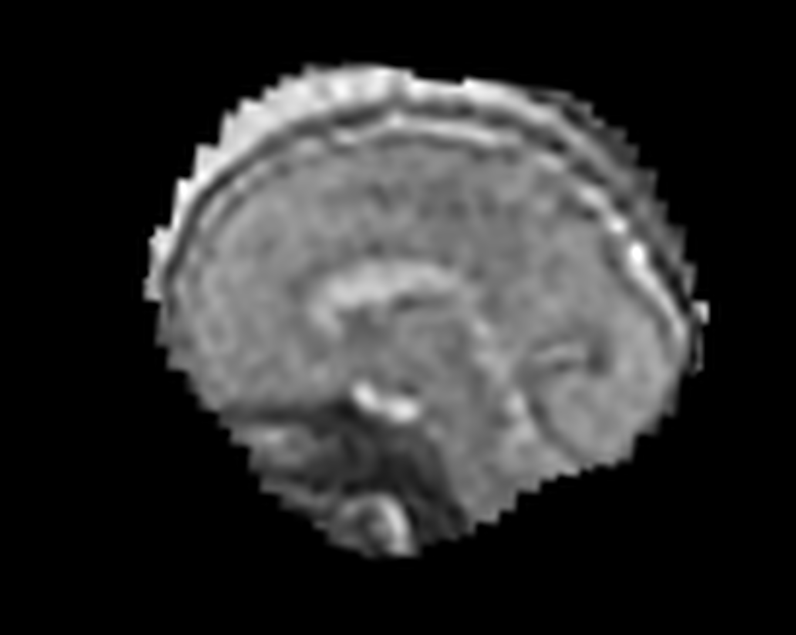
 | 3 | small cerebellum, PF cyst? Mega cisterna magna | 4 | 4 | 5 | 5 | 5 | 5
 | 4 | NL where visualized, PF incomplete | 3 | 4 | 5 | 5 | 5 | 1 | XXXX | image 4
 | 5 | NL | 5 | 3 | 5 | 5 | 5 | 5
 | 6 | semilobar holoprosencephaly | 5 | 4 | 5 | 5 | 5 | 5
 | 7 | bilateral lateral ventriculomegaly | 5 | 3 | 5 | 5 | 5 | 5
 | 8 | NL | 4 | 3 | 5 | 5 | 5 | 5
 | 9 | nl brain, left ear malformation | 5 | 2 | 5 | 5 | 5 | 5
 | 10 | Nl | 4 | 2 | 5 | 3 | 5 | 5
 | 11 | 3rd and lateral ventriculomegaly, query aqueductal stenosis | 5 | 3 | 5 | 3 | 5 | 5
 | 12 | 3rd and lateral ventriculomegaly, query aqueductal stenosis | 4 | 2 | 5 | 5 | 5 | 5
 | 13 | 3rd and lateral ventriculomegaly, query aqueductal stenosis | 5 | 2 | 5 | 5 | 5 | 5
 | 14 | Hindbrain herniation, ventriculomegaly | 5 | 2 | 4 | 5 | 5 | 5
 | 15 | Nl | 5 | 2 | 5 | 5 | 5 | 5 |  | images 19
 | 16 | Nl | 4 | 2 | 5 | 3 | 5 | 5
 | 17 | CSP abnormality or poorly visualized | 3 | 2 | 5 | 2 | 5 | 5
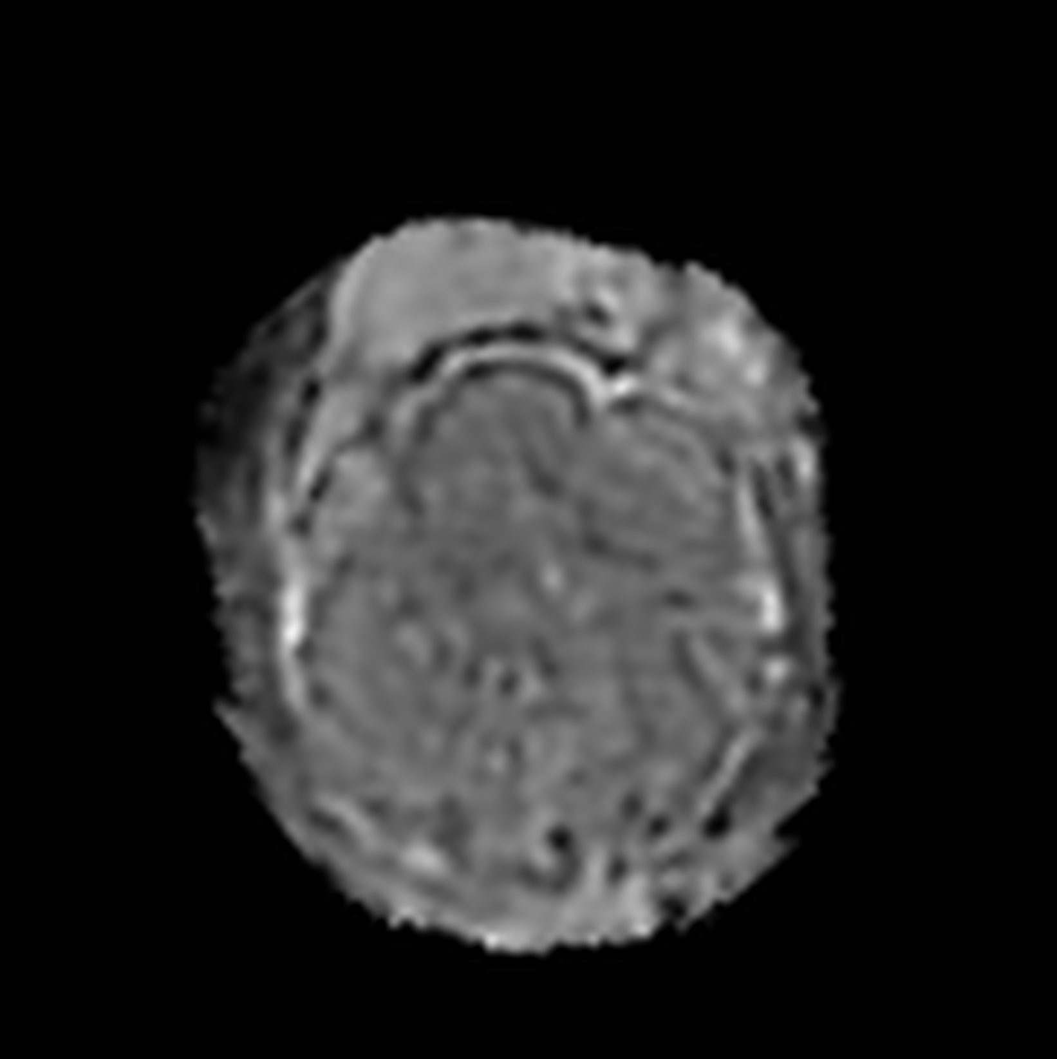

 | 18 | Hindbrain herniation, ventriculomegaly | 5 | 2 | 5 | 5 | 5 | 5
 | 19 | lateral ventriculomegaly, gm hemorrhage??? | 3 | 3 | 2 | 3 | 3 | 3 | XXXX |  | images 22
 | 20 | Nl | 5 | 2 | 5 | 5 | 5 | 5
 | 21 | right paramidline arachnoid cyst | 5 | 2 | 5 | 5 | 5 | 5
 | 22 | XXXXXX | 1 | 1 | 1 | 1 | 1 | 1 | XXXX
 | 23 | Nl | 5 | 2 | 5 | 4 | 5 | 5
 | 24 | cc agenesis, colpocephaly | 5 | 2 | 5 | 5 | 5 | 5

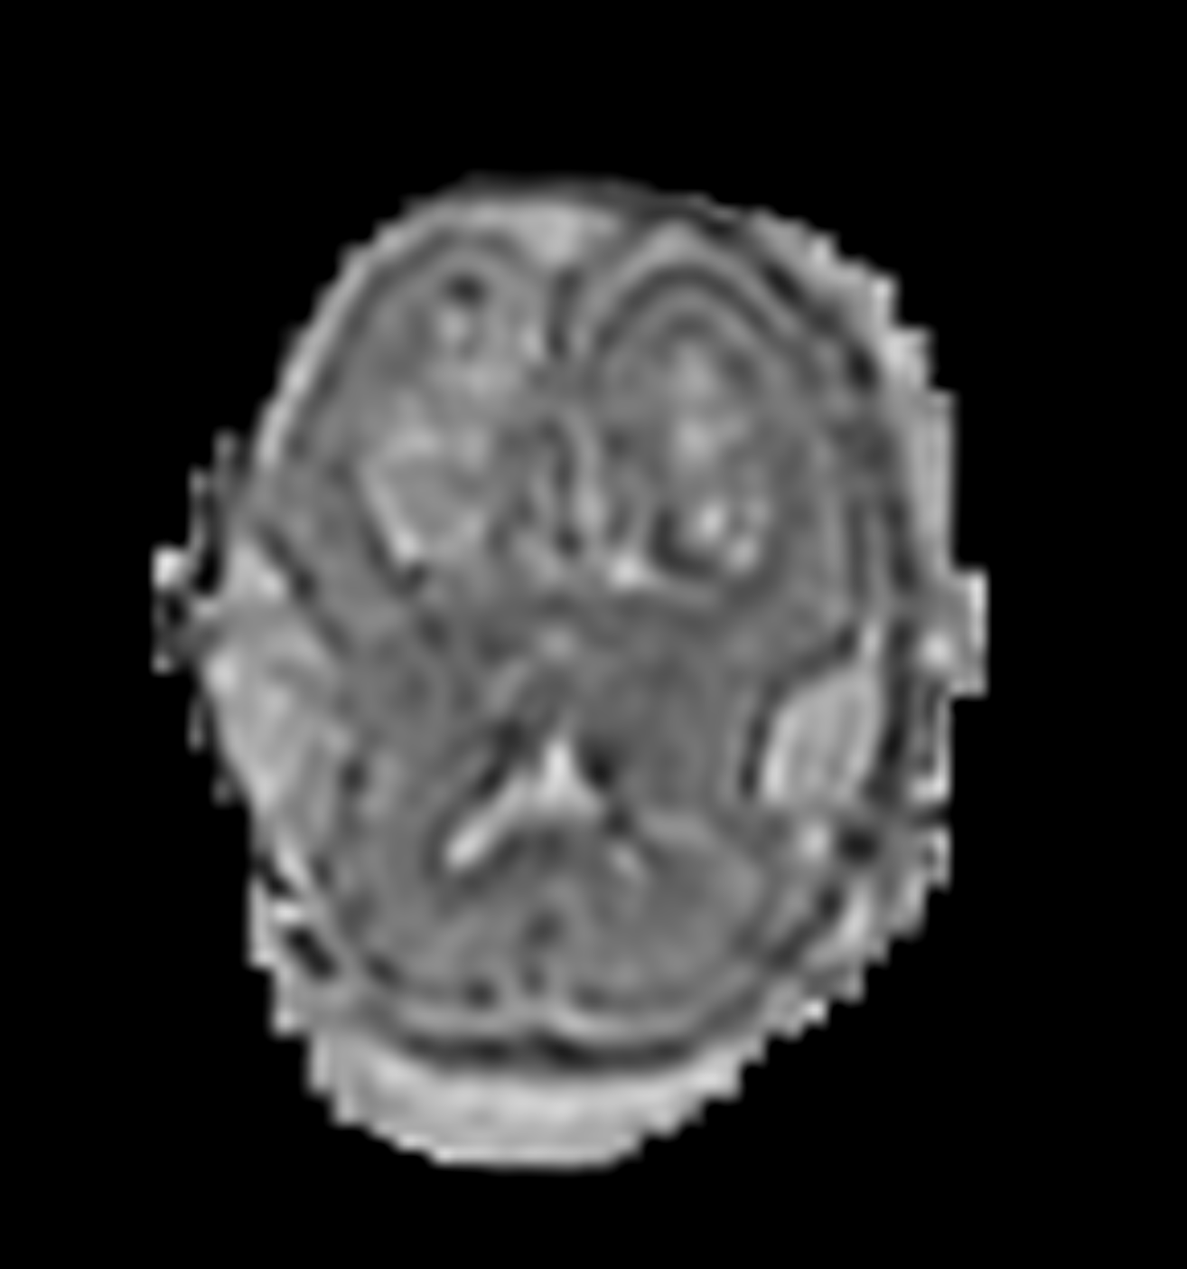
 | 25 | XXXX bilateral lateral ventriculomegaly ?? | 1 | 2 | 1 | 1 | 3 | 1 | xxxx |  |  | images 25
 | 26 | NL | 5 | 2 | 5 | 5 | 5 | 5
 | 27 | BIlateral lateral ventriculomegaly | 4 | 2 | 5 | 5 | 5 | 5
 | 28 | left lateral ventriculomegaly, gm hemorrhage? | 4 | 2 | 5 | 5 | 5 | 5
 | 29 | NL | 5 | 2 | 5 | 5 | 5 | 5
 | 30 | BIlateral lateral ventriculomegaly | 5 | 2 | 5 | 5 | 5 | 5
 | 31 | BIlateral lateral ventriculomegaly | 5 | 2 | 5 | 5 | 5 | 5

