Add New Report
Item | Description | Refrence
Sample | 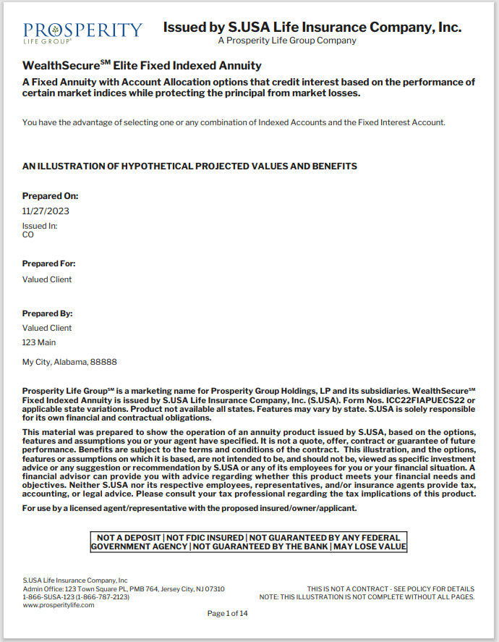 | Client Name : Pro6 Module Name: FSFIA
Code Snippet of Constants.cs file in this file add new Cover Page Report Id | #region Report ID Enums /// <summary> /// This enum describes the reports that can be rendered in for this product. /// </summary> public enum ReportIDFSFIA { /// <summary> /// Cover Page ID /// </summary> CoverPageID = 1 }
Code Snippet of ReportConfig.xml file in this file add new Cover Page Report | <reportProperty reportID="ReportIDFSFIA.CoverPageID" modelType="FS_ModelType.Current" isEnabled="true" validate="false" availabilityDate="2004-06-22" pageNumberSetting="FS_ReportPageNumbering.Reset" reportSelectView="FS_ReportSelectView.Required" isSelected="true" isMultiRun="false" watermark = "false" textWatermark="true"> <pageTitle>Cover Page</pageTitle> <selectionDescription>Cover Page</selectionDescription> <bookmarkDescription>Cover Page</bookmarkDescription> <pdfFileName/> <xmlFileName>CoverPage.xml</xmlFileName> <flyOverHelp/> <classType>InsTech.ForeSight.SalesPortal.Annuity.FSFIA.iText.CoverPage</classType> <assemblyName>SalesPortal.FSFIA.iTextSharp, Version=6, Culture=neutral, PublicKeyToken=928c297f0d8e5e72</assemblyName> </reportProperty>

Page Layout
Type | Sample
Multi-column layout using ITPdfpTable
Multi-column layout using MultiColumnText TextReportBuilder textBuilder = GetTextBuilderMultiColumn(2, true, 0f, 0); | 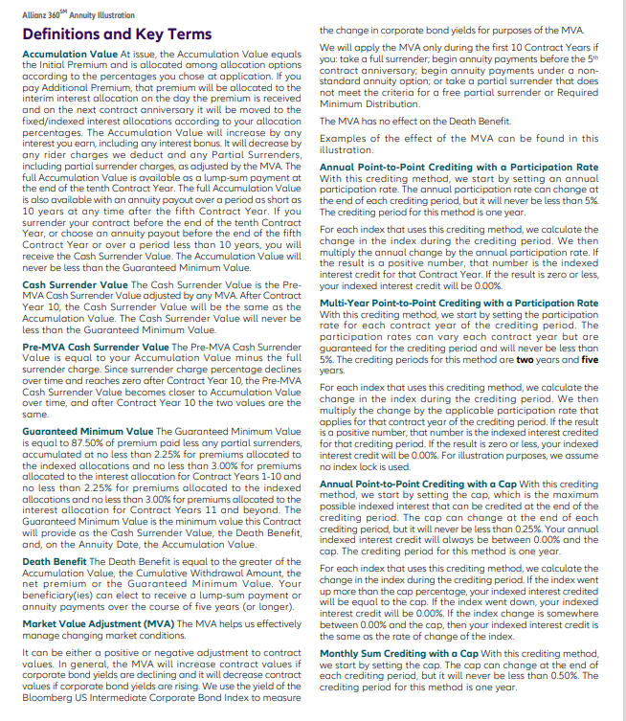
Height limited regular multi-column layout using MultiColumnText
TextReportBuilder example using MultiColumnText - Other features - Polygonal columns | 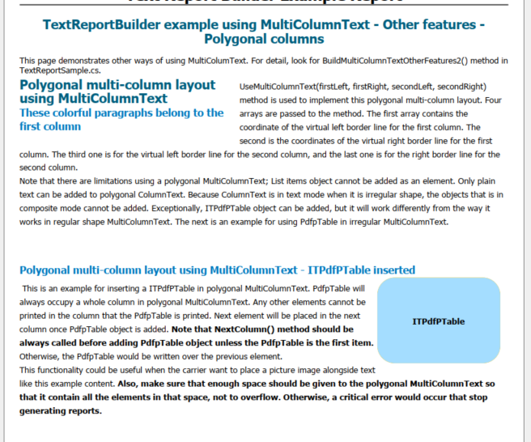

ReplaceConditionalField in 5
Item | Description | Refrence
Discription | ReplaceConditionalField in Report version 5
Sample | 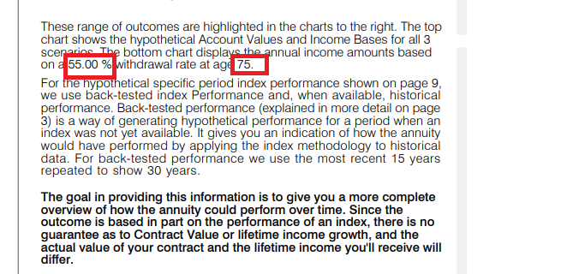 | Client Name : AIG5 Module Name: FSFIA
Code Snippet of ConditionFields.cs file there we will add swith case for Replaceable conditional field code. | switch (eKey) { ..... ..... case "WithdrawalsFirstRow": if(InputSupplement.HasGMWB) fieldData = InputSupplement.GMWBWithdrawalPerValue; break; case "IncomeActivationAge": fieldData = InputSupplement.IncomeActivationAge.ToString(); break; }
Code Snippet of Field.xml file there we will add WithdrawalsFirstRow and IncomeActivationAge name of replaceable field. | <fields> .... .... <replaceField code="WithdrawalsFirstRow" formatProvider="ProviderNone"></replaceField> <replaceField code="IncomeActivationAge" formatProvider="ProviderNone"></replaceField> </fields>

