Page Layout
Type | Sample
Multi-column layout using ITPdfpTable
Multi-column layout using MultiColumnText TextReportBuilder textBuilder = GetTextBuilderMultiColumn(2, true, 0f, 0); | 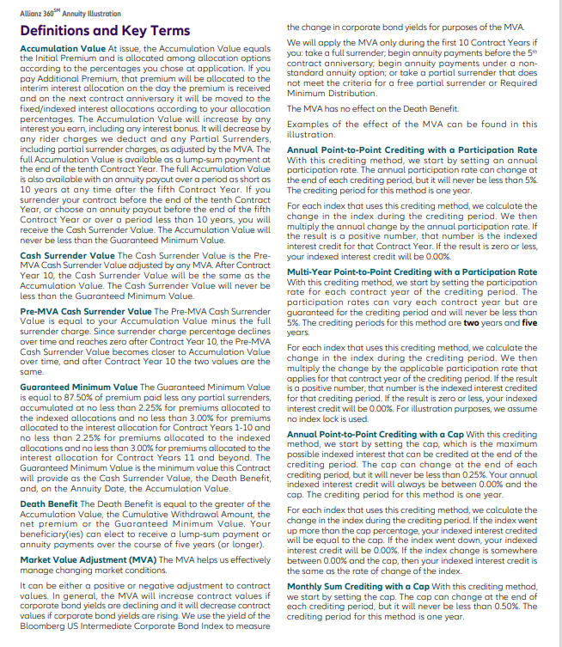
Height limited regular multi-column layout using MultiColumnText
TextReportBuilder example using MultiColumnText - Other features - Polygonal columns | 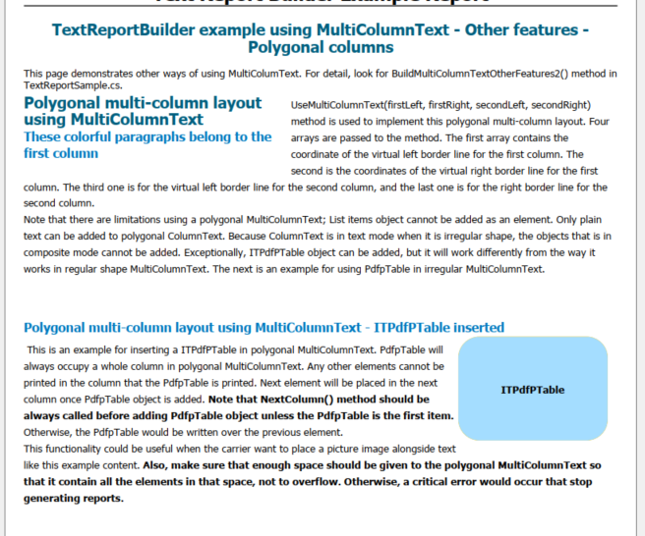

Ledger
Ledger Details
Sections in Brief | Sample | Code
Preface Section => Located above the ledger section its simply built in ITPdfPTable |  | ..\Downloads\Report Library\Preface section Code.txt
Ledger tables format section =>The example illustrates a basic styles ledger reports that has a total line
Ledger tables format Sample 1 | 