Page Layout
Type | Sample
Multi-column layout using ITPdfpTable
TextReportBuilder textBuilder = GetTextBuilderMultiColumn(2, true, 0f, 0); | 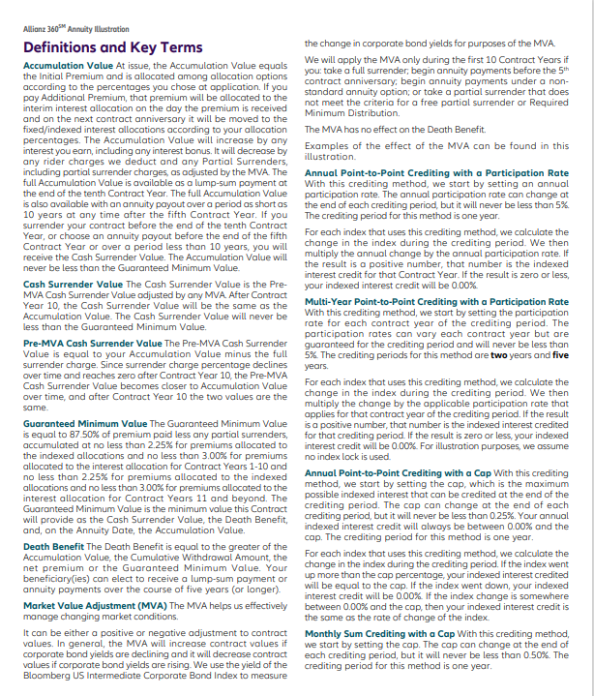
Height limited irregular multi-column layout using MultiColumnText
Polygonal multi-column layout | 