Requirements
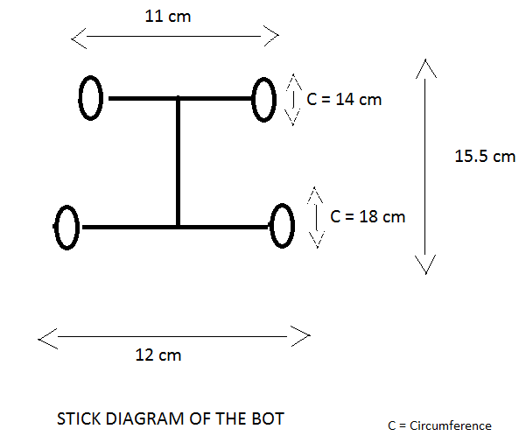
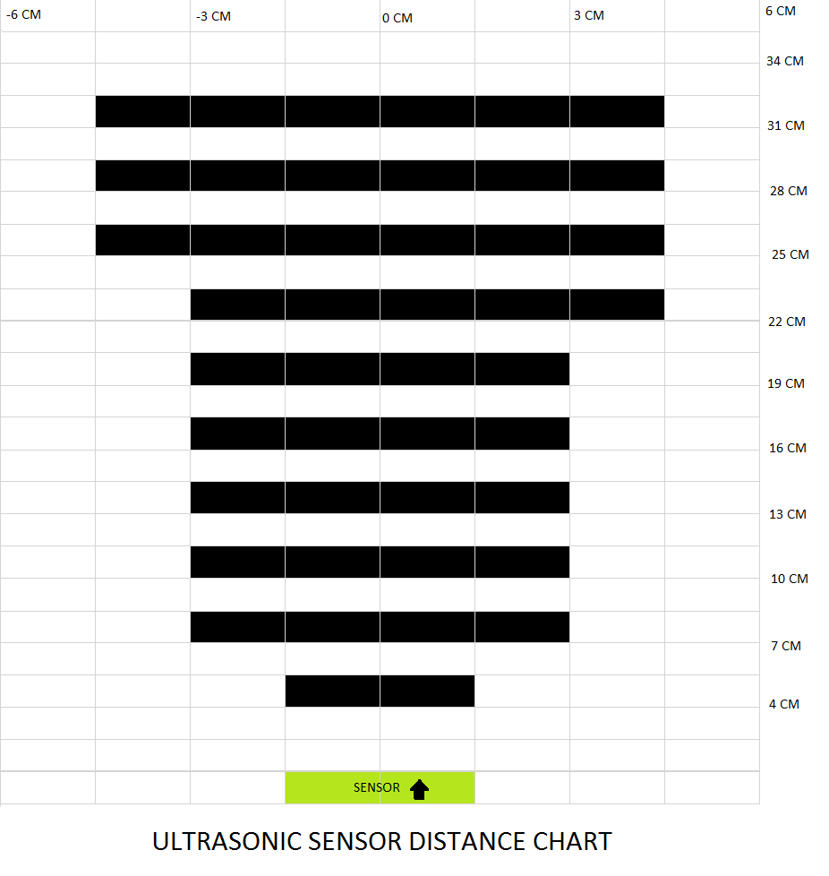
Req.ID | Requirement | Responsibility | Priority 1: low 3: high | Functional Req. ? | Associated Test ID | % Maturity | Remark
ADAS-SW-1 | AV must drive along the boundary of area. |  | 3 | yes | T-FUNC-001 | 0
ADAS-SW-2 | AV must not collide with any physical obstacle in the region |  | 3 | yes | T-FUNC-002 | 0
ADAS-SW-3 | AV must not collide with moving obstacle in radius of O_DET_RAD |  | 3 | yes | T-FUNC-003 | 0
ADAS-SW-4 | AV must not enter "no go" area |  | 3 | yes | T-FUNC-004 | 0
ADAS-SW-5 | "No go" areas have to be defined before operation |  | 1 | no |  | 0
ADAS-SW-6 | The system work with speeds less than V_MAX |  | 1 | no |  | 0
ADAS-SW-7 | AV shall prevent slip |  | 3 | yes | T-FUNC-005 | 0
ADAS-SW-8 | AV discards obstacles which have less size than O_HEIGHT (e.g. bumper) |  | 1 | yes | T-FUNC-006 | 0
ADAS-SW-9 | AV returns to charging point before it runs out of battery |  | 1 | yes | T-FUNC-007 | 0
ADAS-SW-10 | AV generates a virtual map of area to be cleaned |  | 2 | no |  | 0
ADAS-SW-11 | AV remembers cleaned area and cleans uncleaned area in next operation |  | 1 | yes | T-FUNC-008 | 0
ADAS-SW-12 | AV identifies change in obstacle position and adjusts internal map accordingly |  | 2 | no |  | 0
ADAS-SW-13 | AV shall leave DIST_LAT_BOUNDARY between vehicle and physical border or no go area borders |  | 2 | no |  | 0
ADAS-SW-14 | AV shall ignore notches with size less than N_DEPTH and N_WIDTH |  | 2 | no |  | 0
ADAS-HW-1 | The motor control unit of the AV shall able to turn the motor forward and backward |  | 3 | yes | T-FUNC-009 | 0
ADAS-HW-2 | The motor control unit of the AV shall able to drive the motor in different speeds. |  | 3 | yes | T-FUNC-010 | 0
ADAS-HW-3 | AV shall able to drive inside of a barn |  | 2 | yes | T-FUNC-011 | 0
ADAS-HW-4 | AV shall use encoders to identify motors angular displacement |  | 3 | no |  | 0
ADAS-HW-5 | Laser sensor shall have a degree turn of DET_ANG_LASER |  | 2 | yes | T-FUNC-012 | 0
ADAS-HW-7 | AV shall have accelerometer (recommendation: Adafruit 9-DOF IMU Breakout - L3GD20H + LSM303) |  | 2 | no |  | 0
ADAS-HW-8 | AV shall have gyroscope (recommendation: Adafruit 9-DOF IMU Breakout - L3GD20H + LSM303) |  | 2 | no |  | 0
ADAS-HW-9 | Gyroscope and accelerometer shall placed center of rotation |  | 2 | no |  | 0
ADAS-HW-10 | AV shall have a emergency stop button, which is connected to the MCU |  | 3 | yes | T-FUNC-013 | 0
ADAS-HW-11 | After pressing the emergency stop button AV must stop in EMER_TIME |  | 3 | yes | T-FUNC-014 | 0
ADAS-HW-12 | AV must accelerate and decelerate in a controlled manner |  | 3 | yes | T-FUNC-015 | 0
ADAS-HW-13 | AV indicates status with red, yellow and green light. |  | 2 | no |  | 0
ADAS-I/F-1 | AV shall provide a user interface for user control and monitoring |  | 1 | no |  | 0
ADAS-I/F-2 | AV shall have a WiFi connection (e.g. ESP8266 with access point) |  | 1 | no |  | 0

Architecture
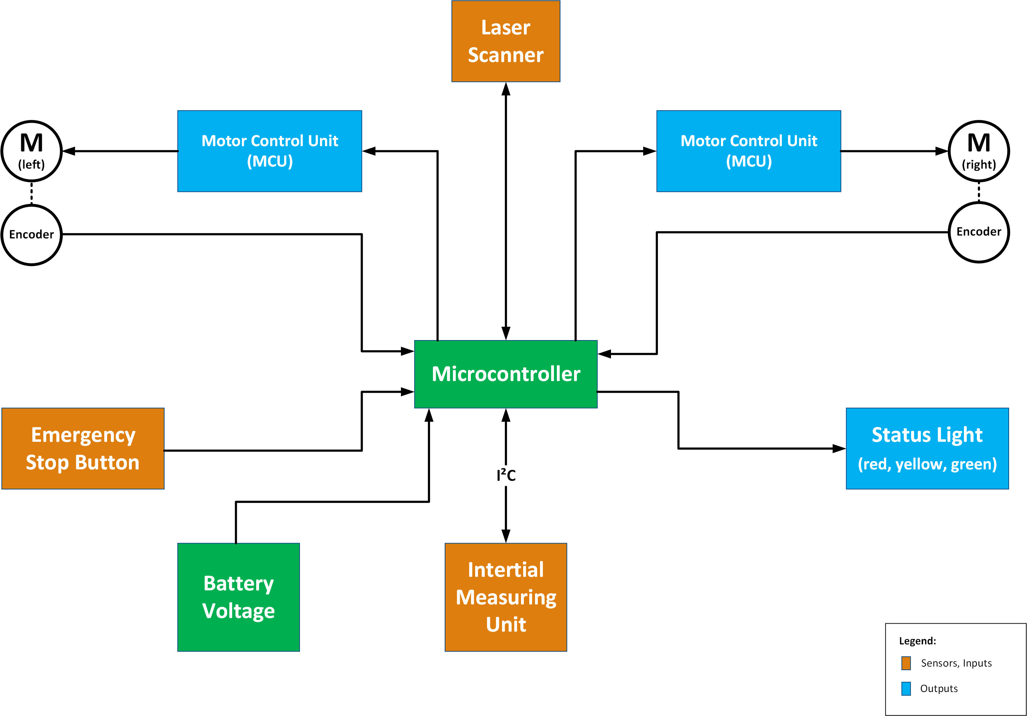
System Architecture

