Valuation
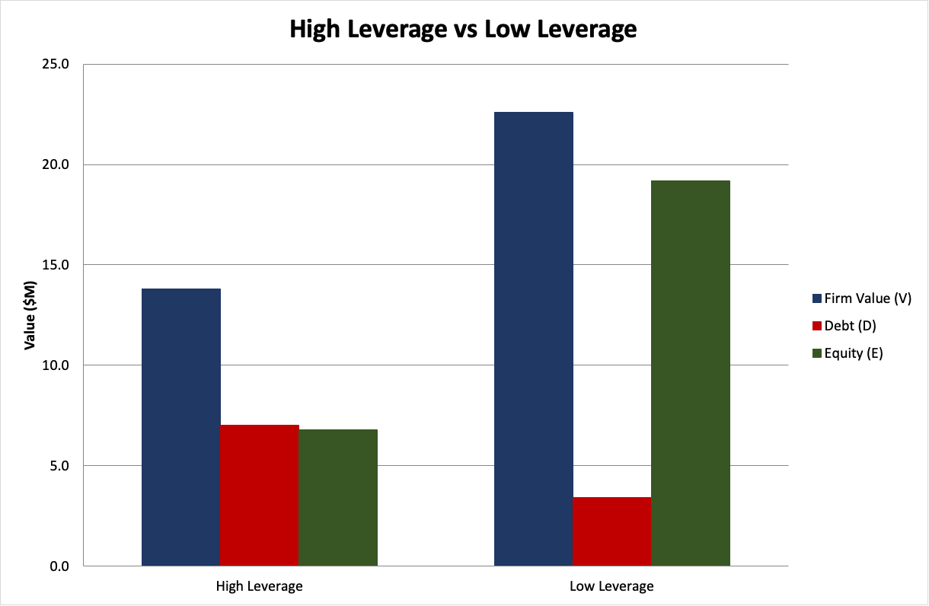
Model Inputs
Tax Rate | 45.1% | 45.05% = 37.0%(Highest Federal tax Bracket)+4.25%(Michigan State Income Tax)+3.8%(Net Investment Income Tac,NIIT), local taxes (EL area is 1% cap gains tax) omitted |  |  |  |  |  |  |  |  | High Leverage |  | Low Leverage
WACC | 14.1% |  |  |  |  |  | =SUMPRODUCT(D8:D13,F8:F13)
Constant Terminal Growth | 6.0% | Revenue growth stabilizes at this rate in the final years |  |  |  |  | Page 3 of pdf, page 5 of document
 |  |  |  |  |  |  |  |  |  |  |  |  |  | D
Cost of Capital |  |  |  |  |  |  |  |  |  |  | V | D |  | 3.4
 | Amount | Weight | Pre-Tax Rate | After-Tax Rate |  |  | Page 2 of pdf, page 4 of document |  |  |  | 13.8 | 7
Senior Debt LOC (Line of Credit) | $- | 0.0% | 3.3% | 1.8% |  |  | =E8*(1-$C$2)
Senior Term A | $4,370 | 24.8% | 10.0% | 5.5% |  |  | =E9*(1-$C$2) |  |  |  |  | E | V
Senior Term B | $6,380 | 36.2% | 12.0% | 6.6% |  |  | =E10*(1-$C$2) |  |  |  |  | 6.8 | 22.6 | E
Seller Note | $2,500 | 14.2% | 6.0% | 3.3% |  |  | =E11*(1-$C$2)
Equity | $4,000 | 22.7% | 40.0% | 40.0% | Since this is a VC context, targeting a higher IRR is standard due to the risk profile. |  | =E12 |  |  |  | value | $17,626
Seller Rollover Equity | $376 | 2.1% | 40.0% | 40.0% |  |  | =E13 |  |  |  | debt | $13,250 |  | 19.2
Total | $17,626 | 100.0% |  |  |  |  |  |  |  |  | equity | $4,376

Discounted Cash Flow Model (DCF Model)
Year | 0 | 1 | 2 | 3 | 4 | 5
Cash From Operations |  | $1,609 | $1,824 | $2,219 | $2,493 | $2,729
After-Tax |  | $884 | $1,002 | $1,219 | $1,370 | $1,500 | =H18*(1-$C$2) |  |  |  |  |  |  |  | Low leverage creates more equity value (19.2 vs 6.8)
Capital Spending |  | $(250) | $(150) | $(150) | $(150) | $(150) |  |  |  |  |  |  |  |  | better for investors. IRR og 16.6% beats the market, so the deal is worth it.
Free-Cash-Flow |  | $634 | $852 | $1,069 | $1,220 | $1,350 | =H19+H20
Terminal Value |  |  |  |  |  | $17,558 | =(H21*(1+C4))/(C3-C4)
Total Cash Flow |  | $634 | $852 | $1,069 | $1,220 | $18,908 | =H21+H22

Value of Firm | $12,404 |  |  |  |  | $17,558 | =H22 |  | IRR | 16.6%
Less: Debt | $13,250 |  |  |  |  | $8,125 | =C26-SUM(D21:H21) |  | Cash-on_Cash | 2.2X
Intrinsic Equity | $(846) |  |  |  |  | $9,433 | =H25-H26

Return Calculations
Year | 0 | 1 | 2 | 3 | 4 | 5 | 1 | … | 5
Total Value | $12,404 |  |  |  |  | $17,558 | =C25 |  | =H25
Paid Value | $17,626 |  |  |  |  |  | =C14
Value Added (Destroyed) | $(5,222) |  |  |  |  |  | =C31-C32

Intrinsic Equity | $(846) |  |  |  |  | $9,433 | =C27 |  | =H27
Equity Supplied | $4,376 |  |  |  | IRR | 16.6% | =SUM(C12:C13) |  | =RATE(H30,0,-C36,H35)
Value Added (Destroyed) | $(5,222) |  |  |  | Cash-on-Cash | 2.2X | =C35-C36 |  | =H35/C36

Simple Multiple Model
Multiple | 13.7 | times EBITDA
Year | 0 | 1 | 2 | 3 | 4 | 5 | 0 | … | 5
EBITDA | $3,509 |  |  |  |  | $5,897
Value | $47,933 |  |  |  |  | $80,553 | =C40*C42 |  | =C40*H42
Less: Debt | $13,250 |  |  |  |  | $8,125 | =SUM(C8:C11) |  | =C44-SUM(D21:H21)
Intrinsic Equity | $34,683 |  |  |  |  | $72,428 | =C43-C44 |  | =H43-H44
Equity Supplied | $4,376 |  |  |  | IRR | 75.3% | =C36 |  | =RATE(H41,0,-C46,H45)
 |  |  |  |  | Cash-on-Cash | 16.6X |  |  | =H45/C46

Summary and Recommendation
In summary, we found the DCF method and return multiple methods to be consistent while the simple multiple method produced a far higher IRR and Cash-on-Cash valuation. Because of the consistency between it and the DCF calculations, we trust the return calculations model most. We recommend investing in this firm as the projected IRR is moderately better than the market rate and the 2.2x cash multiple over 5 years is worthwhile. While this only projects moderate growth, if the true values lie between those found in the simple multiple model and the others, the prospects are far better.

Team1 Hall, Grace (Team Leader) hallgra3@msu.edu A Alkhulaif, Tahani atahani@msu.edu Heo, Sujeong heosujeo@msu.edu Kim, Selan kimselan@msu.edu Do, Jinuk dojinuk@msu.edu Kwak, Seungjae kwakseun@msu.edu Birck, Nathan Matthew bircknat@msu.edu Alshaibani, Ajwan Jafar H alshaib2@msu.edu Loomis, Will loomiswi@msu.edu

