Noise Visualizer
Opamp Noise Visualizer
 | OPA1641 | LM4562 | OPA1622 | NE5534A | AD797 | AD4898 | OPA627 | Resistor Noise (nV/rt-Hz)
1 | 5.1016565937 | 4.7017978008 | 2.8030163467 | 4.5018774039 | 1.2070227835 | 0.90934358743 | 8.00 | 0.13
1.3 | 5.1021534669 | 4.7023371132 | 2.8039206625 | 4.5024404794 | 1.2091223098 | 0.91212923119 | 8.00 | 0.14822280526
1.6 | 5.1026502918 | 4.7028764127 | 2.8048247072 | 4.5030034876 | 1.2112184939 | 0.91490696008 | 8.00 | 0.16443843833
2 | 5.1033126496 | 4.7035954588 | 2.8060296791 | 4.5037540608 | 1.2140082372 | 0.91859841062 | 8.00 | 0.18384776311
2.5 | 5.1041404761 | 4.7044942342 | 2.8075352179 | 4.5046921093 | 1.2174871663 | 0.92319337086 | 8.00 | 0.20554804791
3.2 | 5.1052992077 | 4.70575246 | 2.8096417127 | 4.5060050642 | 1.222342407 | 0.92959076071 | 8.00 | 0.23255106966
4 | 5.1066231504 | 4.7071903467 | 2.8120473396 | 4.507505137 | 1.2278696999 | 0.93685226157 | 8.00 | 0.26
5 | 5.1082775962 | 4.708987577 | 2.8150516869 | 4.5093795582 | 1.2347469376 | 0.94585622586 | 8.01 | 0.29068883707
6.3 | 5.1104275751 | 4.7113237637 | 2.818952891 | 4.5118151946 | 1.2436353002 | 0.95744379177 | 8.01 | 0.32629741035
7.9 | 5.1130724618 | 4.714198741 | 2.8237474998 | 4.5148111794 | 1.2544957712 | 0.97152945483 | 8.01 | 0.36539020239
10 | 5.1165418009 | 4.717971598 | 2.8300289751 | 4.5187405325 | 1.2686212989 | 0.98973531815 | 8.01 | 0.41109609582
13 | 5.1214939227 | 4.7233603123 | 2.8389801267 | 4.5243482448 | 1.2885557807 | 1.0152208824 | 8.01 | 0.46872166581
16 | 5.1264412608 | 4.7287477581 | 2.847905167 | 4.529949333 | 1.3082140498 | 1.0401319916 | 8.02 | 0.52
2 | 5.1033126496 | 4.7035954588 | 2.8060296791 | 4.5037540608 | 1.2140082372 | 0.91859841062 | 8.00 | 0.18384776311
25 | 5.1412547107 | 4.744902528 | 2.8745260479 | 4.5467130985 | 1.3656500284 | 1.1118003418 | 8.03 | 0.65
32 | 5.1527468403 | 4.7574595574 | 2.8950743272 | 4.5597109382 | 1.4088633717 | 1.1647739008 | 8.03 | 0.73539105243
40 | 5.1658493978 | 4.7718021753 | 2.9183940789 | 4.5745224887 | 1.4568459081 | 1.2227902518 | 8.04 | 0.82219219164
50 | 5.1821810082 | 4.7897181545 | 2.9473038527 | 4.5929728935 | 1.5149257408 | 1.2920526305 | 8.05 | 0.91923881554
63 | 5.203335469 | 4.812988743 | 2.9844999849 | 4.61685337 | 1.5876321992 | 1.3775200325 | 8.07 | 1.0318430113
79 | 5.2292542493 | 4.8415985955 | 3.0297020051 | 4.6460842179 | 1.6733391766 | 1.4768372151 | 8.08 | 1.1554652743
100 | 5.2630789474 | 4.8790982773 | 3.0881062158 | 4.684186162 | 1.7804493815 | 1.5992498241 | 8.10 | 1.3
130 | 5.3110262672 | 4.932571743 | 3.1698290175 | 4.7381118602 | 1.9247337478 | 1.7619148674 | 8.14 | 1.4822280526
160 | 5.3585445801 | 4.9859338142 | 3.2496744452 | 4.7914607376 | 2.0606794996 | 1.9134931408 | 8.17 | 1.6443843833
200 | 5.4212544697 | 5.0569160563 | 3.3534459888 | 4.8617280878 | 2.2315913604 | 2.1024747323 | 8.21 | 1.8384776311
250 | 5.4986361982 | 5.1453862829 | 3.4792240514 | 4.9482320075 | 2.4320773014 | 2.3227139299 | 8.26 | 2.0554804791
320 | 5.6051761851 | 5.2687896143 | 3.6487718482 | 5.0669896388 | 2.6939933185 | 2.6091807143 | 8.33 | 2.3255106966
400 | 5.7245087215 | 5.4092143607 | 3.8343708741 | 5.1995769059 | 2.9732137495 | 2.9140350032 | 8.41 | 2.6
500 | 5.8702640622 | 5.5839054433 | 4.0558599581 | 5.3609700615 | 3.3 | 3.2710854468 | 8.51 | 2.9068883707
630 | 6.0545024778 | 5.8097387205 | 4.3290895117 | 5.5642163869 | 3.6979183333 | 3.7071746654 | 8.64 | 3.2629741035
790 | 6.273834585 | 6.0859424907 | 4.6465496877 | 5.8052438364 | 4.1578119246 | 4.2137650623 | 8.79 | 3.6539020239
1000 | 6.5505725429 | 6.4459289478 | 5.0378566871 | 6.1081912216 | 4.7265209192 | 4.8445846055 | 8.99 | 4.1109609582
1300 | 6.9267597823 | 6.9560333524 | 5.5580212306 | 6.5184660772 | 5.4927224579 | 5.7021399492 | 9.27 | 4.6872166581
1600 | 7.2835432063 | 7.4621444639 | 6.0430455898 | 6.9064897017 | 6.2225396744 | 6.5265304719 | 9.54 | 5.2
2000 | 7.7336926859 | 8.1320354156 | 6.6483080554 | 7.3952687578 | 7.1582120673 | 7.5927597091 | 9.89 | 5.8137767415
2500 | 8.2619612684 | 8.9632583361 | 7.3545904033 | 7.9686887253 | 8.28794305 | 8.8915690404 | 10.31 | 6.5
3200 | 8.9493020149 | 10.118517678 | 8.2748776426 | 8.7159853144 | 9.8224233262 | 10.671101162 | 10.87 | 7.3539105243
4000 | 9.6752266247 | 11.430223095 | 9.2563491723 | 9.5084173236 | 11.534296684 | 12.671621838 | 11.47 | 8.2219219164
5000 | 10.512374423 | 13.061010681 | 10.408650249 | 10.428326807 | 13.635981813 | 15.142985175 | 12.19 | 9.1923881554
6300 | 11.509996759 | 15.171235942 | 11.819966159 | 11.535614418 | 16.33003368 | 18.327422077 | 13.06 | 10.318430113
7900 | 12.630124304 | 17.758648597 | 13.464486622 | 12.796311969 | 19.61096632 | 22.221647104 | 14.05 | 11.554652743
10000 | 13.964600388 | 21.144502832 | 15.519020588 | 14.326548782 | 23.883885781 | 27.309522149 | 15.26 | 13
13000 | 15.675143003 | 25.969790142 | 18.322117782 | 16.33982864 | 29.952295405 | 34.55358158 | 16.84 | 14.822280526
16000 | 17.216566552 | 30.787172654 | 21.025698562 | 18.210161998 | 35.997777709 | 41.782412568 | 18.29 | 16.443843833
20000 | 19.079052807 | 37.203360063 | 24.53242752 | 20.548722588 | 44.03907356 | 51.408267818 | 20.05 | 18.384776311
25000 | 21.178064123 | 45.217142767 | 28.815620764 | 23.296995514 | 54.07346854 | 63.429567238 | 22.06 | 20.554804791
32000 | 23.807785604 | 56.429867978 | 34.698703146 | 26.923781309 | 68.104625394 | 80.248676002 | 24.59 | 23.255106966
40000 | 26.495490635 | 69.239367415 | 41.326020859 | 30.858548248 | 84.12752225 | 99.462606039 | 27.20 | 26
50000 | 29.512905652 | 85.247228694 | 49.526154706 | 35.570352824 | 104.14624333 | 123.47392437 | 30.15 | 29.068883707
63000 | 33.025937385 | 106.05390139 | 60.105740158 | 41.472762146 | 130.16197601 | 154.68338631 | 33.60 | 32.629741035
79000 | 36.893278443 | 131.6592192 | 73.056005913 | 48.517110384 | 162.17441229 | 193.09083355 | 37.41 | 36.539020239
...

www.hifisonix.com

Signal to Noise
 | S/N Ratio ref 1V input 100 Ohm | S/N Ratio ref 1V input 1k Ohm | S/N Ratio ref 1V input 10k Ohm | entot for 1k source resistance uV
OPA1641 | 122.40795247 | 120.50716495 | 113.93217991 | 0.94328244618
LM4562 | 123.06595884 | 120.64703988 | 110.3288006 | 0.92821376848
OPA1622 | 127.03890557 | 122.78783398 | 113.01546397 | 0.72545136295
NE5534A | 123.42006722 | 121.11449767 | 113.7099185 | 0.87957953591
AD797 | 131.82215754 | 123.34191847 | 109.27065045 | 0.68061901237
AD4898 | 132.75442393 | 123.12761926 | 108.10646814 | 0.69762018319
OPA627 | 118.65775754 | 117.75326461 | 113.1591793 | 1.295199803

Noise Modeller
System Noise Modeller

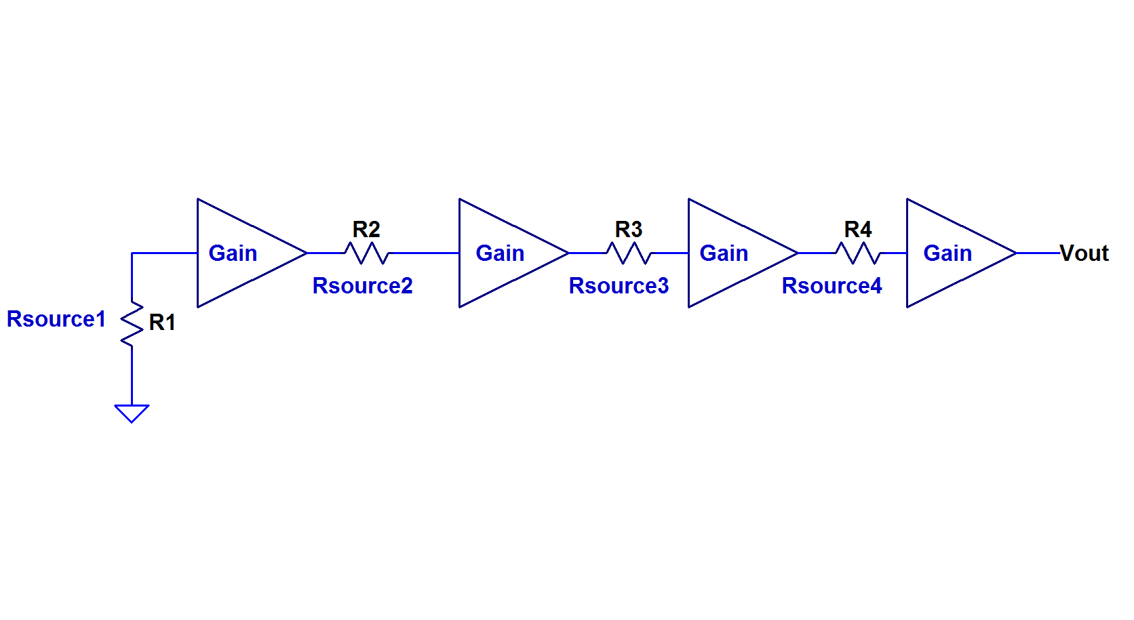

 |  |  |  |  |  | 1.00E-23
 |  |  |  |  |  | 1.38E+00
 |  |  |  |  | Boltzmann constant kB | 1.38E-23
 |  |  |  |  | Absolute temperature in kelvin | 295
 |  |  |  |  | Bandwidth being considered Hz | 2.00E+04
 |  |  |  |  | Resistance Ohms

Noise Bandwidth in Hz | 20000 | Signal I/P Voltage | 0.15

 | Stage 1 | Stage 2 | Stage 3 | Stage 4 |  |  | Noise Chain Calculation
Rsource Ohms | 1000 | 720 | 1250 | 1000 |  |  | Stage1 | 3.62E-07
Ien pA/rt Hz | 2.4 | 2.4 | 2.4 | 2.4 |  |  | Stage2 | 4.5922543484E-08
Een nV/rt Hz | 0.9 | 0.9 | 0.9 | 0.9 | Signal Chain Gain Magnitude: | 6.00 | Stage3 | 7.3824115301E-08
Gain Magnitude | 6.0 | 1.0 | 1.0 | 1.0 | Signal Chain Gain in dB: | 15.56 | Stage4 | 6.0415229868E-08
Entot Stage Noise uV | 3.62E-07 | 2.76E-07 | 4.43E-07 | 3.62E-07
Culmalitive Noise in V | 3.62E-07 | 6.38E-07 | 1.08E-06 | 1.44E-06

 | Total I/P Referred Noise Voltage | 5.43E-07 |  |  | Output noise^2 | 2.94E-13
System S/N |  | -108.83
 | Equiv. I/P Referred Noise Resistance | 895

