Coverage_Heatmap
Coverage % by Category × Market
Calculated using InStock_Flag (Average), formatted as %

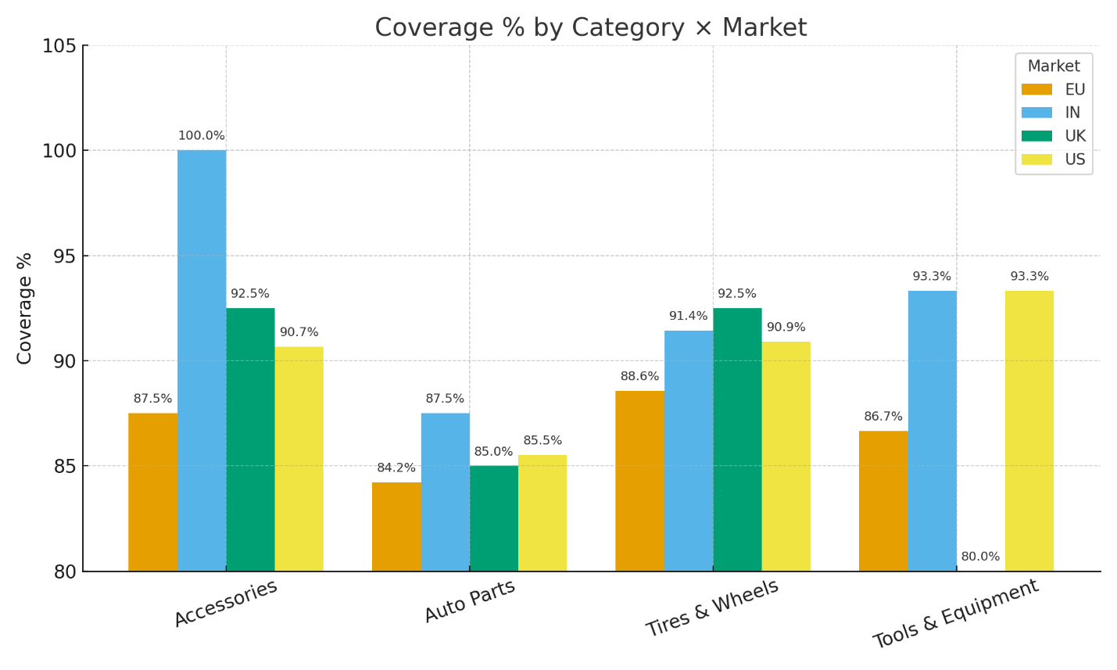
Average of InStock_Flag | Column Labels
Row Labels | EU | IN | UK | US | Grand Total
Accessories | 87.50% | 100.00% | 92.50% | 90.67% | 91.43%
Auto Parts | 84.21% | 87.50% | 85.00% | 85.52% | 85.29%
Tires & Wheels | 88.57% |  | 91.43% | 92.50% | 90.91%
Tools & Equipment | 86.67% | 93.33% | 80.00% | 93.33% | 88.80%
Grand Total | 0.86 | 0.92 | 0.88 | 0.89 | 0.88

Supplier_Performance
Supplier Performance – Fill Rate % and Delay Rate %
Fill Rate = Sales ÷ (Sales + Delayed Orders); Delay Rate = Average of Delay_Flag
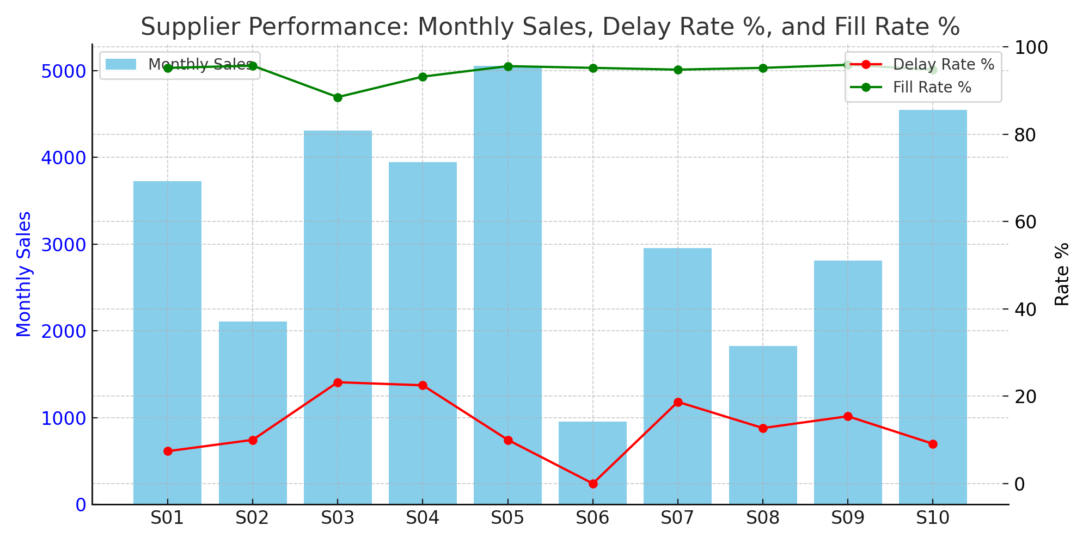
Row Labels | Sum of Monthly_Sales | Sum of Delayed_Orders | Delay Rate % | Fill_Rate %
S01 | 3729 | 187 | 7.4% | 95.2%
EU | 545 | 34 | 13.3% | 94.1%
IN | 472 | 27 | 0.0% | 94.6%
UK | 1107 | 41 | 3.3% | 96.4%
US | 1605 | 85 | 10.0% | 95.0%
S02 | 2106 | 94 | 10.0% | 95.7%
EU | 409 | 15 | 10.0% | 96.5%
IN | 193 | 10 | 0.0% | 95.1%
UK | 724 | 32 | 0.0% | 95.8%
US | 780 | 37 | 20.0% | 95.5%
S03 | 4310 | 559 | 23.2% | 88.5%
EU | 1206 | 145 | 12.0% | 89.3%
UK | 1416 | 175 | 40.0% | 89.0%
US | 1688 | 239 | 17.5% | 87.6%
S04 | 3946 | 289 | 22.5% | 93.2%
EU | 1151 | 82 | 20.0% | 93.3%
IN | 878 | 72 | 20.0% | 92.4%
UK | 410 | 31 | 30.0% | 93.0%
US | 1507 | 104 | 23.3% | 93.5%
S05 | 5056 | 235 | 10.0% | 95.6%
EU | 1357 | 70 | 13.3% | 95.1%
IN | 414 | 17 | 0.0% | 96.1%
UK | 789 | 36 | 6.7% | 95.6%
US | 2496 | 112 | 11.1% | 95.7%
S06 | 954 | 48 | 0.0% | 95.2%
EU | 242 | 5 | 0.0% | 98.0%
IN | 263 | 17 | 0.0% | 93.9%
US | 449 | 26 | 0.0% | 94.5%
S07 | 2954 | 162 | 18.7% | 94.8%
EU | 997 | 53 | 16.0% | 95.0%
IN | 210 | 11 | 40.0% | 95.0%
UK | 677 | 35 | 13.3% | 95.1%
US | 1070 | 63 | 20.0% | 94.4%
S08 | 1824 | 92 | 12.7% | 95.2%
EU | 420 | 28 | 10.0% | 93.8%
IN | 122 | 4 | 40.0% | 96.8%
UK | 513 | 25 | 15.0% | 95.4%
US | 769 | 35 | 5.0% | 95.6%
S09 | 2808 | 120 | 15.4% | 95.9%
EU | 984 | 32 | 8.0% | 96.9%
IN | 470 | 29 | 10.0% | 94.2%
UK | 387 | 14 | 30.0% | 96.5%
US | 967 | 45 | 20.0% | 95.6%
S10 | 4549 | 247 | 9.1% | 94.8%
EU | 1438 | 89 | 7.5% | 94.2%
IN | 456 | 25 | 10.0% | 94.8%
UK | 505 | 27 | 0.0% | 94.9%
US | 2150 | 106 | 12.0% | 95.3%
Grand Total | 32236 | 2033 | 13.7% | 94.1%

Coverage_Trend_vs_Target
Coverage % Trend by Month
Calculated as Average of InStock_Flag, visualized with Line Chart

Coverage % Trend vs Target (85%)
Month | Coverage % | Target
Apr | 89.3% | 85%
May | 84.7% | 85%
Jun | 90.7% | 85%
Jul | 90.0% | 85%
Aug | 86.0% | 85%

Return_Adjusted_Availability
Return-Adjusted Availability % by Category × Market

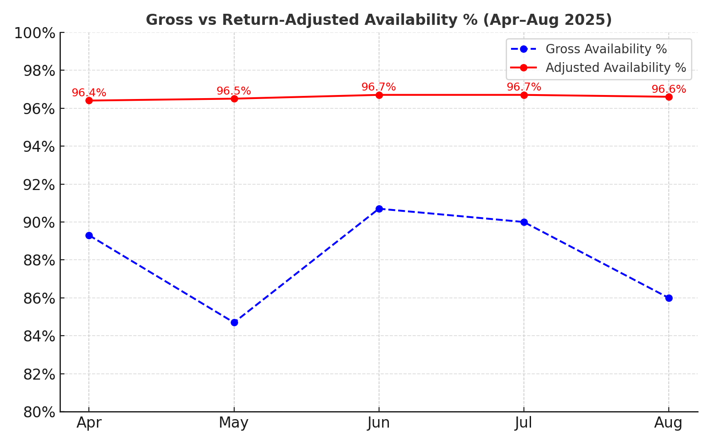
Row Labels | Gross Availability % | Adjusted Availability %
Apr | 89.3% | 96.4%
May | 84.7% | 96.5%
Jun | 90.7% | 96.7%
Jul | 90.0% | 96.7%
Aug | 86.0% | 96.6%

Inventory_Dashboard
Inventory Performance Dashboard (Apr–Aug 2025)

Coverage, Supplier Performance, and Adjusted Availability
Coverage % (Overall): 88%

Best Supplier Fill Rate: 96%

Worst Delay Rate: 40% (Supplier S03 UK)

Return-Adjusted Availability: 96.6%



Coverage % Trend vs Target (85%)
 | Coverage % | Target
Apr | 89.3% | 85%
May | 84.7% | 85%
Jun | 90.7% | 85%
Jul | 90.0% | 85%
Aug | 86.0% | 85%

