Info sheet
Conditions experiments
Sample code, Type, Description | Fill in the information sample from Sample manager for traceability or any info relevant.
Sample prep, Experiment | Fill in the corresponding information (drop down list).
Solvent/simulant, Temp, Time | Fill in the corresponding information (drop down list).
GC-FID-MS, HS-GC-MS, LC-CAD-HRMS | Fill in the corresponding information (Sequence name).

 | If an information is not in the drop down list, just write it in the cell and inform the absence in the "improv. Proposal" sheet

Chromatograms | HS, GC and LC chromatograms

FTIR | Results of analysis are copied into the sheet (with chromatograms) and the corresponding hyperlinked to the analytical file.

HS-GC-MS | Results of analysis are copied into the sheet and the corresponding hyperlinked to the analytical file.

GC-FID-MS | Results of analysis are copied into the sheet and the corresponding hyperlinked to the analytical file.

GC-HRMS-FID | Results of analysis are copied into the sheet and the corresponding hyperlinked to the analytical file.

LC-CAD-HRMS | Results of analysis are copied into the sheet and the corresponding hyperlinked to the analytical file.

Results Compilation HS-GC-LC | Compilation sheet of all the results (automatic formula, remove the empty lines and compounds in blank manually after processing completed)

Comment | Depository of all relevant information like Stds used,…..

improv. Proposal | Depository of all information to add in the template to improve it

version | Date when the template was modified and what has change

 | LC Schymanski Index (1-5) |  | GC Confidence Index (A-E)

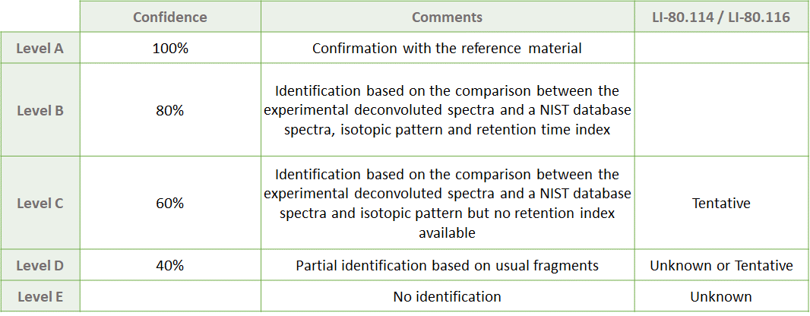

Source for regulation database
Database name | Link | Date of download | Comment
FooDB | Downloads - FooDB | 2022-03-28 | Export CSV.zg file and convert with 7-zip. Then delete the CELL (not the column) "moldb_iupac" to get "cas_number" aligned with the cas number listed

ECHA_registered susbtances | Substances enregistrées - ECHA (europa.eu) | 2022-03-16
ECHA_authorised substances | Authorisation List - ECHA (europa.eu) | 2022-03-16
ECHA_restricted substances | Substances restricted under REACH - ECHA (europa.eu) | 2022-03-16
ECHA_candidate list | Candidate List of substances of very high concern for Authorisation - ECHA (europa.eu) | 2022-03-16
ECHA_EDC | Endocrine disruptor assessment list - ECHA (europa.eu) | 2022-03-16
ECHA_Registry of restriction intentions until outcome | Registry of restriction intentions until outcome - ECHA (europa.eu) | 2022-03-16
ECHA_Registry of SVHC intentions until outcome | Registry of SVHC intentions until outcome - ECHA (europa.eu) | 2022-03-16
ECHA_Substances evaluation-CoRAP | Substance evaluation - CoRAP - ECHA (europa.eu) | 2022-03-16
ECHA_biocides | Information on biocides - ECHA (europa.eu) | 2022-03-16

EDC list 1; 2; 3 | The ED Lists | Endocrine Disruptor List | -
EDC_list1 | Substances identified as endocrine disruptors at EU level | Endocrine Disruptor List (edlists.org) | 2022-03-16
EDC_list2 | Substances under evaluation for endocrine disruption under an EU legislation | Endocrine Disruptor List (edlists.org) | 2022-03-16
EDC_list3 | Substances considered, by the evaluating National Authority, to have endocrine disrupting properties | Endocrine Disruptor List (edlists.org) | 2022-03-16

Update email on 17.11.2022
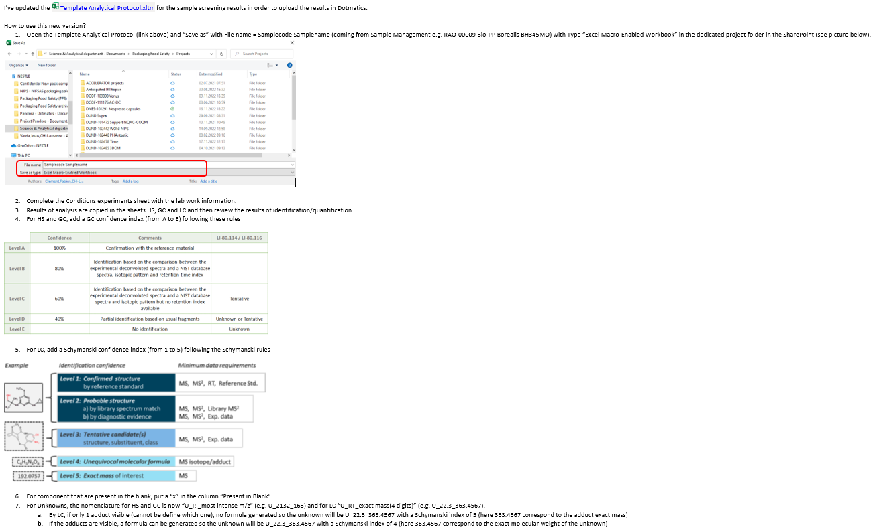

For LC data processing, when a compound is visible only by HRMS (pos and/or neg) and not by CAD, report the Retention time of the peak in the cell RT and put NQ in the cell Area
By LC, if a multicharged compound is detected, report e.g. U_RT_m/z (doublecharged)

FTIR
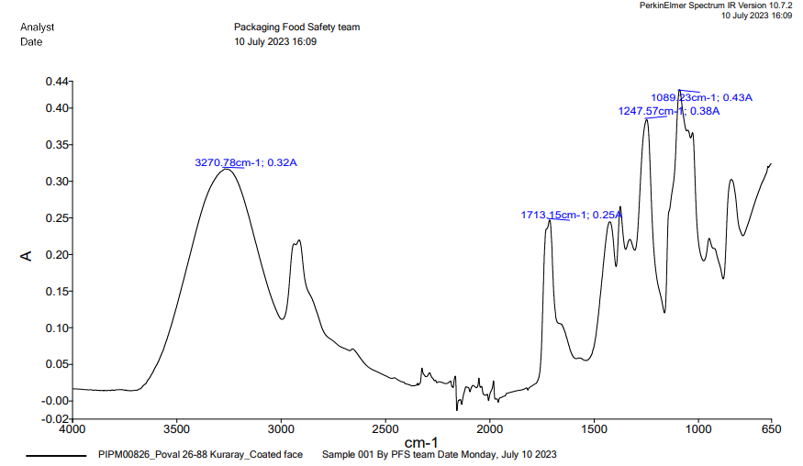
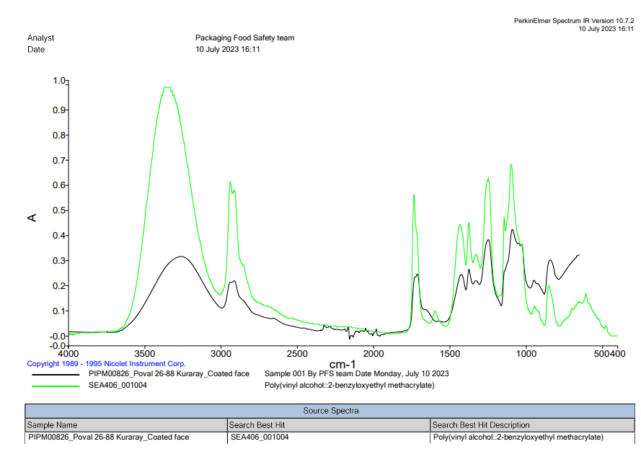
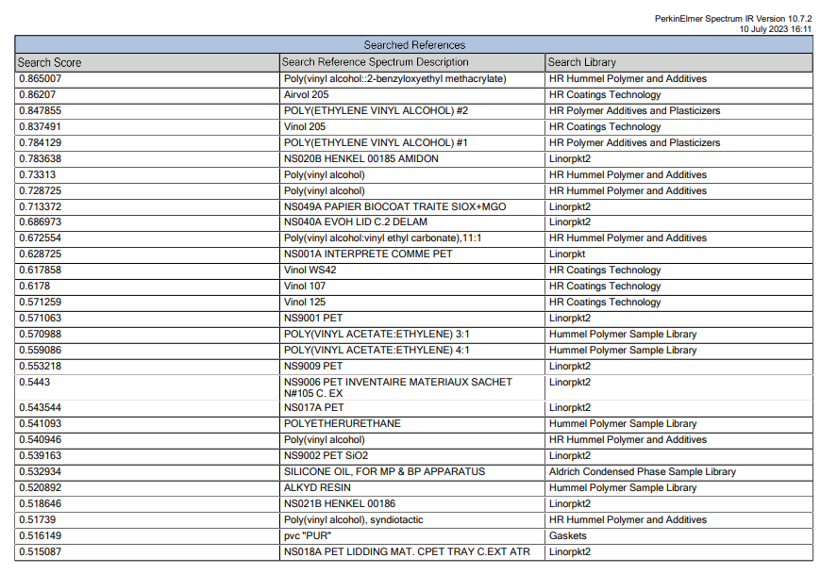
Link : | G:\G03\Perkin_Elmer\DUND-103291 Buddy

