Electric_vehecle
 |  |  |  |  |  |  |  |  |  |  |  |  | *Assuming that the total BEV stock in 2020 is 5-times of the sale number, according to the sale-trends (since we have no clue of the number before 2017, so adopting this rough estimate method), from https://www.cer-rec.gc.ca/en/data-analysis/energy-markets/market-snapshots/2022/market-snapshot-record-high-electric-vehicle-sales-canada.html#:~:text=Electric%20vehicle%20%28EV%29%20sales%20are%20increasing%20in%20Canada,5.3%25%20of%20total%20vehicle%20registrations%20for%20that%20year.
 |  |  |  |  |  |  |  |  |  |  |  |  | *Assuming that the total PHEV and HEV stock in 2020 is 10-times of the sale number, according to the sale-trends, from https://www.cer-rec.gc.ca/en/data-analysis/energy-markets/market-snapshots/2022/market-snapshot-record-high-electric-vehicle-sales-canada.html#:~:text=Electric%20vehicle%20%28EV%29%20sales%20are%20increasing%20in%20Canada,5.3%25%20of%20total%20vehicle%20registrations%20for%20that%20year.
 |  | 000 units |  |  |  |  |  |  |  |  |  |  | *Note that the number for rest of canada will be evenly distributed to those provinced without indicated number

 |  | ~FI_T: Stock |  |  |  |  |  |  |  | 2017 |  |  |  |  |  |  |  | 2020 sales |  |  |  |  |  |  |  | 2020 STOCK
TechName | Comm-IN | Comm-OUT | AT | QU | ON | MA | SA | AL | BC |  | AT | QU | ON | MA | SA | AL | BC |  | AT | QU | ON | MA | SA | AL | BC |  | AT | QU | ON | MA | SA | AL | BC | ~FI_Process
TRA_Car_BEV00 | TRAELC | TRA_Car | 1.296845 | 52.9503675 | 25.310195 | 0.6546275 | 1.296845 | 1.296845 | 37.4999175 | BEV | 6 | 3347 | 3563 | 21 | 108 | 108 | 1913 | BEV | 418 | 17067 | 8158 | 211 | 418 | 418 | 12087 | BEV | 2090 | 85335 | 40790 | 1055 | 2090 | 2090 | 60435 | Sets | TechName | TechDesc | Tact | Tcap | Tslvl | PrimaryCG
TRA_Car_PHEV00 | TRAELC | TRA_Car | 0.130305 | 56.062175 | 14.625185 | 0.6205 | 1.66294 | 1.66294 | 19.38442 | PHEV | 20 | 4448 | 4617 | 83 | 83 | 83 | 1229 | PHEV | 21 | 9035 | 2357 | 100 | 268 | 268 | 3124 | PHEV | 210 | 90350 | 23570 | 1000 | 2680 | 2680 | 31240 | DMD | TRA_Car_BEV00 |  | BVkm | 000Veh
 | TRAGSL |  |  |  |  |  |  |  |  |  |  |  |  |  |  |  |  | HEV | 773 | 8526 | 16807 | 883 | 603 | 5146 | 8715 | HEV | 7730 | 85260 | 168070 | 8830 | 6030 | 51460 | 87150 |  | TRA_Car_PHEV00 |  | BVkm | 000Veh
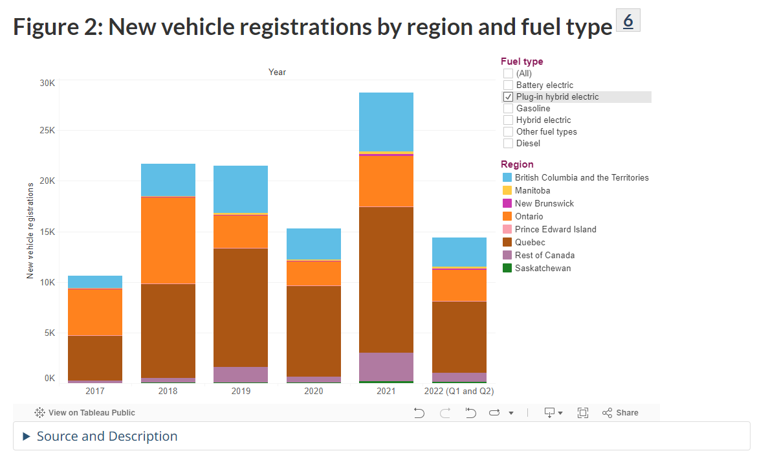
TRA_Car_HEV00 | TRAELC | TRA_Car | 4.796465 | 52.90383 | 104.287435 | 5.479015 | 3.741615 | 31.93093 | 54.076575 |  |  |  |  |  |  |  |  |  |  |  |  |  |  |  |  |  |  |  |  |  |  |  |  |  | *
 | TRAGSL |  |  |  |  |  |  |  |  |  |  |  |  |  |  |  |  |  |  |  |  |  |  |  |  |  |  |  |  |  |  |  |  |  | TRA_Car_HEV00 |  | BVkm | 000Veh
TRA_Tru_BEV00 | TRAELC | TRA_Tru | 0.793155 | 32.3846325 | 15.479805 | 0.4003725 | 0.793155 | 0.793155 | 22.9350825 |  |  |  |  |  |  |  |  |  |  |  |  |  |  |  |  |  |  |  |  |  |  |  |  |  | *
TRA_Tru_PHEV00 | TRAELC | TRA_Tru | 0.079695 | 34.287825 | 8.944815 | 0.3795 | 1.01706 | 1.01706 | 11.85558 |  |  |  |  |  |  |  |  |  |  |  |  |  |  |  |  |  |  |  |  |  |  |  |  |  | TRA_Tru_BEV00 |  | BVkm | 000Veh
 | TRAGSL |  |  |  |  |  |  |  |  |  |  |  |  |  |  |  |  |  |  |  |  |  |  |  |  |  |  |  |  |  |  |  |  |  | TRA_Tru_PHEV00 |  | BVkm | 000Veh
TRA_Tru_HEV00 | TRAELC | TRA_Tru | 2.933535 | 32.35617 | 63.782565 | 3.350985 | 2.288385 | 19.52907 | 33.073425 |  |  |  |  |  |  |  |  |  |  |  |  |  |  |  |  |  |  |  |  |  |  |  |  |  | *
 | TRAGSL |  |  |  |  |  |  |  |  |  |  |  |  |  |  |  |  |  |  |  |  |  |  |  |  |  |  |  |  |  |  |  |  |  | TRA_Tru_HEV00 |  | BVkm | 000Veh

 |  | unit: bpkm

 |  | FI_T: Demand
 |  | CommName | AT | QU | ON | MA | SA | AL | BC |  | *we conbine the demand for EV with conventiona vehicle
 |  | TRA_Car_BEV | 0.040980302 | 1.673231613 | 0.799802162 | 0.020686229 | 0.040980302 | 0.040980302 | 1.184997393
 |  | TRA_Car_PHEV | 0.004117638 | 1.77156473 | 0.462155846 | 0.0196078 | 0.052548904 | 0.052548904 | 0.612547672
 |  | * |  |  |  |  |  |  |  |  |  |  |  |  |  |  |  |  |  |  |  |  |  |  |  |  |  |  |  |  |  |  |  | ~FI_Comm
 |  | TRA_Car_HEV | 0.151568294 | 1.671761028 | 3.295482946 | 0.173136874 | 0.118235034 | 1.009017388 | 1.70881977 |  |  |  |  |  |  |  |  |  |  |  |  |  |  |  |  |  |  |  |  |  |  |  |  | Csets | CommName | CommDesc | Unit | LimType | CTSLvl | PeakTS | Ctype
 |  | * |  |  |  |  |  |  |  |  |  |  |  |  |  |  |  |  |  |  |  |  |  |  |  |  |  |  |  |  |  |  |  | DEM | TRA_Car_BEV |  | BPkm
 |  | TRA_Tru_BEV | 0.1008575898 | 4.1180298687 | 1.9684120038 | 0.0509113671 | 0.1008575898 | 0.1008575898 | 2.9164250907 |  |  |  |  |  |  |  |  |  |  |  |  |  |  |  |  |  |  |  |  |  |  |  |  |  | TRA_Car_PHEV |  | BPkm
 |  | TRA_Tru_PHEV | 0.0101340162 | 4.360039827 | 1.1374226754 | 0.04825722 | 0.1293293496 | 0.1293293496 | 1.5075555528 |  |  |  |  |  |  |  |  |  |  |  |  |  |  |  |  |  |  |  |  |  |  |  |  |  | *
 |  | * |  |  |  |  |  |  |  |  |  |  |  |  |  |  |  |  |  |  |  |  |  |  |  |  |  |  |  |  |  |  |  |  | TRA_Car_HEV |  | BPkm
 |  | TRA_Tru_HEV | 0.3730283106 | 4.1144105772 | 8.1105909654 | 0.4261112526 | 0.2909910366 | 2.4833165412 | 4.205616723 |  |  |  |  |  |  |  |  |  |  |  |  |  |  |  |  |  |  |  |  |  |  |  |  |  | *
 |  |  |  |  |  |  |  |  |  |  |  |  |  |  |  |  |  |  |  |  |  |  |  |  |  |  |  |  |  |  |  |  |  |  | TRA_Tru_BEV |  | BTkm
 |  |  |  |  |  |  |  |  |  |  |  |  |  |  |  |  |  |  |  |  |  |  |  |  |  |  |  |  |  |  |  |  |  |  | TRA_Tru_PHEV |  | BTkm
 |  |  |  |  |  |  |  |  |  |  |  |  |  |  |  |  |  |  | 2017 | 2018 | 2019 | 2020 | 2021 |  | propotion |  |  |  |  |  |  |  |  |  | *
 |  |  |  |  |  |  |  |  |  |  |  |  |  |  |  |  |  | Passenger car | 15382 | 33713 | 41522 | 34045 | 36241 |  | 0.62046613143 |  |  |  |  |  |  |  |  |  | TRA_Tru_HEV |  | BTkm
 |  |  |  |  |  |  |  |  |  |  |  |  |  |  |  |  |  | Large vehicle | 4314 | 9367 | 14643 | 20308 | 49791 |  | 0.37953386857 |  |  |  |  |  |  |  |  | NRG | TRAELC

 |  |  |  |  |  |  |  |  |  |  |  |  |  |  |  |  |  |  |  |  | *Assuming there is no EV bus, because the website explains the large vehicle as follows: Passenger car Vehicle designed or adapted primarily to carry people on highways and streets. It seats a driver and no more than eight passengers. Large vehiclesThe large vehicles category includes multi-purpose vehicles (SUVs), pickup trucks, and vans. This category also applies to large electric vehicles. so the passenger car only refers to EV-Cars while large vehicle refers to EV-trucks
unit: 000km

~FI_T: AFA
TechName | AT | QU | ON | MA | SA | AL | BC
TRA_Car_BEV00 | 20 | 20 | 20 | 20 | 20 | 20 | 20
TRA_Car_PHEV00 | 20 | 20 | 20 | 20 | 20 | 20 | 20
*
TRA_Car_HEV00 | 20 | 20 | 20 | 20 | 20 | 20 | 20
*
TRA_Tru_BEV00 | 22 | 22 | 22 | 22 | 22 | 22 | 22
TRA_Tru_PHEV00 | 22 | 22 | 22 | 22 | 22 | 22 | 22
*
TRA_Tru_HEV00 | 22 | 22 | 22 | 22 | 22 | 22 | 22

 |  |  |  |  |  |  |  |  |  |  |  |  |  |  |  | 5.6157407407

 |  |  |  |  |  |  |  |  |  |  | *energy intensity comparison: PJ/100 mile, so the EFF for EV is 5.6 times bigger than GSL economy car, and we assumes PHEV same, while that for HEV is 5.6+1/2=3.3 times following the assume that HEV consumes half gasoline
 |  |  |  |  |  |  |  |  |  |  | EV Tesla |  | GASOLINE economic passenger car
 |  |  |  |  |  |  |  |  |  |  | 0.000000108 |  | 6.0650000613E-07
 |  |  | bpkm/PJ

 |  | ~FI_T: EFF |  |  |  |  |  |  |  | *Assuming the energy intensity same as gasoline-car, and gasoline-PLT
 |  | TechName | AT | QU | ON | MA | SA | AL | BC
 |  | TRA_Car_BEV00 | 3.304 | 3.304 | 3.304 | 3.304 | 3.304 | 3.304 | 3.304
 |  | TRA_Car_PHEV00 | 3.304 | 3.304 | 3.304 | 3.304 | 3.304 | 3.304 | 3.304 |  | *25-30kwh/100 miles for tesla, it could be converted to 30/277777777.77778 PJ per 100miles, so it is 1.08*10^-7 PJ per 100 mile, from https://teslatale.com/watts-does-tesla-use/#:~:text=The%20power%20consumption%20of%20a%20Tesla%20varies%20depending,is%20equivalent%20to%2025-30%20kWh%20per%20100%20miles.
 |  | *
 |  | TRA_Car_HEV00 | 1.947 | 1.947 | 1.947 | 1.947 | 1.947 | 1.947 | 1.947 |  | *5 gallon gasoline/100 miles for economy car, so it should be 5/8244023 PJ/100mile for .., so it's 6.065*10^-7 PJ/100 mile.
 |  | *
 |  | TRA_Tru_BEV00 | 0.448 | 0.448 | 0.448 | 0.448 | 0.448 | 0.448 | 0.448
 |  | TRA_Tru_PHEV00 | 0.448 | 0.448 | 0.448 | 0.448 | 0.448 | 0.448 | 0.448
 |  | *
 |  | TRA_Tru_HEV00 | 0.264 | 0.264 | 0.264 | 0.264 | 0.264 | 0.264 | 0.264

 |  | ~FI_T: SHARE-I~LO
TechName | Comm-IN | Comm-OUT | AT | QU | ON | MA | SA | AL | BC
TRA_Car_BEV00 | TRAELC | TRA_Car |  |  |  |  |  |  |  |  | *Assuming a hybrid EV consumes no more than 50% gasoline while PHEV consumes less 10%, that means most relying on electricity
TRA_Car_PHEV00 | TRAELC | TRA_Car | 90% | 90% | 90% | 90% | 90% | 90% | 90%
 | TRAGSL
TRA_Car_HEV00 | TRAELC | TRA_Car | 50% | 50% | 50% | 50% | 50% | 50% | 50%
 | TRAGSL
TRA_Tru_BEV00 | TRAELC | TRA_Tru
TRA_Tru_PHEV00 | TRAELC | TRA_Tru | 90% | 90% | 90% | 90% | 90% | 90% | 90%
 | TRAGSL
TRA_Tru_HEV00 | TRAELC | TRA_Tru | 50% | 50% | 50% | 50% | 50% | 50% | 50%
 | TRAGSL

