Emi
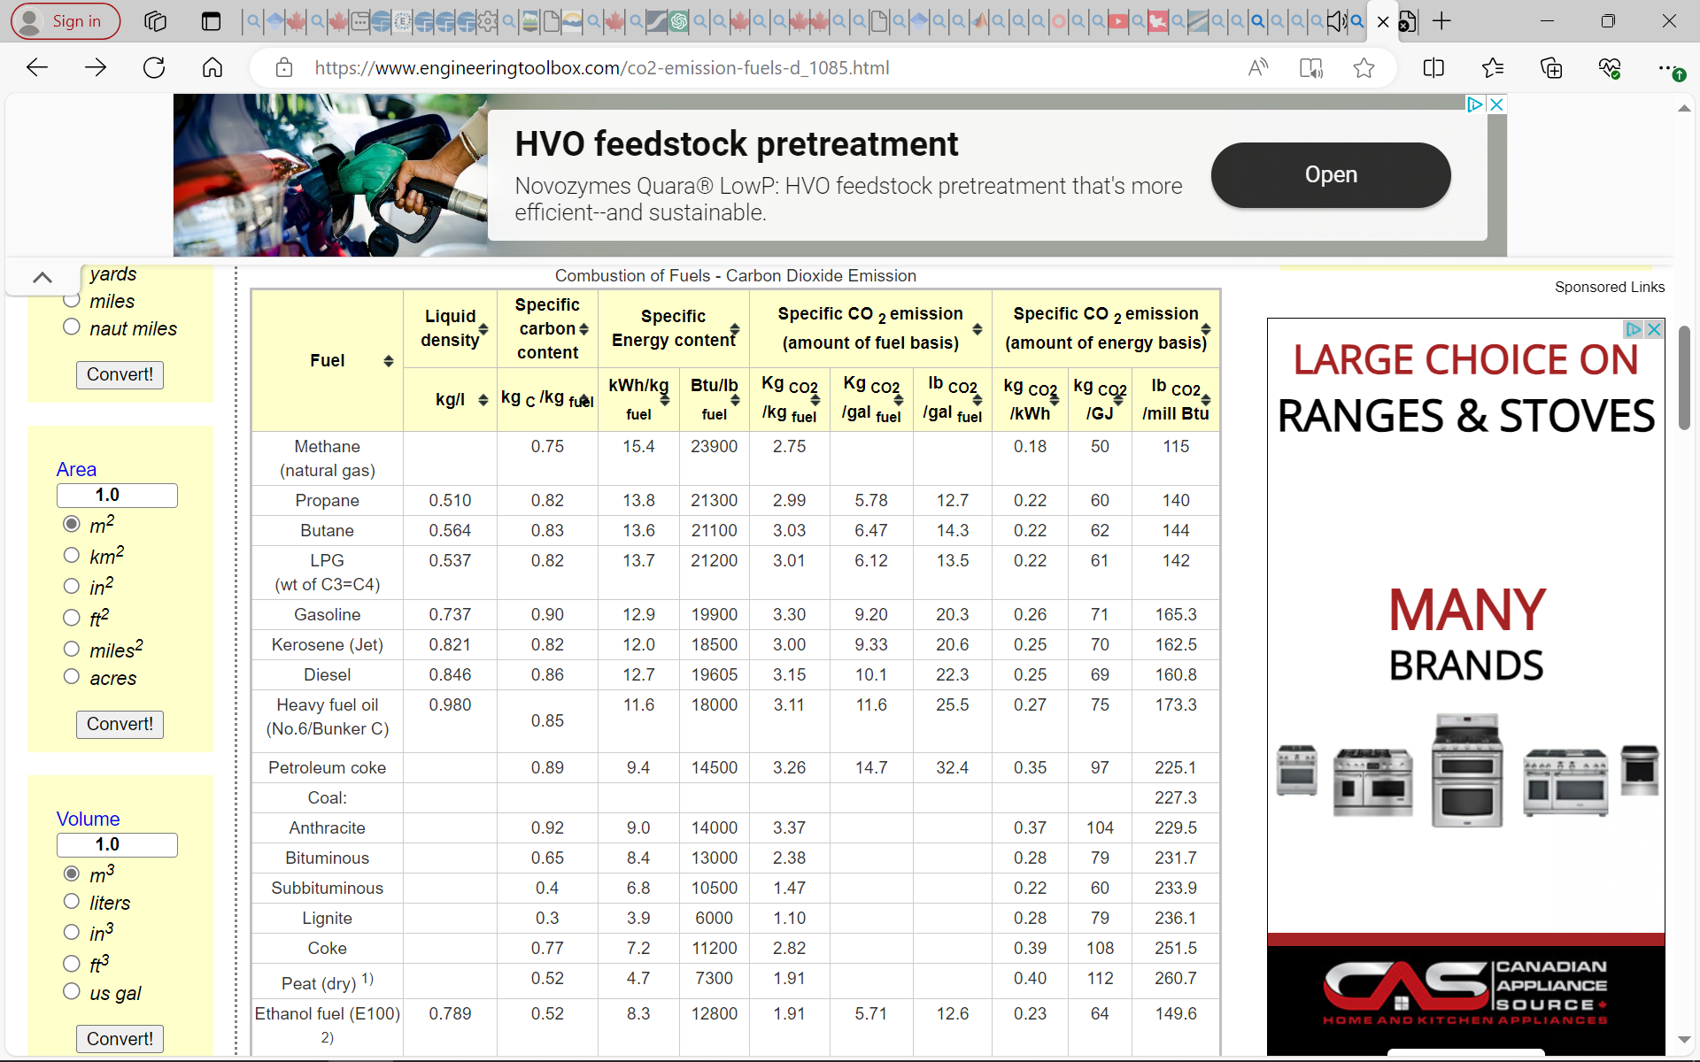
 |  |  | NOTE: referred to EU_TIMES |  |  |  | the lacking data referred to https://www.engineeringtoolbox.com/co2-emission-fuels-d_1085.html
Dynamic coefficients for combustion emissions in agriculture
~COMEMI
CommName | AGRHFO | AGRLFO | AGRGAS | AGRDST | AGRKER | AGRPROP | AGRGSL | AGRSTM | AGRELC
AGRCO2N | 78.00 | 78.00 | 56.00 | 74.00 | 162.50 | 60.00 | 71.00
AGRCOXN
AGRCH4N
AGRSO2N
AGRNOXN
AGRN2ON
AGRPMAN
AGRPMBN
AGRVOCN
AGRSF6N
AGRCXFN

