SolWin-AF and STOCK
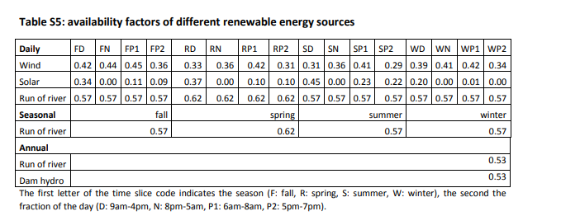
 |  |  |  |  |  |  |  |  |  |  |  |  | *we considered the available factor for onshore/offshore wind same, following the value opened of natem
~TFM_INS |  |  |  |  |  |  |  |  |  |  |  |  | *why is there no stock for wind/PV, compared with hydropower in EU? We completed it here
TimeSlice | LimType | Attribute | Year | AT | QU | ON | MA | SA | AL | BC | Pset_Set | Pset_PN
FD | FX | NCAP_AF | 2020,2100 | 0.42 | 0.42 | 0.42 | 0.42 | 0.42 | 0.42 | 0.42 |  | EEPP_WindON
FN | FX | NCAP_AF | 2020,2100 | 0.44 | 0.44 | 0.44 | 0.44 | 0.44 | 0.44 | 0.44 |  | EEPP_WindON |  |  | *NATEM uses the data made available by the Canadian Wind Energy Association (CanWEA) in their Pan-Canadian wind integration study [5]. The data includes projections of wind production per hour for 4984 sites in Canada, 1382 in Quebec. Different sites are used to evaluate various levels of wind power penetration. For consistency, we used just the sites included in the 35% wind power penetration scenario, which was chosen as maximum yearly penetration leve
FP | FX | NCAP_AF | 2020,2100 | 0.4 | 0.4 | 0.4 | 0.4 | 0.4 | 0.4 | 0.4 |  | EEPP_WindON
RD | FX | NCAP_AF | 2020,2100 | 0.33 | 0.33 | 0.33 | 0.33 | 0.33 | 0.33 | 0.33 |  | EEPP_WindON
RN | FX | NCAP_AF | 2020,2100 | 0.36 | 0.36 | 0.36 | 0.36 | 0.36 | 0.36 | 0.36 |  | EEPP_WindON
RP | FX | NCAP_AF | 2020,2100 | 0.36 | 0.36 | 0.36 | 0.36 | 0.36 | 0.36 | 0.36 |  | EEPP_WindON
SD | FX | NCAP_AF | 2020,2100 | 0.31 | 0.31 | 0.31 | 0.31 | 0.31 | 0.31 | 0.31 |  | EEPP_WindON
SN | FX | NCAP_AF | 2020,2100 | 0.36 | 0.36 | 0.36 | 0.36 | 0.36 | 0.36 | 0.36 |  | EEPP_WindON
SP | FX | NCAP_AF | 2020,2100 | 0.35 | 0.35 | 0.35 | 0.35 | 0.35 | 0.35 | 0.35 |  | EEPP_WindON
WD | FX | NCAP_AF | 2020,2100 | 0.39 | 0.39 | 0.39 | 0.39 | 0.39 | 0.39 | 0.39 |  | EEPP_WindON
WN | FX | NCAP_AF | 2020,2100 | 0.41 | 0.41 | 0.41 | 0.41 | 0.41 | 0.41 | 0.41 |  | EEPP_WindON
WP | FX | NCAP_AF | 2020,2100 | 0.38 | 0.38 | 0.38 | 0.38 | 0.38 | 0.38 | 0.38 |  | EEPP_WindON

~TFM_INS
TimeSlice | LimType | Attribute | Year | AT | QU | ON | MA | SA | AL | BC | Pset_Set | Pset_PN
FD | FX | NCAP_AF | 2020,2100 | 0.42 | 0.42 | 0.42 | 0.42 | 0.42 | 0.42 | 0.42 |  | EEPP_WindOFF
FN | FX | NCAP_AF | 2020,2100 | 0.44 | 0.44 | 0.44 | 0.44 | 0.44 | 0.44 | 0.44 |  | EEPP_WindOFF
FP | FX | NCAP_AF | 2020,2100 | 0.4 | 0.4 | 0.4 | 0.4 | 0.4 | 0.4 | 0.4 |  | EEPP_WindOFF
RD | FX | NCAP_AF | 2020,2100 | 0.33 | 0.33 | 0.33 | 0.33 | 0.33 | 0.33 | 0.33 |  | EEPP_WindOFF
RN | FX | NCAP_AF | 2020,2100 | 0.36 | 0.36 | 0.36 | 0.36 | 0.36 | 0.36 | 0.36 |  | EEPP_WindOFF
RP | FX | NCAP_AF | 2020,2100 | 0.36 | 0.36 | 0.36 | 0.36 | 0.36 | 0.36 | 0.36 |  | EEPP_WindOFF
SD | FX | NCAP_AF | 2020,2100 | 0.31 | 0.31 | 0.31 | 0.31 | 0.31 | 0.31 | 0.31 |  | EEPP_WindOFF
SN | FX | NCAP_AF | 2020,2100 | 0.36 | 0.36 | 0.36 | 0.36 | 0.36 | 0.36 | 0.36 |  | EEPP_WindOFF
SP | FX | NCAP_AF | 2020,2100 | 0.35 | 0.35 | 0.35 | 0.35 | 0.35 | 0.35 | 0.35 |  | EEPP_WindOFF
WD | FX | NCAP_AF | 2020,2100 | 0.39 | 0.39 | 0.39 | 0.39 | 0.39 | 0.39 | 0.39 |  | EEPP_WindOFF
WN | FX | NCAP_AF | 2020,2100 | 0.41 | 0.41 | 0.41 | 0.41 | 0.41 | 0.41 | 0.41 |  | EEPP_WindOFF
WP | FX | NCAP_AF | 2020,2100 | 0.38 | 0.38 | 0.38 | 0.38 | 0.38 | 0.38 | 0.38 |  | EEPP_WindOFF

~TFM_INS
TimeSlice | LimType | Attribute | Year | AT | QU | ON | MA | SA | AL | BC | Pset_PN
FD | FX | NCAP_AF | 2020,2100 | 0.34 | 0.34 | 0.34 | 0.34 | 0.34 | 0.34 | 0.34 | EEPP_PV
FN | FX | NCAP_AF | 2020,2100 | 0 | 0 | 0 | 0 | 0 | 0 | 0 | EEPP_PV
FP | FX | NCAP_AF | 2020,2100 | 0.1 | 0.1 | 0.1 | 0.1 | 0.1 | 0.1 | 0.1 | EEPP_PV
RD | FX | NCAP_AF | 2020,2100 | 0.37 | 0.37 | 0.37 | 0.37 | 0.37 | 0.37 | 0.37 | EEPP_PV
RN | FX | NCAP_AF | 2020,2100 | 0 | 0 | 0 | 0 | 0 | 0 | 0 | EEPP_PV
RP | FX | NCAP_AF | 2020,2100 | 0.1 | 0.1 | 0.1 | 0.1 | 0.1 | 0.1 | 0.1 | EEPP_PV
SD | FX | NCAP_AF | 2020,2100 | 0.45 | 0.45 | 0.45 | 0.45 | 0.45 | 0.45 | 0.45 | EEPP_PV
SN | FX | NCAP_AF | 2020,2100 | 0 | 0 | 0 | 0 | 0 | 0 | 0 | EEPP_PV
SP | FX | NCAP_AF | 2020,2100 | 0.23 | 0.23 | 0.23 | 0.23 | 0.23 | 0.23 | 0.23 | EEPP_PV
WD | FX | NCAP_AF | 2020,2100 | 0.2 | 0.2 | 0.2 | 0.2 | 0.2 | 0.2 | 0.2 | EEPP_PV
WN | FX | NCAP_AF | 2020,2100 | 0 | 0 | 0 | 0 | 0 | 0 | 0 | EEPP_PV
WP | FX | NCAP_AF | 2020,2100 | 0.1 | 0.1 | 0.1 | 0.1 | 0.1 | 0.1 | 0.1 | EEPP_PV

TFM_INS
TimeSlice | LimType | Attribute | Year | PSET_PN | PSET_PD | AllRegions
FD,FN,FP | FX | NCAP_AF |  | EEPP_OCE |  | 0.225
RD,RN,RP | FX | NCAP_AF |  | EEPP_OCE |  | 0.225
SD,SN,SP | FX | NCAP_AF |  | EEPP_OCE |  | 0.225
WD,WN | FX | NCAP_AF |  | EEPP_OCE |  | 0.225
WP | FX | NCAP_AF |  | EEPP_OCE |  | 0.225

 |  |  |  |  |  |  |  |  |  |  |  |  |  | *PV stock is from https://www.statista.com/statistics/472761/capacity-solar-pv-energy-in-canada-by-province/
 |  |  |  |  |  |  |  |  |  |  |  |  |  |  |  |  | ~TFM_INS
 |  | Attribute | Year | Pset_PN | AllRegions | AT | QU | ON | MA | SA | AL | BC |  | *onshore provincial wind capacity is from 2021 dat, mapped in https://www.sciencedirect.com/science/article/pii/S1364032122005792#fig1 |  | Attribute | Year | Pset_PN | AllRegions | AT | QU | ON | MA | SA | AL | BC
 |  | STOCK | 2020 | EEPP_PV |  | 0.005 | 0.00625 | 3.21 | 0.0358 | 0.048 | 0.275 | 0.03618 |  |  |  | STOCK | 2020 | EEPP_PV |  | 0.005 | 0.00625 | 3.21 | 0.0358 | 0.048 | 0.275 | 0.03618
 |  | STOCK | 2025 | EEPP_PV |  | 0.005 | 0.00625 | 3.21 | 0.0358 | 0.048 | 0.275 | 0.03618 |  |  |  | STOCK | 2045 | EEPP_PV |  | 0 | 0 | 0 | 0 | 0 | 0 | 0
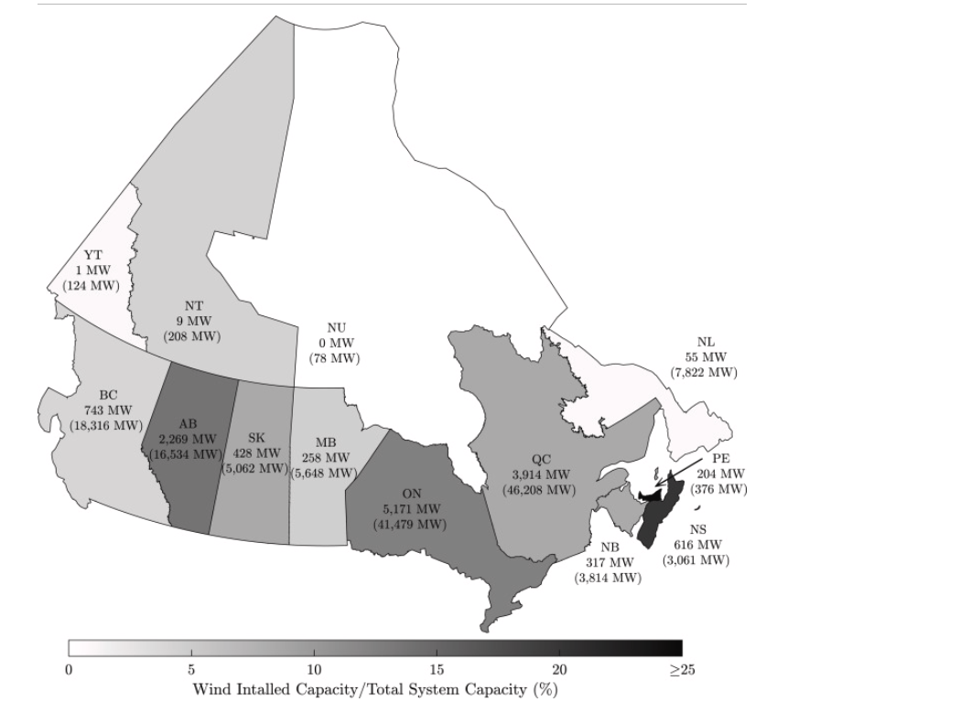
 |  | STOCK | 2030 | EEPP_PV |  | 0.005 | 0.00625 | 3.21 | 0.0358 | 0.048 | 0.275 | 0.03618 |  |  |  | STOCK | 2020 | EEPP_WindOFF |  | 0 | 0 | 0 | 0 | 0 | 0 | 0
 |  | STOCK | 2035 | EEPP_PV |  | 0.005 | 0.00625 | 3.21 | 0.0358 | 0.048 | 0.275 | 0.03618 |  |  |  | STOCK | 2050 | EEPP_WindOFF |  | 0 | 0 | 0 | 0 | 0 | 0 | 0
 |  | STOCK | 2040 | EEPP_PV |  | 0.005 | 0.00625 | 3.21 | 0.0358 | 0.048 | 0.275 | 0.03618 |  |  |  | STOCK | 2020 | EEPP_WindON |  | 1.192 | 3.9 | 5.17 | 0.26 | 0.428 | 2.27 | 0.743
 |  | STOCK | 2045 | EEPP_PV |  | 0.005 | 0.00625 | 3.21 | 0.0358 | 0.048 | 0.275 | 0.03618 |  |  |  | STOCK | 2050 | EEPP_WindON |  | 0 | 0 | 0 | 0 | 0 | 0 | 0
 |  | STOCK | 2050 | EEPP_PV |  | 0.005 | 0.00625 | 3.21 | 0.0358 | 0.048 | 0.275 | 0.03618 |  |  |  | STOCK | 0 | EEPP_WindON |  | 5 | 5 | 5 | 5 | 5 | 5 | 5
 |  | STOCK | 2100 | EEPP_PV |  | 0.005 | 0.00625 | 3.21 | 0.0358 | 0.048 | 0.275 | 0.03618 |  |  |  | STOCK | 0 | EEPP_WindOFF |  | 5 | 5 | 5 | 5 | 5 | 5 | 5
 |  | STOCK | 2020 | EEPP_WindOFF |  | 0 | 0 | 0 | 0 | 0 | 0 | 0 |  |  |  | STOCK | 0 | EEPP_PV |  | 5 | 5 | 5 | 5 | 5 | 5 | 5
 |  | STOCK | 2025 | EEPP_WindOFF |  | 0 | 0 | 0 | 0 | 0 | 0 | 0
 |  | STOCK | 2030 | EEPP_WindOFF |  | 0 | 0 | 0 | 0 | 0 | 0 | 0
 |  | STOCK | 2035 | EEPP_WindOFF |  | 0 | 0 | 0 | 0 | 0 | 0 | 0
 |  | STOCK | 2040 | EEPP_WindOFF |  | 0 | 0 | 0 | 0 | 0 | 0 | 0
 |  | STOCK | 2045 | EEPP_WindOFF |  | 0 | 0 | 0 | 0 | 0 | 0 | 0
 |  | STOCK | 2050 | EEPP_WindOFF |  | 0 | 0 | 0 | 0 | 0 | 0 | 0
 |  | STOCK | 2100 | EEPP_WindOFF |  | 0 | 0 | 0 | 0 | 0 | 0 | 0
 |  | STOCK | 2020 | EEPP_WindON |  | 1.192 | 3.9 | 5.17 | 0.26 | 0.428 | 2.27 | 0.743
 |  | STOCK | 2025 | EEPP_WindON |  | 1.192 | 3.9 | 5.17 | 0.26 | 0.428 | 2.27 | 0.743
 |  | STOCK | 2030 | EEPP_WindON |  | 1.192 | 3.9 | 5.17 | 0.26 | 0.428 | 2.27 | 0.743
 |  | STOCK | 2035 | EEPP_WindON |  | 1.192 | 3.9 | 5.17 | 0.26 | 0.428 | 2.27 | 0.743
 |  | STOCK | 2040 | EEPP_WindON |  | 1.192 | 3.9 | 5.17 | 0.26 | 0.428 | 2.27 | 0.743
 |  | STOCK | 2045 | EEPP_WindON |  | 1.192 | 3.9 | 5.17 | 0.26 | 0.428 | 2.27 | 0.743
 |  | STOCK | 2050 | EEPP_WindON |  | 1.192 | 3.9 | 5.17 | 0.26 | 0.428 | 2.27 | 0.743
 |  | STOCK | 2100 | EEPP_WindON |  | 1.192 | 3.9 | 5.17 | 0.26 | 0.428 | 2.27 | 0.743
 |  | STOCK | 0 | EEPP_WindON |  | 5 | 5 | 5 | 5 | 5 | 5 | 5
 |  | STOCK | 0 | EEPP_WindOFF |  | 5 | 5 | 5 | 5 | 5 | 5 | 5
 |  | STOCK | 0 | EEPP_PV |  | 5 | 5 | 5 | 5 | 5 | 5 | 5

