ELC_ExistingStock
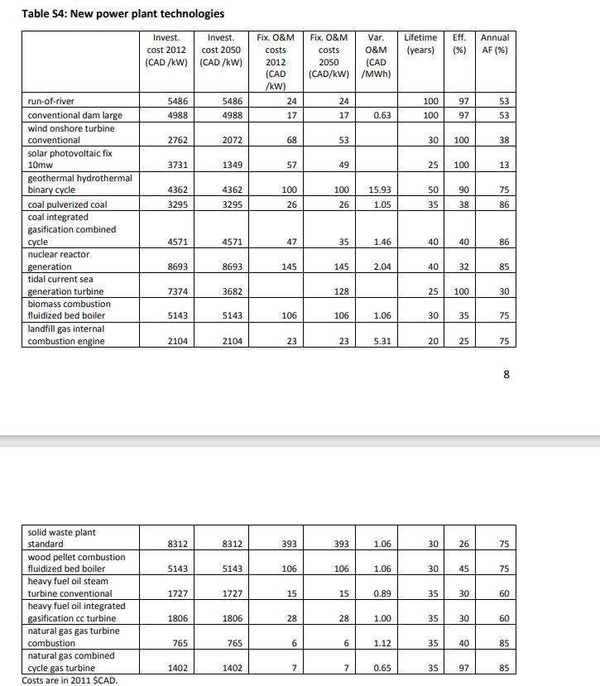
 |  | ~FI_T |  |  |  |  | *geothermal could live 200 years |  |  |  | *The EU defines in By-trans that all E* CAP2ACT is 31.536, but we only defined EL* as 31.536, (and we have deleted it in By_trans yet) so we complementarily defined it here |  | ~FI_Process |  |  |  |  |  |  | MovedToSysSettings |  |  |  | *No peak contribute here, compared with Demo
TechName | Comm-IN | Comm-OUT | ELIFE | LIFE | FIXOM | NCAP_BND~UP~0 | FOMX | AFA | EFF | EFFX | CHPR~FX | CAP2ACT | Sets | TechName | TechDesc | Tact | Tcap | Tslvl | Vintage | Csets | CommName | CommDesc | Unit | LimType | CTSLvl | PeakTS | Ctype
ECHP_biomass_thermal | ELCWOO | ELC,HETHTH | 5 | 30 | 106 | 2 | 1.06 | 75% | 35% |  |  | 31.54 | CHP | ECHP_biomass_thermal | Existing CHP plant - biomass_thermal | PJ | GW | DAYNITE | YES | NRG | ELCWOO | ELCWOO | PJ
ECHP_coal_thermal | ELCCOH | ELC,HETHTH | 5 | 35 | 26 | 2 | 1.05 | 0.86 | 38% |  |  | 31.54 | CHP | ECHP_coal_thermal | Existing CHP plant - coal_thermal | PJ | GW | DAYNITE | YES |  | ELCDST | ELCDST | PJ
ECHP_HFO_thermal | ELCHFO | ELC,HETHTH | 5 | 35 | 15 | 2 | 0.89 | 0.6 | 30% |  |  | 31.54 | CHP | ECHP_HFO_thermal | Existing CHP plant - HFO_thermal | PJ | GW | DAYNITE | YES |  | ELCSOL | ELCSOL | PJ
ECHP_LFO_thermal | ELCDST | ELC,HETHTH | 25 | 200 | 18 | 2 | 4 | 0.9 |  | 11 | 1.2 | 31.54 | CHP | ECHP_LFO_thermal | Existing CHP plant - LFO_thermal | PJ | GW | DAYNITE | YES |  | ELCWIN | ELCWIN | PJ
ECHP_lignite_thermal | ELCCOL | ELC,HETHTH | 25 | 200 | 30 | 2 | 2 | 0.91 |  | 11 | 1.2 | 31.54 | CHP | ECHP_lignite_thermal | Existing CHP plant - lignite_thermal | PJ | GW | DAYNITE | YES |  | ELCHIG | Electricity - High Voltage WITHOUT grid costs | PJ |  | DAYNITE | ANNUAL | ELC
ECHP_naturalgas_CCGT | ELCGAS | ELC,HETHTH | 25 | 200 | 7 | 2 | 0.65 | 0.85 | 97% |  |  | 31.54 | CHP | ECHP_naturalgas_CCGT | Existing CHP plant - naturalgas_CCGT | PJ | GW | DAYNITE | YES |  | HETHTH | HETHTH | PJ |  | SEASON | ANNUAL | LTHEAT
ECHP_naturalgas_OCGT | ELCGAS | ELC,HETHTH | 25 | 200 | 7 | 2 | 0.65 | 0.85 | 97% |  |  | 31.54 | CHP | ECHP_naturalgas_OCGT | Existing CHP plant - naturalgas_OCGT | PJ | GW | DAYNITE | YES |  | ELCHYD | ELCHYD | PJ
ECHP_naturalgas_thermal | ELCGAS | ELC,HETHTH | 5 | 35 | 6 | 2 | 1.12 | 0.85 | 40% |  |  | 31.54 | CHP | ECHP_naturalgas_thermal | Existing CHP plant - naturalgas_thermal | PJ | GW | DAYNITE | YES
ECHP_PV | ELCSOL | ELC,HETHTH | 20 | 25 | 57 | 2 |  |  | 1 |  |  | 31.54 | CHP | ECHP_PV | Existing CHP plant - PV | PJ | GW | DAYNITE | YES
EEPP_biomass_CCGT | ELCWOO | ELC | 5 | 30 | 106 | 2 | 1.06 | 75% | 35% |  |  | 31.54 | ELE | EEPP_biomass_CCGT | Existing Electricity plant - biomass_CCGT | PJ | GW | DAYNITE | YES
EEPP_biomass_thermal | ELCWOO | ELC | 5 | 30 | 106 | 2 | 1.06 | 75% | 35% |  |  | 31.54 | ELE | EEPP_biomass_thermal | Existing Electricity plant - biomass_thermal | PJ | GW | DAYNITE | YES
EEPP_coal_CCGT | ELCCOH | ELC | 5 | 40 | 47 | 2 | 1.46 | 0.86 | 40% |  |  | 31.54 | ELE | EEPP_coal_CCGT | Existing Electricity plant - coal_CCGT | PJ | GW | DAYNITE | YES
EEPP_coal_thermal | ELCCOH | ELC | 5 | 35 | 26 | 2 | 1.05 | 0.86 | 38% |  |  | 31.54 | ELE | EEPP_coal_thermal | Existing Electricity plant - coal_thermal | PJ | GW | DAYNITE | YES
EEPP_geothermal | ELCGEO | ELC | 25 | 200 | 100 | 2 | 15.93 | 0.9 | 1 |  |  | 31.54 | ELE | EEPP_geothermal | Existing Electricity plant - geothermal | PJ | GW | DAYNITE | YES
EEPP_HFO_thermal | ELCHFO | ELC | 5 | 35 | 15 | 2 | 0.89 | 0.6 | 30% |  |  | 31.54 | ELE | EEPP_HFO_thermal | Existing Electricity plant - HFO_thermal | PJ | GW | DAYNITE | YES
EEPP_LFO_thermal | ELCDST | ELC | 25 | 200 | 18 | 2 | 4 | 0.9 |  | 11 |  | 31.54 | ELE | EEPP_LFO_thermal | Existing Electricity plant - LFO_thermal | PJ | GW | DAYNITE | YES
EEPP_lignite_thermal | ELCCOL | ELC | 25 | 200 | 30 | 2 | 2 | 0.9 |  | 11 |  | 31.54 | ELE | EEPP_lignite_thermal | Existing Electricity plant - lignite_thermal | PJ | GW | DAYNITE | YES
EEPP_naturalgas_CCGT | ELCGAS | ELC | 25 | 200 | 7 | 2 | 0.65 | 0.85 | 97% |  |  | 31.54 | ELE | EEPP_naturalgas_CCGT | Existing Electricity plant - naturalgas_CCGT | PJ | GW | DAYNITE | YES
EEPP_naturalgas_OCGT | ELCGAS | ELC | 25 | 200 | 7 | 2 | 0.65 | 0.85 | 97% |  |  | 31.54 | ELE | EEPP_naturalgas_OCGT | Existing Electricity plant - naturalgas_OCGT | PJ | GW | DAYNITE | YES
EEPP_naturalgas_thermal | ELCGAS | ELC | 5 | 35 | 6 | 2 | 1.12 | 0.85 | 40% |  |  | 31.54 | ELE | EEPP_naturalgas_thermal | Existing Electricity plant - naturalgas_thermal | PJ | GW | DAYNITE | YES
EEPP_PV | ELCSOL | ELC | 20 | 25 | 57 | 2 |  |  | 1 |  |  | 31.54 | ELE | EEPP_PV | Existing Electricity plant - PV | PJ | GW | DAYNITE | YES
EEPP_CSP | ELCSOL | ELC | 20 | 25 | 57 | 2 |  |  | 1 |  |  | 31.54 | ELE | EEPP_CSP | Existing Electricity plant - CSP | PJ | GW | DAYNITE | YES
EEPP_windOFF | ELCWIN | ELC | 25 | 30 | 68 | 2 |  |  | 1 |  |  | 31.54 | ELE | EEPP_windOFF | Existing Electricity plant - windOFF - offshore | PJ | GW | DAYNITE | YES
EEPP_windON | ELCWIN | ELC | 25 | 30 | 68 | 2 |  |  | 1 |  |  | 31.54 | ELE | EEPP_windON | Existing Electricity plant - windON - onshore | PJ | GW | DAYNITE | YES
EEPP_OCE | ELCTID | ELC | 20 | 25 | 128 | 2 |  | 0.3 | 1 |  |  | 31.54 | * | EEPP_OCE | Existing Electricity plant - OCE - offshore | PJ | GW | DAYNITE | YES
EUHYDDAM00 | ELCHYD | ELC | 50 | 100 | 17 | 2 | 0.63 |  | 97% |  |  | 31.54 | ELE | EUHYDDAM00 | Existing Hydro Dams | PJ | GW | DAYNITE | YES
EUHYDRUN00 | ELCHYD | ELC | 50 | 100 | 24 | 2 |  |  | 97% |  |  | 31.54 | ELE | EUHYDRUN00 | Existing Run-of-river hydro | PJ | GW | DAYNITE | YES
EEPP_HYDPS | ELC | ELC |  | 100 |  |  |  |  | 97% |  |  | 31.54 | ELE,STS | EEPP_HYDPS | Existing Pumped Storage Plants - DPS | PJ | GW | DAYNITE | YES

Existing pumped storage was moved to non-EEpp processes
 |  |  | *ELIFE is set as the half of LIFE for hydropower ,follwing the proportion of EU-TIMES
 |  |  | *Most cost (investment cost, fixed operation cost, variable operation cost) refers the NATEM because this part is open, and the lacking data we referred EU-TIMES
 |  |  | * all of the fixed operation cost unit is Meur/GW or Meur/PJ while for VAROM in Demos; while in NATEM it was CAD/kW, which is the same unit; the EU-TIMES same too
 |  |  | *in base-year file, you don.t need to define the invescost because it was forbidened here
 |  |  | *here the FOMX we think same as VAROM, but the unit is CAD/MWh, we not sure about this point
 |  |  | *assumes same parameters for natural gas ccgt and ocgt
Used for FOMX |  |  | *assumes same parameters for echp and eepp
23 | 3 |  | *assumes same parameters for concentrated solar and PV
18 | 4
30 | 2

