EnergyBalance
 |  |  |  |  |  |  |  |  |  |  | Default Units | Currency | Activity | Emissions
 |  | Coal | GAS | OIL | NUC | RNW | SLU | HET | ELC |  |  | M€2020 | PJ | kt
 |  | Solid Fuels | Natural Gas | Crude Oil | Nuclear Energy | Renewable Energies | Industrial Wastes | Derived Heat | Electricity | Total
 | PRIMARY
MIN | Domestic Supply | 8098 | 7899 | 5379 | 10775 | 5027 | 0 | 0 | 0 | 37178
IMP | Imports | 6463 | 13292 | 39960 | 0 | 113 | 0 | 0 | 1168 | 60995
EXP | Exports | -1147 | -2516 | -14831 | 0 | -72 | 0 | 0 | -1127 | -19693
TPS | Total Primary Supply | 13414 | 18675 | 30508 | 10775 | 5067 | 0 | 0 | 41 | 78480
 | CONVERSION
ESC | Energy Sector Consumption | -58 | -793 | -1849 | 0 | -4 | -2 | 0 | 0 | -2705
ELC | Electricity Plants | -9598 | -5636 | -1225 | -10775 | -1256 | -33 | 1738 | 11581 | -15204
HPL | Heat Plants | -161 | -301 | -50 | 0 | -140 | -2 | 659 | 0 | 5
REF | Petroleum Refineries |  |  | -31736 |  |  |  |  |  | -31736
 | Total Conversion | -9817 | -6730 | -34859 | -10775 | -1400 | -36 | 2396 | 11581 | -49640
 | FINAL
RSD | Residential | 357 | 5160 | 2289 | 0 | 1294 | 0 | 865 | 2872 | 12837
COM | Commercial | 57 | 1752 | 855 | 0 | 67 | 1 | 255 | 2527 | 5514
IND | Industry | 1897 | 4437 | 2016 | 0 | 722 | 117 | 634 | 4088 | 13911
AGR | Agriculture | 44 | 201 | 797 | 0 | 63 | 0 | 16 | 19 | 1141
TRA | Transport | 1 | 21 | 14851 | 0 | 131 | 0 | 0 | 266 | 15270
OTH | Other | 1189 | 0 | 393 | 0 | 1390 | 0 | 627 | 650 | 4249
NEN | Non Energy | 52 | 634 | 4073 |  | 0 | 0 | 0 | 0 | 4759
BNK | Bunkers | 0 | 0 | 2111 |  | 0 | 0 | 0 | 0 | 2111
TFC | Total Final Consumption | 3597 | 12205 | 27385 | 0 | 3667 | 118 | 2396 | 10423 | 59791

Column B (rows 5 -24) is used to set up the technology and commoditiy names and descriptions in the model.
Row 2 and Row 5 are used to build techology and commodity names and descriptions in the model.
 | Data used in the template to buld the model

This share is used to split the total domestic production in more than one step. In this way it is possible to set up in the model a supply curve defined by the maximum production and cost

 |  | COA
 | Domestic Supply Curve Share - Step 1 | 75%
 | Domestic Supply Curve Share - Step 2 | 25%

RES&OBJ
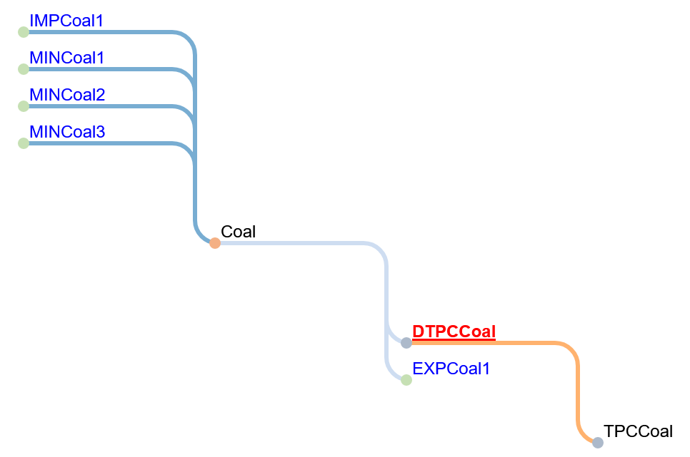

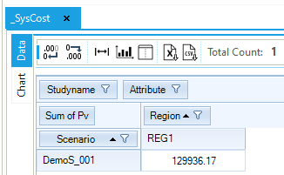
_SysCost result table

Objective Function
Run name: DemoS_001

Reference Energy System

Pri_COA
Sector Name | Commodity | Description | Default Unit |  | Currency Unit
 | Coal | Solid Fuels | PJ |  | M€2020 | ~FI_Comm
 |  |  |  |  |  | Csets | Region | CommName | CommDesc | Unit | LimType | CTSLvl | PeakTS | Ctype
 |  |  |  |  |  | *Commodity Set Membership | Region Name | Commodity Name | Commodity Description | Unit | Sense of the Balance EQN. | Timeslice Level | Peak Monitoring | Electricity Indicator
 |  |  |  |  |  | NRG |  | Coal | Solid Fuels | PJ

 | ~FI_T |  |  |  |  | ~FI_Process
process | attribute | Comm-IN | Comm-OUT | 2020 | 2021 | Sets | Region | TechName | TechDesc | Tact | Tcap | Tslvl | PrimaryCG | Vintage
*Technology Name |  | Input Commodity | Output Commodity |  |  | *Process Set Membership | Region Name | Technology Name | Technology Description | Activity Unit | Capacity Unit | TimeSlice level of Process Activity | Primary Commodity Group | Vintage Tracking
MINCoal1 | ACT_BND |  | Coal | 6074 | 6074 | *
MINCoal1 | ACT_CUM |  |  | 80000 |  | MIN |  | MINCoal1 | Domestic Supply of Solid Fuels Step 1 | PJ
MINCoal1 | COST |  |  | 2.00 |  |  |  | MINCoal2 | Domestic Supply of Solid Fuels Step 2 | PJ
MINCoal2 | ACT_BND |  | Coal | 2025 | 2025 |  |  | MINCoal3 | Domestic Supply of Solid Fuels Step 3 | PJ
MINCoal2 | ACT_CUM |  |  | 160000 |  | IMP |  | IMPCoal1 | Import of Solid Fuels Step 1 | PJ
MINCoal2 | COST |  |  | 2.50 |  | EXP |  | EXPCoal1 | Export of Solid Fuels Step 1 | PJ
MINCoal3 | ACT_CUM |  | Coal | 320000
MINCoal3 | COST |  |  | 3.00
IMPCoal1 | COST |  | Coal | 2.75
EXPCoal1 | ACT_BND | Coal |  | 1147 | 1147
Declare coal an energy commodity (FI_COMM table) and define each supply option (FI_Process table).
Construct a 3-step domestic coal supply curve, along with and import and export option.
EXPCoal1 | COST |  |  | 2.75

 | User inputs
 | Linked to the Energy Balance

DemTechs_TPS
Sector Name | Description | Type | Default Unit | Currency Unit |  | Existing
TPC | Total Primary Consumption | Demand Technology | PJ | M€2020 |  | E |  |  | ~FI_Comm
 |  |  |  |  |  |  |  |  | Csets | Region | CommName | CommDesc | Unit | LimType | CTSLvl | PeakTS | Ctype
 |  |  |  |  |  |  |  |  | *Commodity Set Membership | Region Name | Commodity Name | Commodity Description | Unit | Sense of the Balance EQN. | Timeslice Level | Peak Monitoring | Electricity Indicator
 |  |  |  |  |  |  |  |  | DEM |  | TPCCoal | Demand Total Primary Consumption - Coal | PJ

 | ~FI_T |  |  |  |  |  |  |  | ~FI_Process
process | attribute | commodity_group | Comm-IN | Comm-OUT | lim_type | currency | time_slice | 2020 | Sets | Region | TechName | TechDesc | Tact | Tcap | Tslvl | PrimaryCG | Vintage
*Technology Name |  |  | Input Commodity | Output Commodity |  |  |  |  | *Process Set Membership | Region Name | Technology Name | Technology Description | Activity Unit | Capacity Unit | TimeSlice level of Process Activity | Primary Commodity Group | Vintage Tracking
DTPCCoal | ACT_EFF | ACT | Coal | TPCCoal |  |  | ANNUAL | 1.00 | *
DTPCCoal | NCAP_AFA |  |  |  |  | UP |  | 0.95 | DMD |  | DTPCCoal | Demand Technology Total Primary Consumption - Coal | PJ | PJa
DTPCCoal | NCAP_COST |  |  |  | MEuro05 |  |  | 10
DTPCCoal | NCAP_FOM |  |  |  | MEuro05 |  |  | 0.20
Declare total primary supply coal demand commodity and (FI_COMM table) and define demand technology option (FI_Process table).
Construct a demand technology to deliver the total primary supply coal demand
DTPCCoal | NCAP_TLIFE |  |  |  |  |  |  | 20

 | User inputs
 | Linked to the Energy Balance

Demands
Sector Name | Commodity | Description | Default Unit | Currency Unit
DEM |  |  | PJ | M€2020

 | ~FI_T
Attribute | CommName | *Unit | 2020
* | Demand Commodity Name | Demand Unit | Demand Value
*Units |  |  | PJ
Demand | TPCCoal | PJ | 13414

Define the demand value for the base year. The COA demand defined in this sheet is the sum of Conversion and Final coal. consumption.

 | User inputs
 | Linked to the Energy Balance

