NetZero work
 | Reubens thesis
 | Furnace route | Characteristics
 | Open or semi- open submerged AC | · <30 MVA
 |  | · 70-75% Cr recovery
 |  | · 4300 kWh/t
 | Closed submerged arc AC | · >135 MVA
 |  | · 83-87% Cr recovery
 |  | · 3200 kWh/t
 | Prereduction preceding closed submerged arc AC | · 60 MVA
 |  | · 88-92% Cr recovery
 |  | · 2400 kWh/t (Electrical energy only)
 | Open DC | · 60 MVA
 |  | · 88-92% Cr recovery
 |  | · 4300 kWh/t

 |  |  |  |  |  |  |  |  |  |  |  |  |  |  | Lion project:
 | Company | Production capacity (kt/year) | GPS (Longtitude) | GPS (Longtitude) | Premus (lion) | Outukumpu | Conv. Closed | Semi-closed |  | Cogen? | Prereduce | Comment |  |  | https://www.engineeringnews.co.za/print-version/lion-ferrochrome-smelter-eastern-chrome-mines-restart-merafe-2020-05-08
 | Glencore Merafe (Xstrata) | 2000 | -25.6222 | 27.2191 | 0.72 | 1.28 |  |  | assume rest os Outukumpu | no
 | Samancor Chrome Limited | 1200 | ? | ? |  | 1.2 | 0.42 |  | Assume all closed + outukumpu. Henric assumed to be conventional |  | no
 | (Samancor) |  |  |  |  |  |  |  |  |  |  |  |  |  | 4.9 | billion ZAR for lion II
 | Tata KZN | 150 | -28.7442 | 32.0214 |  |  | 0.15 |  | assume |  |  | Appear to be offline |  |  | 0.36 | Mt Capacity of lion II
 | Afarak (Probably now Zeetrust) | 110 | -26.1357 | 28.0470 |  |  | 0.11 |  | assume |  |  |  |  |  | 0.36 | Mt of lion I
 | Includes Mogale alloys processing plant |  |  |  |  |  |  |  |  |  |  |  |  |  | 13.611111111 | bn ZAR/Mt
 | Hernic Ferrochrome | 420 | -25.6587 | 27.8285 |  |  |  |  |  |  |  | Now owned by Samancor
 | International Ferro Metals | 267 | -26.9032 | 26.8091 |  |  | 0.267 |  |  | 14 |  | 60% | MW | http://www.ifml.com/operations/project-development.html | .
 | (IFML)
 | ASA Metals (Newco) | 410 | -26.0376 | 28.0427 |  |  |  | 0.41 | https://www.miningweekly.com/print-version/asa-metals-builds-on-quality-2005-03-25
 | Assmang Chrome | 300 | -25.7155 | 30.2313 |  |  | 0.3 |  |  |  |  |  |  |  | https://www.miningweekly.com/article/technology-slashes-power-use-at-glencores-huge-s-african-chrome-smelter-2014-11-05/rep_id:3650
 | Total South African capacity | 4707
 |  |  |  |  |  |  |  |  |  |  |  |  |  |  | Lion is preheat, prereduce and CO recovery (for drying and preheating)
 |  |  |  |  |  |  |  |  |  |  |  |  |  |  | 3000 | MWh/tonne
 |  | total capacity | 4.86 |  | 0.72 | 2.48 | 1.247 | 0.41 | Mt
 |  | technology intensity |  |  | 2400 | 3500 | 4100 | 4100 | kWh/t |  |  |  |  |  | 22 | furnces total for company Glencore
 |  | total elec: | 17,202 |  | 1728 | 8680 | 5112.7 | 1681 | GWh |  |  |  |  |  | 13 | a mix of Semi-open furnaces some with Otukumpu pelletiser tech
 |  | total gen: | 74 |  |  |  | 73.584
 |  | total net | 17,128 |  |  |  |  |  |  |  |  |  |  |  | 2 | Close furnaces at Boshoek, uses outukumpu
 |  |  |  |  |  |  |  |  |  |  |  |  |  |  | 4 | Lion furnaces (not clear if Lion II included) - using premus
 |  |  | 3542 |  | kWh/t avg - SA
 |  |  | 3104 |  | kWh/t avg - Glencore
 |  |  |  |  |  |  |  |  |  |  |  |  |  |  | https://docplayer.net/86507326-Production-technologies-of-crm-from-primary.html
 |  |  |  |  |  |  |  |  |  |  |  |  |  |  | Chapter 7
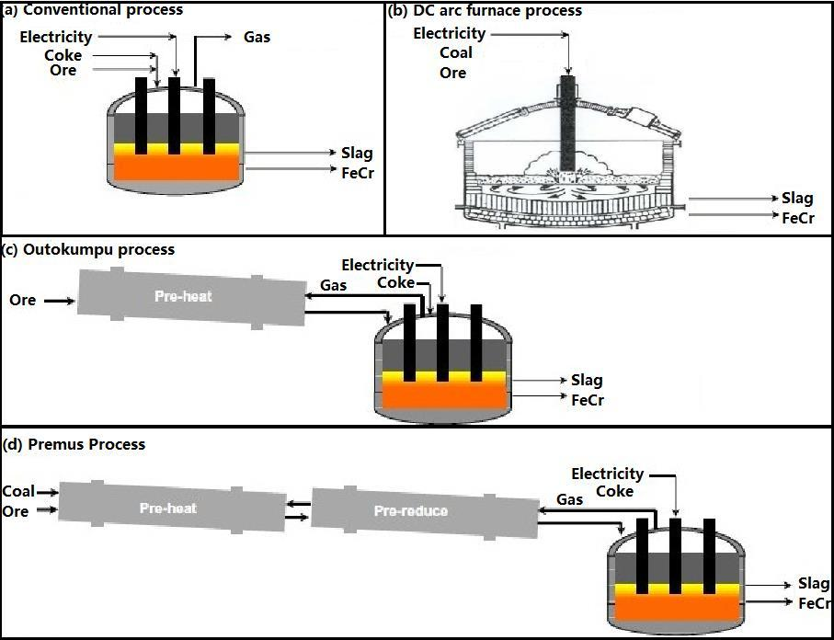
 |  |  |  |  |  |  |  |  |  |  |  |  |  |  | Conventional (AF)
 |  |  |  |  |  |  |  |  |  |  |  |  |  |  | 4100 | kWh/t
 |  |  | Energy and reductants characterisitics
 |  |  |  |  |  |  | Reductants (source: Gegiba and Russ) - tonnes |  |  |  |  |  |  |  | DC
 |  |  |  |  |  | Electricity | total | Coal | Coke | Char | Anthracite |  |  |  | no coke
 |  |  | Conventional |  |  | 4100 | 0.69 | 0.2 | 0.27 | 0.123 | 0.097 |  |  |  | 4800 | kWh/t
 |  |  | Outukumpu |  |  | 3500 | 0.61 | 0.026 | 0.299 | 0.245 | 0.041
 |  |  | Premus |  |  | 2400 |  |  |  |  |  |  |  |  | Outukumpu
 |  |  |  |  |  |  |  |  |  |  |  |  |  |  | Pelletise, sinter, preheat
 |  |  | "Premus was to reduce use of coke (high cost)" - Naiker 2006 Xstrata alloys profile |  |  |  |  |  |  |  |  |  |  |  | Recover CO gas for preheating
 |  |  | "overall cant reduce reductants, just the type" - reuben thesis |  |  |  |  |  |  |  |  |  |  |  | 3500 | kWh/t

summarise
 |  |  |  |  |  |  |  |  |  |  |  |  |  |  | Premus
 |  |  |  |  |  |  |  |  |  |  |  |  |  |  | Sinter, pre-reduce, smelt
 |  |  |  |  |  |  |  |  |  |  |  |  |  |  | CO gas + Coal for pre-reduce
 |  |  |  |  |  |  |  |  |  |  |  |  |  |  | 2400 | kWh/t

 |  |  |  |  | Conventional closed | Outukumpu | Premus | Onsite Elec gen. (MW) | Notes
 |  | Energy | Electricity kWh/t FeCr |  | 4100 | 3500 | 2400 |  |  |  | references: | Gediga and Russ, and
 |  |  | Others |  |  |  |  |  |  |  | Reuben's thesis
 |  | Reductants (tonnes per t FeCr) | Coal |  | 0.2 | 0.026 | 0.026 |  | Premus tech: asume half coke, increased anthracite
 |  |  | coke |  | 0.27 | 0.299 | 0.1495 |  |  |  | Gediga and russ |  |  |  | Gediga and Russ: Life Cycle Inventory (LCI) update of primary Ferrochrome production, 2007
 |  |  | char |  | 0.123 | 0.245 | 0.245
 |  |  | anthracite |  | 0.097 | 0.041 | 0.1905 |  |  |  |  |  |  |  |  | Closed furnace without preheating
 |  |  | subtotal |  | 0.69 | 0.611 | 0.611 |  |  |  |  |  |  |  |  | 4.27 | kWh/kg
 |  | Company capacity (Mt) | Glencore Merafe (Xstrata) |  |  | 1.28 | 0.72 |  |  |  |  |  |  |  |  | 0.69 | kg reductants
 |  |  | Samancor Chrome Limited |  | 0.42 | 1.2 |  |  | Includes Henric smelter (now owned by Samancor) |  |  |  |  |  |  |  | of which:
 |  |  | Tata KZN |  | 0.15 |  |  |  |  |  |  |  |  |  |  | 0.2 | coal
 |  |  | Afarak (Probably now Zeetrust) |  | 0.11 |  |  |  |  |  |  |  |  |  |  | 0.27 | coke
 |  |  | International Ferro Metals |  | 0.267 |  |  | 14 |  |  |  |  |  |  |  | 0.123 | char
 |  |  | ASA Metals (Newco) |  | 0.41 |  |  |  | assume converted to conventional
 |  |  | Assmang Chrome |  | 0.3
 |  |  | subtotal |  | 1.66 | 2.48 | 0.72
 |  | Total capacity |  |  | 4.86

 |  | assumptions on production levels
 |  |  | Glencore Merafe (Xstrata) |  |  | 80% | 80%
 |  |  | Samancor Chrome Limited |  | 80% | 80%
 |  |  | Tata KZN |  | 0%
 |  |  | Afarak (Probably now Zeetrust) |  | 70% |  |  |  | 70%
 |  |  | International Ferro Metals |  | 70%
 |  |  | ASA Metals (Newco) |  | 70%
 |  |  | Assmang Chrome |  | 0% |  |  |  | Calibration check
 |  |  |  |  |  |  |  |  | total here | SAMI 2018 report
 |  | Total production |  |  | 0.8869 | 1.984 | 0.576 | Mt | 3.4469 | 3.484 | 0.0371 | diff to SAMI2018
 |  | Consumption: |  |  |  |  |  |  |  | eskom incl. Manganese + silicon |  |  |  |  |  | Closed with preheating
 | CV MJ/kg | Electricity |  |  | 3636.29 | 6944 | 1382.4 | GWh | 11,963 | 14,414 |  |  |  |  |  | 3.38 | kWh
 | 27 | Coal |  |  | 0.18 | 0.05 | 0.01 | Mt | 0.24 |  |  |  |  |  |  | 0.61 | reductants
 | 28 | Coke |  |  | 0.24 | 0.59 | 0.09 | Mt | 0.92 |  |  |  |  |  |  |  | of which
 | 28 | Char |  |  | 0.11 | 0.49 | 0.14 | Mt | 0.74 |  |  |  |  |  |  | 0.026 | coal
 | 27 | Anthracite |  |  | 0.09 | 0.08 | 0.11 | Mt | 0.28 |  |  |  |  |  |  | 0.299 | coke
 |  |  |  |  |  |  |  |  |  |  |  |  |  |  |  | 0.245 | char
 |  | Aggregate intensity: |  |  |  |  |  |  |  |  |  |  |  |  |  | 0.041 | anthracite
 |  | Electricity |  |  | 3,470.56 | kWh/tonne
 |  | Coal+Anthracite |  |  | 4.08 | PJ/Mt
 |  | Coke+char |  |  | 20.63 | PJ/Mt |  |  | 0.88 | Calibration fix
FIX |  |  |  |  |  |  |  |  | 2.7 | Mt - XMP coal for 2017 "mettalurgical" which is metals without steel sector
 |  | Aggregate consumption |  |  |  |  |  |  | 0.16071428571 | Mt for Manganese
 |  | Electricity |  |  | 11,962.69 | GWh |  |  | 4.5 | PJ for Mn
 |  | Coal+Anthracite |  |  | 14.07 | PJ
 |  | Coke+char |  |  | 71.10 | PJ

 |  | For report:
 |  | Production | 3.447 |  | Mt
 |  | Electricity consumption | 11,963 |  | GWh
 |  | Net intensity | 3,471 |  | kWh/tonne
 |  |  |  |  |  |  |  |  | total
 |  | Coal + Anthracite |  |  | 0.2634093 | 0.132928 | 0.124704 |  | 0.5210413
 |  | Char |  |  | 0.1090887 | 0.48608 | 0.14112 |  | 0.7362887

 |  | Bio-reductants |  |  |  |  |  |  |  |  |  |  |  |  |  |  |  | CHAR:
 |  | Surup, G. R., Trubetskaya, A. and Tangstad, M. (2020) ‘Charcoal as an alternative reductant in ferroalloy production: A review’, Processes, 8(11), pp. 1–41. doi: 10.3390/pr8111432. |  |  |  |  |  |  |  |  |  |  |  |  |  |  |  | Exarro opens char plant (2009)
 |  | Charcoal kilns |  |  |  |  |  |  |  |  |  |  |  |  |  |  |  | https://www.miningreview.com/top-stories/exxaro-opens-char-plant/
 |  |  | efficiency
 |  | Classic charcol kiln | 20% |  |  |  |  |  |  |  |  |  |  |  |  |  |  | "officially opened its char plant alongside the Grootegeluk coal mine"
 |  | Industrial retorts (kiln) | 35% |  |  |  |  |  |  |  |  |  |  |  |  |  |  | "Char is a product that contains more than 80% fixed carbon and less than 5% volatile content. It is produced from metallurgical coal that contains more than 20% volatiles."
 |  |  |  |  |  |  |  |  |  |  |  |  |  |  |  |  |  | Capacity
 |  |  |  |  |  |  |  |  |  |  |  |  |  |  |  |  |  | 140 | kt.pa
 | Assumptions for biomass in chrome production
 |  | Chrome existing | assume mixture of current tech
 |  | Chrome new | assume all new furnace capacities would be most efficient but with biochar composition as today
 |  | Chrome bio new | assume new is most efficient route as above, but with biomass/char at 75% total reductant rest is coal+coke

 |  |  | Chrome existing: |  |  |  | Chrome new |  | Chrome new biomass |  |  |  | Biomass charring plant:

 |  | Capacity Mt FeCr: | 4.86 |  |  |  |  |  |  |  |  |  |  |  |  |  |  |  | Costs for biomass based plant:
 |  | Capital cost |  |  |  |  | 10072.222222 |  |  | 11079.444444 |  |  | 43.490026667 |  |  |  |  |  | 10% | assume extra for furnace operations, handling, other equipment
 |  | Production in 2017 | 3.484 |  | 72%
 |  | Lifespan |  |  |  |  | 20 |  |  | 20 |  |  | 10 |  |  |  |  |  | Costs for second stage pyrolysis:
 |  | efficiency |  |  |  |  |  |  |  |  |  |  | 33% |  |  |  |  |  | 30% | assume in addition
 |  | Inputs:
 |  | Electricity | 12.49 |  | PJ/Mt |  | 8.6 |  | 8.6 |  |  |  |  |  | carbon content: | PJ/Mt
 |  | Coal | 4.08 |  | PJ/Mt |  | 5.8 |  | 2.3 | 15% | assump |  |  |  | 86% | 27
 |  | Coke | 20.63 |  | PJ/Mt |  | 4.2 |  | 1.5 | 10% | assump |  |  |  | 90% | 28
 | MUST UPDATE THIS | IndBiochar |  |  | PJ/Mt |  | 7.7 |  | 13.5 | 75% | assump |  |  |  | 86% | 31.5 |  | NOTE:This might actually be coal derived, not biomass. Char is 'activated carbon' basically. But the source of the carbon is not always clear in literature.
 | It's coal char not bio |  | 22.07 |  |  |  | 15.4 |  | 15.0 |  |  |  |  |  |  |  |  | http://www.fao.org/3/s4550e/s4550e09.htm#:~:text=Dried%20wood%20can%20give%204500,little%20around%207500%20Kcal%2Fkg.
 |  | Emissions factor |  |  |  |  |  |  |  |  |  |  |  |  |  |  |  | 7500 | kcal/kg
 |  | CO2SP | 3.225 |  | from GHGinv |  | 2.096 |  | 0.832 |  |  |  |  |  |  |  |  | 31500 | KJ/kg | charcoal
 |  |  | need to update this factor


 |  |  |  |  |  |  |  |  |  |  |  |  |  |  | twin retort kiln: |  |  |  |  | FAO - BIOENERGY AND FOOD SECURITY RAPID APPRAISAL (BEFS RA) charcoal
 |  |  |  |  |  |  |  |  |  |  |  |  |  |  | life" | 10 | years |  |  | http://www.fao.org/3/bp846e/bp846e.pdf
 |  |  |  |  |  |  |  |  |  |  |  |  |  |  | USD $ /t | 79 | In 2008
 |  |  |  |  |  |  |  |  |  |  |  |  |  |  |  | 88.48 | in 2019
 |  |  |  |  |  |  |  |  |  |  |  |  |  |  |  | 1053.7968 | 2015 ZAR

 |  |  |  |  |  |  |  |  |  |  |  |  |  |  |  | 11.91 | 2019USD to 2015ZAR
 |  |  |  |  |  |  |  |  |  |  |  |  |  |  |  | 1.12 | 2008 to 2019
 |  |  |  |  |  |  |  |  |  |  |  |  |  |  | efficiency | 33%

Chrome methodology
 | Reubens thesis
 | Furnace route | Characteristics
 | Open or semi- open submerged AC | · <30 MVA
 |  | · 70-75% Cr recovery
 |  | · 4300 kWh/t
 | Closed submerged arc AC | · >135 MVA
 |  | · 83-87% Cr recovery
 |  | · 3200 kWh/t
 | Prereduction preceding closed submerged arc AC | · 60 MVA
 |  | · 88-92% Cr recovery
 |  | · 2400 kWh/t (Electrical energy only)
 | Open DC | · 60 MVA
 |  | · 88-92% Cr recovery
 |  | · 4300 kWh/t

 | Company | Production capacity (kt/year) | GPS (Longtitude) | GPS (Longtitude) | Premus (lion) | Outukumpu | Conv. Closed | Semi-closed |  | Cogen? | Prereduce | Comment
 | Glencore Merafe (Xstrata) | 2000 | -25.6222 | 27.2191 | 0.72 | 1.28 |  |  | assume rest os Outukumpu | no
 | Samancor Chrome Limited | 1200 | ? | ? |  | 1.2 | 0.42 |  | Assume all closed + outukumpu. Henric assumed to be conventional |  | no
 | (Samancor)
 | Tata KZN | 150 | -28.7442 | 32.0214 |  |  | 0.15 |  | assume |  |  | Appear to be offline
 | Afarak (Probably now Zeetrust) | 110 | -26.1357 | 28.0470 |  |  | 0.11 |  | assume
 | Includes Mogale alloys processing plant
 | Hernic Ferrochrome | 420 | -25.6587 | 27.8285 |  |  |  |  |  |  |  | Now owned by Samancor
 | International Ferro Metals | 267 | -26.9032 | 26.8091 |  |  | 0.267 |  |  | 14 |  | 60% | MW | http://www.ifml.com/operations/project-development.html
 | (IFML)
 | ASA Metals (Newco) | 410 | -26.0376 | 28.0427 |  |  |  | 0.41 | https://www.miningweekly.com/print-version/asa-metals-builds-on-quality-2005-03-25
 | Assmang Chrome | 300 | -25.7155 | 30.2313 |  |  | 0.3
 | Total South African capacity | 4707

 |  | total capacity | 4.86 |  | 0.72 | 2.48 | 1.247 | 0.41 | Mt
 |  | technology intensity |  |  | 2400 | 3500 | 4100 | 4100 | kWh/t
 |  | total elec: | 17,202 |  | 1728 | 8680 | 5112.7 | 1681 | GWh
 |  | total gen: | 74 |  |  |  | 73.584
 |  | total net | 17,128

 |  |  | 3542 |  | kWh/t avg - SA
 |  |  | 3104 |  | kWh/t avg - Glencore

Capacity and production

 |  | ~FI_T
 |  | TechName | attribute | 2017 | 2026 | 2028 | 2030 | 2032 | 2034 | 2036 | 2038
 |  | IFCEAF-E | PRC_RESID | 4.86 | 4.86 | 4.06 | 3.26 | 2.46 | 1.66 | 0.86 | -

 |  |  |  |  |  | 0.8 | 0.8 | 0.8 | 0.8 | 0.8 |  | assumption

Energy and material use

 |  |  |  |  | Reductants (source: Gegiba and Russ) - tonnes
 |  |  |  | Electricity | total | Coal | Coke | Char | Anthracite
 |  | Conventional |  | 4100 | 0.69 | 0.2 | 0.27 | 0.123 | 0.097
 |  | Outukumpu |  | 3500 | 0.61 | 0.026 | 0.299 | 0.245 | 0.041
 |  | Premus |  | 2400

 |  | "Premus was to reduce use of coke (high cost)" - Naiker 2006 Xstrata alloys profile
 |  | "overall cant reduce reductants, just the type" - reuben thesis

summarise

 |  |  |  |  | Conventional closed | Outukumpu | Premus | Onsite Elec gen. (MW) | Notes | Reference
 |  | Energy | Electricity kWh/t FeCr |  | 4100 | 3500 | 2400 |  |  | Gediga and Russ

 |  | Reductants (tonnes per t FeCr) | Coal |  | 0.2 | 0.026 | 0.026 |  |  | Gediga and russ
 |  |  | coke |  | 0.27 | 0.299 | 0.1495 |  | Premus tech: asume half coke, increased anthracite | Gediga and russ
 |  |  | char |  | 0.123 | 0.245 | 0.245 |  |  | Gediga and russ
 |  |  | anthracite |  | 0.097 | 0.041 | 0.1905 |  |  | Gediga and russ
 |  |  | subtotal |  | 0.69 | 0.611 | 0.611
 |  | Company capacity (Mt) | Glencore Merafe (Xstrata) |  |  | 1.28 | 0.72
 |  |  | Samancor Chrome Limited |  | 0.42 | 1.2 |  |  | Includes Henric smelter (now owned by Samancor)
 |  |  | Tata KZN |  | 0.15
 |  |  | Afarak (Probably now Zeetrust) |  | 0.11
 |  |  | International Ferro Metals |  | 0.267 |  |  | 14
 |  |  | ASA Metals (Newco) |  | 0.41 |  |  |  | assume converted to conventional
 |  |  | Assmang Chrome |  | 0.3
 |  |  | subtotal |  | 1.66 | 2.48 | 0.72
 |  | Total capacity |  |  | 4.86

Assumptions on production levels
 |  |  | Glencore Merafe (Xstrata) |  |  | 80% | 80%
 |  |  | Samancor Chrome Limited |  | 80% | 80%
 |  |  | Tata KZN |  | 0%
 |  |  | Afarak (Probably now Zeetrust) |  | 70% |  |  |  | 70%
 |  |  | International Ferro Metals |  | 70%
 |  |  | ASA Metals (Newco) |  | 70%
 |  |  | Assmang Chrome |  | 0%

Energy Calibration
 |  |  |  |  |  |  |  |  | Calibration check
 |  |  |  |  | Conventional closed | Outukumpu | Premus | Total
 |  |  |  | Total production | 0.8869 | 1.984 | 0.576 | 3.45 | 3.484 | Mt | SAMI 2018 report
 |  |  |  | Consumption:
 |  |  |  | Electricity | 3636.29 | 6944 | 1382.4 | 11,963 | 14,414 | GWh | eskom incl. Manganese + silicon |  |  |  | CV MJ/kg
 |  |  |  | Coal | 0.18 | 0.05 | 0.01 | 0.24 |  | Mt |  |  |  |  | 27
 |  |  |  | Coke | 0.24 | 0.59 | 0.09 | 0.92 |  | Mt |  |  |  |  | 28
 |  |  |  | Char | 0.11 | 0.49 | 0.14 | 0.74 |  | Mt |  |  |  |  | 28
 |  |  |  | Anthracite | 0.09 | 0.08 | 0.11 | 0.28 |  | Mt |  |  |  |  | 27

 | Aggregate intensity numbers
 |  |  |  | Electricity | 3,470.56 | kWh/tonne
 |  |  |  | Coal+Anthracite | 4.08 | PJ/Mt
 |  |  |  | Coke+char | 20.63 | PJ/Mt |  |  | 0.88 | Mt Calibration fix
 |  |  |  |  |  |  |  |  | 2.7 | Mt - XMP coal for 2017 "mettalurgical" which is metals without steel sector
 |  |  |  |  |  |  |  |  | 0.16071428571 | Mt for Manganese
 |  |  |  |  |  |  |  |  | 4.5 | PJ for Mn

 | Assumptions for biomass in chrome production
 |  | Chrome existing | assume mixture of current tech
 |  | Chrome new | assume all new furnace capacities would be most efficient but with biochar composition as today
 |  | Chrome bio new | assume new is most efficient route as above, but with biomass/char at 75% total reductant rest is coal+coke

 |  |  | Chrome existing: |  |  |  | Chrome new |  | Chrome new biomass |  |  |  | Biomass charring plant:

 |  | Capacity Mt FeCr: | 4.86 |  |  |  |  |  |  |  |  |  |  |  |  |  |  |  |  | Costs for biomass based plant:
 |  | Capital cost |  |  |  |  | 10072.222222 |  |  | 11079.444444 |  |  | 43.490026667 |  |  |  |  |  |  | 10% | assume extra for furnace operations, handling, other equipment
 |  | Production in 2017 | 3.484 |  | 72%
 |  | Lifespan |  |  |  |  | 20 |  |  | 20 |  |  | 10 |  |  |  |  |  |  | Costs for second stage pyrolysis:
 |  | efficiency |  |  |  |  |  |  |  |  |  |  | 33% |  |  |  |  |  |  | 30% | assume in addition
 |  | Inputs:
 |  | Electricity | 12.49 |  | PJ/Mt |  | 8.6 |  | 8.6 |  |  |  |  |  |  | carbon content: | PJ/Mt
 |  | Coal | 4.08 |  | PJ/Mt |  | 5.8 |  | 2.3 | 15% | assump |  |  |  |  | 86% | 27
 |  | Coke | 20.63 |  | PJ/Mt |  | 4.2 |  | 1.5 | 10% | assump |  |  |  |  | 90% | 28
 | MUST UPDATE THIS | IndBiochar |  |  | PJ/Mt |  | 7.7 |  | 13.5 | 75% | assump |  |  |  |  | 86% | 31.5
 | It's coal char not bio |  | 22.07 |  |  |  | 15.4 |  | 15.0
 |  | Emissions factor |  |  |  |  |  |  |  |  |  |  |  |  |  |  |  |  | charcoal
 |  | CO2SP | 3.225 |  | from GHGinv |  | 2.096 |  | 0.832 |  |  |  |  |  |  |  |  |  | 7500 | kcal/kg | NOTE:This might actually be coal derived, not biomass. Char is 'activated carbon' basically. But the source of the carbon is not always clear in literature.
 |  |  | need to update this factor |  |  |  |  |  |  |  |  |  |  |  |  |  |  |  | 31500 | KJ/kg | http://www.fao.org/3/s4550e/s4550e09.htm#:~:text=Dried%20wood%20can%20give%204500,little%20around%207500%20Kcal%2Fkg.

LITERATURE

 | https://docplayer.net/86507326-Production-technologies-of-crm-from-primary.html
 | Chapter 7 |  |  |  |  |  |  |  |  |  |  |  |  |  |  |  |  | Regulator approves Eskom tariff discounts for ferrochrome groups
 |  |  |  |  |  |  |  |  |  |  |  |  |  |  |  |  |  | https://www.engineeringnews.co.za/article/regulator-approves-eskom-tariff-discounts-for-ferrochrome-groups-2023-11-06
 | Conventional (AF) |  |  |  |  |  |  |  |  |  |  |  |  |  |  |  |  |  |  | MVA
 | 4100 | kWh/t |  |  |  |  |  |  |  |  |  |  |  |  |  |  |  | Glencore-Merafe Venture |  | 880
 |  |  |  |  |  |  |  |  |  |  |  |  |  |  |  |  |  |  | Boshoek | 130
 | DC |  |  |  |  |  |  |  |  |  |  |  |  |  |  |  |  |  | Wonderkop | 310
 | no coke |  |  |  |  |  |  |  |  |  |  |  |  |  |  |  |  |  | Lion | 275
 | 4800 | kWh/t |  |  |  |  |  |  |  |  |  |  |  |  |  |  |  |  | Lyndenburg | 165

 | Outukumpu |  |  |  |  |  |  |  |  |  |  |  |  |  |  |  |  | Samancore Chrome |  | 1363 |  | baseload sales of' | 7.6 | TWh
 | Pelletise, sinter, preheat |  |  |  |  |  |  |  |  |  |  |  |  |  |  |  |  |  | Ferrometals | 270
 | Recover CO gas for preheating |  |  |  |  |  |  |  |  |  |  |  |  |  |  |  |  |  | Middleburg Ferrochrome | 286 |  |  |  | Comment:
 | 3500 | kWh/t |  |  |  |  |  |  |  |  |  |  |  |  |  |  |  |  | Tubatse ferrochrome | 245 |  |  |  | From the article it's not clear that these are all the operations
 |  |  |  |  |  |  |  |  |  |  |  |  |  |  |  |  |  |  | Tubatse Alloy | 220 |  |  |  | or just the ones that got the tarriff approvals.
 | Premus |  |  |  |  |  |  |  |  |  |  |  |  |  |  |  |  |  | TC Smelters | 140
 | Sinter, pre-reduce, smelt |  |  |  |  |  |  |  |  |  |  |  |  |  |  |  |  |  | Dikwene Chrome | 202
 | CO gas + Coal for pre-reduce
 | 2400 | kWh/t

 | Gediga and Russ: Life Cycle Inventory (LCI) update of primary Ferrochrome production, 2007

 |  | Closed furnace without preheating
 |  | 4.27 | kWh/kg
 |  | 0.69 | kg reductants
 |  |  | of which:
 |  | 0.2 | coal
 |  | 0.27 | coke
 |  | 0.123 | char

 |  | Closed with preheating
 |  | 3.38 | kWh
 |  | 0.61 | reductants
 |  |  | of which
 |  | 0.026 | coal
 |  | 0.299 | coke
 |  | 0.245 | char
 |  | 0.041 | anthracite

 | On CHAR
 | Exarro opens char plant (2009)
 | https://www.miningreview.com/top-stories/exxaro-opens-char-plant/

 | "officially opened its char plant alongside the Grootegeluk coal mine"
 | "Char is a product that contains more than 80% fixed carbon and less than 5% volatile content. It is produced from metallurgical coal that contains more than 20% volatiles."
 | Capacity
 | 140 | kt.pa

 | Lion project:
 | https://www.engineeringnews.co.za/print-version/lion-ferrochrome-smelter-eastern-chrome-mines-restart-merafe-2020-05-08

 | 4.9 | billion ZAR for lion II
 | 0.36 | Mt Capacity of lion II
 | 0.36 | Mt of lion I
 | 13.611111111 | bn ZAR/Mt

 | .

 | https://www.miningweekly.com/article/technology-slashes-power-use-at-glencores-huge-s-african-chrome-smelter-2014-11-05/rep_id:3650

 | Lion is preheat, prereduce and CO recovery (for drying and preheating)
 | 3000 | MWh/tonne

 | 22 | furnces total for company Glencore
 | 13 | a mix of Semi-open furnaces some with Otukumpu pelletiser tech

 | 2 | Close furnaces at Boshoek, uses outukumpu
 | 4 | Lion furnaces (not clear if Lion II included) - using premus

 | FAO - BIOENERGY AND FOOD SECURITY RAPID APPRAISAL (BEFS RA) charcoal
 | http://www.fao.org/3/bp846e/bp846e.pdf

 |  |  | Summarised twin-retort plant
 |  |  | life" | 10 | years
 |  |  | USD $ /t | 79 | In 2008
 |  |  |  | 88.48 | in 2019
 |  |  |  | 1053.7968 | 2015 ZAR

 |  |  |  | 11.91 | 2019USD to 2015ZAR
 |  |  |  | 1.12 | 2008 to 2019
 |  |  | efficiency | 33%

 | Bio-reductants
 | Surup, G. R., Trubetskaya, A. and Tangstad, M. (2020) ‘Charcoal as an alternative reductant in ferroalloy production: A review’, Processes, 8(11), pp. 1–41. doi: 10.3390/pr8111432.
 | Charcoal kilns
 |  | efficiency
 | Classic charcol kiln | 20%
 | Industrial retorts (kiln) | 35%

RES of chrome industry with EE
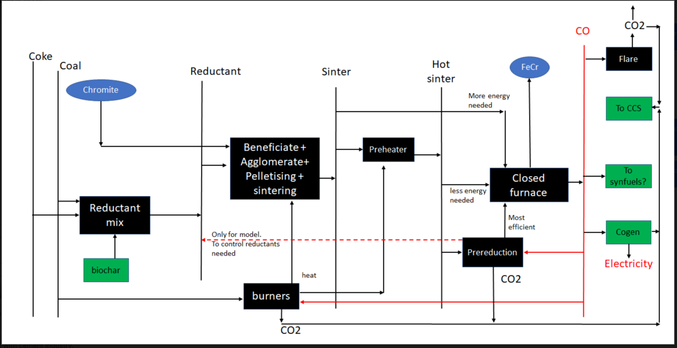
RES diagram of how the chrome industry produces ferrochrome and the potential avenues for efficiency routes

 | Idea for ferrochrome endogenous efficiency technology modelling

