Sheet1
 |  |  |  |  | This is loosely based on the picture below. We could do something more comprehensive and detailed at a later stage.
~TFM_INS-TS
PSET_PN | Attribute | 2030 | 2045 | 2050
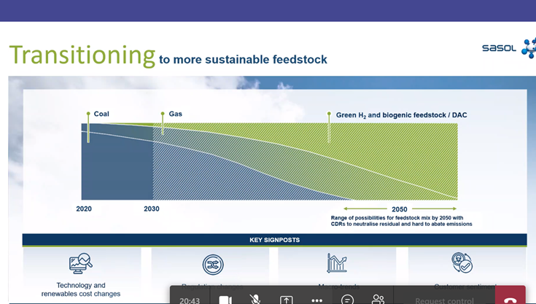
UCTLCLEIN-E | RESID | 237.47630903 | 59.369077258 | 0

