Paper production & consumption
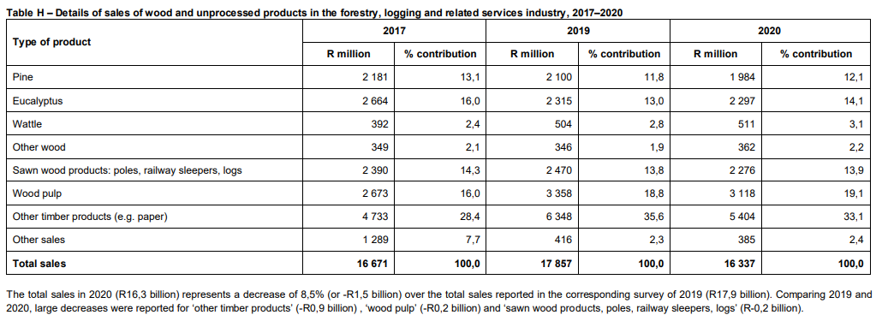
https://www.nbi.org.za/wp-content/uploads/2023/09/NBI-Chapter-5-Decarbonising-the-AFOLU-Sector.pdf |  |  |  |  |  |  |  |  | https://www.statssa.gov.za/publications/12-00-00/12-00-002020.pdf
Global and local demand for pulpwood will be driven by e-commerce paper packaging demand and dissolving pulp demand for cellulosic fibres to produce textile fabrics.
Pulpwood demand is projected to increase by 80–113% in South Africa and globally, by 2050, presenting further export opportunity for South Africa’s developed pulpwood sector.
Similarly, strong growth is likely to be seen for timber, as structural timber emerges as a lower emissions building material.
Locally, sawlog and veneer log demand is projected to grow 60% in a low demand scenario (in line with historic trends) and over 400% in a high demand scenario (in which South African structural timber demand per capita reaches current Australian levels).

Wood utilisation
Production and Consumption
The paper story (PAMSA)

Year | Softwood (Ton) | Hardwood (ton) | TOTALS
2008 | 6,182,970 | 8,820,514 | 15,003,484
2009 | 5,384,794 | 8,949,859 | 14,334,654
2010 | 4,885,267 | 8,002,110 | 12,887,377
2011 | 5,283,871 | 6,680,362 | 11,964,232
2012 | 5,467,996 | 8,069,700 | 13,537,696
2013 | 5,275,130 | 6,459,362 | 11,734,492
2014 | 4,665,126 | 6,450,170 | 11,115,296
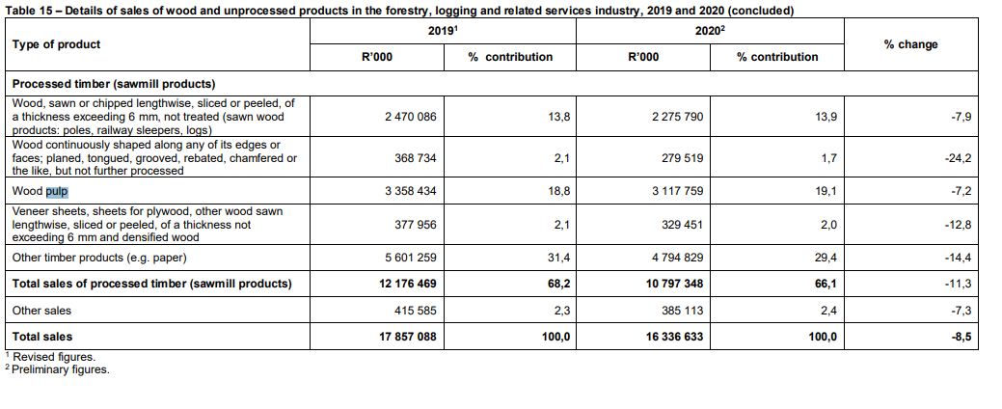
2015 | 4,721,070 | 6,826,259 | 11,547,329
2016 | 4,329,241 | 6,239,724 | 10,568,965
2017 | 3,940,269 | 5,841,774 | 9,782,043
2018 | 4,721,617 | 7,203,843 | 11,925,461
2019 | 4,721,617 | 7,203,843 | 11,925,461
Biomass usage
 |  |  |  | 13302408.182
Year | Pulpwood | Waste biomass | Paper production
units | mt | mt | mt
2013 | 1874749 | 668785 | 2,318,183 | 35.6733088
2014 | 1914813 | 699671 | 2261790 | 36.539912775
2015 | 1646320 | 512081 | 2289109 | 31.104584771
2016 | 1466302 | 501530 | 2353000 | 34.203731564
2017 | 1465783 | 503699 | 2180000 | 34.363817837
2018 | 1619695 | 572852 | 2223000 | 35.367893338
2019 | 2975453 | 1883659 | 2159000 | 63.306629276
 |  | 763182.42857 | 2254868.8571 | 35

Paper consumption in SA
 | Newsprint | Printing/writing | Corrugating material/container board | Other wrapping paper | Other paper & board paper | Tissue paper | #REF! | Total (cons.)
2017 | 147493 | 693796 | 1022661 | 46950 | 46950 | 228588 | 1 | 2186438
2018 | 104297 | 714098 | 1160204 | 11151 | 86168 | 231732 |  | 2307650
2019 | 133551 | 759592 | 1164198 | 10769 | 38611 | 243204 |  | 2349925
2020 | 73668 | 568909 | 998012 | 6630 | 139836 | 205369 |  | 1992424
2021 | 104021 | 634993 | 1035602 | 13400 | 181455 | 242005 |  | 2211476
2022 | 87951 | 703066 | 1323540 | 16021 | 70663 | 252405 |  | 2453646
 | Ratio of pulp wood to paper (m/m %) | Waste biomass to paper (m/m %)
2017 | 81 | 29
2018 | 85 | 31
2019 | 72 | 22
2020 | 62 | 21

 | Consumption (tons) |  |  |  |  |  |  | Source
Year | Newsprint | Printing/writing | Corrugating material/container board | Other wrapping paper | Other paper & board paper | Tissue paper | Total (cons.)
2017 | 147493 | 693796 | 1022661 | 46950 | 46950 | 228588 | 2186438 | https://thepaperstory.co.za/wp-content/uploads/2021/01/PAMSA-stats-report-2017-final.pdf
2018 | 104297 | 714098 | 1160204 | 11151 | 86168 | 231732 | 2307650 | https://thepaperstory.co.za/wp-content/uploads/2021/08/SA-Recycling-Statistics-2018.pdf
2019 | 133551 | 759592 | 1164198 | 10769 | 38611 | 243204 | 2349925 | https://thepaperstory.co.za/wp-content/uploads/2022/09/SA-Recycling-Statistics-2019.pdf
2020 | 73668 | 568909 | 998012 | 6630 | 139836 | 205369 | 1992424 | https://thepaperstory.co.za/wp-content/uploads/2021/12/2020-Paper-Recycling-stats-August-2021.pdf
2021 | 104021 | 634993 | 1035602 | 13400 | 181455 | 242005 | 2211476 | https://thepaperstory.co.za/wp-content/uploads/2023/05/PAMSA-Recycling-Summary-2021.pdf
2022 | 87951 | 703066 | 1323540 | 16021 | 70663 | 252405 | 2453646 | https://thepaperstory.co.za/wp-content/uploads/2023/07/PAMSA-Recycling-Stats-2022.pdf
2023

 |  |  |  |  |  |  | 2.2502598333

Paper production in SA
 | Newsprint | Printing/writing | Corrugating material/container board | Other wrapping paper | Other paper & board paper | Tissue paper | #REF! | Total (prod.)
2017 | 180727 | 342457 | 1208571 | 46950 | 138186 | 228991 | 1 | 2145882
2018 | 113912 | 361238 | 1325518 | 11151 | 135162 | 239209 |  | 2186190
2020 | 57011 | 265264 | 1198631 | 6630 | 136959 | 226747 |  | 1891242
2021 | 80467 | 306705 | 1150646 | 13400 | 178058 | 266284 |  | 1995560
2022 | 75197 | 263951 | 1256725 | 16021 | 80402 | 270677 |  | 1962973
2023
 | Production |  |  |  |  |  |  | Source
Year | Newsprint | Printing/writing | Corrugating material/container board | Other wrapping paper | Other paper & board paper | Tissue paper | Total (prod.)
2017 | 180727 | 342457 | 1208571 | 46950 | 138186 | 228991 | 2145882 | https://thepaperstory.co.za/wp-content/uploads/2021/01/PAMSA-stats-report-2017-final.pdf
2018 | 113912 | 361238 | 1325518 | 11151 | 135162 | 239209 | 2186190 | https://thepaperstory.co.za/wp-content/uploads/2021/08/SA-Recycling-Statistics-2018.pdf
2019 | 106786 | 341035 | 1295692 | 10769 | 69065 | 248153 | 2071500 | https://thepaperstory.co.za/wp-content/uploads/2022/09/SA-Recycling-Statistics-2019.pdf
2020 | 57011 | 265264 | 1198631 | 6630 | 136959 | 226747 | 1891242 | https://thepaperstory.co.za/wp-content/uploads/2021/12/2020-Paper-Recycling-stats-August-2021.pdf
2021 | 80467 | 306705 | 1150646 | 13400 | 178058 | 266284 | 1995560 | https://thepaperstory.co.za/wp-content/uploads/2023/05/PAMSA-Recycling-Summary-2021.pdf
2022 | 75197 | 263951 | 1256725 | 16021 | 80402 | 270677 | 1962973 | https://thepaperstory.co.za/wp-content/uploads/2023/07/PAMSA-Recycling-Stats-2022.pdf
2023

 | 102350 | 313442 | 1239297 | 17487 | 122972 | 246677 | 2042225

 | Exports (tons) |  |  |  |  |  |  | Source
Year | Newsprint | Printing/writing | Corrugating material/container board | Other wrapping paper | Other paper & board paper | Tissue paper | Total (exp.)
2017 | 36980 | 136243 | 326947 |  | 104005 | 36282 | 640457 | https://thepaperstory.co.za/wp-content/uploads/2021/01/PAMSA-stats-report-2017-final.pdf
Paper Exported by SA
 | Newsprint | Printing/writing | Corrugating material/container board | Other wrapping paper | Other paper & board paper | Tissue paper | #REF! | Total (exp.)
2017 | 36980 | 136243 | 326947 |  | 104005 | 36282 | 1 | 640457
2018 | 63094 | 147793 | 310034 |  | 106252 | 37084 |  | 664257
2019 | 16913 | 132569 | 274131 |  | 99423 | 35019 |  | 558055
2020 | 9701 | 102976 | 433184 |  | 10591 | 42449 |  | 598901
2021 | 14164 | 137993 | 338583 |  | 11795 | 42064 |  | 544599
2022 | 20626 | 124578 | 314987 |  | 37509 | 42508 |  | 540208
2018 | 63094 | 147793 | 310034 |  | 106252 | 37084 | 664257 | https://thepaperstory.co.za/wp-content/uploads/2021/08/SA-Recycling-Statistics-2018.pdf
2019 | 16913 | 132569 | 274131 |  | 99423 | 35019 | 558055 | https://thepaperstory.co.za/wp-content/uploads/2022/09/SA-Recycling-Statistics-2019.pdf
2020 | 9701 | 102976 | 433184 |  | 10591 | 42449 | 598901 | https://thepaperstory.co.za/wp-content/uploads/2021/12/2020-Paper-Recycling-stats-August-2021.pdf
2021 | 14164 | 137993 | 338583 |  | 11795 | 42064 | 544599 | https://thepaperstory.co.za/wp-content/uploads/2023/05/PAMSA-Recycling-Summary-2021.pdf
2022 | 20626 | 124578 | 314987 |  | 37509 | 42508 | 540208 | https://thepaperstory.co.za/wp-content/uploads/2023/07/PAMSA-Recycling-Stats-2022.pdf
2023

 | Imports (tons) |  |  |  |  |  |  | Source
Year | Newsprint | Printing/writing | Corrugating material/container board | Other wrapping paper | Other paper & board paper | Tissue paper | Total (imp.)
2017 | 3746 | 487581 | 141038 |  | 47277 | 35879 | 715521 | https://thepaperstory.co.za/wp-content/uploads/2021/01/PAMSA-stats-report-2017-final.pdf
2018 | 53479 | 500654 | 144720 |  | 57259 | 29607 | 785719 | https://thepaperstory.co.za/wp-content/uploads/2021/08/SA-Recycling-Statistics-2018.pdf
2019 | 43678 | 132569 | 274131 |  | 68968 | 30142 | 549488 | https://thepaperstory.co.za/wp-content/uploads/2022/09/SA-Recycling-Statistics-2019.pdf
2020 | 26359 | 406622 | 232564 |  | 13469 | 21071 | 700085 | https://thepaperstory.co.za/wp-content/uploads/2021/12/2020-Paper-Recycling-stats-August-2021.pdf
2021 | 14164 | 137993 | 338583 |  | 15192 | 17785 | 523717 | https://thepaperstory.co.za/wp-content/uploads/2023/05/PAMSA-Recycling-Summary-2021.pdf
2022 | 33380 | 563693 | 381802 |  | 27770 | 24237 | 1030882 | https://thepaperstory.co.za/wp-content/uploads/2023/07/PAMSA-Recycling-Stats-2022.pdf
2023
Paper imported by SA
 | Newsprint | Printing/writing | Corrugating material/container board | Other wrapping paper | Other paper & board paper | Tissue paper | #REF! | Total (imp.)
2017 | 3746 | 487581 | 141038 |  | 47277 | 35879 | 1 | 715521
2018 | 53479 | 500654 | 144720 |  | 57259 | 29607 |  | 785719
2019 | 43678 | 132569 | 274131 |  | 68968 | 30142 |  | 549488
2020 | 26359 | 406622 | 232564 |  | 13469 | 21071 |  | 700085
2021 | 14164 | 137993 | 338583 |  | 15192 | 17785 |  | 523717
2022 | 33380 | 563693 | 381802 |  | 27770 | 24237 |  | 1030882
Overview of Pulping in SA
 | Mechanical Pulp | Chemical Pulp | Semi-chemical Pulp | Dissolving wood Pulp | Total Pulp
2019 | 86000 | 667000 | 189000 | 996000 | 1938000
2020 | 49000 | 653000 | 201000 | 818000 | 1721000
2021 | 72000 | 566000 | 188000 | 765000 | 1591000
2022 | 65000 | 653000 | 70000 | 894000 | 1682000

Recycled amounts
Year | Total received by recycling mills | % recycled paper fibre for tissues/packaging paper/tissue | Paper recycling rate (diverted from landfill as % of available paper) | Source
2017 | 1282120 | 55.9 | 70.7 | https://thepaperstory.co.za/wp-content/uploads/2021/01/PAMSA-stats-report-2017-final.pdf
2018 | 1285250 | 52.9 | 71.7 | https://thepaperstory.co.za/wp-content/uploads/2021/08/SA-Recycling-Statistics-2018.pdf
2019 | 1201909 | 55.1 | 68.5 | https://thepaperstory.co.za/wp-content/uploads/2022/09/SA-Recycling-Statistics-2019.pdf
2020 | 1101356 | 55 | 69.8 | https://thepaperstory.co.za/wp-content/uploads/2021/12/2020-Paper-Recycling-stats-August-2021.pdf
2021 | 1149346 | 53 | 63.8 | https://thepaperstory.co.za/wp-content/uploads/2023/05/PAMSA-Recycling-Summary-2021.pdf
2022 | 1251319 | 58.4 | 60.7 | https://thepaperstory.co.za/wp-content/uploads/2023/07/PAMSA-Recycling-Stats-2022.pdf
2023
 |  | 0.04

 | Pulping (tons) |  |  |  |  | Source
Year | Mechanical Pulp | Chemical Pulp | Semi-chemical Pulp | Dissolving wood Pulp | Total Pulp
Paper recycling in SA
 | % recycled paper fibre for tissues/packaging paper/tissue | Paper recycling rate (diverted from landfill as % of available paper) | Total received by recycling mills
2017 | 55.9 | 70.7 | 1282120
2018 | 52.9 | 71.7 | 1285250
2019 | 55.1 | 68.5 | 1201909
2020 | 55 | 69.8 | 1101356
2021 | 53 | 63.8 | 1149346
2022 | 58.4 | 60.7 | 1251319
2017 |  |  |  |  |  | https://thepaperstory.co.za/wp-content/uploads/2021/01/PAMSA-stats-report-2017-final.pdf
2018 |  |  |  |  |  | https://thepaperstory.co.za/wp-content/uploads/2021/01/PAMSA-2018-Industry-Statistics-Summary-edited.pdf
2019 | 86000 | 667000 | 189000 | 996000 | 1938000 | https://thepaperstory.co.za/wp-content/uploads/2023/04/Screenshot-2023-04-25-at-09.54.26.png
2020 | 49000 | 653000 | 201000 | 818000 | 1721000 | https://thepaperstory.co.za/wp-content/uploads/2023/10/2020-pamsa-report-cover.webp
2021 | 72000 | 566000 | 188000 | 765000 | 1591000 | https://thepaperstory.co.za/wp-content/uploads/2023/04/PAMSA-Report-2021-scaled.jpg
2022 | 65000 | 653000 | 70000 | 894000 | 1682000 | https://thepaperstory.co.za/wp-content/uploads/2023/07/PAMSA-production-report-2022.pdf
2023
AVG | 68000 | 634750 | 162000 | 868250 | 1733000

 | 4 | 37 | 9 | 50 | 100

Sector contribution to GDP
 | Forestry/Paper (to manufacturing GDP) | Forestry/Paper (to agricultural GDP) | Total contribution to SA GDP
Year | % | % | %
2017 | 4.06 | 21 | 0.48
2018 | 4.52 | 24 | 0.53
2019 | 4.03 | 25 | 0.53 | https://thepaperstory.co.za/wp-content/uploads/2021/01/2019-PAMSA-Annual-report-FINAL.pdf
2020
2021
2022
2023
 | 4.2033333333
SA GDP
Sector contribution to GDP
 | SA GDP | SA manufacturing GDP | Forestry/Paper (contribution to GDP)
Year | BN ZAR2016 | mZAR2017 | mZAR2017/PJ |  |  |  | Mill sales | Pulp sales
2017 | 381.32 | 1857.7910 | 488.70368813 |  | SA manufacturing is 12% GDP overally |  | 403.97110942 | 84.73
2018 | 405.09 | 2197.2082
2019 | 389.24 | 1882.3646
2020 | 338.19 | 1705.8304
2021
2022
2023

AVE

Students report revision
Maximum recycled material usage |  |  |  |  |  |  |  |  |  |  | Revision of P&P Group 63

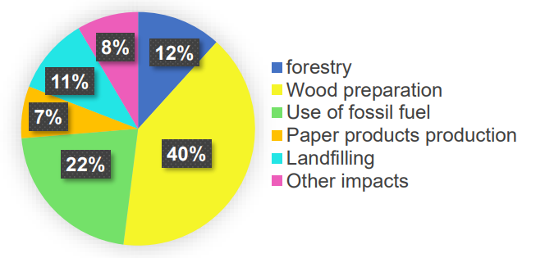
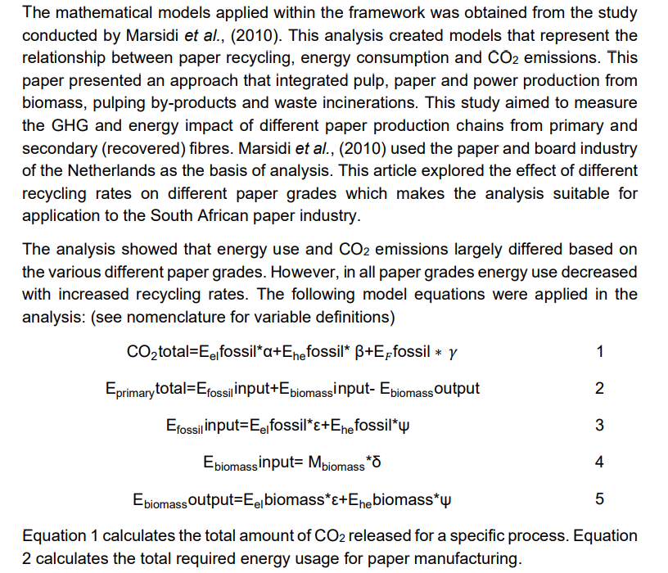
 |  |  |  |  |  |  |  |  |  |  | Decarbonisation
 | Students report - 4th year 2020 |  |  |  |  |  |  |  |  |  | CO2 emmissions from the paper and pulp process
 | Recovered paper can only be recycled 5 to 7 times
 |  |  | source is pamsa |  |  |  |  |  |  |  | Process | %
 |  |  |  |  |  |  |  |  |  |  | Wood preperation | 40
 |  |  |  |  |  |  |  |  |  |  | Forestry | 12
 |  |  |  |  |  |  |  |  |  |  | Fuel use | 22
 |  |  |  |  |  |  |  |  |  |  | Paper production | 7
 |  |  |  |  |  |  |  |  |  |  | Landfilling | 11
 |  |  |  |  |  |  |  |  |  |  | Other impacts | 8
 |  |  |  |  |  |  |  |  |  |  |  | 100

 |  |  |  |  |  |  |  |  |  |  | (Friedrich and Trois, 2013). production emissions

 |  |  |  |  |  |  |  |  |  |  | Production Material? | CO2 (kg/t paper)
 |  |  |  |  |  |  |  |  |  |  | Virgin raw materials (printing and writing paper) | 2370
 |  |  |  |  |  |  |  |  |  |  | Newsprint | 2660
 |  |  |  |  |  |  |  |  |  |  | Packaging | 2180

 |  |  |  |  |  |  |  |  |  |  | By substituting the virgin raw material with recycled paper, (a net GHG savings of 91.7 kg CO2 per tonne,)
 |  | Total recyclable amount | 1119000 | 1053000 | 1183000 | 1398000 | 1283000 | 1285000 | 1166000
 |  | Amount of recycled paper consumed | 1112000 | 1047000 | 1155000 | 1388000 | 1218000 | 1176000 | 1067000 |  | Tissue paper, newsprint and packaging | CO2 (kg/t paper)
 |  |  | 99% | 99% | 98% | 99% | 95% | 92% | 92% |  | After substitution of raw material with recycling | 1740
 |  |  |  |  |  |  |  |  |  |  | Raw material | 1640

 |  |  |  |  |  |  |  |  |  |  | Confirming that recycling has the most GHG savings.
 |  |  |  |  |  |  |  |  |  |  | This paper presented an approach that integrated pulp, paper and power production from biomass, pulping by-products and waste incinerations.
 |  |  |  |  |  |  |  |  |  |  | This study aimed to measure the GHG and energy impact of different paper production chains from primary and secondary (recovered) fibres
 |  |  |  |  |  |  |  |  |  |  | This study formulated three mathematical models to predict carbon emissions from different sources of pulp and paper production.

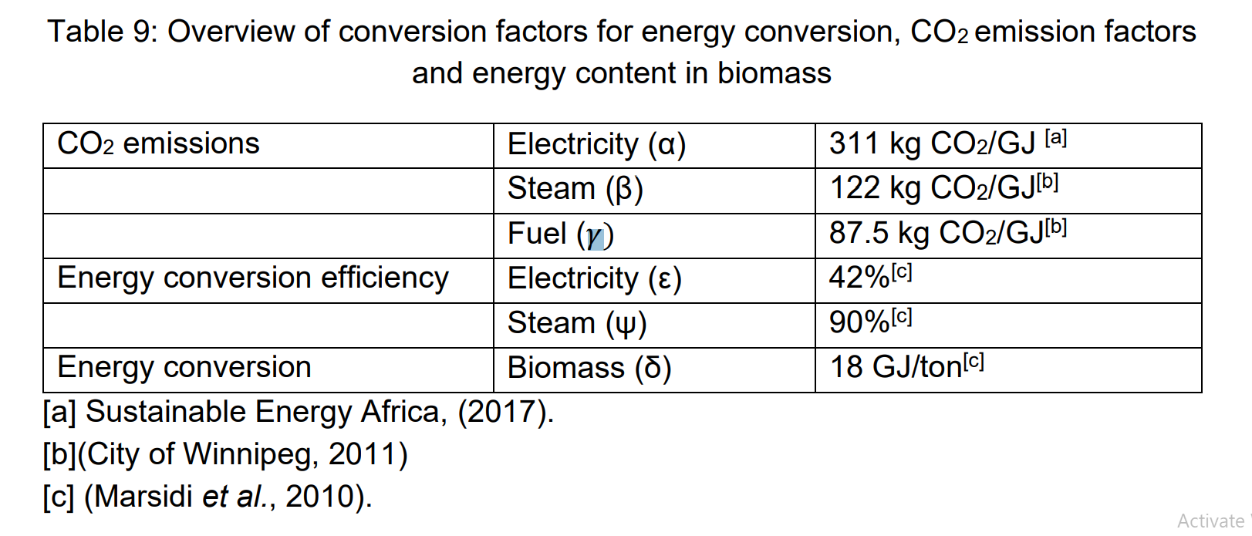
 |  |  |  |  |  |  |  |  |  |  | Equations modelled for Carbon emmissions qwere from:
 |  |  |  |  |  |  |  |  |  |  | [1] energy consumption,
 |  |  |  |  |  |  |  |  |  |  | [2] combustion of useless biomass from pre-treatment sector, and
 |  |  |  |  |  |  |  |  |  |  | [3] combustion of condensed black liquor respectively.

 |  |  |  |  |  |  |  |  |  |  | Pulping emmissions
 |  |  |  |  |  |  |  |  |  |  |  |  | Units | Mechanical Pulping | Chemical Pulping
 |  |  |  |  |  |  |  |  |  |  | Averaged annual (2020) share percentage |  | % | 80 | 20
 |  |  |  |  |  |  |  |  |  |  | CO2 emmissions |  | kg CO2/t paper | <1450 | >300

 |  |  |  |  |  |  |  |  |  |  | Conversion factors for energy conversion.
 |  |  |  |  |  |  |  |  |  |  |  |  | Units | Biomass | Steam | Electricity | Fuel
 |  |  |  |  |  |  |  |  |  |  | CO2 emmissions |  | kg CO2/GJ | - | 122 | 311 | 87.5
 |  |  |  |  |  |  |  |  |  |  | Conversion efficiency |  | % | - | 90 | 42 | -
 |  |  |  |  |  |  |  |  |  |  | Energy conversion |  |  | 18 | - | - | -

 |  |  |  |  |  |  |  |  |  |  | Marsidi et al., (2010)
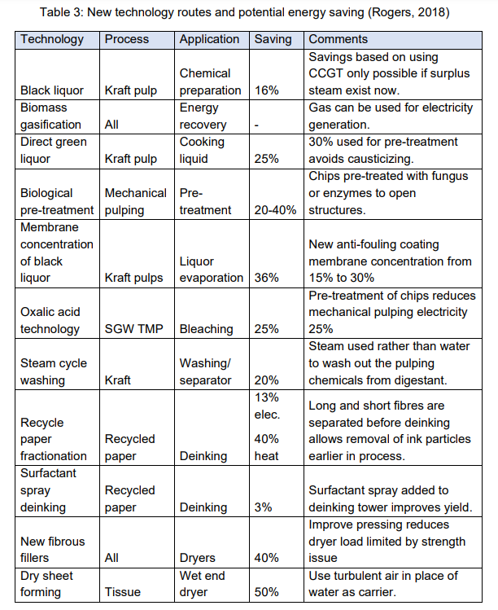
 |  |  |  |  |  |  |  |  |  |  | Analysis on the net energy usage of various paper grades
 |  |  |  |  |  |  |  |  |  |  | Showed that by implementing optimisation techniques and increased recycle rates, a net zero energy production can be achieved.
 |  |  |  |  |  |  |  |  |  |  | Scenario conditions applied to printing and writing paper manufacturing:

 |  |  |  |  |  |  |  |  |  |  | •Reduced heat consumption in papermaking by 30%
 |  |  |  |  |  |  |  |  |  |  | •Decreased filler percentages from 21% to 0%
 |  |  |  |  |  |  |  |  |  |  | •Increased recycled fibre input from 0% to 20%
 |  |  |  |  |  |  |  |  |  |  | •Increased recycling from 80% to 100%

 |  |  |  |  |  |  |  |  |  |  | Scenario condition | Percentage change (%)
 |  |  |  |  |  |  |  |  |  |  | Heat reduction in overall process | -30 | Figure out what the meaning of this and how to apply it?
 |  |  |  |  |  |  |  |  |  |  | Filler percentage decrease | 21-0 | Find out what exactly the filler is?
 |  |  |  |  |  |  |  |  |  |  | fibre recycling input increase | 0-20
 |  |  |  |  |  |  |  |  |  |  | Increased recycling | 80-100

 |  |  |  |  |  |  |  |  |  |  | Key take Aways
 |  |  |  |  |  |  |  |  |  |  | Emmissions brekadown is that 7% for paper production.
 |  |  |  |  |  |  |  |  |  |  | More CO2 eemmisions when raw materials increase!

 |  | Descriptor | Pulpwood | Waste biomass | Paper production | Imports | Exports | Paper consumption | Unrecoverable paper | End of life
 |  | Year | 1 | 2 | 3 | 4 | 5 | 6 | 7 | 8
 |  | 2017 | 1,466,000 | 503,700 | 2,180,000 | 715,000 | 640,000 | 2,255,000 | 441,300 | 441,300
 |  | 2018 | 1,620,000 | 572,900 | 2,223,000 | 786,000 | 664,000 | 2,345,000 | 552,000 | 552,000
 |  | 2019 | 2,975,000 | 1,884,000 | 2,159,000 | 707,000 | 687,000 | 2,179,000 | 425,700 | 425,700

 |  | Descriptor | Total recoverable paper | Unrecovered wastepaper | Recovered paper | Unutilized recovered paper | Recyclable paper | Recycled paper | Unutilised recyclable paper | Wastepaper
 |  | Year | 9 | 10 | 11 | 12 | 13 | 14 | 15 | 16
 |  | 2017 | 1,814,000 | 526,000 | 1,288,000 | 4,576 | 1,283,000 | 1,218,000 | 65,220 | 595,800
 |  | 2018 | 1,793,000 | 507,400 | 1,286,000 | 718 | 1,285,000 | 1,176,000 | 108,700 | 616,900
 |  | 2019 | 1,753,000 | 552,300 | 1,201,000 | 35,140 | 1,166,000 | 1,067,000 | 98,650 | 686,100

 |  |  |  |  |  |  | 1 | Pulpwood | 1,466,000
 |  |  |  |  |  |  | 2 | waste biomass | 503,700
 |  |  |  |  |  |  |  |  | 962,300 | net pulpwood and waste
 |  |  |  |  |  |  | 9 | total rec paper | 1,814,000
 |  |  |  |  |  |  | 14 | recy paper | 1,218,000
 |  |  |  |  |  |  |  |  | 2,180,300 | add together rec paper + pulp
 |  |  |  |  |  |  | 3 | paper prod. | 2,159,000

Carbon and energy data
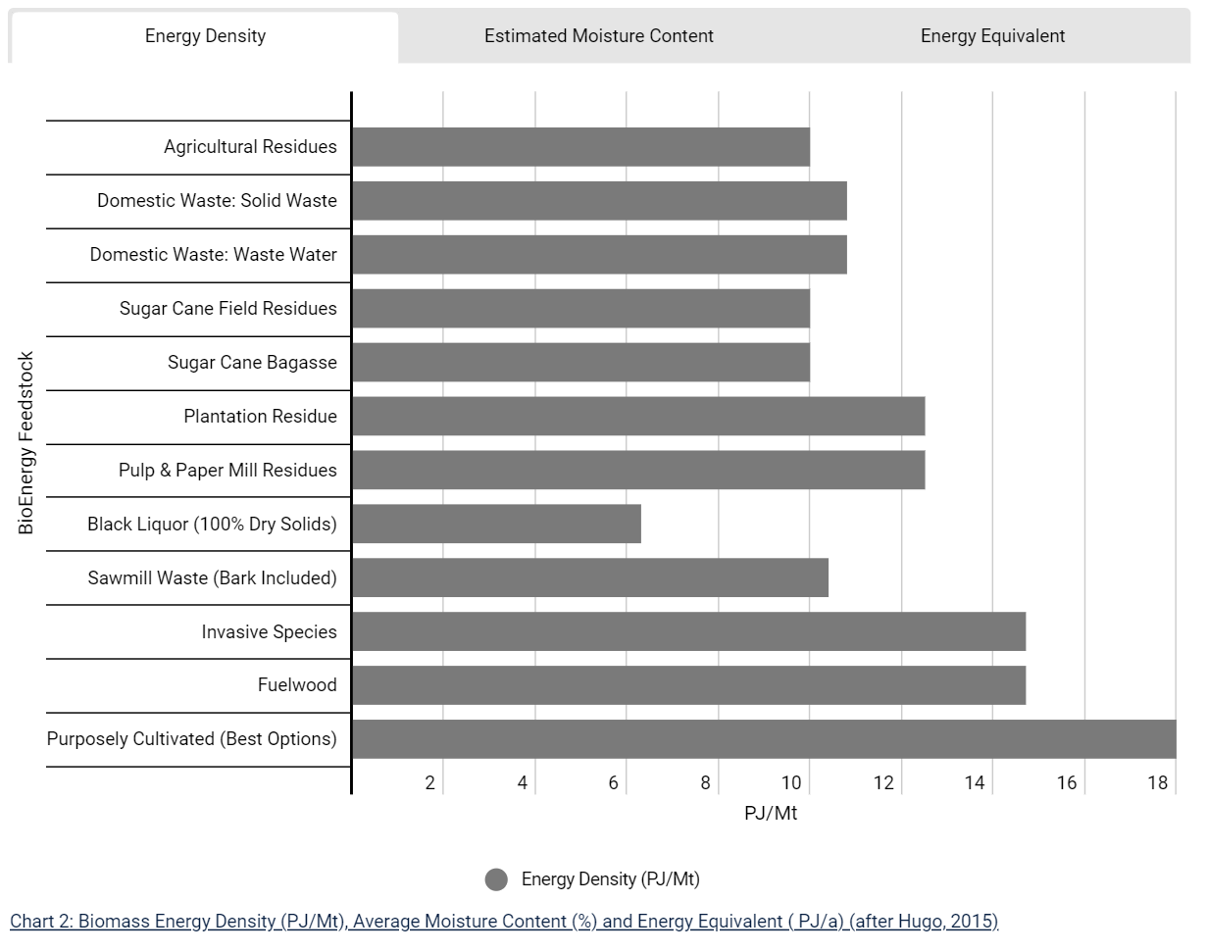
Carbon emissions and Energy consumption
 |  |  |  |  |  | 2017 |  |  |  |  | 2018 |  |  |  |  | 2019
Segmented data
 | EnergyUse |  |  | Energy generation |  | EnergyUse |  |  | Energy generation |  | EnergyUse |  |  | Energy generation |  | EnergyUse |  |  | Energy generation
 | Electricity (KWh/t) | Steam (GJ/t) (Ehe fossil) | Fuel (GJ/t) | Electricity (Kwh/t) | Steam (GJ/t) | Electricity (KwH) | Steam (GJ) | Fuel (GJ/) | Electricity (Kwh) | Steam (GJ) | Electricity (KwH) | Steam (GJ) | Fuel (GJ/) | Electricity (Kwh) | Steam (GJ) | Electricity (KwH) | Steam (GJ) | Fuel (GJ/) | Electricity (Kwh) | Steam (GJ)
Resource extraction
Cutting |  |  | 0.713 |  |  |  |  | 6974597 |  |  |  |  | 8502854 |  |  |  |  | 8,502,854
Chipping | 40 |  |  |  |  | 391281720 |  |  |  |  | 477,018,440 |  |  |  |  | 477,018,440

Pulping
Mechanical pulping | 2000 | 0.9 |  |  | 5.4 | 428214000 | 192696.3 |  |  | 5.4 | 630,000,000 | 283,500 |  |  | 5 | 630,000,000 | 283,500 |  |  | 5
Chemical pulping | 700 | 22.2 |  | 700 | 22.2 | 632450000 | 20057700 |  | 347847500 | 11031735 | 611,800,000 | 19,402,800 |  | 336,490,000 | 10,671,540 | 611,800,000 | 19,402,800 |  | 336,490,000 | 10,671,540
Bleaching (Mechanical) | 484 | 9.17 |  |  |  | 103627788 | 1963361.19 |  |  |  | 152,460,000 | 2,888,550 |  |  |  | 152,460,000 | 2,888,550
Bleaching (Chemical ) | 434 | 8.97 |  |  |  | 392119000 | 8104395 |  |  |  | 379,316,000 | 7,839,780 |  |  |  | 379,316,000 | 7,839,780
RP pulping for Paper | 330 | 3.267
RP pulping for newsprint | 330 | 3.2 |  |  |  | 48176172.751 | 543265.90233 |  |  |  | 40,620,256 | 393,893 |  |  |  | 30,778,704 | 298,460
RP pulping for Printing/writing paper | 330 | 3.4 |  |  |  | 56024296.177 | 577220.02122 |  |  |  | 67,855,757 | 699,120 |  |  |  | 61,557,408 | 634,228
RP pulping for other paper | 330 | 3.2 |  |  |  | 37565899.211 | 364275.38628 |  |  |  | 19,377,304 | 187,901 |  |  |  | 19,236,690 | 186,538

RP pulping for Packaging paper | 186.7 | 0.1 |  |  |  | 158287383.85 | 121542.09831 |  |  |  | 167,651,390 | 128,732 |  |  |  | 154,515,312 | 118,646
RP Pulping for corrugated board | 180 | 0.06
RP Pulping for grey board | 200 | 0.02
RP pulping for folding box board | 180 | 0.35

RP pulping for sanitary (Tissues) | 375 | 0.6 |  |  |  | - |  |  |  |  | - |  |  |  |  | -

Papermaking
Paper | 558.4 | 4.88 |  |  |  |  |  |  |  |  |  |  |  |  |  | 250,163,200 | 2,186,240
Newsprint | 558.4 | 4.88 |  |  |  | 100917956.8 | 881947.76 |  |  |  | 63,608,461 | 555,891
Printing/Writing | 558.4 | 4.88 |  |  |  | 191227988.8 | 1671190.16 |  |  |  | 201,715,299 | 1,762,841
Other paper | 558.4 | 4.88 |  |  |  | 78392100.8 | 685088.56 |  |  |  | 75,474,461 | 659,591

Packaging paper | 364.6 | 5.3 |  |  |  | 470164069.45 | 6852600.6867 |  |  |  | 500,783,998 | 7,298,883 |  |  |  | 533,341,527 | 7,773,407
Corrugated board | 427 | 4.7
Board | 333.33 | 4.8
Other wrapping material | 333.33 | 6.44

Sanitary | 744.6 | 4.44 |  |  |  | 170506698.6 | 1016720.04 |  |  |  | 184,660,800 | 1,101,120 |  |  |  | 184,660,800 | 1,101,120
Production of addiatives
Inorganic filler production | 192 | 1.5 |  |  |  |  |  |  |  |  | 1.17E+08 | 915,468 |  |  |  | 86,016,000 | 672,000

 | KWh to GJ conversion factor | 0.0036
Overall DATA SUMMARY

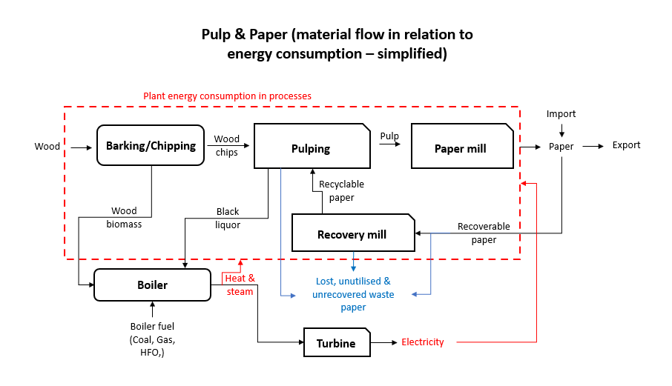
Year | Production | CO2 emissions (tons) | Energy use (GJ) | REF
2013 | 2,318,183 | 10,817,895.63 | 46,033,205
2014 | 2,261,790 | 10981122.397 | 47,823,721.46
2015 | 2,289,109 | 10304054.469 | 44,230,167.78
2016 | 2,353,000 | 10389503.835 | 44,582,034.20
2017 | 2,180,000 | 10037093.617 | 43,572,428.93
2018 | 2,223,000 | 10,545,089 | 44,107,757
2019 | 2,159,000 | 10,313,729.69 | 43,268,823.89
2020 | 1,992,424 | 282,936.70 | 33,153,935.36 | mpact
2021 | 2,211,476 | 314,319.62 | 36,798,960.64
2022 | 2,453,646 | 348,739.52 | 40,828,669.44

These values were calculated using the equations from Marsidi et al (2010)

Process | Electricity consumption (GJ/t) | Steam consumption (GJ/t) |  |  | PJ/mt
Resource extraction | 0.144 |  |  | Energy density of P&P residue | 13
Pulping | 22 | 55 |  | Black liquor | 6.75
Papermaking | 16.0 | 45.2 |  | Fuel wood | 15
Recovery mill | 0.6912 | 1.5

 | https://bea.saeon.ac.za/biomass-in-context/
 | Pulpwood – 12.464 Million m3

Mass balance
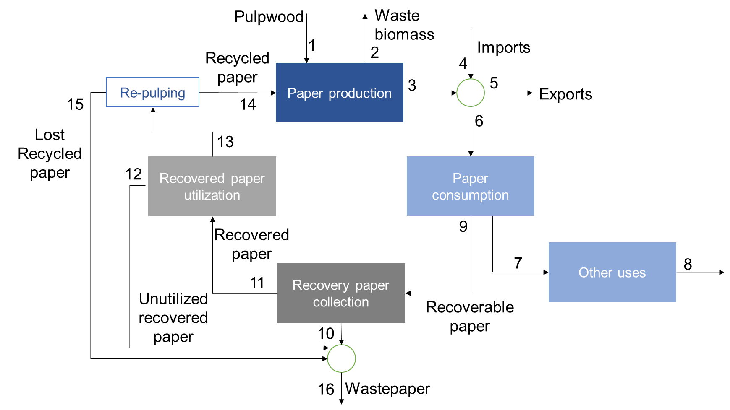
Mass balance |  |  |  |  |  | Tech simplification | Com simplification
 |  |  |  |  |  | Pulping | Waste biomass
 |  |  |  |  |  | Paper production | Pulp wood
 |  |  |  |  |  | Imports | Recycled paper
 |  |  |  |  |  | Exports | Recoverable paper
 |  |  |  |  |  | Paper recovery | Paper consumption
 |  |  |  |  |  |  | Paper utilisation
 |  |  |  |  |  |  | Recoverable paper

Descriptor | Pulpwood | Waste biomass | Paper production | Imports | Exports | Paper consumption | Unrecoverable paper | End of life | Total recoverable paper | Unrecovered waste paper | Recovered paper | Untilized recovered paper | Recyclable paper | Recycled paper | Lost recycled paper | Waste paper | Recycled to recyclable
Year | 1 | 2 | 3 | 4 | 5 | 6 | 7 | 8 | 9 | 10 | 11 | 12 | 13 | 14 | 15 | 16 | %
2017 | 1465783 | 503699 | 2180000 | 715000 | 640000 | 2255000 | 441320 | 441320 | 1813680 | 525967 | 1287713 | 4576 | 1283137 | 1217916 | 65221 | 595764 | 0.94917058692
2018 | 1619695 | 572852 | 2223000 | 786000 | 664000 | 2345000 | 551974 | 551974 | 1793026 | 507426 | 1285600 | 718 | 1284882 | 1176157 | 108725 | 616869 | 0.91538140587
2019 | 2975453 | 1883659 | 2159000 | 707000 | 687000 | 2179000 | 425715.32847 | 425715.32847 | 1753285 | 552285 | 1201000 | 35140 | 1165860 | 1067207 | 98653 | 686078 | 0.91538140587

Paper Prod | 2013 | Pulpwood + Recycled paper | Paper production (conversion) % | Waste biomass (%) |  |  |  | Breakdown
 |  | 2,986,968 | 78% | 22% |  |  |  | Waste biomass | 22% of pulp wood & recycled paper
 |  |  |  |  |  |  |  | Paper production | 78% of pulp wood & recycled paper
Paper cons | 2013 | Paper prod + imports | Exports + consumption | imports (%) production | exports (%) production | Difference
 |  | 3,142,812 | 3142812 | 26% | 19% | -7% |  | From the 78% of produced paper, 26% more is imported
 |  |  |  |  |  |  |  | From the imported and produced paper, 19% is exported
 | 2013 | Consumption | Unrecoverable paper | Recoverable paper |  |  |  | 81% of the paper is consumed of which 74% of that is recoverable, 26% unrecoverable
 |  | 2532244 | 26% | 74%
 |  |  |  |  |  |  |  | From the 74% recoverable paper, only 62% of that can be recovered, 38% is unrecoverable waste paper
Recovery collection | 2013 | Recoverable paper | recovered paper | Unrecovered waste paper
 |  | 1882480 | 62% | 38% |  |  |  | From the 74% of recoverable paper, only 96% is recyclable and 4% is unutilised

Recovered utilisation | 2013 | Recovered paper | Unutilized recovered paper | Recyclable paper |  |  |  | Of the 96% of recoverable paper, 1% of it cant be recycled, 99% is recyclable.
 |  | 1167138 | 4% | 96%

Recycled paper lost | 2013 | Recyclable paper | Lost recycled paper | Recycled paper
 |  | 1119394.0031 | 1% | 99%

Capital costs
 | NCAP_COST |  | New costs (NCAP_COST) |  |  |  | NCAP_COST 2022 (NEW)
 | 2022ZAR |  |  |  | 2015 | 2022 |  | ZAR-US$ (2015) exchange | ZAR 2018 |  | € 2,013 | € 2,022 |  | https://www.ceicdata.com/en/south-africa/foreign-exchange-rates-annual#:~:text=International%20Monetary%20Fund-,ZA%3A%20Official%20Rate%3A%20Period%20Average%3A%20National%20Currency%20per%20USD,14.710%20ZAR%2FUSD%20for%202016.
IPPCHE-E-T1 | 29.89 | 24 |  |  | 1 | 1.27 |  | 13.334 | 15.4245 | 1.156779661 | 13.5662 | 18.281535649 |  | "Greenfield"
IPPCHE-E-T2 | 902.45 | 710 |  |  |  | 1.27 |  |  |  |  |  |  |  | Units | US$/t.yr | R/t.yr
IPPCHE-N | 16,650.29 | 13,094 | 725 | used to be: |  |  | Chem. Pulping |  |  |  |  |  |  | Investment costs | 1071.4285714 | 18166.438181
IPPCHPGAS-N | 499.51 | 393 |  | IPPCHPGAS01-N |  |  | Gas CHP |  |  |  |  |  |  | Power Gen. and chem. Pulping costs | 321.42857143 | 5449.9314543
IPPCHPGAS02-N | 666.01 | 524 |  |  |  |  | Gas CHP_2 |  |  |  |  |  |  | Turbine (STM to ELC) BPST | 0.05739552
IPPCHPSTM01-N | 499.51 | 393 |  |  |  |  | STM? |  |  |  |  |  |  | Turbine (STM to ELC) Condensing
IPPDIS-E-T1 | 29.89 | 24 |  |  |  |  |  |  |  |  |  |  |  | STM Heat exchanger
IPPDIS-E-T2 | 902.45 | 710 |  |  |  |  |  |  |  |  |  |  |  | THM Heat exchanger
IPPDIS-N | 16,650.29 | 13,094 | 706 |  |  |  | Dissolved pulp |  |  |  |  |  |  | Heat Pump
IPPELCSTM-E | 499.51 | 393 | 363 | 18.16 |  |  | Elc-Stm |  |  |  |  |  |  | BLGCC
IPPMCH-E-T1 | 63.27 | 50 |  |  |  |  |  |  |  |  |  |  |  | BLGMF
IPPMCH-E-T2 | 1,465.23 | 1,152 |  |  |  |  |  |  |  |  |  |  |  | Lignin extraction plant
IPPMCH-N | 24,975.44 | 19,641 | 567 |  |  |  | Mech. Pulping
IPPPAP-E-T1 | 94.91 | 75
IPPPAP-E-T2 | 636.04 | 500
IPPPAP-N | 34,767.48 | 27,342 | 1,835 |  |  |  | Paper manufacturing
IPPREC-E-T1 | 12.99 | 10
IPPREC-E-T2 | 494.51 | 389
IPPREC-N | 8,325.15 | 6,547 | 2,693 |  |  |  | Paper Rec.
IPPSTMBIO-N | 333.01 | 262 | 355 |  |  |  | Biomass STM
IPPSTMBLQ-N | 333.01 | 262 | 218 |  |  |  | Black LQR STM
IPPSTMCOA-N | 333.01 | 262 | 218 |  |  |  | Coal STM
IPPSTMGAS-N | 333.01 | 262 | 69 |  |  |  | Gas STM
IPPSTMOIL-N | 333.01 | 262 | 147 |  |  |  | Oil STM
IPPCHPGAS-N

https://iea-etsap.org/E-TechDS/PDF/I07_Pulp&Paper_May2015OK.pdf
A new large-scale chemical pulp mill with an annual pulp production of around 1.4 million tons can cost around 2.5 billion USD if built from the ground up, i.e. being a socalled “greenfield” investment [10].
It has been suggested that a pulp mill greenfield investment requires 50% equity to survive the market cycle. In practice, this implies that only a few top pulp and paper producers of the world have the resources and commercial interest to pull off a project of this kind [10].
As can be seen, the specific investment costs (investment cost per capacity) are around 1500-2000 USD per annual production (ton/year). Cost differences are due to sitespecific conditions, such as whether hard or soft wood feedstock is used.
A bleached market pulp mill can be said to consist of six major process areas: wood yard, pulp mill, chemical preparation, pulp dryer, causticizing & lime kiln, power and recovery, water & waste water treatment; and two non-process areas: non-process building area and the mill general area. The largest capital cost in a pulp mill is the power generation and chemical recovery area accounting for about a third of the capital cost [12].
As for most capital-intensive industries, economies of scale apply in the PPI. This implies that specific investment cost decrease with larger mill sizes (within reasonable limits and with other things equal). For investments calculations related to the pulp and pulp industry, a scale factor (R) of 0.6-0.7 expressing the relation between investment cost and size as a power function exponent, according to (Cost/Costbase)=(Size/Sizebase) R , is often used (see, e.g., [2]).

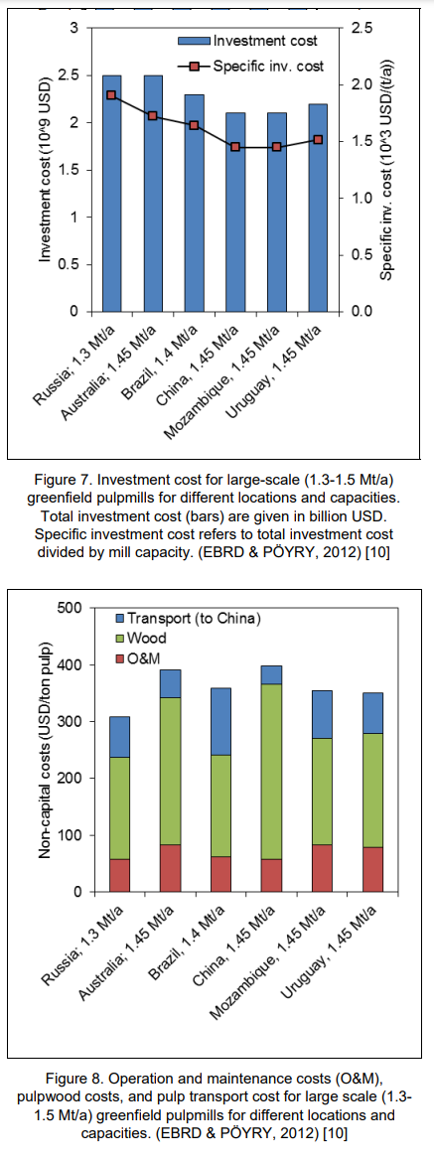
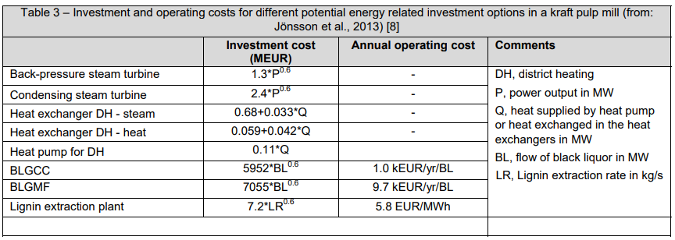

 |  |  |  |  |  |  |  |  |  |  |  |  |  |  |  |  |  |  |  |  |  |  |  |  |  |  | GJ/t
 |  |  |  |  |  |  |  |  |  |  |  |  |  | Technologies | Type | Units | Energy Use | Price (bilion US$/mt.yr) | Conversion Price (billion ZAR/mt.yr) | Energy use unit cost | Energy Use (units) | Fuel Use (direct) | For Steam Gen. | Steam Use (Excl backpressure power gen.). | For backpressure Power Gen. | Electricity use | Total energy use | Steam geeneration efficieincy | mZAR/PJ.yr
 |  |  |  |  |  |  |  |  |  |  |  |  |  | Pulping | Chemical | PJ/mt | 17.6 | 2.775 | 31.367383259 | R/mt or R/PJ | GJ/t | 17.2 | 15.5 | 13.9 | 2.9 | 2.9 | 17.6 | 90% | 742.59903549
 |  |  |  |  |  |  |  |  |  |  |  |  |  | Pulping | Semi-Chemical | PJ/mt | 18.5 | 2.775 | 31.367383259 | R/mt or R/PJ | GJ/t | 17.6 | 16.4 | 14.8 | 2.1 | 2.7 | 18.5 | 90% | 706.47259593
 |  |  |  |  |  |  |  |  |  |  |  |  |  | Pulping | Thermo-mechanical | PJ/mt | 7.6 | 0.915 | 10.342758804 | R/mt or R/PJ | GJ/t | 3.4 | 3.4 | 3 | 0.5 | 4.7 | 7.6 | 90% | 567.03721515
 |  |  |  |  |  |  |  |  |  |  |  |  |  | Pulping | Other | PJ/mt | 1.6 | 0.915 | 10.342758804 | R/mt or R/PJ | GJ/t | 0.4 | 0.6 | 0.3 | 0.03 | 1.3 | 1.6 | 90% | 2693.426772
 |  |  |  |  |  |  |  |  |  |  |  |  |  | Paper manufacturing | Newsprint | PJ/mt | 6.7 | 2.775 | 31.367383259 | R/mt or R/PJ | GJ/t | 4.8 | 4.8 | 4.3 | 0.2 | 2.1 | 6.7 | 90% | 1950.7079141
 |  |  |  |  |  |  |  |  |  |  |  |  |  | Paper manufacturing | Kraft paper-board | PJ/mt | 7.6 | 2.775 | 31.367383259 | R/mt or R/PJ | GJ/t | 6.7 | 6.7 | 6 | 0.9 | 2.3 | 7.6 | 90% | 1719.7030296

 |  |  |  |  |  |  |  |  |  |  |  |  |  | Boiler | Coal-fired | R/Gja | 148.30990437 |  |  |  |  |  |  | 42.3
 |  |  |  |  |  |  |  |  |  |  |  |  |  | Boiler | Gas-fired | R/Gja | 47.215217378
 |  |  |  |  |  |  |  |  |  |  |  |  |  | Boiler | Biomass-fired | R/Gja | 241.44787809 |  | REF:
 |  |  |  |  |  |  |  |  |  |  |  |  |  | Boiler | Black-liquor fired | R/Gja | 148.30990437 |  | https://www.ebay.com/itm/304606232117?chn=ps&_trkparms=ispr%3D1&amdata=enc%3A1umjVAQebRMOjI19anosRfA51&norover=1&mkevt=1&mkrid=711-166996-619525-4&mkcid=2&itemid=304606232117&targetid=293946777986&device=c&mktype=pla&googleloc=1028745&poi=&campaignid=20801105710&mkgroupid=156754162540&rlsatarget=pla-293946777986&abcId=&merchantid=7870864&gclid=Cj0KCQiAtaOtBhCwARIsAN_x-3Kkrsv3eXwgcJ4tse66RIDB1z6_P-c0gkWQcPau6ctAw2L76eaM3gMaAt8CEALw_wcB
 |  |  |  |  |  |  |  |  |  |  |  |  |  | Boiler | HFO/Diesel powered | R/Gja | 99.802225954 |  |  | Price (ZAR) | KW | GJ |  | ZAR/PJ
 |  |  |  |  |  |  |  |  |  |  |  |  |  | Boiler | Electric | R/GJa |  |  | Electrical boiller | 957450.07 | 945 | 3.402 |  | 2465.3917146
 |  |  |  |  |  |  |  |  |  |  |  |  |  | BPST | steam to elc | €/Gja

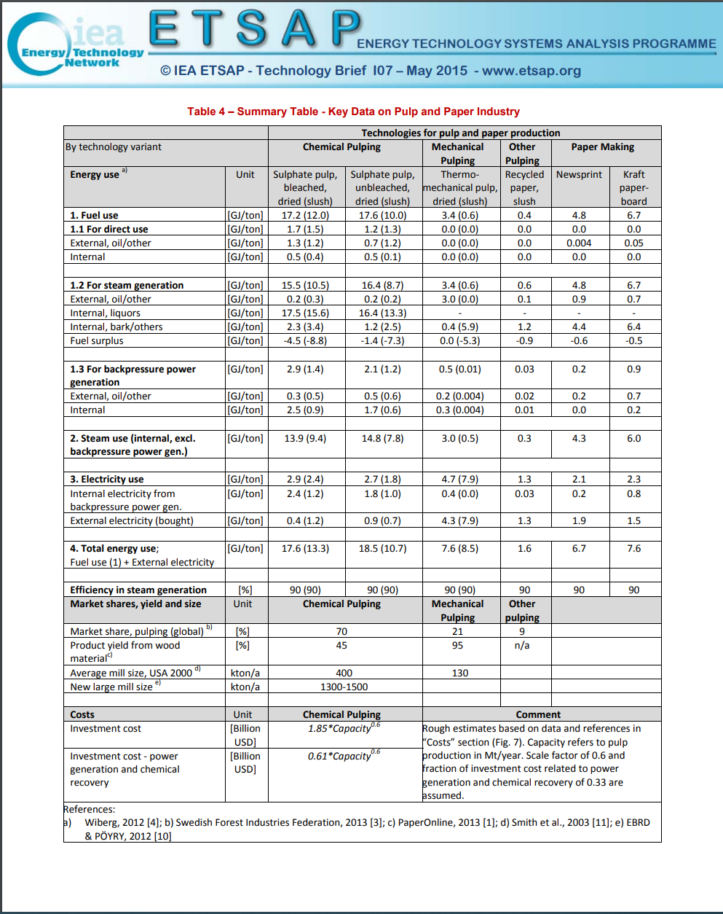
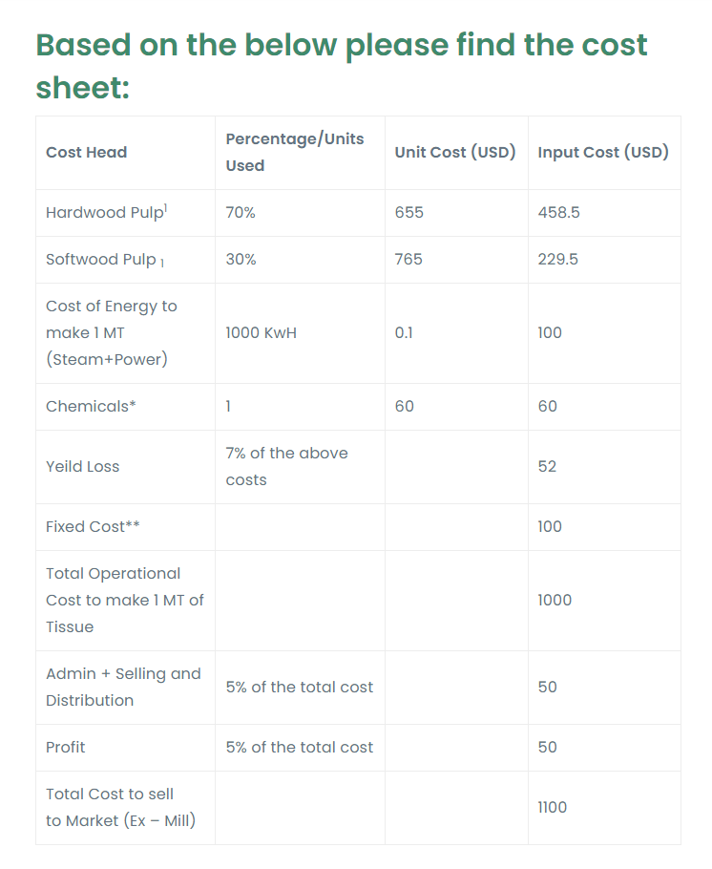
 |  |  |  |  |  |  |  |  |  |  |  |  |  | https://theconiferous.com/blog/how-much-pulp-constitutes-to-the-pricing-of-tissue-amongst-other-products/
 |  |  |  |  |  |  |  |  |  |  |  |  |  |  |  |  |  |  |  | USD/t | % units
 |  |  |  |  |  |  |  |  |  |  |  |  |  |  |  |  |  |  | Hardwood pulp | 655 | 0.7
 |  |  |  |  |  |  |  |  |  |  |  |  |  |  |  |  |  |  | Softwood pulp | 765 | 0.3
 |  |  |  |  |  |  |  |  |  |  |  |  |  |  |  |  |  |  | Total cost of wood | 3052903136.2
 |  |  |  |  |  |  |  |  |  |  |  |  |  |  |  |  |  |  | cost/mt | 175.15039366

 |  |  |  |  |  |  |  |  |  |  |  |  |  |  |  |  |  |  |  |  |  |  |  |  |  |  |  | total eqp |  | turb only
 |  |  |  |  |  |  |  |  |  |  |  |  |  |  |  |  |  |  |  |  | INV |  | VOM |  | FOM |  |  | INV | VOM | FOM
 |  |  |  |  |  |  |  |  |  |  |  |  |  |  |  |  |  |  |  |  |  |  |  |  |  |  |  | R/KWh | R/MWh | R/KW/yr | CHP R/Gja | R/MW
 |  |  |  |  |  |  |  |  |  |  |  |  |  |  |  |  |  |  |  |  | $/KWh | References | $/MWh | References | $/KW/yr | References | 2015 ZAR conv
 |  |  |  |  |  |  |  |  |  |  |  |  |  |  |  |  |  |  | Coal (PF) | US$2018 | 3672 | IEA | 4.52 |  | 40.79 |  | 12.7721 | 46899.1512 | 57.729892 | 520.973959 | 1487.1623288
 |  |  |  |  |  |  |  |  |  |  |  |  |  |  |  |  |  |  | Coal (CCS) | US$2018 | 5978 | IEA | 11.03 |  | 59.85 |  | 12.7721 | 76351.6138 | 140.876263 | 764.410185 | 2421.0937912
 |  |  |  |  |  |  |  |  |  |  |  |  |  |  |  |  |  |  | Ngas (OC) | US$2018 | 1169 | IEA | 4.72 |  | 35.34 |  | 12.7721 | 14930.5849 | 60.284312 | 451.366014 | 473.44574137
 |  |  |  |  |  |  |  |  |  |  |  |  |  |  |  |  |  |  | Ngas (CC) | US$2018 | 2471 | IEA | 5.87 |  | 48.42 |  | 12.7721 | 31559.8591 | 74.972227 | 618.425082 | 1000.7565671
 |  |  |  |  |  |  |  |  |  |  |  |  |  |  |  |  |  |  | Solar PV | US$2018 | 1248 | IEA | 0 |  | 22.02 |  | 12.7721 | 15939.5808 | 0 | 281.241642 | 505.44079148
 |  |  |  |  |  |  |  |  |  |  |  |  |  |  |  |  |  |  | Wind | US$2018 | 1846 | IEA | 0 |  | 15.33 |  | 12.7721 | 23577.2966 | 0 | 195.796293 | 747.63117073

 |  |  |  |  |  |  |  |  |  |  |  |  |  |  |  |  |  |  | BPST | US$2018 | 9006.8099776 |  |  |  | 233.83466582 |  | 12.7721 | 9006.8099776 |  | 2986.5597353 | 285.60407083 | 3247.0071953
 |  |  |  |  |  |  |  |  |  |  |  |  |  |  |  |  |  |  | CEST | US$2019 |  |  |  |  | 98.952 |  | 12.7721 | 27,056.77 |  | 1263.8248392 | 857.96439807
 |  |  |  |  |  |  |  |  |  |  |  |  |  |  |  |  |  |  | OCGT | US$2020 |  |  |  |  | 80.31 |  | 12.7721 | 28968.9503 |  | 1532.4923232 | 918.599388
 |  |  |  |  |  |  |  |  |  |  |  |  |  |  |  |  |  |  | BIG-CC | US$2021 |  |  |  |  | 128.77466468 |  | 12.7721 | 44840.916919 |  | 1644.7228948 | 1421.8961479

 |  |  |  |  |  |  |  | Capacity Chem pulping |  | 0.61
 |  |  |  |  |  |  |  | Investment cost -Power gen |  | 1.85

 |  |  |  |  |  |  |  |  |  |  |  |  | The cost of pulp is taken assuming 10% duty and USD 50 to transport the pulp from port to mill. The international pulp price we see or read about is only delivered seaport prices.
 |  |  |  |  |  |  |  |  |  |  |  |  | This is an average cost borne by most mills whilst pulp makes up USD 688 of the cost, it is only 62.54% of the cost. The remaining cost comprises of factors that haven’t shown much reprieve in the last one year.
 |  |  |  |  |  |  |  |  |  |  |  |  | Pre-Covid, the manufacturing cost of the mill used to be calculated as Pulp + USD 250 PMT; however, Post-Covid, the same should be seen as Pulp + USD 310 PMT to arrive at a weighted average cost of the mill.
https://www.sciencedirect.com/science/article/pii/S1876610217351512?ref=pdf_download&fr=RR-2&rr=82e2097e4b7e4925 |  |  |  |  |  |  |  |  |  |  |  |  | However, if the mill does not make a profit why would it invest millions in the machine? A single machine standalone Tissue Machine would cost between USD 65 – 100 Million, and imagine the interest on the same, and the ROI expected by the promoters.
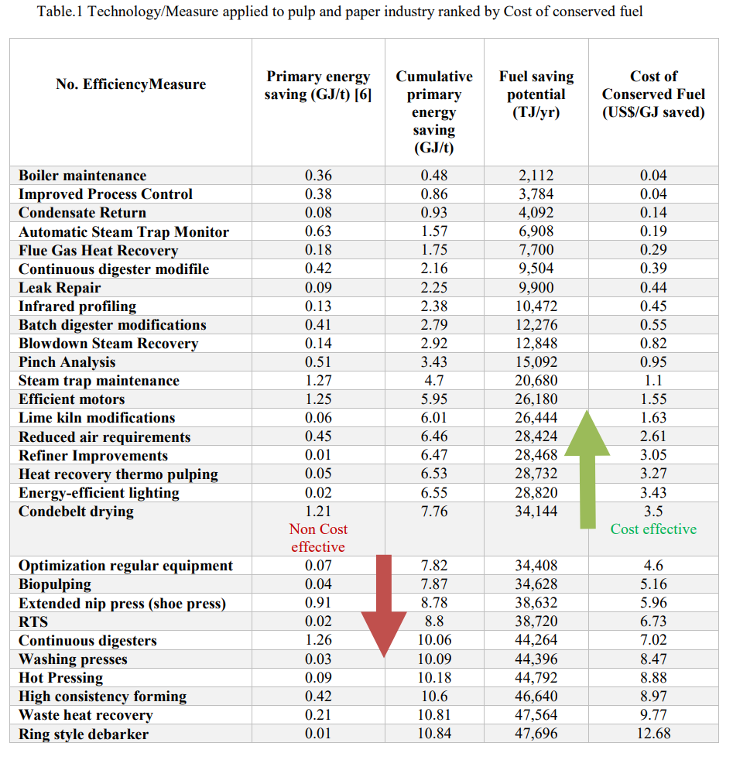
 |  |  |  |  |  |  |  |  |  |  |  |  | The cost of interest on a USD 65 million loan on a period of 5 years would be close to USD 19.5 Million, which would amount to around USD 4 Million. Thus a Tissue Plant that produces roughly 100 MT day would have a financial impact of just interest, let alone depreciation at USD 110 PMT.
 |  |  |  |  |  |  |  |  |  |  |  |  | This would give you perspective on the complications faced by the mills.

CHP & Boiler summary
Bryce Jul2020: this data is from T Napp and Alison's spreadsheets for P&P on just the CHP and boilers. |  |  |  |  |  |  |  |  | Numbers used for EB | EB index | Bryce: created a summary here

Summarise into one table
Golden Era Group - Cape Kraft |  |  |  |  |  |  |  |  |  |  |  |  | Fuel used |  |  |  |  |  |  | Steam generated |  |  |  |  | Elec generated
 |  |  |  |  |  |  |  |  |  |  |  |  | coal | coalbiocoal | coalbiobio | coalhfocoal | coalhfohfo | gas | bl | coal s | coalbio s | coalhfo s | gas s | bl s | elec gen | elec steam
 |  |  |  |  |  |  |  |  |  |  |  | Boiler types | Coal | Coal | Biomass | Coal | HFO | Gas | Black liquor | coal | CoalBIO | CoalHFO | Gas | Black liquor | Electricity | Steam used
 | Electricity supply |  |  |  |  |  |  |  |  |  |  | Coal | 35,624,643 |  |  |  |  |  |  | 24,995,805
 |  | Summary | Unit | 2010 | 2011 | 2012 | 2013 |  |  |  |  | Recovery - Black liquor |  |  |  |  |  |  | 41,452,704 |  |  |  |  | 23,354,024
 |  | Purchased electricity | GJ/a | 121,217 | 129,339 | 117,716 | 122,728 |  |  |  |  | N Gas |  |  |  |  |  | 4,346,727 |  |  |  |  | 2,407,738
 |  | Generated onsite | GJ/a | 0 | 0 | 0 | 0 |  |  |  |  | Coal/HFO |  |  |  | 12,010,455 | 438,653 |  |  |  |  | 8,668,583
 |  | Electricity sold | GJ/a | 0 | 0 | 0 | 0 |  |  |  |  | Coal/Biomass |  | 4,267,225 | 3,357,941 |  |  |  |  |  | 5,492,304
 |  | Self-sufficiency ratio |  | - | - | - | - |  |  |  |  | CHP |  |  |  |  |  |  |  |  |  |  |  |  | 7,915,900 | 15,487,579
 |  |  |  |  |  |  |  |  |  |  |  | Totals: | 35,624,643 | 4,267,225 | 3,357,941 | 12,010,455 | 438,653 | 4,346,727 | 41,452,704 | 24,995,805 | 5,492,304 | 8,668,583 | 2,407,738 | 23,354,024 | 7,915,900 | 15,487,579
 | Steam supply |  |  |  |  |  |  |  |  |  |  |  | 45.42 |  | 5.1253 | 21.0498 | 0 | 4.7083 | 48.409 | 15 | 3.3579 | 10.1452 | 2.608 | 29.2396
 |  | Summary | Unit | 2010 | 2011 | 2012 | 2013 |  |  |  |  |  |  |  |  |  |  |  |  |  |  |  |  |  | 4.112 | STM to ELC
 |  | Purchased steam | GJ/a | 297,961 | 327,574 | 320,398 | 337,095 |  |  |  |  | Total Fossil count | 56,687,703 | 56% |  | 71.1781 | 57% |  |  |  |  |  |  |  | 3.2094 | Eskom
 |  | Generated onsite | GJ/a | 0 | 0 | 0 | 0 |  |  |  |  | Total RE count | 44,810,644 | 44% |  | 53.5343 | 43%
 |  | Steam sold | GJ/a | 0 | 0 | 0 | 0
 |  |  |  |  |  |  |  |  |  |  |  |  |  | Coal | Biomass | Gas | Black liquor | HFO | Steam | Elec
 |  |  |  |  |  |  |  |  |  |  |  | Total fuels | 101,498,348 | 51,902,323 | 3,357,941 | 4,346,727 | 41,452,704 | 438,653 |  |  |  | 64,918,454
 |  |  |  |  |  |  |  |  |  |  |  |  | 125 |  |  |  |  |  |  |  |  | 60.3507
Corruseal Group - Enstra
 |  |  |  |  |  |  |  |  |  |  |  |  | Total steam generated | Steam for CHP | Steam for process
 |  |  |  |  |  |  |  |  |  |  |  | Total steam | 64,918,454 | 15,487,579 | 49,430,875
 | Onsite steam generation |  |  |  |  |  |  |  |  |  |  | % share of steam use | 100 | 24 | 76
 |  |  |  |  |  | Availability | 0.8 |  |  |  |  |  |  |  |  |  | Pulp_Paper323
 |  |  |  |  |  | Capacity (MW) | 98 |  |  |  |  | Year | ESKOM Sales to the P&P industry (MWh) |  |  |  |  |  |  |  |  |  | Year | TWh
 |  | Coal-fired boilers | Unit | 2010 | 2011 | 2012 | 2013 |  |  |  |  | 2006 | 1.74E+09 |  |  |  |  |  |  |  |  |  | 2006 | 1738
 |  | Efficiency | - | 0.68 | 0.68 | 0.68 | 0.68 | Estimated |  |  |  | 2007 | 1.60E+09 |  |  |  |  |  |  |  |  |  | 2007 | 1605
 |  | Coal consumption | GJ/a | 4,461,455 | 4,205,966 | 3,003,272 | 2,936,329 | Assumes all coal is used in boilers | 2,936,329 | coal |  | 2008 | 1.63E+09 |  |  |  |  |  |  |  |  |  | 2008 | 1625
 |  | Steam generated | GJ/a | 3,033,789 | 2,860,057 | 2,042,225 | 1,996,704 |  | 1,996,704 | coal s |  | 2009 | 1.52E+09 |  |  |  |  |  |  |  |  |  | 2009 | 1518
 |  |  |  |  |  |  |  |  |  |  |  | 2010 | 1.43E+09 |  |  |  |  |  |  |  |  |  | 2010 | 1434
 |  |  |  |  |  | Availability | 0.8 |  |  |  |  | 2011 | 1.58E+09 |  |  |  |  |  |  |  |  |  | 2011 | 1582
 |  |  |  |  |  | Capacity (MW) | 3 |  |  |  |  | 2012 | 1.46E+09 |  |  |  |  |  |  |  |  |  | 2012 | 1459
 |  | Copeland recovery boiler | Unit | 2010 | 2011 | 2012 | 2013 |  |  |  |  | 2013 | 1.22E+09 |  |  |  |  |  |  |  |  |  | 2013 | 1222
 |  | Efficiency assumed | - | 0.65 | 0.65 | 0.65 | 0.65 | Estimated |  |  |  | 2014 | 1.23E+09 |  |  |  |  |  |  |  |  |  | 2014 | 1227
 |  | Black liquor consumed | GJ/a | 121,630 | 152,717 | 62,705 | - |  | 62,705 | bl |  | 2015 | 1.25E+09 |  |  |  |  |  |  |  |  |  | 2015 | 1255
 |  | Steam generated | GJ/a | 79,059 | 99,266 | 40,758 | - |  | 40,758 | bl s |  | 2016 | 1.30E+09 |  |  |  |  |  |  |  |  |  | 2016 | 1302
 |  |  |  |  |  |  |  |  |  |  |  | 2017 | 1.11E+09 |  |  |  |  |  |  |  |  |  | 2017 | 1107
 |  | Total steam generated onsite | GJ/a | 3,112,849 | 2,959,323 | 2,082,984 | 1,996,704 |  |  |  |  | 2018 | 1.10E+09 |  |  |  |  |  |  |  |  |  | 2018 | 1100
 |  |  |  |  |  |  |  |  |  |  |  | 2019 | 1.13E+09 |  |  |  |  |  |  |  |  |  | 2019 | 1130
 |  |  |  |  |  |  |  |  |  |  |  | 2020 | 7.20E+08 |  |  |  |  |  |  |  |  |  | 2020 | 720
 |  |  |  |  |  |  |  |  |  |  |  |  |  |  |  |  |  |  |  |  |  |  | AVE | 1430
Sappi - Stanger |  |  |  |  |  |  |  |  |  |  |  | https://ddscalorimeters.com/energy-from-biomass-in-pulp-paper-mills/#:~:text=In%20the%20pulp%20and%20paper%20industry%20energy%2Drich%20biomass%20is,important%20in%20a%20pulp%20mill.
 |  |  |  |  |  |  |  |  |  |  |  | Energy can represent up to 40% of manufacturing costs
 | Onsite steam generation |  |  |  |  |  |  |  |  |  |  | 1 ton waste paper combusted as fuel produces approx 9.8 GJ thermal energy
 |  |  |  |  |  | Availability | 0.8
 |  |  |  |  |  | Capacity (MW) | 52 |  |  |  |  |  | GJ/t
 |  | Coal-fired boilers | Unit | 2010 | 2011 | 2012 | 2013 |  |  |  |  | Waste paper combusted | 9.8
 |  | Efficiency | - | 0.66 | 0.62 | 0.69 | 0.66 | Estimated |  |  |  | Energy costs (40% manufacturing costs)
 |  | Coal consumption | GJ/a | 2,212,540 | 1,683,977 | 2,028,828 | 2,042,907 | Assumes all coal is used in boilers | 2,042,907 | coal
 |  | Steam generated | GJ/a | 1,460,276 | 1,051,523 | 1,397,728 | 1,348,318 |  | 1,348,318 | coal s |  | https://www.sappi.com/biofuels
 |  |  |  |  |  |  |  |  |  |  |  | 65% of RE used is own black liquor, 53.9% energy (globally) derived fropm RE
 |  |  |  |  |  | Availability | 0.8
 |  |  |  |  |  | Capacity (MW) | 1 |  |  |  |  | https://cdn-s3.sappi.com/s3fs-public/2022-Sappi-Group-Sustainability-Report_Final-5.pdf
 |  | Copeland recovery boiler | Unit | 2010 | 2011 | 2012 | 2013
 |  | Efficiency assumed | - | 0.65 | 0.55 | 0.55 | 0.65 | Estimated |  |  |  |  | Units | 2018 | 2019 | 2020 | 2021 | 2022 | Ave
 |  | Black liquor consumed | GJ/a | 51,897 | 27,766 | 28,727 | 27,865 |  | 27,865 | bl |  | Sappi group Direct GHG emmissions (Scope 1) | t CO2e/adt | 0.69 | 0.66 | 0.7 | 0.68 | 0.61 | 0.67
 |  | Steam generated | GJ/a | 33,733 | 15,271 | 15,800 | 18,113 |  | 18,113 | bl s |  | RE & clean energy | % | 50.3 | 51.7 | 53.1 | 53.7 | 53.9 | 53
 |  |  |  |  |  |  |  |  |  |  |  | Energy intensity (specific total energy) | GJ/adt | 22.5 | 22.1 | 23.7 | 22.3 | 22.1 | 23
 |  | Total steam generated onsite | GJ/a | 1,494,010 | 1,066,794 | 1,413,528 | 1,366,431 |  |  |  |  | Reduction of specific energy consumption (specific total energy) | GJ/adt | 22.82 | 0.27 | 0.43 | 1.56 | 0.22 | 5.06
 |  |  |  |  |  |  |  |  |  |  |  | Energy self-sufficiency | % | 42 | 42.5 | 45.2 | 43 | 43 | 43
 |  |  |  |  |  |  |  |  |  |  |  | RE & clean energy | % | 50.3 | 51.7 | 53.1 | 53.7 | 53.9 | 53

Sappi - Tugela
 |  |  |  |  |  |  |  |  |  |  |  | RE & nuclear energy breakdown | % |  | % share of RE usage
 |  |  |  |  |  |  |  |  |  |  |  | Black liqour | 66.5 |  | RE | Purchased ELC
 | Onsite steam generation |  |  |  |  |  |  |  |  |  |  | Biomass (mostly bark) | 9 |  | 83 | 17
 |  |  |  |  |  | Availability | 0.8 |  |  |  |  | Biogas | 0.6
 |  |  |  |  |  | Capacity (MW) | 95 |  |  |  |  | Generated hydro (electricity) | 0.2
 |  | Coal-fired boilers | Unit | 2010 | 2011 | 2012 | 2013 |  |  |  |  | Combusted sludges | 0.7
 |  | Efficiency | - | 0.76 | 0.76 | 0.76 | 0.76 | Estimated |  |  |  | Purchased biomass | 5.8
 |  | Parasitic load |  | 0.09 | 0.09 | 0.09 | 0.09 |  |  |  |  | RE & nuclear energy purchase power | 17.2
 |  | Coal consumption | GJ/a | 3,402,443 | 4,056,044 | 3,523,075 | 2,870,224 | Subtracted coal used in lime kiln | 2,870,224 | coal |  | Liquid biofuel | 0.03
 |  | Steam generated | GJ/a | 2,353,129 | 2,805,160 | 2,436,559 | 1,985,047 |  | 1,985,047 | coal s
 |  |  |  |  |  |  |  |  |  |  |  | Fuel sources | % |  | % share of fuelling commodity shares
 |  |  |  |  |  | Availability | 0.8 |  |  |  |  | Purchased coal | 15.8 |  | FF | RE
 |  |  |  |  |  | Capacity (MW) | 41 |  |  |  |  | Purchased natural gas | 13.9 |  | 45 | 55
 |  | Natural gas-fired boilers | Unit | 2010 | 2011 | 2012 | 2013 |  |  |  |  | Fossil energy | 13
 |  | Efficiency | - | 0.87 | 0.87 | 0.87 | 0.87 | Estimated |  |  |  | Other fossil fuel | 2.7
 |  | Parasitic load |  | 0.03 | 0.03 | 0.03 | 0.03 |  |  |  |  | Own black liquor | 36.3
 |  | Natural gas consumption | GJ/a | 1,598,054 | 1,570,979 | 930,469 | 758,046 | Assumes all nat gas is used in boilers | 758,046 | gas |  | Biomass (mostly bark) | 4.9
 |  | Steam generated | GJ/a | 1,348,598 | 1,325,749 | 785,222 | 639,715 |  | 639,715 | gas s |  | Purchased biomass | 3.2
 |  |  |  |  |  |  |  |  |  |  |  | RE and nuclear nergy in purchased power | 9.4
 |  |  |  |  |  | Availability | 0.8 |  |  |  |  | Other RE | 0.8
 |  |  |  |  |  | Capacity (MW) | 52
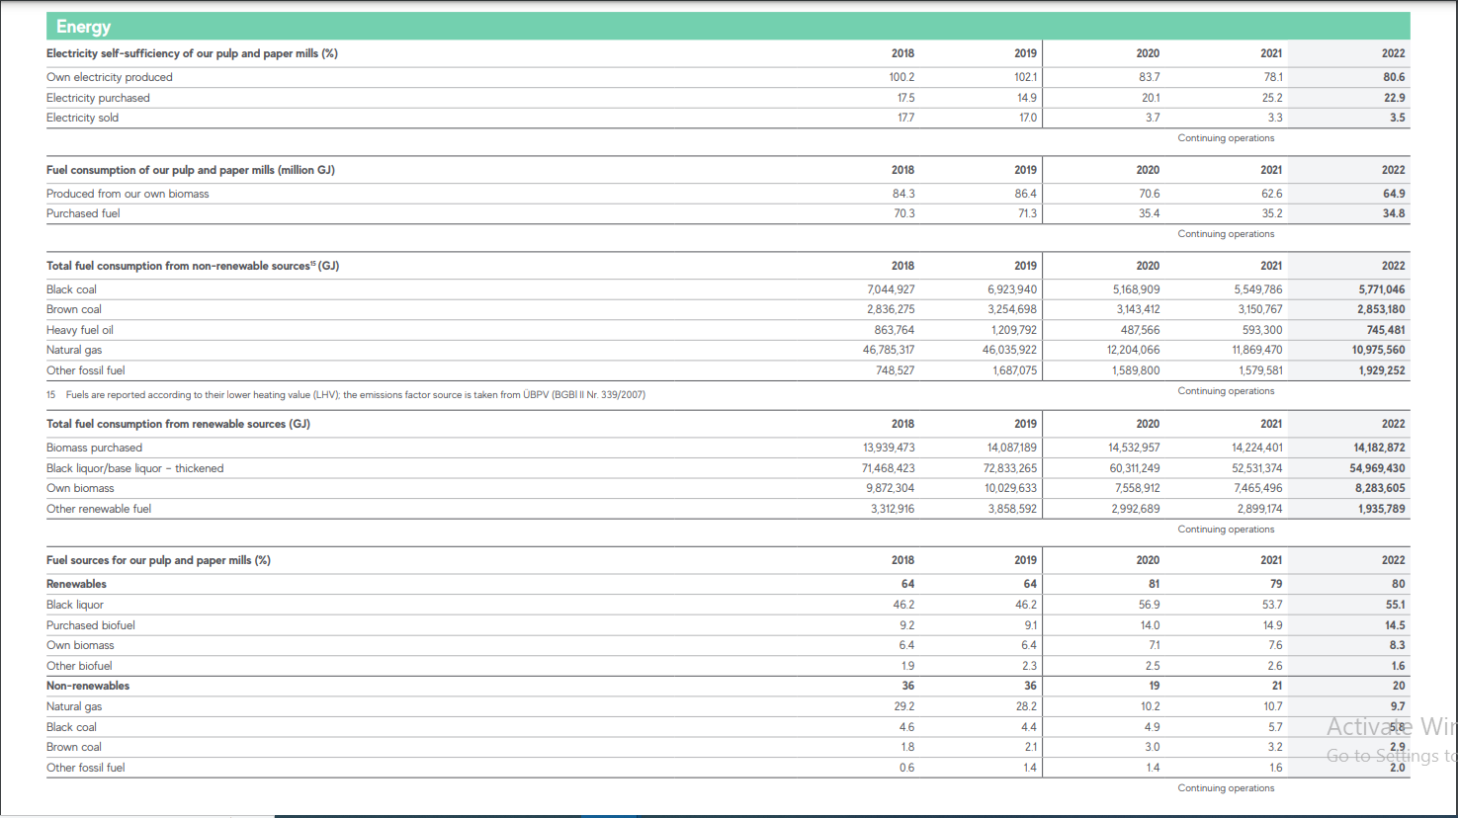
 |  | Recovery boilers | Unit | 2010 | 2011 | 2012 | 2013 |  |  |  |  | https://www.mondigroup.com/media/16482/mondi-group-consolidated-sustainability-performance-2022.pdf
 |  | Efficiency assumed | - | 0.64 | 0.64 | 0.64 | 0.64 | Estimated
 |  | Parasitic load |  | 0.12 | 0.12 | 0.12 | 0.12 |  |  |  |  | These are consolidated therefore the share of SA Mills to be verified.
 |  | Black liquor consumed | GJ/a | 3,289,236 | 3,621,636 | 1,286,280 | 1,047,923 |  | 1,047,923 | bl |  | Energy power use in Mondi paper mills | Units | 2018 | 2019 | 2020 | 2021 | 2022 | Ave | % share
 |  | Steam generated | GJ/a | 1,852,498 | 2,039,705 | 724,433 | 590,190 |  | 590,190 | bl s |  | Electricity
 |  |  |  |  |  |  |  |  |  |  |  | Own production | % | 100.2 | 102.1 | 83.7 | 78.1 | 80.6 | 88.94 | 78
 |  |  |  |  |  | Availability | 0.8 |  |  |  |  | Purchased | % | 17.5 | 14.9 | 20.1 | 25.2 | 2.9 | 16 | 14
 |  |  |  |  |  | Capacity (MW) | 0 |  |  |  |  | Sold | % | 17.7 | 17 | 3.7 | 3.3 | 3.5 | 9.04 | 8
 |  | Copeland recovery boiler | Unit | 2010 | 2011 | 2012 | 2013
 |  | Efficiency assumed | - | 0.65 | 0.65 | 0.65 | 0.65 | Estimated |  |  |  | Own consumption |  |  |  |  |  |  |  | % share
 |  | Parasitic load |  | 0.12 | 0.12 | 0.12 | 0.12 |  |  |  |  | Produced from own biomass | PJ | 84.3 | 86.4 | 70.6 | 62.6 | 64.9 | 73.76 | 60
 |  | Black liquor consumed | GJ/a | 2,592 | - | - | - | Decomissioned |  | bl |  | Fuel purchsed | PJ | 70.3 | 71.3 | 35.4 | 35.2 | 34.8 | 49.4 | 40
 |  | Steam generated | GJ/a | 1,483 | - | - | - |  |  | bl s
 |  |  |  |  |  |  |  |  |  |  |  | Total fuel consumption from non-RE sources |  |  |  |  |  |  |  | % share
 |  | Total steam generated onsite | GJ/a | 5,555,708 | 6,170,615 | 3,946,214 | 3,214,952 |  |  |  |  | Black coal | PJ | 7.0 | 6.9 | 5.2 | 5.5 | 5.8 | 6.1 | 16
 |  |  |  |  |  |  |  |  |  |  |  | Brown coal | PJ | 2.8 | 3.3 | 3.1 | 3.2 | 2.9 | 3.0 | 8
 |  |  |  |  |  |  |  |  |  |  |  | Heavy fuel oil (HFO) | PJ | 0.9 | 1.2 | 0.5 | 0.6 | 0.7 | 0.8 | 2
 |  |  |  |  |  |  |  |  |  |  |  | Natural gas | PJ | 46.8 | 46.0 | 12.2 | 11.9 | 11.0 | 25.6 | 69
 | Onsite Electricity generation |  |  |  |  |  |  |  |  |  |  | Other fossil fuel | PJ | 0.7 | 1.7 | 1.6 | 1.6 | 1.9 | 1.5 | 4

 |  | Summary | Unit | 2010 | 2011 | 2012 | 2013 |  |  |  |  | Total fuel from RE |  |  |  |  |  |  |  | % share
 |  | Purchased electricity | GJ/a | 1,401,720 | 1333671 | 1131103 | 862495 |  |  |  |  | Biomass purchases | PJ | 13.9 | 14.1 | 14.5 | 14.2 | 14.2 | 14.2 | 16
 |  | Generated onsite | GJ/a | 275430 | 282190 | 157926 | 2038 | Turbines not in operation in 2013 | 2038 | elec gen |  | Black liquor/base liqour - thickened | PJ | 71.5 | 72.8 | 60.3 | 52.5 | 55.0 | 62.4 | 71
 |  | Self-sufficiency ratio |  | 0.16 | 0.17 | 0.12 | 0.00 |  |  |  |  | Own biomass | PJ | 9.9 | 10.0 | 7.6 | 7.5 | 8.3 | 8.6 | 10
 |  |  |  |  |  |  |  |  |  |  |  | Other RE fuel | PJ | 3.3 | 3.9 | 3.0 | 2.9 | 1.9 | 3.0 | 3

 |  |  |  |  |  |  |  |  |  |  |  | Fuel sources (%)
Sappi - Ngodwana |  |  |  |  |  |  |  |  |  |  |  | RE
 |  |  |  |  |  |  |  |  |  |  |  | Black liqour | % | 46.2 | 46.2 | 56.9 | 53.7 | 55.1 | 52
 |  |  |  |  |  |  |  |  |  |  |  | Purchased biofuel | % | 9.2 | 9.1 | 14 | 14.9 | 14.5 | 12
 | Onsite steam generation |  |  |  |  |  |  |  |  |  |  | Own biomass | % | 6.4 | 6.4 | 7.1 | 7.6 | 8.3 | 7
 |  |  |  |  |  | Availability | 0.8 |  |  |  |  | Other biofuel | % | 1.9 | 2.3 | 2.5 | 2.6 | 1.6 | 2
 |  |  |  |  |  | Capacity (MW) | 344 |  |  |  |  | TOTAL RE | % | 64 | 64 | 81 | 79 | 79 | 73
 |  | Coal-fired & coal-oil boilers | Unit | 2010 | 2011 | 2012 | 2013
 |  | Coal Efficiency | - | 0.76 | 0.76 | 0.76 | 0.76 | Estimated
 |  | Coal Parasitic load |  | 0.09 | 0.09 | 0.09 | 0.09 | Pulp and paper energy guide. Table 4.2 |  |  |  | Non-RE
 |  | Coal consumption | GJ/a | 11,272,133 | 12,636,798 | 12,007,845 | 12,010,455 | Subtracted coal used in lime kiln | 12010455.367 | coalhfocoal |  | Natural gas | % | 29.2 | 28.2 | 10.2 | 10.7 | 9.7 | 18
 |  | Oil efficiency |  | 0.86 | 0.86 | 0.86 | 0.86 | Pulp and paper energy guide. Table 4.2 |  |  |  | Black coal | % | 4.6 | 4.4 | 4.9 | 5.7 | 5.8 | 5
 |  | Oil parasitic load |  | 0.04 | 0.04 | 0.04 | 0.04 | Pulp and paper energy guide. Table 4.2 |  |  |  | Brown coal | % | 1.8 | 2.1 | 3 | 3.2 | 2.9 | 3
 |  | Oil consumption |  | 544,010 | 451,673 | 438,558 | 438,653 | Assumed all HFO used in boiler | 438653.03346 | coalhfohfo |  | Other fossil fuel | % | 0.6 | 1.4 | 1.4 | 1.6 | 2 | 1
 |  | Steam generated | GJ/a | 8,244,942 | 9,112,510 | 8,666,699 | 8,668,583 |  | 8668582.8766 | coalhfo s |  | TOTAL NON-RE |  | 36 | 36 | 20 | 21 | 20 | 27

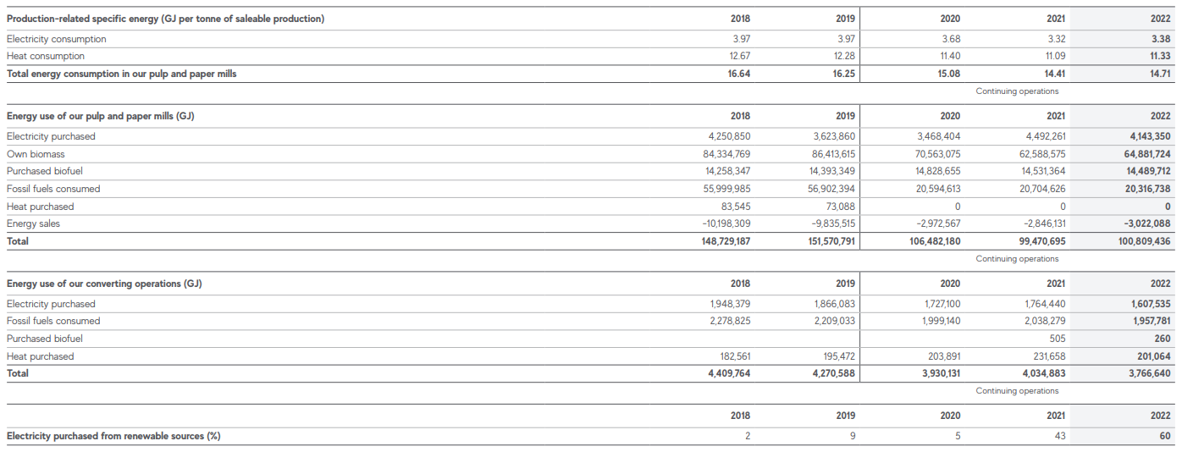
 |  |  |  |  |  | Availability | 0.8 |  |  |  |  | Production-related specific energy (GJ/ton of saleable production)
 |  |  |  |  |  | Capacity (MW) | 189 |  |  |  |  | Electricity consumption | GJ/t | 3.97 | 3.97 | 3.68 | 3.32 | 3.38 | 4
 |  | Recovery boilers | Unit | 2010 | 2011 | 2012 | 2013 |  |  |  |  | Heat consumption | GJ/t | 12.67 | 12.28 | 11.4 | 11.09 | 11.33 | 12
 |  | Efficiency assumed | - | 0.64 | 0.64 | 0.64 | 0.64 | Pulp and paper energy guide. Table 4.2 |  |  |  | Total energy consumption in P&P mills | GJ/t | 16.64 | 16.25 | 15.08 | 14.41 | 14.71 | 15
 |  | Parasitic load |  | 0.12 | 0.12 | 0.12 | 0.12 | Pulp and paper energy guide. Table 4.2
 |  | Black liquor consumed | GJ/a | 7,057,065 | 8,195,138 | 8,781,806 | 9,847,369 | Assumed all BL used in rec boiler | 9,847,369 | bl |  | Energy use in P&P mills (GJ)
 |  | Steam generated | GJ/a | 3,974,539 | 4,615,502 | 4,945,913 | 5,546,038 |  | 5,546,038 | bl s |  | Electricity purchased | PJ | 4.3 | 3.6 | 3.5 | 4.5 | 4.1 | 4
 |  |  |  |  |  |  |  |  |  |  |  | Own biomass | PJ | 84.3 | 86.4 | 70.6 | 62.6 | 64.9 | 74
 |  |  |  |  |  |  |  |  |  |  |  | Purchased biofuels | PJ | 14.3 | 14.4 | 14.8 | 14.5 | 14.5 | 15
 | Onsite electricity generation |  |  |  |  |  |  |  |  |  |  | Fossil fuels consumed | PJ | 56.0 | 56.9 | 20.6 | 20.7 | 20.3 | 35
 |  |  |  |  |  | Availability | 0.71 |  |  |  |  | Heat purchased | PJ | 0.1 | 0.1 | 0.0 | 0.0 | 0.0 | 0
 |  |  |  |  |  | Capacity (MW) | 115 |  |  |  |  | Energy sales | PJ | -10.2 | -9.8 | -3.0 | -2.8 | -3.0 | -6
 |  | Turbine generators | Unit | 2010 | 2011 | 2012 | 2013 |  |  |  |  | TOTAL ENRGY USED IN P&P MILLS | PJ | 148.7 | 151.6 | 106.5 | 99.5 | 100.8 | 121
 |  | Efficiency | GJ/a | 0.85 | 0.85 | 0.85 | 0.85 | Pulp and paper energy guide. Table 4.2
 |  | Steam consumed | GJ/a | 2820890 | 3048278 | 3198320 | 3005300 |  | 3005300 | elec steam |  | Energy use of our converting operations (GJ)
 |  | Electricity generated | GJ/a | 2397756 | 2591036 | 2718572 | 2554505 |  | 2554505 | elec gen |  | Electcity purchased | PJ | 1.9 | 1.9 | 1.7 | 1.8 | 1.6 | 2
 |  |  |  |  |  |  |  |  |  |  |  | Fossil fuels consumed | PJ | 2.3 | 2.2 | 2.0 | 2.0 | 2.0 | 2
 |  |  |  |  |  |  |  |  |  |  |  | Purchased biofuel | PJ |  |  |  | 0.0 | 0.0 | 0
 |  |  |  |  |  |  |  |  |  |  |  | Heat purchased | PJ | 0.2 | 0.2 | 0.2 | 0.2 | 0.2 | 0
Sappi - Saiccor |  |  |  |  |  |  |  |  |  |  |  | TOTAL Energy used from conversion operations | PJ | 4.4 | 4.3 | 3.9 | 4.0 | 3.8 | 4

 |  |  |  |  |  |  |  |  |  |  |  | Electricity purchased from RE sources (%) |  | 2 | 9 | 5 | 43 | 60 | 24
 | Onsite steam generation |  |  |  |  | Availability | 0.8
 |  |  |  |  |  | Capacity (MW) | 161
 |  | Coal-fired boilers | Unit | 2010 | 2011 | 2012 | 2013 |  |  |  |  | GHG emmissions from P&P mills
 |  | Efficiency | - | 0.76 | 0.76 | 0.76 | 0.76 | Estimated |  |  |  | Scope 1 (tonnes)
 |  | Parasitic load |  | 0.09 | 0.09 | 0.09 | 0.09 | Pulp and paper energy guide. Table 4.2 |  |  |  | C | t |  | 3690021 | 3357158 | 3428244 | 3268160
 |  | Coal consumption | GJ/a | 5,818,300 | 6,030,824 | 5,756,220 | 5,848,139 | Assumed all coal used in boilers | 5848139.1402 | coal |  | CH4 | t |  | 12190 | 12861 | 12328 | 12267
 |  | Steam generated | GJ/a | 4,023,936 | 4,170,918 | 3,981,001 | 4,044,573 | Calculated | 4044573.0293 | coal s |  | N2O | t |  | 89746 | 94654 | 89547 | 90633
 |  |  |  |  |  |  |  |  |  |  |  | Other (Ozone depleting substances?) | t |  | 32290 | 7966 | 7867 | 8634
 |  |  |  |  |  | Availability | 0.8
 |  |  |  |  |  | Capacity (MW) | 154 |  |  |  |  | Scope 2 (tonnes)
 |  | Sulphite recovery boilers | Unit | 2010 | 2011 | 2012 | 2013 | http://www.andritz.com/products-and-services/pf-detail.htm?productid=13628 |  |  |  | Market based | t |  | 456323 | 429170 | 448449 | 327479
 |  | Efficiency assumed | - | 0.64 | 0.64 | 0.64 | 0.64 | Estimated |  |  |  | Location based | t |  | 441333 | 380665 | 455891 | 423597
 |  | Parasitic load |  | 0.12 | 0.12 | 0.12 | 0.12 |  |  |  |  | Biogenic GHG emissions | t |  | 12812150 | 13518291 | 12392133 | 12608722
 |  | Red liquor consumed | GJ/a | 7,009,021 | 6,866,689 | 6,658,452 | 7,043,252 | Calculated | 7043252.142 | bl
 |  | Steam generated | GJ/a | 3,947,480 | 3,867,319 | 3,750,040 | 3,966,760 | Calculated from the difference | 3966759.6064 | bl s |  | GHG emissions not from P&P mills
 |  |  |  |  |  |  |  |  |  |  |  | Scope 3 (tonnes)
 |  |  |  |  |  | Availability | 0.8 |  |  |  |  | Purchased goods & services | t |  | 2377997 | 1853696 | 2325578 | 2160432
 |  |  |  |  |  | Capacity (MW) | 204 |  |  |  |  | Fuel and energy-related activities | t |  | 628002 | 613511 | 622604 | 592682
 |  | Recovery boilers | Unit | 2010 | 2011 | 2012 | 2013 |  |  |  |  | Upstream transportation & distribution | t |  | 465425 | 477332 | 364047 | 379518
 |  | Efficiency assumed | - | 0.64 | 0.64 | 0.64 | 0.64 | Pulp and paper energy guide. Table 4.2 |  |  |  | Downstream transportation & distribution | t |  | 327724 | 257363 | 206465 | 202734
 |  | Parasitic load |  | 0.12 | 0.12 | 0.12 | 0.12 | Pulp and paper energy guide. Table 4.2 |  |  |  | Employee commuting | t |  | 48984 | 49412 | 28900 | 28709
 |  | Black liquor consumed | GJ/a | 7,798,547 | 9,565,292 | 9,552,440 | 9,704,981 | Assuming all BL is used in rec boilers | 9704980.5111 | bl |  | Business travel | t |  | 11850 | 2145 | 1616 | 2561
 |  | Steam generated | GJ/a | 4,392,142 | 5,387,172 | 5,379,934 | 5,465,845 | Calculated | 5465845.0239 | bl s |  | Other | t |  | 55000 | 55000 | 55000 | 55000
 |  |  |  |  |  |  |  |  |  |  |  | Total | t |  | 3914982 | 3308459 | 3604210 | 3421636

 | Onsite electricity generation |  |  |  |  | Availability | 0.95
 |  |  |  |  |  | Capacity (MW) | 46 |  |  |  |  | https://www.nampak.com/content/documents/about/carbon-disclosure-project-2016.pdf
 |  | Turbine generators | Unit | 2010 | 2011 | 2012 | 2013 |  |  |  |  | https://www.mpact.co.za/assets/investors-and-media/reports/IR21/downloads/mpact-sr-2021.pdf
 |  | Efficiency | GJ/a | 0.85 | 0.85 | 0.85 | 0.85 | Pulp and paper energy guide. Table 4.2 |  |  |  | https://www.mpact.co.za/assets/investors-and-media/reports/IR22/downloads/mpact-sdr-2022.pdf
 |  | Steam consumed | GJ/a | 1358218 | 1474868 | 1621768 | 1724169 |  | 1724169.4118 | elec steam
 |  | Electricity generated | GJ/a | 1154485 | 1253638 | 1378503 | 1465544 |  | 1465544 | elec gen |  | Mpacts
 |  |  |  |  |  |  |  |  |  |  |  | In the medium term, there is potential to transition our coal and heavy fuel oil (HFO) boiler fleet to liquid natural gas (LNG) with the longer-term possibility of converting to Green hydrogen as a currently foreseeable option to achieving Net-Zero.
 |  |  |  |  |  |  |  |  |  |  |  | At present, however, LNG is not available in the quantities required or in the locations required, and Green hydrogen technology is still in development.
 |  |  |  |  |  |  |  |  |  |  |  | 3 solar PV projects completed in 2021 bringing total installed capacity to 4.6 MWp with another 4.6 MWp under construction. A further 4 MWp is in project development.
 |  |  |  |  |  |  |  |  |  |  |  | Mpact’s manufacturing operations consumed 5,224 TJ of energy in 2021 (2020: 4,765 TJ)
 |  |  |  |  |  |  |  |  |  |  |  | Group total energy consumption, including energy for non-manufacturing sites, increased 10% to 5,275 TJ (2020: 4,813 TJ)
 |  |  |  |  |  |  |  |  |  |  |  | Energy use per tonne of production increasing by 1% to 6.38 GJ per tonne (2020: 6.29 GJ/t
 |  |  |  |  |  |  |  |  |  |  |  | In addition to the already installed solar PV systems, an additional 5.3MWp of solar PV was rolled out at a further five plants in 2022, bringing the total to 9.4MWp at 10 operating sites, with approved plans for a further 6.7MWp at two sites in 2023. An additional 10.6MWp is in the pipeline for another two sites, pending approval. In 2021 we published our target to achieve 25MWp by 2027.
Mondi - Richards Bay |  |  |  |  |  |  |  |  |  |  |  | Energy use per tonne of production decreased by 4.5% to 6.097GJ per tonne (2021: 6.384GJ/t).

 |  |  |  |  |  |  |  |  |  |  |  | Energy consumption | Scope 1 & 2 GHG Emmissions | Installed solar PV | GHG per unit E cons
 | Steam Generation |  |  |  |  |  |  |  |  |  |  | GJ/ton | tCO2e/ton | MWp | tCO2e/GJ
 |  |  |  |  | Availability | 0.8 |  |  |  |  |  | 6.38 | 0.906 | 4.6 | 0.14200626959
 |  |  |  |  | Capacity (MW) | 174 |  |  |  |  |  | 6.1 | 0.867 |  | 0.14213114754
 |  | Coal-fired boilers | Unit | 2006 | 2007 | 2010 | 2014
 |  | Efficiency | - | 0.75 | 0.75 | 0.75 | 0.75 | Estimated
 |  | Parasitic load |  | 0.09 | 0.09 | 0.09 | 0.09
 |  | Coal consumption | GJ/a | 5,719,426 | 6,434,513 | 6,434,513 | 6,434,513 | Assumes all coal is used in boilers | 6434512.5331 | coal
 |  | Steam generated | GJ/a | 3,903,508 | 4,391,555 | 4,391,555 | 4,391,555 |  | 4391554.8038 | coal s

 |  |  |  |  | Availability | 0.96
 |  |  |  |  | Capacity (MW) | 100
 |  | Bark-coal co-fired boiler | Unit | 2006 | 2007 | 2010 | 2014
 |  | Efficiency | - | 0.77 | 0.77 | 0.77 | 0.77
 |  | Coal consumption | GJ/a | 2,157,406 | 2,157,406 | 2,157,406 | 2,157,406 |  | 2157406.3196 | coalbiocoal
 |  | Biomass consumption |  | 1,677,900 | 1,677,900 | 1,677,900 | 1,677,900 |  | 1677900 | coalbiobio
 |  | Steam generated | GJ/a | 2,952,707 | 2,952,707 | 2,952,707 | 2,952,707 |  | 2952707.104 | coalbio s

 |  |  |  |  | Availability | 0.7 |  | Estimated
 |  |  |  |  | Capacity (MW) | 350
 |  | Recovery boiler | Unit | 2006 | 2007 | 2010 | 2014
 |  | Efficiency assumed | - | 0.64 | 0.64 | 0.64 | 0.64 | Assumed
 |  | Parasitic load |  | 0.12 | 0.12 | 0.12 | 0.12
 |  | Black liquor consumed | GJ/a | 13,718,608 | 13,718,608 | 13,718,608 | 13,718,608 | Calculated from efficiency | 13718607.955 | bl
 |  | Steam generated | GJ/a | 7,726,320 | 7,726,320 | 7,726,320 | 7,726,320 | Calculated from capacity | 7726320 | bl s

 |  | Total black liquor produced | GJ/t pulp |  |  | 19.2

 |  | Total steam generated onsite | GJ/a | 14,582,535 | 15,070,582 | 15,070,582 | 15,070,582

 | Onsite electricity generation
 |  |  |  |  |  | Availability | 0.8
 |  |  |  |  |  | Capacity (MW) | 27
 |  | CCGT | Unit | 2006 | 2007 | 2010 | 2014
 |  | Efficiency | GJ/a | 0.54 | 0.54 | 0.54 | 0.54
 |  | Natural gas consumed | GJ/a | 1261440 | 1261440 | 1261440 | 1,261,440.00 |  | 1261440 | gas
 |  | Electricity generated | GJ/a | 681,178 | 681,178 | 681,178 | 681,178 |  | 681177.6 | gas elec

 |  |  |  |  |  | Availability | 0.8
 |  |  |  |  |  | Capacity (MW) | 38
 |  | Extraction back-pressure steam turbine (CHP) | Unit | 2006 | 2007 | 2010 | 2014
 |  | Efficiency | GJ/a | 0.9 | 0.9 | 0.9 | 0.9
 |  | Steam consumed | GJ/a | 1065216 | 1065216 | 1065216 | 1065216 |  | 1065216 | elec steam
 |  | Electricity generated | GJ/a | 958,694 | 958,694 | 958,694 | 958,694 |  | 958694.4 | elec gen

 |  |  |  |  |  | Availability | 0.8
 |  |  |  |  |  | Capacity (MW) | 34
 |  | Extraction condensing steam turbine (CHP) | Unit | 2006 | 2007 | 2010 | 2014
 |  | Efficiency | GJ/a | 0.9 | 0.9 | 0.9 | 0.9
 |  | Steam consumed | GJ/a | 961498 | 961498 | 961498 | 961498 |  | 961497.6 | elec steam
 |  | Electricity generated | GJ/a | 865,348 | 865,348 | 865,348 | 865,348 |  | 865347.84 | elec gen

 |  |  |  |  |  | Availability | 0.8
 |  |  |  |  |  | Capacity (MW) | 47
 |  | Multi-extraction condensing steam turbine | Unit |  |  | 2010 | 2014
 |  | Efficiency | GJ/a |  |  |  | 0.3
 |  | Steam consumed | GJ/a |  |  |  | 3952512 |  | 3952512 | elec steam
 |  | Electricity generated | GJ/a |  |  |  | 1,185,754 |  | 1185753.6 | elec gen

Mondi - Merebank

 | Onsite steam generation
 |  |  |  |  |  | Availability | 0.96
 |  |  |  |  |  | Capacity (MW) | 158
 |  | Coal-fired boilers | Unit |  | 2006 | 2007 | 2010 | 2014
 |  | Efficiency | - |  | 0.75 | 0.75 | 0.75 | 0.75
 |  | Parasitic load |  |  | 0.09 | 0.09 | 0.09 | 0.09
 |  | Coal consumption | GJ/a |  | 7,028,595 | 7,028,595 | 7,028,595 | 7,028,595 | 7028594.5867 | coal
 |  | Steam generated | GJ/a |  | 4,797,016 | 4,797,016 | 4,797,016 | 4,797,016 | 4797015.8054 | coal s

 |  |  |  |  |  | Availability | 0.96
 |  |  |  |  |  | Capacity (MW) | 84
 |  | Multifuel boiler | Unit | Shares | 2006 | 2007 | 2010 | 2014
 |  | Efficiency | - |  |  |  | 0.65 | 0.65
 |  | Coal consumption | GJ/a | 0.54 |  |  | 2,109,819 | 2,109,819 | 2,109,819 | coalbiocoal
 |  | Biomass (bark, sawdust) |  | 0.13 |  |  | 507,919 | 507,919 | 507,919 | coalbiobio
 |  | Waste (sludge, ash) |  | 0.3 |  |  | 1,172,122 | 1,172,122 | 1,172,122 | coalbiobio
 |  | Sasol gas |  | 0.03 |  |  | 117,212 | 117,212 | 117,212 | gas
 |  | Steam generated | GJ/a |  |  |  | 2,539,597 | 2,539,597 | 2,539,597 | coalbio s

 | Steam for process use/electricity generation
 |  |  |  |  |  |  | 2010 | 2014
 |  | Total steam generated |  |  |  |  | 7,336,612 | 7,336,612
 |  | Steam to elec gen |  |  |  |  | 4,778,884 | 4,778,884
 |  | Steam for process use |  |  |  |  | 2,557,729 | 2,557,729

 | Onsite electricity generation
 |  |  |  |  |  |  | Availability | 0.8
 |  |  |  |  |  |  | Capacity (MW) | 9
 |  | Extraction back-pressure steam turbines (CHP) - Existing | Unit |  | 2006 | 2007 | 2010 | 2014
 |  | Efficiency | GJ/a |  | 0.9 | 0.9 | 0.9 | 0.9
 |  | Steam consumed | GJ/a |  | 252288 | 252288 | 252288 | 252288 | 252288 | elec steam
 |  | Electricity generated | GJ/a |  | 227,059 | 227,059 | 227,059 | 227,059 | 227059.2 | elec gen

 |  |  |  |  |  |  |  | 0.96
 |  |  |  |  |  |  |  | 22
 |  | Extraction back-pressure steam turbines (CHP) - New | Unit |  | 2006 | 2007 | 2010 | 2014
 |  | Efficiency | GJ/a |  | 0.15 | 0.15 | 0.15 | 0.15
 |  | Steam consumed | GJ/a |  | 4,526,596 | 4,526,596 | 4,526,596 | 4,526,596 | 4526595.7968 | elec steam
 |  | Electricity generated | GJ/a |  | 656,958 | 656,958 | 656,958 | 656,958 | 656957.952 | elec gen

Nampak

 |  |  | Rosslyn paper mill | New Rosslyn mill | Kliprivier | Riverview (Verulam) | Belville | total
 | Coal-fired boilers | Efficiency |  |  | 0.76 | 0.76 | 0.76
 |  | Coal consumption |  |  | 293,664 | 127,680 | 319,200 | 740,544 | 319199.92391 | coal
 |  | Steam generated |  |  | 223,185 | 97,037 | 242,592 | 562,813 | 242591.94217 | coal s

 | Gas-fired boiler | Efficiency | 0.8 | 0.8
 |  | Gas consumption | 461,850 | 1,293,179 |  |  |  | 1,755,029 | 1,755,029 | gas
 |  | Steam generated | 369,480 | 1,034,543 |  |  |  | 1,404,023 | 1,404,023 | gas s

Mpact & Kimberly clark

 | Site |  | Springs | Piet Retief | Felixton | Enstra
 | Company |  | Mpact | Mpact | Mpact | Kimberley Clarke

 | Coal-fired boilers
 |  | Efficiency | 0.76 | 0.76 | 0.76
 |  | Coal consumption | 1,315,789 | 4,763,158 | 2,065,789 |  |  | 8,144,737 | 8,144,737 | coal
 |  | Steam generated | 1,000,000 | 3,620,000 | 1,570,000 |  |  | 6,190,000 | 6,190,000 | coal s

 | Gas-fired boiler
 |  | Efficiency |  |  |  | 0.8
 |  | Gas consumption |  |  |  | 455,000 |  | 455,000 | 455,000 | gas
 |  | Steam generated |  |  |  | 364,000 |  | 364,000 | 364,000 | gas s

