Define REFIT
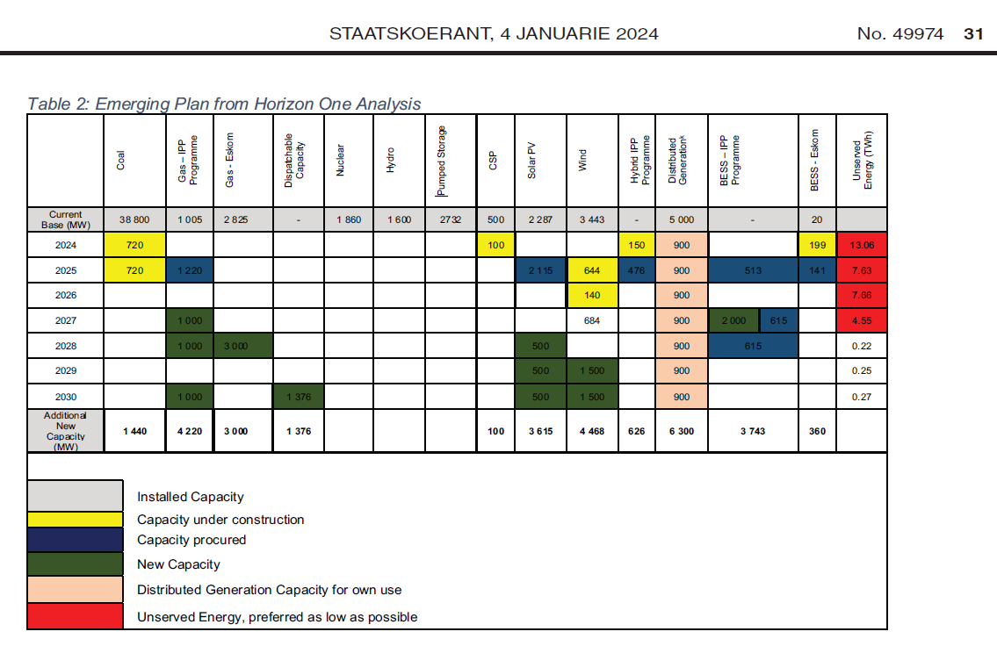
 | ~TFM_INS-TS
 | PSET_PN | attribute | LimType | 2024 | 2025 | 2026 | 2027 | 2028 | 2029 | 2030 |  | Notes
MEDUPI | ETCLEMEDU-N | NCAP_BND | FX |  |  | 0 | 0 | 0 | 0 | 0 |  | Already in VT_ELC
KUSILE | ETCLEKUSI-N | NCAP_BND | FX |  |  | 0 | 0 | 0 | 0 | 0
Generic Waterberg Coal Plant | ETCLEWATE-N | NCAP_BND | FX | 0 | 0 | 0 | 0 | 0 | 0 | 0
Generic Waterberg Coal Plant with CCS | ETCLE-CCS-N | NCAP_BND | FX | 0 | 0 | 0 | 0 | 0 | 0 | 0
Pumped Storage New Ingula - Single Storage Tech | EPTSTO-N | NCAP_BND | FX | 0 | 0 | 0 | 0 | 0 | 0 | 0
DOE Peakers | ETODSGT-N | NCAP_BND | FX | 0 | 0 | 0 | 0 | 0 | 0 | 0
Fluidised Bed Combustion Coal | ETCLDFB-N | NCAP_BND | FX | 0 | 0 | 0 | 0 | 0 | 0 | 0
Micro hydro | ERHYD-N | NCAP_BND | FX | 0 | 0 | 0 | 0 | 0 | 0 | 0
Nuclear Mid | ETNUC-N | NCAP_BND | FX | 0 | 0 | 0 | 0 | 0 | 0 | 0
Solar Central Receiver 09 hrs storage | ERSOLTC09-N | NCAP_BND | FX | 0.1 | 0 | 0 | 0 | 0 | 0 | 0
Solar PV Fixed | ERSOLPCF-N | NCAP_BND | FX | 0 | 0 | 0 | 0 | 0 | 0 | 0
Solar PV tracking | ERSOLPCT-N | NCAP_BND | FX | 0 | 2.115 | 0 | 0 | 0.5 | 0.5 | 1.188
Wind | ERWNDH-N | NCAP_BND | FX | 0 | 0.644 | 0.14 | 0.684 | 0 | 1.5 | 1.5
Imports from Region | ERHYDGIW-I | NCAP_BND | FX | 0.15 | 0.476 | 0 | 0 | 0 | 0 | 0 |  | hydro project
Open Cycle Gas Turbine - LNG | ETGICGT-N | NCAP_BND | FX | 1.22 | 0 | 1 | 1 | 0 | 1 | 0.688 |  | 1.376 of dispatchable split between PV+BESS and OCGT
Hydrogen Turbine or FuelCell | ETHGNGT-N | NCAP_BND | FX | 0 | 0 | 0 | 0 | 0 | 0 | 0
Combined Cycle Gas Turbine - LNG | ETGICCC-N | NCAP_BND | FX | 0 | 0 | 0 | 0 | 3 | 0 | 0
Combined Cycle Gas Turbine - LNG with CCS | ETGICCC-CCS-N | NCAP_BND | FX | 0 | 0 | 0 | 0 | 0 | 0 | 0
Gas Engines - LNG | ETGICEN-N | NCAP_BND | FX | 0 | 0 | 0 | 0 | 0 | 0 | 0
Biomass municipal waste | ERBIO-N | NCAP_BND | FX | 0 | 0 | 0 | 0 | 0 | 0 | 0
Landfill gas | ERBIG-N | NCAP_BND | FX | 0 | 0 | 0 | 0 | 0 | 0 | 0
Utility Scale Storage - 4hrs | ESTSUTL | NCAP_BND | FX | 0 | 0.513 | 0 | 2.615 | 0.615 | 0 | 0.688
 | Nothing | NCAP_BND | FX
Solar PV rooftop Agriculture | ERSOLPRA-N | NCAP_BND | FX | 0.16071428571 | 0.16071428571 | 0.16071428571 | 0.16071428571 | 0.16071428571 | 0.16071428571 | 0.16071428571
Solar PV rooftop Mining | ERSOLPRM-N | NCAP_BND | FX | 0.0585 | 0.0585 | 0.0585 | 0.0585 | 0.0585 | 0.0585 | 0.0585
Solar PV rooftop commercial | ERSOLPRC-N | NCAP_BND | FX | 0.117 | 0.117 | 0.117 | 0.117 | 0.117 | 0.117 | 0.117
Solar PV rooftop residential | ERSOLPRR-N | NCAP_BND | FX | 0.43457142857 | 0.43457142857 | 0.43457142857 | 0.43457142857 | 0.43457142857 | 0.43457142857 | 0.43457142857
Solar PV rooftop Industry | ERSOLPRI-N | NCAP_BND | FX | 0.12921428571 | 0.12921428571 | 0.12921428571 | 0.12921428571 | 0.12921428571 | 0.12921428571 | 0.12921428571

 |  |  |  | 0.26785714286
 |  |  |  | 0.0975
 |  |  |  | 0.195
 |  |  |  | 0.72428571429
 |  |  |  | 0.21535714286

 | ~TFM_INS |  |  |  |  | ~TFM_INS-TS
 | PSET_PN | attribute | REGION1 |  |  | CSET_CN | attribute | 2025 | 2028 | 2030 | 2031
 | ULGTGRLFSRU-N | NCAP_START | 2025 |  |  | ELCC | COM_PKRSV | 0 | 0 | 0 | 0.45
 | IMPGRL | NCAP_START | 2025

Bruno: I can't seem to get this to work so creating a new UC_ELC-IRP.
UC_Sets: R_E: REGION1
UC_Sets: T_E:
 |  |  |  |  | UC_T
UC_N | UC_ATTR | Pset_PN | Year | LimType | UC_NCAP | UC_NCAP~RHS | UC_RHSRT | UC_RHSRT~0
UC_Growth_Wind | NCAP,GROWTH | ERW* | 2025 | LO | 100 | 1 | -1.5 | 5
UC_Growth_Wind | NCAP,GROWTH | ERW* | 2026 | LO | 100 | 1 | -1.5 | 5
UC_Growth_Wind | NCAP,GROWTH | ERW* | 2030 | LO | 100 | 1 | -1.5 | 5
UC_Growth_Wind | NCAP,GROWTH | ERW* | 2031 | LO | 1.1 | 1 | 0 | 5
UC_Growth_Wind | NCAP,GROWTH | ERW* | 2054 | LO | 1.1 | 1 | 0 | 5
UC_Growth_Wind | NCAP,GROWTH | ERW* | 2055 | LO | 100 | 1 | 0 | 5
UC_Growth_PV | NCAP,GROWTH | ERSOLP* | 2026 | LO | 100 | 1 | 0 | 5
UC_Growth_PV | NCAP,GROWTH | ERSOLP* | 2030 | LO | 100 | 1 | 0 | 5
UC_Growth_PV | NCAP,GROWTH | ERSOLP* | 2031 | LO | 1.1 | 1 | 0 | 5
UC_Growth_PV | NCAP,GROWTH | ERSOLP* | 2054 | LO | 1.1 | 1 | 0 | 5
UC_Growth_PV | NCAP,GROWTH | ERSOLP* | 2055 | LO | 100 | 1 | 0 | 5
UC_Growth_Batteries | NCAP,GROWTH | ESTSUTL | 2026 | LO | 100 | 1 | -2.7 | 5
UC_Growth_Batteries | NCAP,GROWTH | ESTSUTL | 2030 | LO | 100 | 1 | -2.7 | 5
UC_Growth_Batteries | NCAP,GROWTH | ESTSUTL | 2031 | LO | 1.5 | 1 | 0 | 5
UC_Growth_Batteries | NCAP,GROWTH | ESTSUTL | 2054 | LO | 1.5 | 1 | 0 | 5
UC_Growth_Batteries | NCAP,GROWTH | ESTSUTL | 2055 | LO | 100 | 1 | 0 | 5

