Storage supply curve
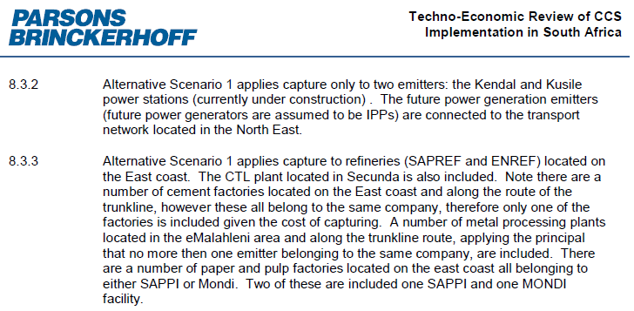

Source: 2013 Parsons and Brinkerhoff/World Bank report

Sector | Emissions | Emissions/Annual (mton) | Capture Cost |  | Transport Cost |  | Storage Cost |  | Total Cost
 | Mton (30 years) | Mton (annual) | Total mR | R/ton | Total mR | R/ton | Total mR | R/ton | Total mR | R/ton
Power | 1,003 | 33 | 393,599 | 392 | 57,909 | 58 | 224,270 | 224 | 675,778 | 674
Steel | 284 | 9 | 86,847 | 306 | 16,402 | 58 | 63,521 | 224 | 166,770 | 587
Cement | 15 | 0.5 | 5809 | 387 | 872 | 58 | 3376 | 225 | 10,057 | 670

 |  |  |  |  |  |  |  |  |  |  | Alternative Scenario 1 (Durban Basin only) is selected as is conservative and also based on chat with Dave Collins

