Define REFIT
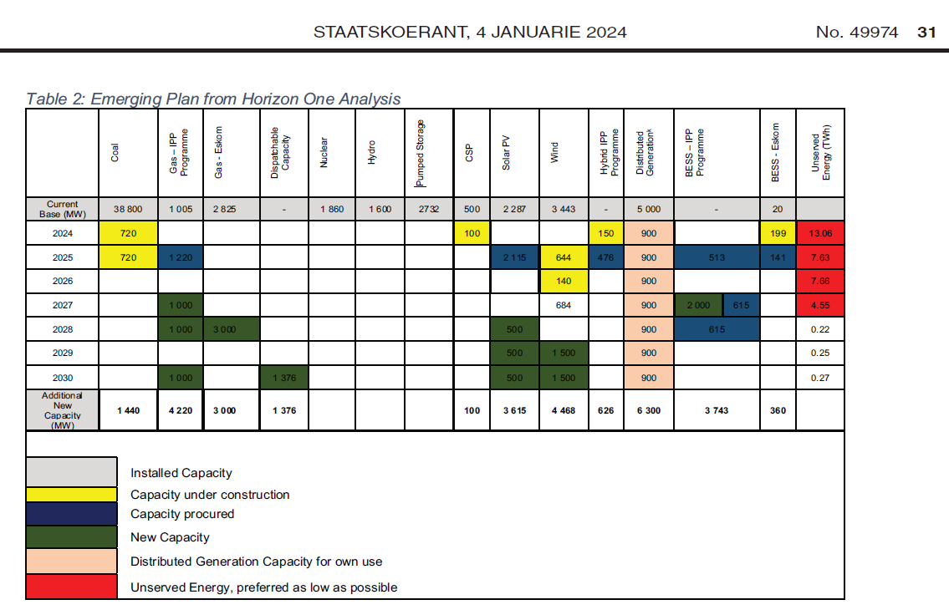
 |  |  |  | Using info from slide, and not Table 2.
 | ~TFM_INS-TS
 | PSET_PN | attribute | LimType | 2024 | 2025 | 2026 | 2027 | 2028 | 2029 | 2030 |  | Notes | Total | From slide | error
MEDUPI | ETCLEMEDU-N | NCAP_BND | FX |  |  | 0 | 0 | 0 | 0 | 0 |  | Already in VT_ELC |  |  |  |  |  |  |  |  |  |  |  |  |  |  |  |  |  |  |  |  |  | Figure 8 is not used in Reference
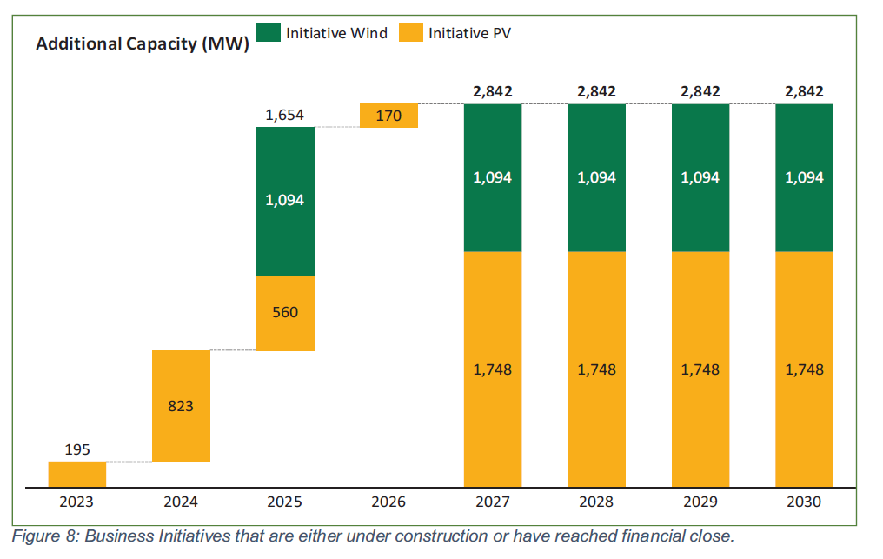
KUSILE | ETCLEKUSI-N | NCAP_BND | FX |  |  | 0 | 0 | 0 | 0 | 0
Generic Waterberg Coal Plant | ETCLEWATE-N | NCAP_BND | FX | 0 | 0 | 0 | 0 | 0 | 0 | 0
Generic Waterberg Coal Plant with CCS | ETCLE-CCS-N | NCAP_BND | FX | 0 | 0 | 0 | 0 | 0 | 0 | 0
Pumped Storage New Ingula - Single Storage Tech | EPTSTO-N | NCAP_BND | FX | 0 | 0 | 0 | 0 | 0 | 0 | 0
DOE Peakers | ETODSGT-N | NCAP_BND | FX | 0 | 0 | 0 | 0 | 0 | 0 | 0
Fluidised Bed Combustion Coal | ETCLDFB-N | NCAP_BND | FX | 0 | 0 | 0 | 0 | 0 | 0 | 0
Micro hydro | ERHYD-N | NCAP_BND | FX | 0 | 0 | 0 | 0 | 0 | 0 | 0
Nuclear Mid | ETNUC-N | NCAP_BND | FX | 0 | 0 | 0 | 0 | 0 | 0 | 0
Solar Central Receiver 09 hrs storage | ERSOLTC09-N | NCAP_BND | FX | 0.1 | 0 | 0 | 0 | 0 | 0 | 0
Solar PV Fixed | ERSOLPCF-N | NCAP_BND | FX | 0 | 0 | 0 | 0 | 0 | 0 | 0
Solar PV tracking | ERSOLPCT-N | NCAP_BND | FX | 1.558 | 4.4016 | 1.487 | 0 | 0.5 | 0.5 | 2.5273066667 |  |  | 10.97389 | 7.696 | 3.27789
Wind | ERWNDH-N | NCAP_BND | FX | 0 | 1.9072 | 0.275 | 0.684 | 0 | 1.5 | 1.5 |  |  | 5.8661666667 | 5.697 | 0.16916666667
Imports from Region | ERHYDGIW-I | NCAP_BND | FX | 0.15 | 0.476 | 0 | 0 | 0 | 0 | 0 |  | hydro project
Open Cycle Gas Turbine - LNG | ETGICGT-N | NCAP_BND | FX | 1.22 | 0 | 0 | 1 | 1 | 0 | 1.688 |  | 1.376 of dispatchable split between PV+BESS and OCGT | 4.908 | 4.22 | 0.688
Hydrogen Turbine or FuelCell | ETHGNGT-N | NCAP_BND | FX | 0 | 0 | 0 | 0 | 0 | 0 | 0
Combined Cycle Gas Turbine - LNG | ETGICCC-N | NCAP_BND | FX | 0 | 0 | 0 | 0 | 3 | 0 | 0 |  |  | 3
Combined Cycle Gas Turbine - LNG with CCS | ETGICCC-CCS-N | NCAP_BND | FX | 0 | 0 | 0 | 0 | 0 | 0 | 0
Gas Engines - LNG | ETGICEN-N | NCAP_BND | FX | 0 | 0 | 0 | 0 | 0 | 0 | 0
Biomass municipal waste | ERBIO-N | NCAP_BND | FX | 0 | 0 | 0 | 0 | 0 | 0 | 0
Landfill gas | ERBIG-N | NCAP_BND | FX | 0 | 0 | 0 | 0 | 0 | 0 | 0
Utility Scale Storage - 4hrs | ESTSUTL | NCAP_BND | FX | 0.425 | 1.03888 | 0.23684210526 | 2.616 | 0.616 | 0 | 1.032 |  |  | 5.9647221053 | 4.169 | 1.7957221053
 | Nothing | NCAP_BND | FX
Solar PV rooftop Agriculture | ERSOLPRA-N | NCAP_BND | FX | 0.16071428571 | 0.16071428571 | 0.16071428571 | 0.16071428571 | 0.16071428571 | 0.16071428571 | 0.16071428571 |  |  | 1.125
Solar PV rooftop Mining | ERSOLPRM-N | NCAP_BND | FX | 0.0585 | 0.0585 | 0.0585 | 0.0585 | 0.0585 | 0.0585 | 0.0585 |  |  | 0.4095
Solar PV rooftop commercial | ERSOLPRC-N | NCAP_BND | FX | 0.117 | 0.117 | 0.117 | 0.117 | 0.117 | 0.117 | 0.117 |  |  | 0.819
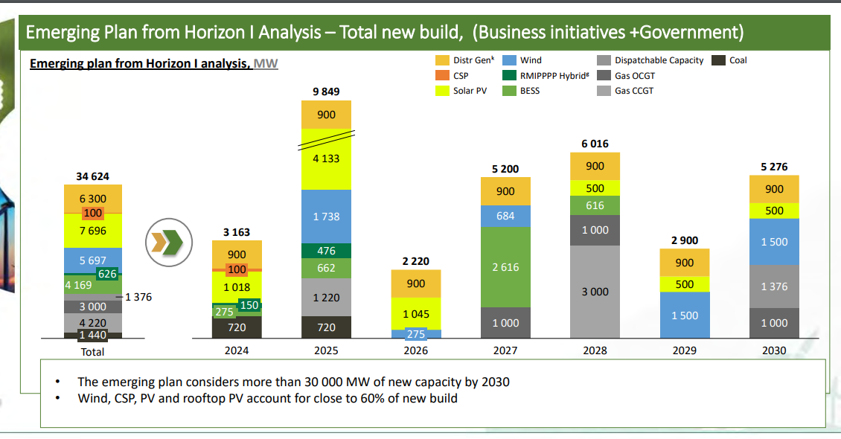
Solar PV rooftop residential | ERSOLPRR-N | NCAP_BND | FX | 0.43457142857 | 0.43457142857 | 0.43457142857 | 0.43457142857 | 0.43457142857 | 0.43457142857 | 0.43457142857 |  |  | 3.042
Solar PV rooftop Industry | ERSOLPRI-N | NCAP_BND | FX | 0.12921428571 | 0.12921428571 | 0.12921428571 | 0.12921428571 | 0.12921428571 | 0.12921428571 | 0.12921428571 |  |  | 0.9045

 |  |  |  | 0.26785714286
 |  |  |  | 0.0975
 |  |  |  | 0.195
 |  |  |  | 0.72428571429
 |  |  |  | 0.21535714286

 | ~TFM_INS |  |  |  |  | ~TFM_INS-TS
 | PSET_PN | attribute | REGION1 |  |  | CSET_CN | attribute | 2025 | 2028 | 2030 | 2031
 | ULGTGRLFSRU-N | NCAP_START | 2025 |  |  | ELCC | COM_PKRSV | 0 | 0 | 0 | 0.45
 | IMPGRL | NCAP_START | 2025

Bruno: I can't seem to get this to work so creating a new UC_ELC-IRP.
UC_Sets: R_E: REGION1
UC_Sets: T_E:
 |  |  |  |  | UC_T
UC_N | UC_ATTR | Pset_PN | Year | LimType | UC_NCAP | UC_NCAP~RHS | UC_RHSRT | UC_RHSRT~0
UC_Growth_Wind | NCAP,GROWTH | ERW* | 2025 | LO | 100 | 1 | -1.5 | 5
UC_Growth_Wind | NCAP,GROWTH | ERW* | 2026 | LO | 100 | 1 | -1.5 | 5
UC_Growth_Wind | NCAP,GROWTH | ERW* | 2030 | LO | 100 | 1 | -1.5 | 5
UC_Growth_Wind | NCAP,GROWTH | ERW* | 2031 | LO | 1.1 | 1 | 0 | 5
UC_Growth_Wind | NCAP,GROWTH | ERW* | 2054 | LO | 1.1 | 1 | 0 | 5
UC_Growth_Wind | NCAP,GROWTH | ERW* | 2055 | LO | 100 | 1 | 0 | 5
UC_Growth_PV | NCAP,GROWTH | ERSOLP* | 2026 | LO | 100 | 1 | 0 | 5
UC_Growth_PV | NCAP,GROWTH | ERSOLP* | 2030 | LO | 100 | 1 | 0 | 5
UC_Growth_PV | NCAP,GROWTH | ERSOLP* | 2031 | LO | 1.1 | 1 | 0 | 5
UC_Growth_PV | NCAP,GROWTH | ERSOLP* | 2054 | LO | 1.1 | 1 | 0 | 5
UC_Growth_PV | NCAP,GROWTH | ERSOLP* | 2055 | LO | 100 | 1 | 0 | 5
UC_Growth_Batteries | NCAP,GROWTH | ESTSUTL | 2026 | LO | 100 | 1 | -2.7 | 5 |  |  |  |  |  |  |  |  | Assumed Tech split |  |  |  |  |  | Assumed CF |  |  | Share of energy |  |  | Energy (GWh)
UC_Growth_Batteries | NCAP,GROWTH | ESTSUTL | 2030 | LO | 100 | 1 | -2.7 | 5 |  |  |  |  |  | Project Name | Price R/MWh | Capacity (MW) | Solar | Wind | Gas | Storage | Overall CF | GWh | Solar | Wind | Gas | Solar | Wind | Gas | Solar | Wind | Gas | Storage Losses
UC_Growth_Batteries | NCAP,GROWTH | ESTSUTL | 2031 | LO | 1.5 | 1 | 0 | 5 |  |  |  |  |  | Oya_Energy_Hybrid_Facility | 1550.34 | 128 | 117.3 | 106.7 |  | 128 | 50% | 561 | 25% | 35% |  | 41.67% | 58.33% |  | 256.96 | 327.04 |  | 10%
UC_Growth_Batteries | NCAP,GROWTH | ESTSUTL | 2054 | LO | 1.5 | 1 | 0 | 5 |  |  |  |  |  | ACWA_Power_Project_DAO | 1462.00 | 150 | 442.0 |  |  | 237 | 50% | 1200 | 25% |  |  | 100% |  |  | 1320 |  |  | 10% | missing | due in 2026 according to: https://www.acwapower.com/news/acwa-power-signs-power-purchase-agreement-for-south-africas-largest-hybrid-dispatchable-renewable-energy-project/
UC_Growth_Batteries | NCAP,GROWTH | ESTSUTL | 2055 | LO | 100 | 1 | 0 | 5 |  |  |  |  |  | Umoyilanga_Energy | 1721.64 | 75 | 68.8 | 62.5 |  | 75 | 50% | 329 | 25% | 35% |  | 41.67% | 58.33% |  | 150.5625 | 191.625 |  | 10%
 |  |  |  |  |  |  |  |  |  |  |  |  |  | Karpowership_SA_Coega | 1468.87 | 450 |  |  | 450 |  | 50% | 1971 |  |  | 50% |  |  | 100% |  |  |  | 10%
 |  |  |  |  |  |  |  |  |  |  |  |  |  | Karpowership_SA_Richards_Bay | 1496.03 | 450 |  |  | 450 |  | 50% | 1971 |  |  | 50% |  |  | 100% |  |  |  | 10%
 |  |  |  |  |  |  |  |  |  |  |  |  |  | Karpowership_SA_Saldanha | 1686.48 | 320 |  |  | 320 |  | 50% | 1402 |  |  | 50% |  |  | 100% |  |  |  | 10%
 |  |  |  |  |  |  |  |  |  |  |  |  |  | Mulilo_Total_Coega | 1885.37 | 197.76 |  |  | 98.88 | 98.88 | 50% | 866 |  |  | 100% |  |  | 100% |  |  | 909.49824 | 10%
 |  |  |  |  |  |  |  |  |  |  |  |  |  | Mulilo_Total_Hydra_Storage | 1515.97 | 75 | 82.5 |  |  | 75 | 50% | 329 | 25% |  |  | 50% |  | 50% | 180.675 |  |  | 10%
 |  |  |  |  |  |  |  |  |  |  |  |  |  | Scatec | 1884.00 | 150 | 540 |  |  | 225 |  | 1140
 |  |  |  |  |  |  |  |  |  |  |  |  |  | Total |  |  | 1250.6 | 169.2 | 1318.9 | 838.7
 |  |  |  |  |  |  |  |  |  |  |  |  |  | Total Firm |  | 1906.0
 |  |  |  |  |  |  |  |  |  |  |  |  |  | Total Excluding KarPower |  | 685.985

 |  |  |  |  |  |  |  |  |  |  |  |  |  | https://www.ipp-rm.co.za/

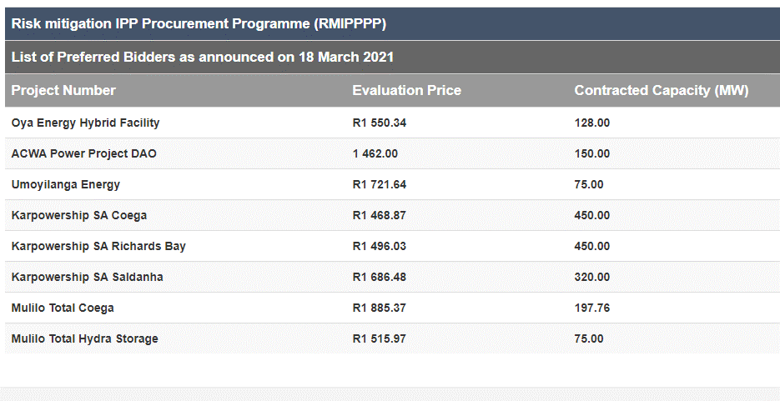
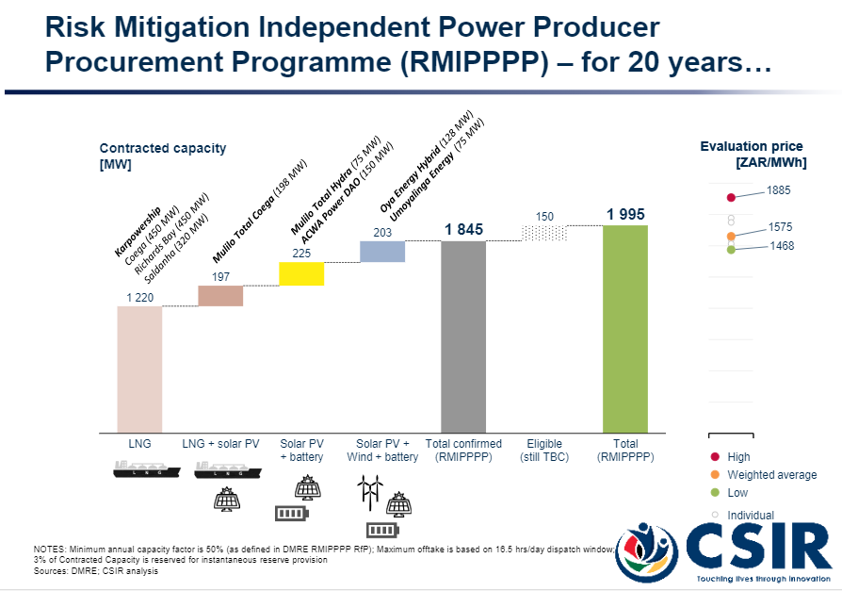



 |  |  |  |  |  |  |  |  |  |  |  |  |  | financial close by August 2022, online by 2024 |  | 540 | MW solar
 |  |  |  |  |  |  |  |  |  |  |  |  |  |  |  | 225 | MW | batteries
 |  |  |  |  |  |  |  |  |  |  |  |  |  |  |  | 1140 | MWH
 |  |  |  |  |  |  |  |  |  |  |  |  |  |  |  | 5.0666666667 | hours

