Iron and Steel
 | ETSAP Technology brief - Iron and Steel. 2010
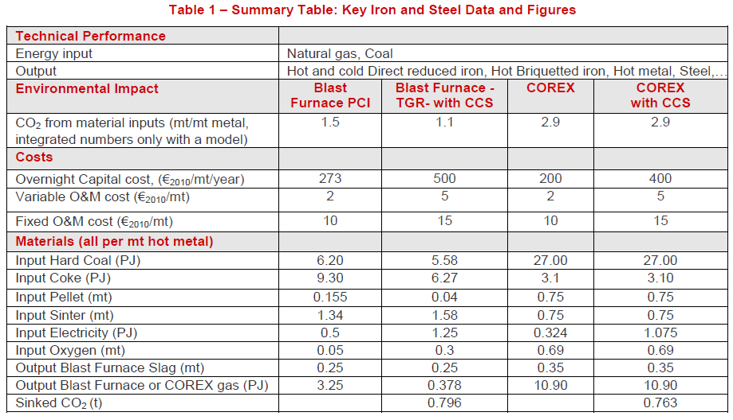

 |  |  |  |  |  |  | BF (TGR) with CCS

 |  |  |  |  |  |  | Cost | 500 | EUR2010/tonne/year

Ding et al 2020

 | https://www.sciencedirect.com/science/article/pii/S0959652619338235?via%3Dihub#sec2 |  | They did a financial model assesment of retrofitting a large (9.5Mt pa) steel plant in China.
 |  |  | This assesment looked at capturing 0.5Mt/year of CO2.

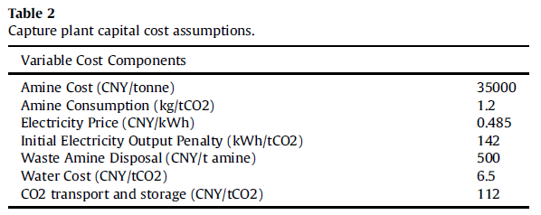

 |  | Capture | 500,000 | kt CO2 per year
 |  | Capital | 407.2 | Million CNY
 |  | FOM | 14 | Million CNY
 |  | VAR | 21.08 | Million CNY | Removed the fuel and water costs

 |  | Electricity needed | 143 | kWh/t CO2 captured | this was elsewhere in the text.
 |  | Steam | ?? |  | There was mention of steam, but no numbers

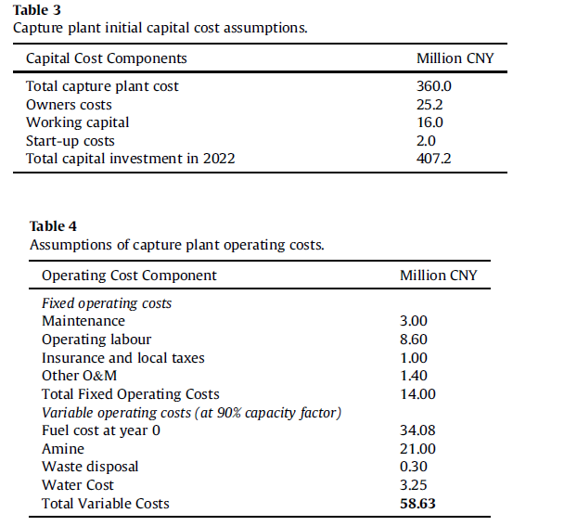

 |  | Capital cost | 1,053,344,960 | ZAR2022 | 2.23 | ZAR per CNY in 2020 |  | https://za.investing.com/currencies/cny-zar-historical-data?end_date=1611007200&st_date=1608415200
 |  | Cost/tCO2 capt. | 2,107 | ZAR/kt CO2 | 1.16 | 2020ZAR to 2022ZAR
 |  |  | seems awefully low |  | 2.5868

 |  | Inputs
 |  | Electricity | 514.8 | MJ/t CO2
 |  |  | 0.5148 | PJ/kt CO2

Storage supply curve
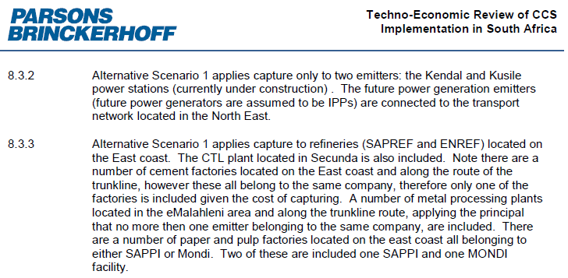

Source: 2013 Parsons and Brinkerhoff/World Bank report

Sector | Emissions | Emissions/Annual (mton) | Capture Cost |  | Transport Cost |  | Storage Cost |  | Total Cost
 | Mton (30 years) | Mton (annual) | Total mR | R/ton | Total mR | R/ton | Total mR | R/ton | Total mR | R/ton
Power | 1,003 | 33 | 393,599 | 392 | 57,909 | 58 | 224,270 | 224 | 675,778 | 674
Steel | 284 | 9 | 86,847 | 306 | 16,402 | 58 | 63,521 | 224 | 166,770 | 587
Cement | 15 | 0.5 | 5809 | 387 | 872 | 58 | 3376 | 225 | 10,057 | 670

 |  |  |  |  |  |  |  |  |  |  | Alternative Scenario 1 (Durban Basin only) is selected as is conservative and also based on chat with Dave Collins

 |  |  |  |  |  |  |  |  |  |  | https://documents1.worldbank.org/curated/en/247631518158856551/pdf/123200-JRN-PUBLIC-World-Bank-CCS-Program.pdf

