EBNH3_Exist
2017 Energy/Commodity Balance
 |  | Producers |  |  |  |  | Consumers |  |  |  |  |  |  |  |  |  |  |  |  |  |  |  | New
Commodity Code | Commodity | Tech Code | Tech description | unit | value | CV (MJ/kg) | Tech Code | Tech description | unit | value | CV (MJ/kg) | Source |  |  |  | GJ/ton
NH3 | Ammonia | ICPGASNH3-E | Existing Ammonia Plant - Gas | mt | 0.330 | LHV | ICPNH3DEM | Ammonia to Local Market | mt | 0.33 |  |  |  | Feedstock | Process | Net primary energy consumption [GJ/t NH3 (LHV)] |  |  | Units | Gas turbine required | Electricity from H2 Plant | CV NH3 | LHV MJ/kg | 18.8
 |  |  |  | PJ | 6.14 | 18.600 |  |  | PJ | 6.14 |  |  |  | Natural gas | Steam reforming | 28 |  | Energy requirement to convert hydrogen into ammonia to operate the synloop and ASU | kWh/tonne NH3 | 390 | 390 |  | kWh/t | 5222.2222222
 |  | UCTLNH3-E |  | mt | 0.27
 |  | 251.2008 |  | PJ | 5.02 | 18.600
INDGMU | Industry-CP-Material use Gas |  |  |  |  |  | ICPGASNH3-E | Existing Ammonia Plant - Gas | PJ | 9.24 |  |  |  | Heavy hydrocarbon | Partial oxidation | 38 |  | Electricity production LHV efficiency | % | 35 | 100 | CV H2 | LHV MJ/kg | 120
ICPELC | Industry Chemical Electricity |  |  |  |  |  | ICPGASNH3-E | Existing Ammonia Plant - Gas | PJ | 0.09 |  |  |  | Coal | Partial oxidation | 45 |  | Equivalent H2 requirement | Kg/tonne NH3 | 33.44 | 11.7 |  |  | Without Gas turbine
INDCLE | Industry Coal low grade |  |  |  |  |  | ICPGASNH3-E | Existing Ammonia Plant - Gas | PJ | 0.09 |  |  |  | Source JRC 2007 |  |  |  | Total H2 requirement per tonne NH3 | Per tonne NH3 | 211.01 | 189.27 |  |  | Hydrogen per unit of ammonia | ton H2/ton NH3 | 0.18927
ICPNH3 | Ammonia Demand Domestic Market |  |  |  |  |  | ICPNH3DEM | Ammonia to Local Market | PJ | 8.40 |  |  |  |  |  |  |  | Conversion efficiency | % | 84.2 | 93.8 |  |  |  | GJ H2/ton NH3 | 22.7124
 |  |  |  |  |  |  | PEXNH3 | Ammonia to Export Market | PJ | 2.76 |  |  |  |  |  |  |  | Conversion efficiency | % | 84.2 | 93.8 |  |  |  | GJ H2/ton NH3 | #VALUE!
CO2SP | #REF! |  |  |  |  |  |  |  | kton | 241.415 |  |  |  |  |  |  |  | LHV efficiency | % | 73.4 | 81.8 |  |  |  | GJ H2/GJ NH3 | 1.208106383
CH4S | #REF! |  |  |  |  |  |  |  | kton | 7.962 |  |  |  |  |  |  |  | Bartels and Pate, 2008 |  |  |  |  |  |  | Eff | 0.82774167415
 |  |  |  |  |  |  |  |  |  |  |  |  |  |  |  |  |  |  |  |  |  |  |  |  | GJ elc/ton NH3 | 0.10833333333
 |  |  |  |  |  |  |  |  |  |  |  |  |  |  |  |  |  |  |  |  |  |  |  |  | GJ elc/GJ NH3 | 0.0057624113475

 |  |  |  |  |  |  |  |  |  |  |  |  |  |  |  |  |  |  |  |  |  |  |  | With Gas turbine
 |  |  |  |  |  |  |  |  |  |  |  |  |  |  |  |  |  |  |  |  |  |  |  | Hydrogen per unit of ammonia | ton H2/ton NH3 | 0.21101
 |  |  |  |  |  |  |  |  |  |  |  |  |  |  |  |  |  |  |  |  |  |  |  |  | GJ H2/ton NH3 | 25.3212
 |  |  |  |  |  |  |  |  |  |  |  |  |  |  |  |  |  |  |  |  |  |  |  |  | GJ H2/GJ NH3 | 1.3468723404
 |  |  |  |  |  |  |  |  |  |  |  |  |  |  |  |  |  |  |  |  |  |  |  |  | Eff | 0.74246086283

 |  |  |  |  |  |  |  |  |  |  |  |  |  | ZAR 2014->2015 | 1.0500 | https://inflationcalc.co.za/
 |  |  |  |  |  |  |  |  |  |  |  |  |  | EUR2014->ZAR2014 | 14.0997 | https://www1.oanda.com/currency/converter/

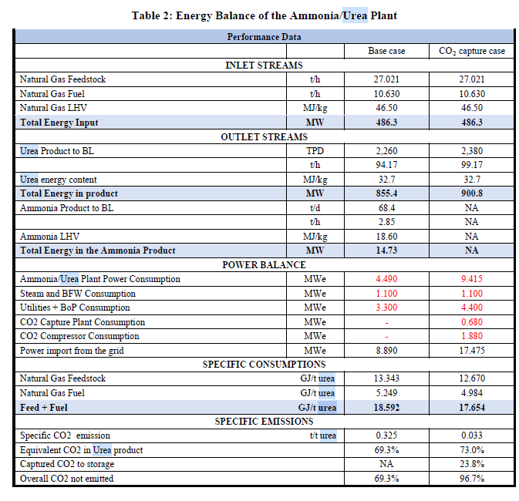
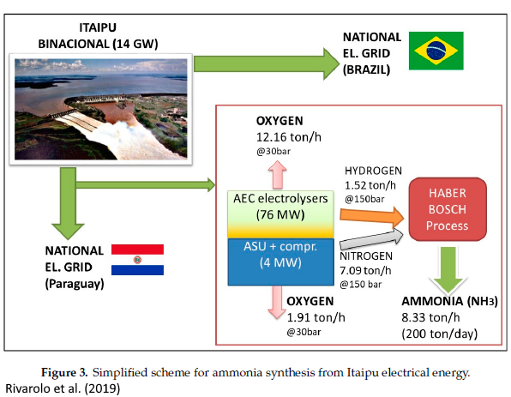
Sasol 2017a |  |  |  |  |  |  |  |  |  |  | Sasol Chemicals combution |  | 0.91
Microsoft Word - Annual Emission Report for SSO_FY18 |  |  |  |  |  |  |  |  |  |  | Total Sasol |  | 115.94 | IEA (2017) Techno-Economic Evaluation of H YCO Plant Integrated to Ammonia / Urea or Methanol Production with CCS. |  |  |  |  |  |  |  |  | Rivarolo (2019) Clean Hydrogen and Ammonia Synthesis in Paraguay from the Itaipu 14 GW Hydroelectric Plant
Annexure 1: Sasol’s 2017 GHG submission to the national GHG reporting regulations |  |  |  |  |  |  |  |  |  |  |  |  |  | BASE CASE | NH3 base case [Euro] |  | NH3 base case [Euro]
Name of data provider |  | Herman van der Walt / Shamini Harrington |  |  |  |  |  |  |  |  |  |  |  | Total plant cost (TPC) | EUR 2014 Q4 | Plant Life (yrs) | 25
Data provider identification |  | 170500107 |  |  |  |  |  |  |  |  |  |  |  | Total plant cost | 546,600,000 | Construction time (yrs) | 3
Date of submission |  | 31 03 2018 |  |  |  |  |  |  |  |  |  |  |  | Contingencies | 109,320,000 | Design and Construction Period | Year: 1, 2, 3; Investment Cost: 20%, 45%, 35%
Year of data |  | 2017 (January to December 2017) |  |  |  |  |  |  |  |  |  |  |  | Sub-total | 655,920,000 | Capacity (NH3 stream) (t/hr) | 2.85
Comments: Activity data has been supplied. A carbon mass balance has been used to determine GHG data. In most cases the activity data cannot be directly translated to GHG data. Flaring activity data cannot be supplied due to various streams entering the flare at any given time. |  |  |  |  |  |  |  |  |  |  |  |  |  | Spare parts | 3,279,600 | Capacity (NH3 stream) (t/yr) | 24,966
IPCC code | Sub category (disaggregated by fuel / product type / production process) | Activity data |  |  | Emissions (tonnes/year) |  |  |  |  |  |  |  |  | Start-up and commissioning cost |  | Availability | 0.90
 |  | Name of activity data | Value of activity data | Units of activity data | CO2 |  |  | CH4 |  |  | N20 |  |  | Start-up CAPEX | 13,118,400 | Capacity GJa | 469,361
 |  |  |  |  | Value | Tier | Reference - technical guidelines | Value | Tier | Reference - technical guidelines | Value | Tier | Reference - technical guidelines | Additional fuel cost | 1,725,457 | Capacity PJa | 0.46936
1A1 | 1A1c | Boiler coal combustion | 14,977,374 | tonnes of run of mine coal | 25,429,246 | 3 | Page 52-54 | 300 | 1 | Page 52-54 | 449 | 1 | Page 52-54 | O&M | 2,566,044 | InvCost mR/PJ | 29,080
1A1 | 1A1c | Gas to power plants | 750,271 | kNm3 | 1,420,641 | 3 | Page 52-54 | 25.3 | 1 | Page 52-54 | 2.53 | 1 | Page 52-54 | Catalyst and chemicals | 591,940 | Fixed OM | 546
1A1 | 1A1c | Fuel gas combustion | 28,640,347 | GJ | 1,194,110 | 3 | Page 52-54 | 21.3 | 1 | Page 52-54 | 2.13 | 1 | Page 52-54 | Owners cost | 45,914,400 | Variable OM | 248
1A1 | 1A1c | Fuel oil combustion | 1,100,948 | GJ | 118,860 | 3 | Page 52-54 | 4.6 | 1 | Page 52-54 | 0.92 | 1 | Page 52-54 | Interest during construction | 125,912,501
1A1 | 1A1c | Sasol catalytic cracker | 1,199,845 | kNm3 | 188,429 | 3 | Page 52-54 | 7.3 | 1 | Page 52-54 | 1.46 | 1 | Page 52-54 | Working capital | 109,589
1A1 | 1A1c | Wet sulphuric acid combustion emissions | 177,871 | kNm3 | 68,055 | 3 | Page 52-54 | 1.2 | 1 | Page 52-54 | 0.12 | 1 | Page 52-54 | Sub-total | 193,217,931
1A | 1A1c | Natural gas combustion | 910,988 | GJ natural gas | 39,454 | 3 | Page 52-54 | 0.7 | 1 | Page 52-54 | 0.07 | 1 | Page 52-54 | Total capital requirements | 849,137,931
1B | 1B3 | Other energy industries: process emissions | 30,042,216 | kNm3 (pure gas rate for CTL/GTC) | 23,227,198 | 3 | Page 52-54 | #### | 3 | Page 52-54 | 0 |  |  |  | EUR2014 | ZAR2022
1B | 1B3 | Flaring emissions | No activity data due to complexity of the process | N/A | 2,027,278 | 3 | Page 52-54 | NA | NA | NA | NA | NA | NA | Overnight Cost | 655,920,000 | 13,648,827,238
1B | 1B3 | Wet sulphuric acid process emissions | 177,871 | kNm3 | 309,044 | 3 | Page 52-54 | NA | NA | NA | NA | NA | NA | FOM | 26,236,800 | 545,953,090 | 4.0%
1B | 1B3 | Butanol stripper | 182,658 | tonnes of butanol | 15,323 | 3 | Page 52-54 | NA | NA | NA | NA | NA | NA | VAR_OM | 5,596,997 | 116,466,101 |  |  |  |  |  |  | The resulting mass and energy flows are reported in Figure 3. Considering a nominal production
4D | 4D2 | Process water dams | 23,360 | tonnes process water feed | 7,065 | 3 | Page 52-54 | 3853 | 3 | Page 52-54 | 0 |  |  |  |  |  |  |  |  |  |  |  | of 200 ton/day of NH3 (equivalent to 8330 kg/h), about 1520 kg/h of H2 and 7100 kg/h of N2 are needed
4D | 4D2 | Water recovery (including domestic sewage) | 119,401 | tonnes COD | 180,962 | 3 | Page 52-54 | NA | NA | NA | NA | NA | NA | 1 ZAR 2022 / 2015 | 1.4055467391 |  |  |  |  |  |  |  | as reactants.
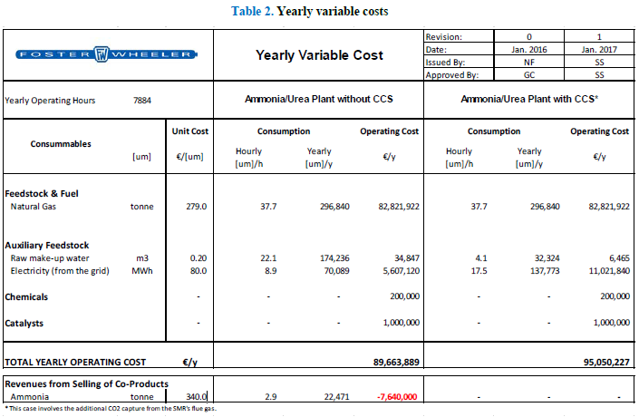
2B | 2B2 | Nitric acid production | 643,962 | tonnes of nitric acid | NA | NA | NA | NA | NA | NA | 692 | 3 | Page 52-54
2B | 2B1 | Ammonia production | 313,043 | tonnes of ammonia | 241,415 | 3 | Page 52-54 | 7962 | 3 | Page 52-54 | NA | NA | NA
1B | 1B1 | Sasol Mining | 40,020,782 | tonnes of coal mined | - | NA | NA | 3229 | 2 | Page 52-54 | NA | NA | NA |  |  |  |  |  |  |  |  |  |  |  | NH3 | 8339 | kg/hr
1B2 | 1B2b | Natural gas venting from the pipeline | 4,555,664 | kNm3 of natural gas | - | NA | NA | 243 | 2 | Page 52-54 | NA | NA | NA |  |  |  |  |  |  |  |  |  |  |  | H2 | 1520 | kg/hr
4C | 4C2 | Open burning of waste | Not applicable (NA) | NA | NA | NA | NA | NA | NA | NA | NA | NA | NA |  |  |  |  |  |  |  |  |  |  |  | N2 | 7100 | kg/hr
1A5 | 1A5b | Mobile combustion: Mining machinery | 245,406 | litres of petrol and diesel | 19,410 | 1 | Carbon budget reporting requirement | NA | NA | NA | NA | NA | NA
 |  |  |  |  |  |  |  |  |  |  |  |  |  |  |  |  |  |  |  |  |  |  |  |  | H2/NH3 | 0.18227605228 | kg/kg
 |  |  |  |  |  |  |  |  |  |  |  |  |  |  |  |  |  |  |  |  |  |  |  |  | H2/NH3 | 1.1634641635 | J/J

 |  |  |  |  |  |  |  |  |  |  |  |  |  |  |  |  |  |  |  |  |  |  |  |  | H2 | 18.8 | MJ/kg
 |  |  |  |  |  |  |  |  |  |  |  |  |  |  |  |  |  |  |  |  |  |  |  |  | NH3 | 120 | MJ/kg

MTH
 |  | Producers |  |  |  |  | Consumers |  |  |  |  |  |  | Intensity calculations |  |  |  |  | Calculations for reactant requirements
Commodity Code | Commodity | Tech Code | Tech description | unit | value | CV (MJ/kg) | Tech Code | Tech description | unit | value | CV (MJ/kg) | Efficiency check |  |  |  |  |  |  |  |  |  |  | molar masses
MTH | Methanol | ICPGASMTH | Existing Methanol Plant - Gas | mt | 0.140 | LHV | ICPMTHDEM | Methanol to Local Market | mt | 0.140 |  |  |  |  | assuming 100% pure H2 |  |  |  |  |  |  |  | MTH | 32.04 | g/mol
 |  |  |  | PJ | 2.79 | 19.900 |  |  | PJ | 2.79 |  |  |  |  | H2 requirement per ton MTH |  |  |  |  | assuming 100 mol/hr methanol |  |  | H2 | 2.016 | g/mol
INDGMU | Industry-CP-Material use Gas |  |  |  |  |  | INDGMU | Existing Methanol Plant - Gas | PJ | 2.95 |  | 65% |  |  | Hydrogen per unit of methanol | ton H2/ton MTH | 0.189 |  |  | 300 mol/hr H2 required |  |  | CO2 | 44.01 | g/mol
ICPELC | Industry Chemical Electricity |  |  |  |  |  | ICPELC |  | PJ | 0.11 |  |  |  |  |  | GJ H2/ton MTH | 22.68 |  |  | 100 mol/hr CO2
INDCLE | Industry Coal low grade |  |  |  |  |  | INDCLE |  | PJ | 1.24 |  |  |  |  |  | GJ H2/GJ MTH | 1.1396984925 |  |  | then |  |  | LHV
ICPMTH | Methanol Demand Domestic Market |  |  |  |  |  | ICPMTHDEM | Methanol to Local Market | PJ | 2.79 |  |  |  |  |  | Eff | 0.87742504409 |  |  | methanol flow | 3200 | kg/hr | H2 | MJ/kg | 120
 |  |  |  |  |  |  |  |  |  |  |  |  |  |  |  |  |  |  |  | H2 flow | 604.8 | kg/hr | MTH | MJ/kg | 19.9 | https://www.methanol.org/wp-content/uploads/2016/06/Physical-Properties-of-Pure-Methanol.pdf, https://en.wikipedia.org/wiki/Heat_of_combustion
 |  |  |  |  |  |  |  |  |  |  | ? |  |  |  |  |  |  |  |  | H2 kg / MTH kg | 0.189
 |  |  |  |  |  |  |  |  |  | 8.89 |  |  |  |  | assuming 100% pure CO2 |  |  |  |  | CO2 flow | 4401 | kg/hr
Source: IHS Markit Super H2igh Road Scenario for South Africa - Extended Report June 2021 |  |  |  |  |  |  |  |  |  |  |  |  |  |  | CO2 requirement per ton MTH |  |  |  |  | CO2 kg / MTH kg | 1.3753125
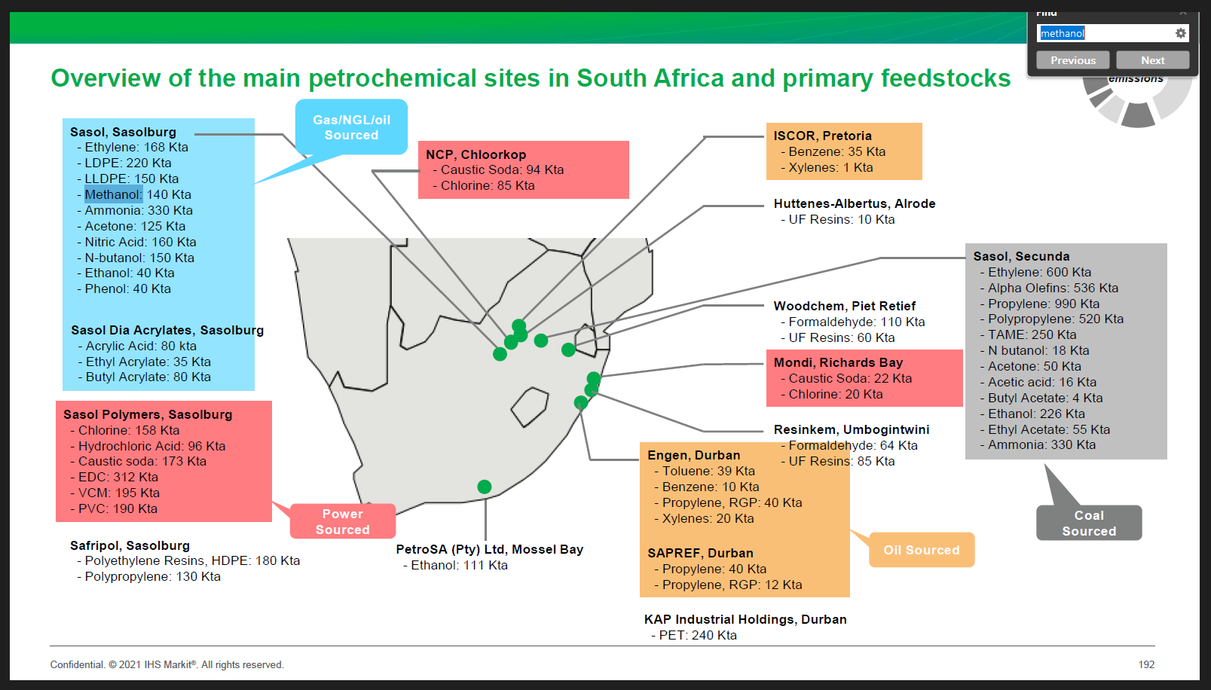
 |  |  |  |  |  | Source: Exergoenvironmental analysis of methanol production by steam reforming and autothermal reforming of natural gas
 |  |  |  |  |  |  |  |  |  |  |  |  |  |  | CO2 per unit of methanol | ton CO2/ton MTH | 1.3753125 |  | once you have the RES, next steps are gather the intensity: PJ or tons H2, tons CO2 PJ Elc per PJ or ton Methanol, and then the cost Dollar per unit of capacity (PJ or tons per annum), dollar per unit of production excluding investment and energy, CO2 costs (which are computed upstream).
 |  |  |  |  |  | Using the methane intensity formula below: by knowing the natural gas feedstock flowrate, methane intensity for ATR and the total product exergy (see second table), the flowrate of natural gas for fuel can be calculated.

 |  |  |  |  |  | mCH4, syngas= | 22.8 | kg/s
 |  |  |  |  |  |  | 13132800000 | kg |  |  |  |  |  | from Felix Schorn report "methanol as a renewable energy carrier…"
 |  |  |  |  |  | CH4- intensity= | 126.1 | kg/MWh |  |  |  |  |  |  | plant size | MW methanol | 300 |  | source: Felix Schorn report "methanol as a renewable energy carrier…" |  |  |  |  | energy requirement comparison from source: "Alcohol Production from Carbon Dioxide: Methanol as a Fuel … "
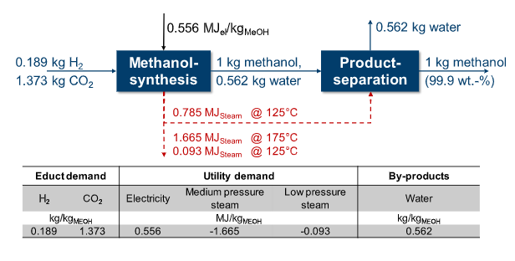
 |  |  |  |  |  | Ep,total= | 6.24 | MWh/tonne | 22.464 |  |  |  |  |  | plant lifetime | years | 20 |  |  |  |  |  |  | for MeOH flowrate: 481 800
 |  |  |  |  |  | plant lifetime= | 20 | years |  |  |  |  |  |  | operation per year | hours | 8000
 |  |  |  |  |  |  | 8000 | hr per year |  |  |  |  |  |  | methanol flowrate | t/a | 434000
 |  |  |  |  |  | methanol product flowrate | 2452 | tonnes/day |  |  |  |  |  |  |  | PJ/a | 8.64
 |  |  |  |  |  | therefore Ep,total= | 102003200 | MWh |  |  |  |  |  |  | CV check | GJ/t | 19.91
 |  |  |  |  |  | therefore, rearranging CH4 intensity formula: mCH4,fuel = | -270196480 | kg
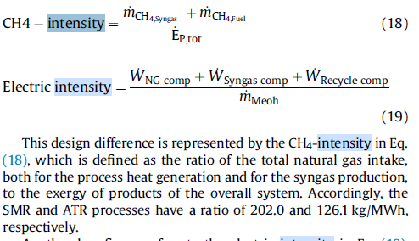
 |  |  |  |  |  |  |  |  |  |  |  |  |  |  | Energy requirement to convert H2 into MTH (kwh/ton MTH)
 |  |  |  |  |  |  |  |  | Stoichometric |  |  |  |  |  |  | MJ/ kg MTH | 0.556
 |  |  |  |  |  |  |  | CH4 | 16 |  |  |  |  |  |  | MWh/ kg MTH | 0.00015444444444
 |  |  |  |  |  |  |  | CH3OH | 32 |  |  |  |  |  |  | MWh/ ton MTH | 0.15444444444
 |  |  |  |  |  |  |  | ton/ton | 0.5 |  |  |  |  |  |  | MJ elec/ ton MTH | 556 | Note: Battaglia et al. [73] report methanol costs for a current system consisting of hydrogen production, carbon capture and methanol synthesis between 823 and 2706 €/t, depending on the cost of electricity of the various renewable sources.
 |  |  |  |  |  |  |  | GJ/ton | 19.5 |  |  |  |  |  |  | GJ elec/GJ MTH | 0.027939698492
 |  |  |  |  |  |  |  |  |  |  |  |  |  |  |  | GJ CLE/GJ MTH | 0.44667783361
 |  |  |  |  |  |  |  |  |  |  |  |  |  |  | Cost rand per unit of capacity (rand per tons per annum) |  |  |  |  | source: Felix Schorn report "methanol as a renewable energy carrier…"
 |  |  |  |  |  |  |  |  |  |  |  |  |  |  | Specific investment cost | €/kW | 235 |  |  | Cost Dollar per unit of production calculations
 |  |  |  |  |  |  |  |  |  |  |  |  |  |  | Plant size | MW | 300 |  |  | from pie graph: units are €/lDE | unit | value |  | 27.9
 |  |  |  |  |  |  |  | https://www.sciencedirect.com/science/article/abs/pii/S0360544217311398 |  |  |  |  |  |  | capital investment | ZAR 2022 | 1,222,178,258 | not sure where the 60million in the paper comes from, could be an error? |  | therefore total | €/lDE | 1.87 | €/GJ | 52.1
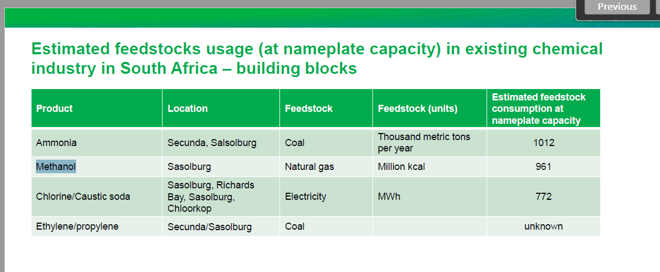
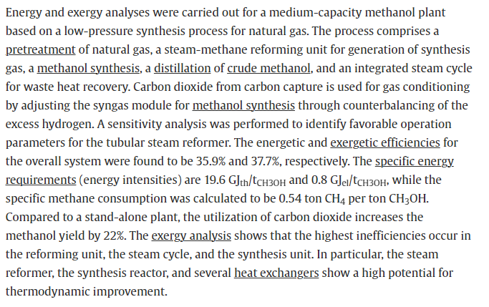
 |  |  |  |  |  |  |  |  |  |  |  |  |  |  | cost per unit capacity | ZAR/(t/a) | 2816.08 | note that this assumes the plant is running all year round (availability = 1, and not 8000/8760) |  | CO2 cost | €/lDE | 0.1683 | €/GJ | 4.7
 |  |  |  |  |  |  |  |  |  | ELC | GJ/t_methanol | 0.8 |  |  | cost per unit capacity | ZAR/(GJ/a) | 141.4558 | 8.1597222222 |  | H2 cost | €/lDE | 1.5708 | €/GJ | 43.8
 |  |  |  |  |  |  |  |  |  | Ngas | ton CH4/ton meth | 0.54 |  |  | cost per unit capacity | Dollar/(t/a) | 2985.04 |  |  | Operating electricity | €/lDE | 0.0187 | €/GJ | 0.5
 |  |  |  |  |  |  |  |  |  |  | GJ/ton | 21.06 |  |  | Life of plant | years | 20.00 |  |  | OPEX | €/lDE | 0.0748 | €/GJ | 2.08
 |  |  |  |  |  |  |  |  |  | Heat | GJ/ton | 19.6 |  |  | Discount Rate |  | 0.08 |  |  | Annual CAPEX | €/lDE | 0.0374 | €/GJ | 1.04 | 27.7%
 |  |  |  |  |  |  |  |  |  |  |  |  |  |  | CRF |  | 0.102
 |  |  |  |  |  |  |  |  |  |  |  |  |  |  | Annual Capital Costs | €/(t/a) | 286.82
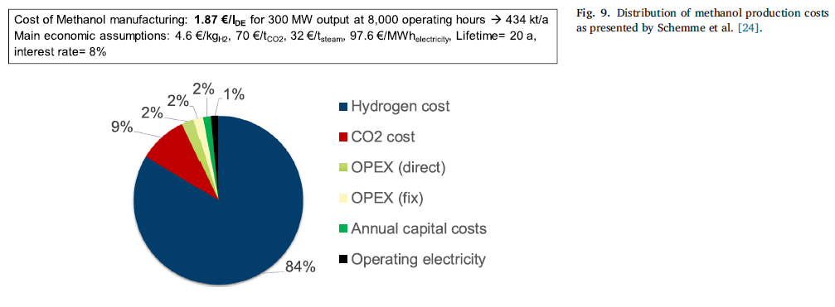
 |  |  |  |  |  |  |  |  |  |  |  |  |  |  | Annual Capital Costs | €/(GJ/a) | 14.41
 |  |  |  |  |  |  |  |  |  |  |  |  |  |  | Cost ZAR per unit of production (PJ or tons per annum)
 |  |  |  | PJ |  |  |  |  |  |  |  |  |  |  | cost per unit of production | ZAR2022/lDE | 1.30
 |  |  |  | 4.020824 |  |  |  |  |  |  |  |  |  |  |  | ZAR2022/MJ | 0.03612
 |  |  |  |  |  |  |  |  |  |  |  |  |  |  |  | mR/PJ (R/GJ) | 36.12
 |  |  |  |  |  | Old source: Technoeconomics and Sustainability of Renewable Methanol and Ammonia Productions Using Wind Power based Hydrogen (Micheal Matzen et. al)

 |  |  |  |  |  |  |  |  |  |  |  |  |  |  | 2022 EUR to 2022 USD | 1.0538 | Ref: Google
 |  |  |  |  |  |  |  |  |  |  |  |  |  |  | 2022 USD to 2022 ZAR | 16.450808333 | Ref: Deflator
 |  |  |  |  |  |  |  |  |  | https://petrowiki.spe.org/Gas_to_methanol |  |  |  |  | 2022 EUR to 2022 ZAR | 17.335861822

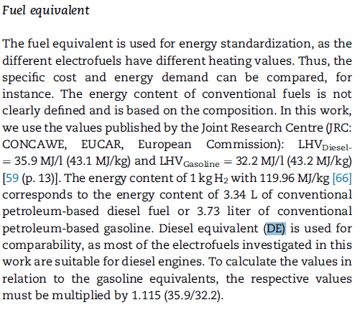

 |  |  |  |  |  |  |  |  |  | NGAS | MBTU/ton | 28 | 31
 |  |  |  |  |  |  | Feedstock | Energy consumption | Units |  | GJ/ton | 29.54 | 32.705 | 31.1225
 |  |  |  |  |  |  | Natural gas | 30 | GJ/t MTH
 |  |  |  |  |  |  |  | 0.0083333333333 | GWh/mt MTH
 |  |  |  |  |  |  |  | 0.0083333333333 | KWh/t MTH
 |  |  |  |  |  |  |  | 8.3333333333E-06 | mwh/t MTH

