INS
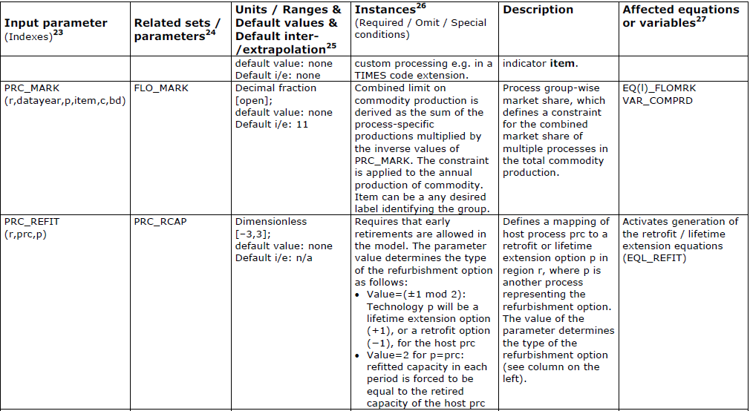
Define the refurbishment parameter

~TFM_INS
PSET_PN | attribute | Other_Indexes | REGION1
ETCLECAMD-E-REAF | PRC_REFIT | ETCLECAMD-E | -1 | -1 means retrofit option |  | TIMES manual
ETCLEGROO-E-REAF | PRC_REFIT | ETCLEGROO-E | -1 | 1 means life-ex |  | pg 261
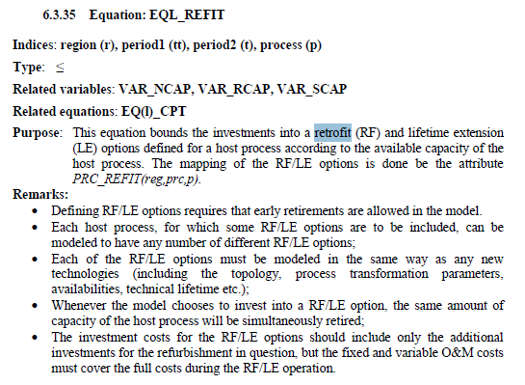
ETCLEKOMA-E-REAF | PRC_REFIT | ETCLEKOMA-E | -1 | 2 means ??
ETCLEARNO-E-REAF | PRC_REFIT | ETCLEARNO-E | -1
ETCLEDUVH-E-REAF | PRC_REFIT | ETCLEDUVH-E | -1
ETCLEHEND-E-REAF | PRC_REFIT | ETCLEHEND-E | -1
ETCLEKEND-E-REAF | PRC_REFIT | ETCLEKEND-E | -1
ETCLEKRIE-E-REAF | PRC_REFIT | ETCLEKRIE-E | -1
ETCLELETH-E-REAF | PRC_REFIT | ETCLELETH-E | -1
ETCLEMAJD-E-REAF | PRC_REFIT | ETCLEMAJD-E | -1
ETCLEMAJW-E-REAF | PRC_REFIT | ETCLEMAJW-E | -1
ETCLEMATI-E-REAF | PRC_REFIT | ETCLEMATI-E | -1
ETCLEMATL-E-REAF | PRC_REFIT | ETCLEMATL-E | -1
ETCLETUTU-E-REAF | PRC_REFIT | ETCLETUTU-E | -1

 |  |  |  |  | note here;
ETCLEMEDU-N-REAF | PRC_REFIT | ETCLEMEDU-N | -1 |  | it must retire the other process
ETCLEKUSI-N-REAF | PRC_REFIT | ETCLEKUSI-N | -1

 |  |  |  |  |  | pg 85

