WindThermalConstraint
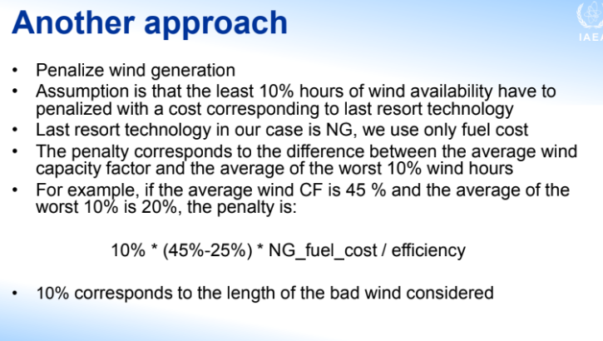
UC - Each Region/Period |  |  | Average CF | 35.30%
 | ~UC_Sets: R_E: REGION1 |  | Worst 10% of the year | 9.50%
 | ~UC_Sets: T_E: |  | Diff | 25.80%
 |  |  |  |  |  |  |  |  | ~UC_T
 | UC_N | Pset_Set | Pset_PN | Pset_CI | Pset_CO | Cset_CN | Attribute | Year | LimType | UC_ACT | UC_RHSRT | UC_Desc
 | UCACT_WIND |  | ET*,-ETRAN* |  |  |  |  | 0 | LO | 3 | 3
 | UCACT_WIND |  | ERW* |  |  |  |  | 0 | LO | 3
 | UCACT_WIND |  | ET*,-ETRAN* |  |  |  |  | 2017 | LO | 1 | 0
 | UCACT_WIND |  | ERW* |  |  |  |  | 2017 | LO | -0.0258

