IEAWEO2023 cost data
 | USD (2022) | $1.00 |  | Curve fitting
 | ZAR (2022) | R16.45
Passenger Car | BEV | £36,238.60
Passenger Car | Petrol HEV | £17,377.46
 |  | Price per vehicle |  |  |  | Linear learning rates
 | IEA scen | 2010 | 2022 | 2030 | 2050 | 2010-2022 | 2022-2030 | 2030-2050 | 2010 | 2011 | 2012 | 2013 | 2014 | 2015 | 2016 | 2017 | 2018 | 2019 | 2020 | 2021 | 2022 | 2023 | 2024 | 2025 | 2026 | 2027 | 2028 | 2029 | 2030 | 2031 | 2032 | 2033 | 2034 | 2035 | 2036 | 2037 | 2038 | 2039 | 2040 | 2041 | 2042 | 2043 | 2044 | 2045 | 2046 | 2047 | 2048 | 2049 | 2050
 | STEPS-USD | $73,003 | $20,500 | $16,600 | $14,700
 | APS-USD | $73,003 | $20,500 | $16,100 | $14,100
 | NZE-USD | $73,003 | $20,500 | $15,600 | $13,700
BEV | STEPS | 3.561 | 1.000 | 0.810 | 0.717 | -0.2134 | -0.0238 | -0.0046 | 3.5611 | 3.3477 | 3.1343 | 2.9208 | 2.7074 | 2.4940 | 2.2806 | 2.0671 | 1.8537 | 1.6403 | 1.4269 | 1.2134 | 1.0000 | 0.9762 | 0.9524 | 0.9287 | 0.9049 | 0.8811 | 0.8573 | 0.8335 | 0.8098 | 0.8051 | 0.8005 | 0.7959 | 0.7912 | 0.7866 | 0.7820 | 0.7773 | 0.7727 | 0.7680 | 0.7634 | 0.7588 | 0.7541 | 0.7495 | 0.7449 | 0.7402 | 0.7356 | 0.7310 | 0.7263 | 0.7217 | 0.7171
BEV | APS | 3.561 | 1.000 | 0.785 | 0.688 | -0.2134 | -0.0268 | -0.0049 | 3.5611 | 3.3477 | 3.1343 | 2.9208 | 2.7074 | 2.4940 | 2.2806 | 2.0671 | 1.8537 | 1.6403 | 1.4269 | 1.2134 | 1.0000 | 0.9732 | 0.9463 | 0.9195 | 0.8927 | 0.8659 | 0.8390 | 0.8122 | 0.7854 | 0.7805 | 0.7756 | 0.7707 | 0.7659 | 0.7610 | 0.7561 | 0.7512 | 0.7463 | 0.7415 | 0.7366 | 0.7317 | 0.7268 | 0.7220 | 0.7171 | 0.7122 | 0.7073 | 0.7024 | 0.6976 | 0.6927 | 0.6878
BEV | NZE | 3.561 | 1.000 | 0.761 | 0.668 | -0.2134 | -0.0299 | -0.0046 | 3.5611 | 3.3477 | 3.1343 | 2.9208 | 2.7074 | 2.4940 | 2.2806 | 2.0671 | 1.8537 | 1.6403 | 1.4269 | 1.2134 | 1.0000 | 0.9701 | 0.9402 | 0.9104 | 0.8805 | 0.8506 | 0.8207 | 0.7909 | 0.7610 | 0.7563 | 0.7517 | 0.7471 | 0.7424 | 0.7378 | 0.7332 | 0.7285 | 0.7239 | 0.7193 | 0.7146 | 0.7100 | 0.7054 | 0.7007 | 0.6961 | 0.6915 | 0.6868 | 0.6822 | 0.6776 | 0.6729 | 0.6683
 | STEPS-USD | $35,007 | $16,800 | $15,300 | $15,400
 | APS-USD | $35,007 | $16,800 | $15,200 | $15,300
 | NZE-USD | $35,007 | $16,800 | $15,100 | $15,200
HEV | STEPS | 2.084 | 1.000 | 0.911 | 0.917 | -0.0903 | -0.0112 | 0.0003 | 2.0837 | 1.9934 | 1.9031 | 1.8128 | 1.7225 | 1.6322 | 1.5419 | 1.4516 | 1.3612 | 1.2709 | 1.1806 | 1.0903 | 1.0000 | 0.9888 | 0.9777 | 0.9665 | 0.9554 | 0.9442 | 0.9330 | 0.9219 | 0.9107 | 0.9110 | 0.9113 | 0.9116 | 0.9119 | 0.9122 | 0.9125 | 0.9128 | 0.9131 | 0.9134 | 0.9137 | 0.9140 | 0.9143 | 0.9146 | 0.9149 | 0.9152 | 0.9155 | 0.9158 | 0.9161 | 0.9164 | 0.9167
HEV | APS | 2.084 | 1.000 | 0.905 | 0.911 | -0.0903 | -0.0119 | 0.0003 | 2.0837 | 1.9934 | 1.9031 | 1.8128 | 1.7225 | 1.6322 | 1.5419 | 1.4516 | 1.3612 | 1.2709 | 1.1806 | 1.0903 | 1.0000 | 0.9881 | 0.9762 | 0.9643 | 0.9524 | 0.9405 | 0.9286 | 0.9167 | 0.9048 | 0.9051 | 0.9054 | 0.9057 | 0.9060 | 0.9063 | 0.9065 | 0.9068 | 0.9071 | 0.9074 | 0.9077 | 0.9080 | 0.9083 | 0.9086 | 0.9089 | 0.9092 | 0.9095 | 0.9098 | 0.9101 | 0.9104 | 0.9107
BEV
HEV | NZE | 2.084 | 1.000 | 0.899 | 0.905 | -0.0903 | -0.0126 | 0.0003 | 2.0837 | 1.9934 | 1.9031 | 1.8128 | 1.7225 | 1.6322 | 1.5419 | 1.4516 | 1.3612 | 1.2709 | 1.1806 | 1.0903 | 1.0000 | 0.9874 | 0.9747 | 0.9621 | 0.9494 | 0.9368 | 0.9241 | 0.9115 | 0.8988 | 0.8991 | 0.8994 | 0.8997 | 0.9000 | 0.9003 | 0.9006 | 0.9009 | 0.9012 | 0.9015 | 0.9018 | 0.9021 | 0.9024 | 0.9027 | 0.9030 | 0.9033 | 0.9036 | 0.9039 | 0.9042 | 0.9045 | 0.9048
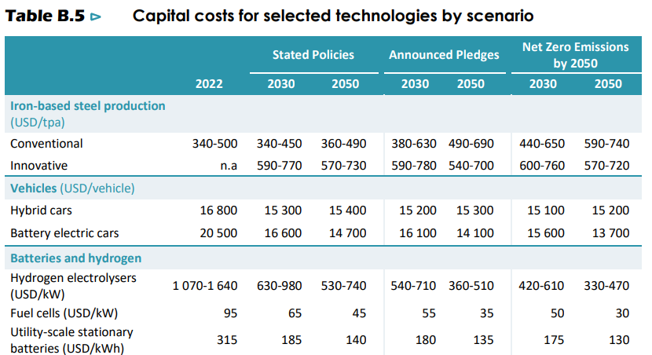

HEV

